Transmutation Table
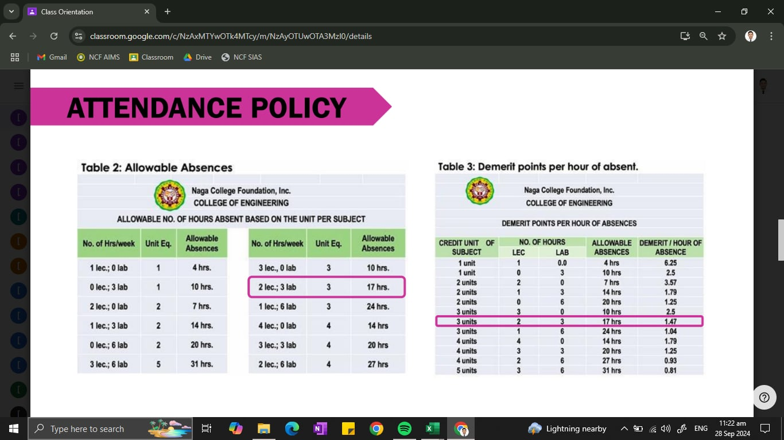
raw | transmuted | PR grade
0.00 | 70.00 | 5.00 | Poor
10.00 | 71.00 | 5.00 | Poor
20.00 | 72.00 | 5.00 | Poor
30.00 | 73.00 | 5.00 | Poor
40.00 | 74.00 | 5.00 | Poor
50.00 | 75.00 | 3.00 | Fair
52.00 | 76.00 | 2.90 | Fair
54.00 | 77.00 | 2.80 | Fair
56.00 | 78.00 | 2.75 | Fair
58.00 | 79.00 | 2.70 | Fair
60.00 | 80.00 | 2.60 | Good
62.00 | 81.00 | 2.50 | Good
64.00 | 82.00 | 2.40 | Good
66.00 | 83.00 | 2.30 | Good
68.00 | 84.00 | 2.25 | Good
70.00 | 85.00 | 2.20 | Good
72.00 | 86.00 | 2.10 | Good
74.00 | 87.00 | 2.00 | Very Good
77.00 | 88.00 | 1.90 | Very Good
79.00 | 89.00 | 1.80 | Very Good
81.00 | 90.00 | 1.75 | Very Good
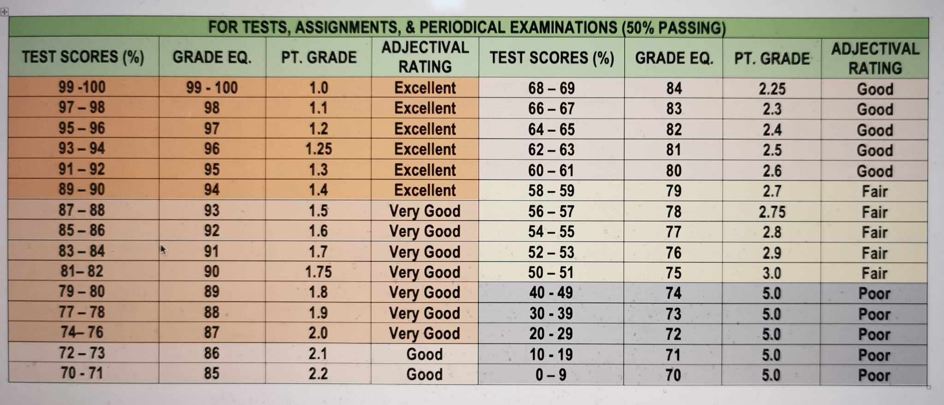
83.00 | 91.00 | 1.70 | Very Good
85.00 | 92.00 | 1.60 | Very Good
87.00 | 93.00 | 1.50 | Very Good
89.00 | 94.00 | 1.40 | Excellent
91.00 | 95.00 | 1.30 | Excellent
93.00 | 96.00 | 1.25 | Excellent
95.00 | 97.00 | 1.20 | Excellent
97.00 | 98.00 | 1.10 | Excellent
99.00 | 99.00 | 1.00 | Excellent
100.00 | 100.00 | 1.00 | Excellent

