Sheet1
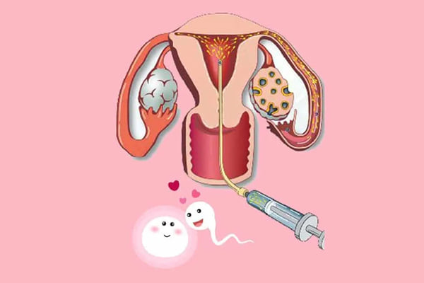
đshfjkds | sgdshdv
dvcndvdm | dhvhjfb
vdbdsb | nbehfb
fgđjb | bjej'
jdhdhf | jfjdfb

