ANOVA and linear regressions
I used all variables (including the ones I added later) into the ANOVA, to rule out any variables that with no effect on accident rate("Y axis") Then I selected ones with asterisks to run a second iteration, which is the multivariable linear regression. Before ANOVA the coefficient was like below: too much noise, and there's hardly one with asterisks(we are confident about).

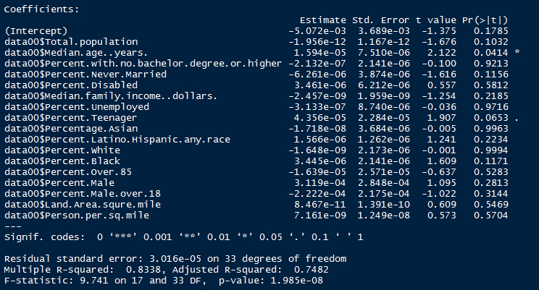

ANOVA data

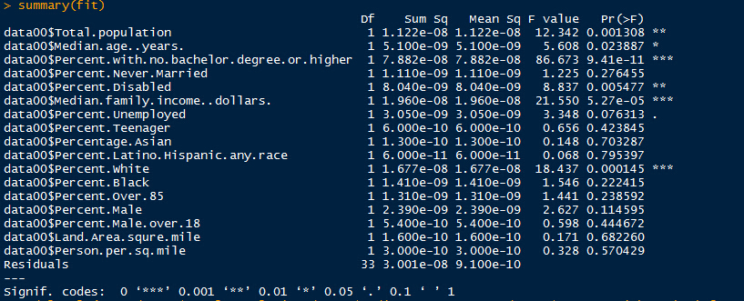

Coefficient and Equation(Partial) after second iteration of linear regression

Conclusion rate= 4.630e-6*Percent.with.no.bachelor.degree.or.higher-4.419e-9*Median.family.income..dollars+ OTHER_FACTORS

Future data for visual analysis Divide Y into three parts: Education, Income and "Others" For equation Y=AX1+BX2+C, calculate the contribution each part contributes to Y value For each part, represent it on the map

