ANOVA and linear regressions
I used all variables (including the ones I added later) into the ANOVA, to rule out any variables that with no effect on accident rate("Y axis") Then I selected ones with asterisks to run a second iteration, which is the multivariable linear regression. Before ANOVA the coefficient was like below: too much noise, and there's hardly one with asterisks(we are confident about).

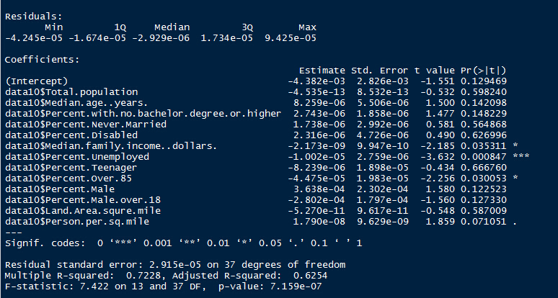

ANOVA data

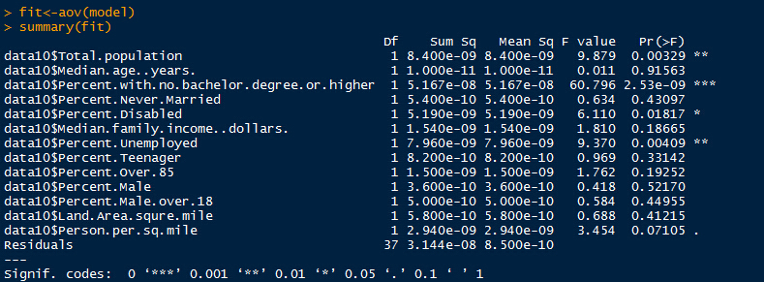

Coefficient and Equation(Partial) after second iteration of linear regression

Conclusion rate= 4.192e-6*Percent.with.no.bachelor.degree.or.higher+6.613e-6*Percent.Disabled-6.178e-6*Percent.Unemployed-1.985e-04+OTHER_FACTORS

Future data for visual analysis Divide Y into three parts: Education, Income and "Others" For equation Y=AX1+BX2+CX3+E+D, calculate the contribution each part contributes to Y value For each part, represent it on the map

