Online Catalog
S. No. | PPUS CODE |  | Url | Live on website ? | Enable on website? | Vendor Code | New Vendor Code | Short description : 1 line description of the product. | Long description : 2-3 lines brief description of the product. Include details in terms of fabric/ material, colour etc, which need to be highlighted. | Comment on Description? | XS Waist: 24 Bust: 32 HIP: 34 | new XS Qty | S Waist: 26 Bust: 34 HIP: 36 | new S Qty | M Waist: 28 Bust: 36 HIP: 38 | new M Qty | L Waist: 30 Bust: 38 HIP: 40 | new L Qty | XL Waist: 32 Bust: 40 HIP: 42 | new XL Qty | XXL Waist: 34 Bust: 42 HIP: 44 | new XXL Qty | Free Size | new Free Size Qty | CUSTOM TAILORED | new Custom Tailored Qty | No. of pieces in a set | primary colour: main colour of the product | Retail price (MRP) Including GST | Change in Price (if any) | Delivery Time: | Ready To Ship Availability (Yes/No) + Size | discount options | product_id | Ruchira Nangalia | 1376
1 | RNGC032015 | 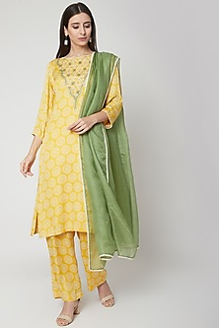 | Product-Url | Disabled |  | VZ/KT/14 |  | Sunshine Yellow Printed & Embroidered Palazzo Set | Featuring a sunshine yellow kurta in modal satin base with zardosi embroidery and hand block print. It is paired with matching palazzo pants and olive green kota dupatta. FIT: Fitted at bust and waist. COMPOSITION: Modal satin. CARE: Dry clean only. |  | 50 |  | 50 |  | 51 |  | 51 |  | 51 |  | 50 |  | 0 |  | 49 |  |  |  | 19500 |  | This product will be shipped to you after 3-4 weeks from the date of order placed.
2 | RNGC032013 | 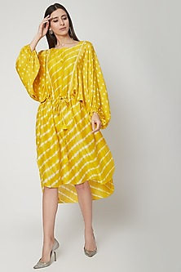 | Product-Url | Live |  | VZ/KD/13 |  | Sunshine Yellow Printed Kaftan Tunic | Featuring a sunshine yellow short kaftan style tunic in chanderi base with leheriya print. It has a boat neck. FIT: Fitted at bust. COMPOSITION: Chanderi. CARE: Dry clean only. | with hand dyed leheriya and printed bhandhej. Composition: chanderi and modal satin | 49 |  | 50 |  | 51 |  | 51 |  | 50 |  | 50 |  | 0 | s-m,m-l,l-xl,xl-2xl | 50 |  |  |  | 10800 |  | This product will be shipped to you after 3-4 weeks from the date of order placed.
3 | RNGC032012 | 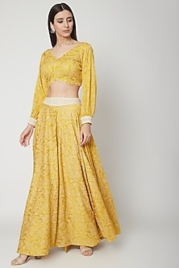 | Product-Url | Live |  | VZ/SP/12 |  | Sunshine Yellow Printed Blouse & Skirt | Featuring a sunshine yellow skirt in modal satin base with hand block print. It is paired with a matching blouse. FIT: Fitted at bust and waist. COMPOSITION: Modal satin. CARE: Dry clean only. |  | 50 |  | 50 |  | 51 |  | 51 |  | 51 |  | 50 |  | 0 |  | 50 |  |  |  | 18500 |  | This product will be shipped to you after 3-4 weeks from the date of order placed.
4 | RNGC032011 | 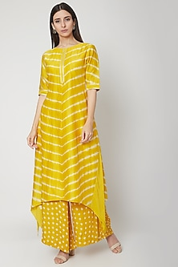 | Product-Url | Live |  | VZ/LK/11 |  | Sunshine Yellow Leheriya Kurta With Pants | Featuring a sunshine yellow long kurti in modal satin base with leheriya print. It is paired with matching bandhej palazzo pants. FIT: Fitted at bust and waist. COMPOSITION: Modal satin. CARE: Dry clean only. | kurta in hand dyed chanderi and bottom in printed bhandhej pallazos in modal satin | 45 |  | 45 |  | 40 |  | 38 |  | 40 |  | 44 |  | 0 |  | 50 |  |  |  | 12500 |  | This product will be shipped to you after 3-4 weeks from the date of order placed.
5 | RNGC032010 | 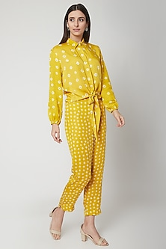 | Product-Url | Live |  | VZ/SH/10 |  | Sunshine Yellow Bandhej Shirt With Pants | Featuring a sunshine yellow collared shirt in modal satin base with bandhej print and a knot. It is paired with matching pants. FIT: Fitted at bust and waist. COMPOSITION: Modal satin. CARE: Dry clean only. |  | 49 |  | 49 |  | 50 |  | 51 |  | 51 |  | 50 |  | 0 |  | 50 |  |  |  | 10500 |  | This product will be shipped to you after 3-4 weeks from the date of order placed.
6 | RNGC032009 | 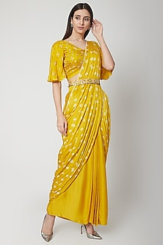 | Product-Url | Live |  | VZ/SR/09 |  | Sunshine Yellow Embroidered & Printed Pre-Stitched Saree Set | Featuring a sunshine yellow pre-stitched saree in chanderi base with aari work embroidery and leheriya print. It is paired with a matching boho belt. FIT: Fitted at bust and waist. COMPOSITION: Chanderi. CARE: Dry clean only. | composition:modal satin only. No chanderi | 50 |  | 47 |  | 49 |  | 50 |  | 50 |  | 50 |  | 0 |  | 50 |  |  |  | 24500 | discount keep 15% | This product will be shipped to you after 3-4 weeks from the date of order placed.
7 | RNGC032008 | 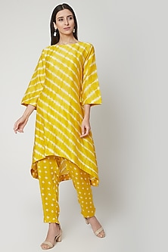 | Product-Url | Live |  | VZ/LH/08 |  | Sunshine Yellow Hand Dyed Kurta With Pants | Featuring a sunshine yellow hand dyed kurta in chanderi base with leheriya print. It is paired with matching hand dyed bandhej pants. FIT: Fitted at bust and waist. COMPOSITION: Chanderi. CARE: Dry clean only. | chanderi and modal satin | 50 |  | 49 |  | 50 |  | 50 |  | 50 |  | 50 |  | 0 |  | 50 |  |  |  | 11500 |  | This product will be shipped to you after 3-4 weeks from the date of order placed.
8 | RNGC032007 | 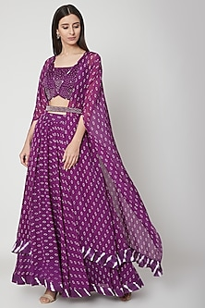 | Product-Url | Live |  | VZ/LG/06 |  | Violet Embroidered & Printed Cape Lehenga Set | Featuring a violet overlapping blouse in modal satin base with pearl and zardosi embroidery including leheriya print. It is paired with a matching lehenga, cape, and a belt. FIT: Fitted at bust and waist. COMPOSITION: Modal satin. CARE: Dry clean only. |  | 50 |  | 50 |  | 51 |  | 52 |  | 51 |  | 50 |  | 0 |  | 50 |  |  |  | 32500 |  | This product will be shipped to you after 3-4 weeks from the date of order placed.
9 | RNGC032006 | 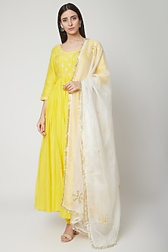 | Product-Url | Live |  | VZ/AR/07 |  | Sunshine Yellow Embroidered & Printed Anarkali Set | Featuring a sunshine yellow anarkali in cotton silk base with aari and mirrors embroidery including leheriya print. It is paired with matching pants and kota doria dupatta. FIT: Fitted at bust and waist. COMPOSITION: Cotton silk, Kota doriya. CARE: Dry clean only. | composition:mulmul,kota doriya | 50 |  | 49 |  | 51 |  | 50 |  | 50 |  | 50 |  | 0 |  | 48 |  |  |  | 17500 | 21500 | This product will be shipped to you after 3-4 weeks from the date of order placed.
10 | RNGC032005 | 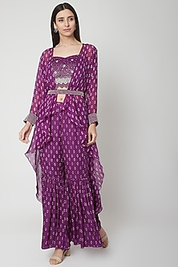 | Product-Url | Live |  | VZ/SH/05 |  | Violet Printed & Embroidered Sharara Set | Featuring a violet strappy blouse in modal satin base with pearl and zardosi embroidery including hand block print. It is paired with matching sharara pants and an embroidered belt. FIT: Fitted at bust and waist. COMPOSITION: Modal satin. CARE: Dry clean only. |  | 50 |  | 50 |  | 51 |  | 51 |  | 51 |  | 50 |  | 0 |  | 50 |  |  |  | 28500 | 36500 | This product will be shipped to you after 3-4 weeks from the date of order placed.
11 | RNGC032004 | 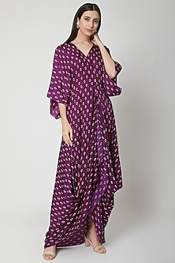 | Product-Url | Live |  | VZ/DD/04 |  | Violet Printed Cowl Dress | Featuring a violet draped cowl dress in modal satin base with hand block print. It has a v-neck. FIT: Fitted at bust. COMPOSITION: Modal satin. CARE: Dry clean only. |  | 50 |  | 50 |  | 50 |  | 50 |  | 50 |  | 50 |  | 0 |  | 50 |  |  |  | 10500 |  | This product will be shipped to you after 3-4 weeks from the date of order placed.
12 | RNGC032003 | 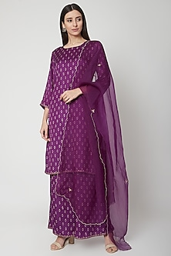 | Product-Url | Live |  | VZ/PZ/03 |  | Violet Aari Embroidered Kurta Set | Featuring a violet kurta in modal satin base with hand block print and aari work embroidery. It is paired with matching palazzo pants and dupatta. FIT: Fitted at bust and waist. COMPOSITION: Modal satin, Organza. CARE: Dry clean only. |  | 50 |  | 50 |  | 51 |  | 51 |  | 50 |  | 50 |  | 0 |  | 50 |  |  |  | 15500 |  | This product will be shipped to you after 3-4 weeks from the date of order placed.
13 | RNGC032002 | 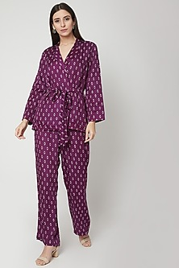 | Product-Url | Live |  | VZ/PL/02 |  | Violet Printed Jacket With Pants & Belt | Featuring a violet robed jacket in modal satin base with hand block print. It is paired with matching pants and a belt. FIT: Fitted at bust and waist. COMPOSITION: Modal satin, Organza. CARE: Dry clean only. | modal satin only | 50 |  | 50 |  | 51 |  | 51 |  | 51 |  | 50 |  | 0 |  | 50 |  |  |  | 12500 |  | This product will be shipped to you after 3-4 weeks from the date of order placed.
14 | RNGC032001 | 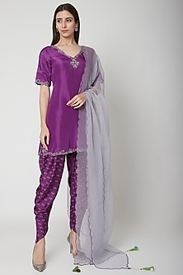 | Product-Url | Live |  | VZ/DH/01 |  | Violet Embroidered & Printed Kurta Set | Featuring a violet kurta in modal satin base with zardosi embroidery. It is paired with matching dhoti pants having bandhej hand block print and organza dupatta. FIT: Fitted at bust and waist. COMPOSITION: Modal satin, Organza. CARE: Dry clean only. |  | 50 |  | 50 |  | 51 |  | 51 |  | 51 |  | 50 |  | 0 |  | 50 |  |  |  | 24500 |  | This product will be shipped to you after 3-4 weeks from the date of order placed.
15 | RNGC101908 | 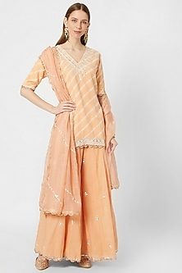 | Product-Url | Live |  | GN/PEACH/MUL |  | Peach Leheriya Embroidered Kurta Set | Featuring a peach leheriya kurta in cotton base with gota patti, aari and zardosi embroidery. It is paired with matching kalidar palazzo pants in mul base and kota silk dupatta having scalloped lace. FIT: Fitted at bust and waist. COMPOSITION: Cotton, Kota silk, Mul. CARE: Dry clean only. | mulmul and kota doriya | 5 |  | 5 |  | 6 |  | 6 |  | 6 |  | 5 |  | 0 |  | 0 |  |  |  | 31800 |  | This product will be shipped to you after 4-5 weeks from the date of order placed.
16 | RNGC101907 | 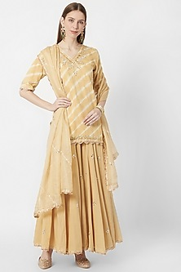 | Product-Url | Live |  | GN/BEIGE/MUL |  | Beige Leheriya Embroidered Kurta Set | Featuring a beige leheriya kurta in cotton base with gota patti, aari and zardosi embroidery. It is paired with matching kalidar palazzo pants and golden kota silk dupatta having scalloped lace. FIT: Fitted at bust and waist. COMPOSITION: Cotton, Kota silk. CARE: Dry clean only. | mulmul and kota doriya | 5 |  | 5 |  | 6 |  | 6 |  | 6 |  | 5 |  | 0 |  | 0 |  |  |  | 31800 |  | This product will be shipped to you after 4-5 weeks from the date of order placed.
17 | RNGC101905 | 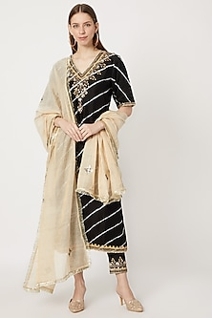 | Product-Url | Live |  | GN/BLK/SET |  | Black Leheriya & Embroidered Kurta Set | Featuring a black leheriya kurta in chanderi base with gota patti, aari and zardosi embroidery. It is paired with matching straight pants and golden tissue dupatta having patra motifs and kiran lace. FIT: Fitted at bust and waist. COMPOSITION: Chanderi, Tissue. CARE: Dry clean only. |  | 5 |  | 5 |  | 2 |  | 5 |  | 5 |  | 5 |  | 0 |  | 0 |  |  |  | 28800 |  | This product will be shipped to you after 4-5 weeks from the date of order placed.
18 | RNGC101903 | 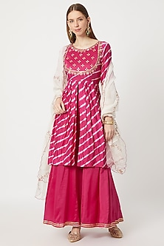 | Product-Url | Live |  | GN/RP/LEH |  | Rani Pink Leheriya & Embroidered Kurta Set | Featuring a rani pink leheriya kurta in chanderi base with matka yoke, patra and aari work embroidery. It is paired with kalidar palazzo pants and mul chanderi dupatta having organza patch and leheriya bel motifs. FIT: Fitted at bust and waist. COMPOSITION: Chanderi, Mul chanderi. CARE: Dry clean only. |  | 5 |  | 5 |  | 5 |  | 5 |  | 5 |  | 5 |  | 0 |  | 0 |  |  |  | 27120 |  | This product will be shipped to you after 4-5 weeks from the date of order placed.
19 | RNGC101902 | 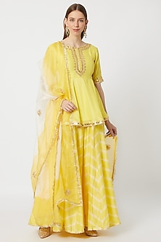 | Product-Url | Live |  | GN/YEL/PATRA |  | Yellow Embroidered & Leheriya Printed Kurta Set | Featuring a yellow peplum kurta in chanderi base with gota patti, patra, aari and zardosi embroidery. It is paired with matching leheriya printed palazzo pants and ombre dupatta in kota silk base having gota floral motifs. FIT: Fitted at bust and waist. COMPOSITION: Chanderi, Kota silk. CARE: Dry clean only. |  | 5 |  | 5 |  | 5 |  | 5 |  | 5 |  | 5 |  | 0 |  | 0 |  |  |  | 31800 |  | This product will be shipped to you after 4-5 weeks from the date of order placed.
20 | RNGC101901 | 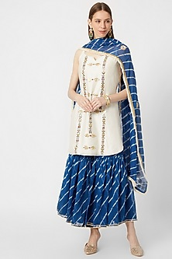 | Product-Url | Live |  | GN/TS/AZTEC |  | White & Sea Blue Leheriya Printed Sharara Set | Featuring an ivory short kurta in chanderi base with zardosi embroidered geometric motifs. It is paired with a matching sea blue leheriya printed sharara pants and mul chanderi dupatta having gota patti motifs on the border and fringed ivory cotton lace. FIT: Fitted at bust and waist. COMPOSITION: Chanderi, Mul chanderi. CARE: Dry clean only. |  | 5 |  | 5 |  | 5 |  | 5 |  | 5 |  | 5 |  | 0 |  | 0 |  |  |  | 23400 |  | This product will be shipped to you after 4-5 weeks from the date of order placed.
21 | RNGC071905 | 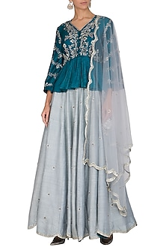 | Product-Url | Live |  | TL/LH |  | Cobalt Blue Embroidered Lehenga Set | Featuring a cobalt blue peplum top in dupion base with zardosi embroidery. It is paired with a matching skirt in raw silk base and scalloped net dupatta. FIT: Fitted at bust and waist. COMPOSITION: Dupion, Raw silk, Net. CARE: Dry clean only. |  | 10 |  | 9 |  | 10 |  | 10 |  | 10 |  | 10 |  | 0 |  | 6 |  |  |  | 35500 |  | This product will be shipped to you after 3-4 weeks from the date of order placed.
22 | RNGC071902 | 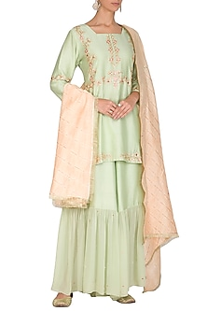 | Product-Url | Live |  | GN/CT/SD |  | Mint Green Embellished Sharara Set | Featuring a mint green kurta in chanderi mul and chanderi base with mirror butti embellishments. It is paired with matching tiered sharara pants and leheriya dupatta. FIT: Fitted at bust and waist. COMPOSITION: Chanderi mul, Chanderi. CARE: Dry clean only. |  | 10 |  | 10 |  | 11 |  | 11 |  | 10 |  | 10 |  | 0 |  | 10 |  |  |  | 30600 |  | This product will be shipped to you after 3-4 weeks from the date of order placed.
23 | RNGC071904 | 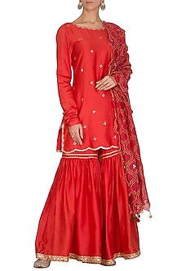 | Product-Url | Live |  | GN/RED/CP |  | Red Embellished Sharara Set | Featuring a red kurta in chanderi base with mirror butti embellishments. It is paired with matching sharara pants and mehrab gold jaal dupatta. FIT: Fitted at bust and waist. COMPOSITION: Chanderi. CARE: Dry clean only. |  | 10 |  | 9 |  | 10 |  | 9 |  | 10 |  | 10 |  | 0 |  | 10 |  |  |  | 27240 |  | This product will be shipped to you after 3-4 weeks from the date of order placed.
24 | RNGC071907 | 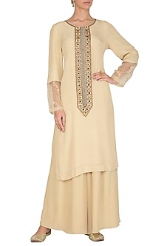 | Product-Url | Live |  | GN/CRE/SET |  | Nude Embroidered Printed Kurta With Pants | Featuring a nude kurta in crepe-de-chine base with sheer sleeves, printed yoke and aari embroidery. It is paired with matching pants. FIT: Fitted at bust and waist. COMPOSITION: Crepe-de-chine. CARE: Dry clean only. |  | 10 |  | 10 |  | 10 |  | 9 |  | 10 |  | 10 |  | 0 |  | 10 |  |  |  | 17400 |  | This product will be shipped to you after 3-4 weeks from the date of order placed.
25 | RNGC071908 | 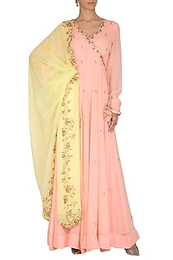 | Product-Url | Live |  | PEACH/GOWN |  | Peach Embroidered Anarkali Set | Featuring a peach angrakha anarkali kurta in silk georgette base with zardosi, cutwork and thread embroidery. It is paired with matching pants and contrasting dupatta. FIT: Fitted at bust and waist. COMPOSITION: Silk georgette. CARE: Dry clean only. |  | 10 |  | 10 |  | 11 |  | 11 |  | 10 |  | 10 |  | 0 |  | 10 |  |  |  | 34200 |  | This product will be shipped to you after 3-4 weeks from the date of order placed.
26 | RNGC071903 | 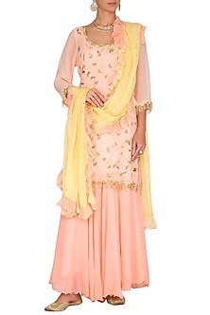 | Product-Url | Live |  | PEACH/RUFF |  | Peach Embroidered Sharara Set | Featuring a peach short kurta in silk georgette base with zardosi jaal embroidery. It is paired with matching sharara pants and ruffled dupatta. FIT: Fitted at bust and waist. COMPOSITION: Silk georgette. CARE: Dry clean only. |  | 10 |  | 10 |  | 11 |  | 11 |  | 10 |  | 10 |  | 0 |  | 10 |  |  |  | 31800 |  | This product will be shipped to you after 3-4 weeks from the date of order placed.
27 | RNGC071910 | 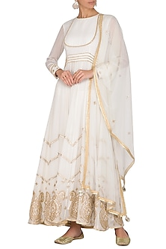 | Product-Url | Live |  | OW/GOTA/DR |  | White Embellished Anarkali Set | Featuring a white anarkali kurta in silk georgette base with gota embellishments. It is paired with matching pants and net dupatta. FIT: Fitted at bust and waist. COMPOSITION: Silk georgette, Net. CARE: Dry clean only. |  | 10 |  | 10 |  | 10 |  | 10 |  | 10 |  | 10 |  | 0 |  | 10 |  |  |  | 34200 |  | This product will be shipped to you after 3-4 weeks from the date of order placed.
28 | RNGC071909 | 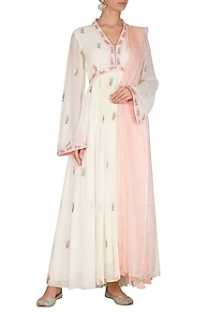 | Product-Url | Live |  | OW/PEA/GOWN |  | Blush Pink Embroidered Anarkali Set | Featuring a blush pink anarkali kurta in georgette base with aari embroidery and bell sleeves. It is paired with matching pants and peach dupatta in silk kota doriya base. FIT: Fitted at bust and waist. COMPOSITION: Georgette, Silk kota doriya. CARE: Dry clean only. |  | 8 |  | 10 |  | 8 |  | 8 |  | 7 |  | 8 |  | 0 |  | 8 |  |  |  | 17400 |  | This product will be shipped to you after 3-4 weeks from the date of order placed.
29 | RNGC071901 | 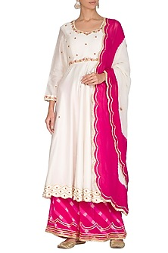 | Product-Url | Live |  | WH/AR/LH04 |  | Ivory & Fuchsia Embroidered Kurta Set | Featuring an ivory kurta in chanderi and silk georgette base with gota patti embroidery. It is paired with contrasting fuchsia palazzo pants having hand dyed leheriya prints and ombre dupatta. FIT: Fitted at bust and waist. COMPOSITION: Chanderi, Silk georgette. CARE: Dry clean only. |  | 10 |  | 10 |  | 0 |  | 11 |  | 10 |  | 10 |  | 0 |  | 10 |  |  |  | 19800 |  | This product will be shipped to you after 3-4 weeks from the date of order placed.
30 | RNGC021903 | 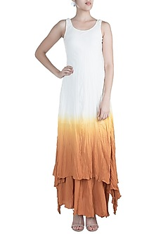 | Product-Url | Live |  | WB1708/OB BT1708/OB |  | White Ombre Gaga Tunic With Skirt | Featuring a white ombre gaga tunic in cotton blend base. It is paired with matching gaga skirt. FIT: Fitted at bust and waist. COMPOSITION: Cotton blend. CARE: Dry clean only. |  | 5 |  | 5 |  | 5 |  | 5 |  | 5 |  | 5 |  | 0 |  | 5 |  |  |  | 10400 |  | This product will be shipped to you after 2-3 weeks from the date of order placed.
31 | RNGC021912 | 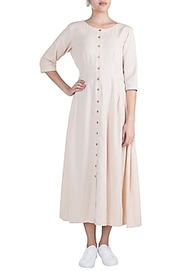 | Product-Url | Live |  | BR1721/ST |  | Cream Button Down Tunic | Featuring a cream button down tunic in cotton blend base. FIT: Fitted at bust. COMPOSITION: Cotton blend. CARE: Dry clean only. |  | 5 |  | 3 |  | 4 |  | 5 |  | 5 |  | 5 |  | 0 |  | 5 |  |  |  | 7200 |  | This product will be shipped to you after 2-3 weeks from the date of order placed.
32 | RNGC021908 | 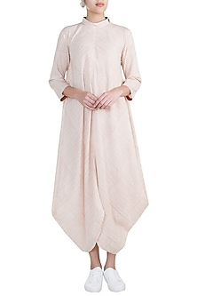 | Product-Url | Live |  | BR1714/SD |  | Beige Cowled Tunic | Featuring a beige cowled tunic in cotton blend base. FIT: Fitted at bust. COMPOSITION: Cotton blend. CARE: Dry clean only. |  | 1 |  | 1 |  | 1 |  | 1 |  | 1 |  | 1 |  | 0 |  | 5 |  |  |  | 5200 |  | This product will be shipped to you after 2-3 weeks from the date of order placed.
33 | RNGC021905 | 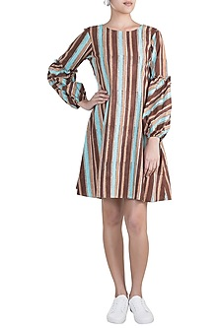 | Product-Url | Live |  | BB1709/ST |  | Multicolored Striped Ruffled Dress | Featuring a multicolored striped ruffled dress in cotton blend base. FIT: Fitted at bust. COMPOSITION: Cotton blend. CARE: Dry clean only. |  | 5 |  | 3 |  | 3 |  | 4 |  | 5 |  | 5 |  | 0 |  | 5 |  |  |  | 4800 |  | This product will be shipped to you after 2-3 weeks from the date of order placed.
34 | RNGC021910 | 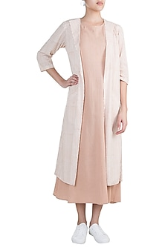 | Product-Url | Live |  | AL1712/JK |  | Blush Pink Layered Dress With Jacket | Featuring a blush pink three layered dress in cotton blend base. It is paired with contrasting jacket. FIT: Fitted at bust. COMPOSITION: Cotton blend. CARE: Dry clean only. |  | 5 |  | 5 |  | 1 |  | 2 |  | 3 |  | 1 |  | 0 |  | 5 |  |  |  | 6700 |  | This product will be shipped to you after 2-3 weeks from the date of order placed.
35 | RNGC021904 | 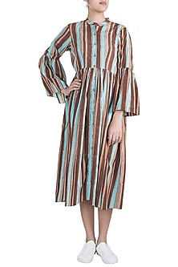 | Product-Url | Live |  | BB1722/ST |  | Multicolored Striped Button Down Dress | Featuring a multicolored striped button down dress in cotton blend base. FIT: Fitted at bust. COMPOSITION: Cotton blend. CARE: Dry clean only. |  | 5 |  | 5 |  | 5 |  | 3 |  | 4 |  | 5 |  | 0 |  | 5 |  |  |  | 5800 |  | This product will be shipped to you after 2-3 weeks from the date of order placed.
36 | RNGC021907 | 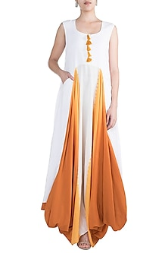 | Product-Url | Live |  | OW/1640 |  | White Cowled Gaga Dress | Featuring a white cowled gaga dress in cotton blend base. FIT: Fitted at bust. COMPOSITION: Cotton blend. CARE: Dry clean only. |  | 4 |  | 4 |  | 3 |  | 5 |  | 5 |  | 4 |  | 0 |  | 5 |  |  |  | 8200 |  | This product will be shipped to you after 2-3 weeks from the date of order placed.
37 | RNGC021909 | 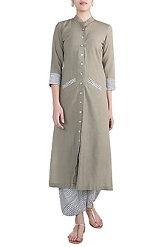 | Product-Url | Disabled |  | GR1715/TT GR1706/ST |  | Grey Tunic With Striped Pants | Featuring a grey tunic in cotton blend base. It is paired with matching striped pants. FIT: Fitted at bust and waist. COMPOSITION: Cotton blend. CARE: Dry clean only. |  | 4 |  | 4 |  | 6 |  | 5 |  | 4 |  | 5 |  | 0 |  | 5 |  |  |  | 7600 |  | This product will be shipped to you after 2-3 weeks from the date of order placed.
38 | RNGC021901 | 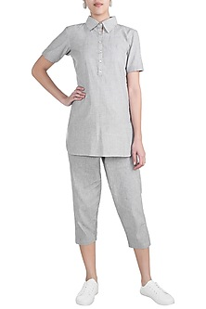 | Product-Url | Disabled |  | GR1703/ST GR1706/ST |  | Grey Shirt With Trouser Pants | Featuring a grey shirt in cotton blend base. It is paired with matching trouser pants. FIT: Fitted at bust and waist. COMPOSITION: Cotton blend. CARE: Dry clean only. |  | 4 |  | 6 |  | 6 |  | 5 |  | 5 |  | 4 |  | 0 |  | 5 |  |  |  | 7600 |  | This product will be shipped to you after 2-3 weeks from the date of order placed.
39 | RNGC021911 | 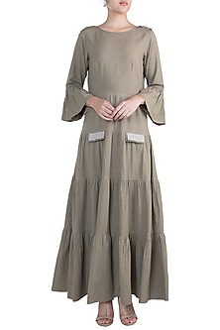 | Product-Url | Live |  | GR1716/STDR |  | Grey Tiered Dress | Featuring a grey tiered dress in cotton blend base. FIT: Fitted at bust. COMPOSITION: Cotton blend. CARE: Dry clean only. |  | 5 |  | 5 |  | 5 |  | 4 |  | 5 |  | 5 |  | 0 |  | 5 |  |  |  | 7200 |  | This product will be shipped to you after 2-3 weeks from the date of order placed.
40 | RNGC021902 | 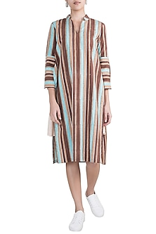 | Product-Url | Live |  | BL/1724/ST |  | Multicoloured Striped Ruffled Tunic Dress | Featuring a multicolored striped ruffled tunic dress in cotton blend base. FIT: Fitted at bust. COMPOSITION: Cotton blend. CARE: Dry clean only. |  | 4 |  | 4 |  | 3 |  | 3 |  | 1 |  | 4 |  | 0 |  | 4 |  |  |  | 5800 |  | This product will be shipped to you after 2-3 weeks from the date of order placed.
41 | RNGC021913 | 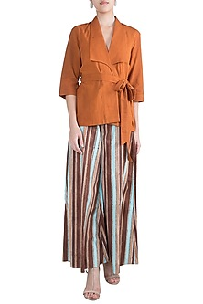 | Product-Url | Live |  | BR1710/SD BB1711/ST |  | Ochre Brown Roped Top With Culotte Pants | Featuring an ochre brown roped top in cotton blend base. It is paired with matching multicolored striped culotte pants. FIT: Fitted at bust and waist. COMPOSITION: Cotton blend. CARE: Dry clean only. |  | 3 |  | 2 |  | 1 |  | 1 |  | 1 |  | 1 |  | 0 |  | 2 |  |  |  | 8000 |  | This product will be shipped to you after 2-3 weeks from the date of order placed.
42 | RNGC021906 | 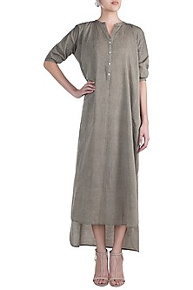 | Product-Url | Disabled |  | GR1718/ST |  | Charcoal Grey High-Low Tunic Dress | Featuring a charcoal grey high-low tunic dress in cotton blend base. FIT: Fitted at bust. COMPOSITION: Cotton blend. CARE: Dry clean only. |  | 2 |  | 1 |  | 1 |  | 1 |  | 1 |  | 1 |  | 0 |  | 5 |  |  |  | 4100 |  | This product will be shipped to you after 2-3 weeks from the date of order placed.
43 | RNGC09011705 | 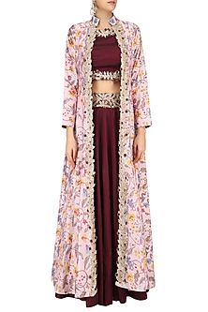 | Product-Url | Live | disable |  |  | Marsala Red Gota Embroidered Crop Top and Skirt with Off White Printed Jacket | This set features a marsala red crop top in dupion silk base with floral thread embroidered edges and neckline. It is paired with marsala red flared skirt with thread embroidered border. It comes along with an off white floral printed chanderi front open jacket. FIT: Cut for relaxed fit. COMPOSITION: Dupion silk, chanderi silk. CARE: Dry clean only. S: (BLOUSE) BUST- 35", WAIST- 27", LENGTH- 14", (JACKET) BUST- 36", WAIST- 29'' , HIP- 38'' , (SKIRT) LENGTH- 44", WAIST- 30'' M: (BLOUSE) BUST- 37", WAIST- 29", LENGTH- 14", (JACKET) BUST- 38", WAIST- 31'' , HIP- 40'' , (SKIRT) LENGTH- 44", WAIST- 32'' L: (BLOUSE) BUST- 39", WAIST- 31", LENGTH- 14", (JACKET) BUST- 40", WAIST- 33'' , HIP- 42'' , (SKIRT) LENGTH- 44", WAIST- 34'' |  | 0 |  | 5 |  | 4 |  | 5 |  | 0 |  | 0 |  | 0 |  | 0 |  |  |  | 42500
44 | RNGC09011704 | 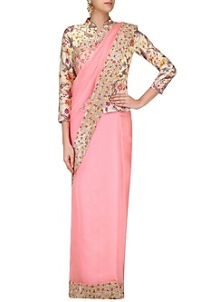 | Product-Url | Live |  |  |  | Pink Thread Work Saree with Salmon Pink Floral Printed Blouse | This set features a salmon pink peplum blouse in chanderi base with floral print all over the front and back. It is paired with pink organza saree embroidered with gota patti and thread work border. FIT: Cut for relaxed fit. COMPOSITION: Chanderi, organza. CARE: Dry clean only. S: BUST- 36", WAIST- 28.5", LENGTH- 21.5" M: BUST- 38", WAIST- 30.5", LENGTH- 21.5" L: BUST- 40", WAIST- 32.5", LENGTH- 21.5" |  | 0 |  | 5 |  | 5 |  | 5 |  | 5 |  | 5 |  | 0 |  | 5 |  |  |  | 38500
45 | RNGC09011708 | 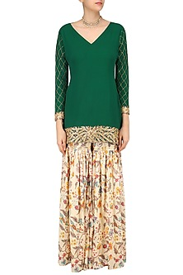 | Product-Url | Live | disable |  |  | Emerald Green Embroidered Short Kurta with Off White Floral Print Garara Pants | This set features an emerald green short kurta in silk georgette base with gold gota patti jaal pattern work on the sleeves and embroidery at the edges. It is paired with an off white floral printed silk chanderi garara pants. FIT: Cut for relaxed fit. COMPOSITION: Silk georgette, silk chanderi. CARE: Dry clean only. S: (KURTA) BUST- 36", WAIST- 30", HIP- 40'' , LENGTH- 32", (GARARA) WAIST- 30.5'' , LENGTH- 44" M: (KURTA) BUST- 38", WAIST- 32", HIP- 42'' , LENGTH- 32", (GARARA) WAIST- 32.5'' , LENGTH- 44" L: (KURTA) BUST- 40", WAIST- 34", HIP- 44'' , LENGTH- 32", (GARARA) WAIST- 34.5'' , LENGTH- 44" |  | 0 |  | 5 |  | 5 |  | 5 |  | 5 |  | 5 |  | 0 |  | 4 |  |  |  | 26500
46 | RNGC09011707 | 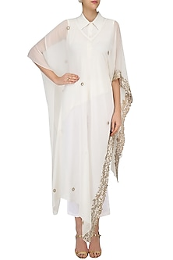 | Product-Url | Live |  |  |  | Ivory Embroidered Cape, Shirt and Pants Set | This set features an ivory cape in silk georgette base with gold embroidery on the side front and bootis scattered all over. It is paired with an ivory linen shirt and pants. FIT: Cut for relaxed fit. COMPOSITION: Silk georgette, linen. CARE: Dry clean only. |  | 0 |  | 4 |  | 4 |  | 3 |  | 4 |  | 4 |  | 0 |  | 5 |  |  |  | 24500
47 | RNGC09011706 | 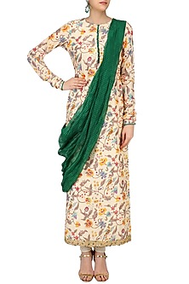 | Product-Url | Live | disable |  |  | Beige Floral Printed Tunic with Green Embroidered Drape Dupatta | This set features a beige tunic in chanderi base with floral print all over the front and back. It is paired with dark green silk kota doriya dupatta. FIT: Cut for relaxed fit. COMPOSITION: Chanderi, silk kota. CARE: Dry clean only. |  | 0 |  | 5 |  | 5 |  | 5 |  | 5 |  | 5 |  | 0 |  | 5 |  |  |  | 21500
48 | RNGC09011709 | 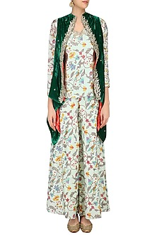 | Product-Url | Live | disable |  |  | Mint Green Floral Printed Top and Bell Bottoms with Front Open Embroidered Jacket | This set features a mint green top in chanderi silk base with floral print all over the front and bank paired with matching mint green printed bell bottoms. It comes along with emerald green velvet embroidered front open jacket. FIT: Cut for relaxed fit. COMPOSITION: Chanderi silk, velvet. CARE: Dry clean only. |  | 0 |  | 1 |  | 1 |  | 1 |  | 0 |  | 0 |  | 0 |  | 0 |  |  |  | 23500
49 | RNGC3W0516418 | 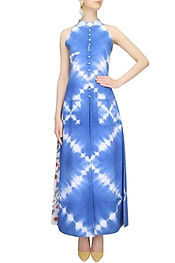 | Product-Url | Live |  | SS16-418 |  | Indigo Tye And Dye Long Dress And Straight Pants Set | Featuring an indigo high neck slit long dress in cotton base hand dyed with tye and dye print all over the front and back. It has high mid slit and button closure placket on centre front. It is paired with straight fitted cotton pants. FIT: Cut for relaxed fit. COMPOSITION: Cotton. CARE: Dry clean only. S: (TOP) BUST- 35", WAIST- 30", LENGTH- 55" (PANTS) WAIST- 30", LENGTH- 37" M: (TOP) BUST- 37", WAIST- 32", LENGTH- 55" (PANTS) WAIST- 32", LENGTH- 37" L: (TOP) BUST- 39", WAIST- 34", LENGTH- 55" (PANTS) WAIST- 34", LENGTH- 37" |  | 0 |  | 3 |  | 4 |  | 2 |  | 5 |  | 5 |  | 0 |  | 5 |  |  |  | 12320 |  | This product will be shipped to you after 2-3 weeks from the date of order placed. All custom made and discounted orders are not returnable.
50 | RNGC3W0516416 | 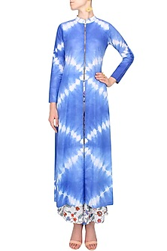 | Product-Url | Live |  | SS16-416 |  | Indigo Tye And Dye Tunic And Block Print Wide Legged Pants Set | This set features an indigo long high neck tunic in cotton base hand dyed with tye and dye print all over along with zipper closure detailing on the centre front. It is paired with an ivory square patched wide legged cotton pants with multicolour floral block print on the front and back. FIT: Cut for relaxed fit. COMPOSITION: Cotton. CARE: Dry clean only. S: (TOP) BUST- 35", WAIST- 30", LENGTH- 53" (PANTS) WAIST- 30", LENGTH- 37" M: (TOP) BUST- 37", WAIST- 32", LENGTH- 53" (PANTS) WAIST- 32", LENGTH- 37" L: (TOP) BUST- 39", WAIST- 34", LENGTH- 53" (PANTS) WAIST- 34", LENGTH- 37" |  | 0 |  | 2 |  | 6 |  | 3 |  | 2 |  | 5 |  | 0 |  | 3 |  |  |  | 12320 |  | This product will be shipped to you after 2-3 weeks from the date of order placed. All custom made and discounted orders are not returnable.
51 | RNGC3W0516421 |  | Product-Url | Live |  | SS16-421 |  | Indigo Tye And Dye Crop Shirt And Block Print Harem Pants Set | This set features an indigo crop shirt in cotton base hand dyed with tye and dye print all over the front and back. It is paired with an ivory pleated cotton harem pants handpainted with multicolour floral block print all over. FIT: Cut for relaxed fit. COMPOSITION: Cotton. CARE: Dry clean only. S: (TOP) BUST- 36", WAIST- 30", LENGTH- 15.5" (PANTS) WAIST- 30", LENGTH- 40" M: (TOP) BUST- 38", WAIST- 32", LENGTH- 15.5" (PANTS) WAIST- 32", LENGTH- 40" L: (TOP) BUST- 40", WAIST- 34", LENGTH- 15.5" (PANTS) WAIST- 34", LENGTH- 40" |  | 0 |  | 9 |  | 10 |  | 10 |  | 10 |  | 10 |  | 0 |  | 5 |  |  |  | 11424 |  | This product will be shipped to you after 2-3 weeks from the date of order placed. All custom made and discounted orders are not returnable.
52 | RNGC3W0516414 |  | Product-Url | Live |  | SS16-414 |  | Indigo Tye And Dye Peplum Top And Block Print Pants Set | This set features an indigo strappy peplum top in cotton base hand dyed with tye and dye print all over the front and back. It is paired with an ivory wide legged cotton flared pants with multicolour floral hand block print all over. It has zipper and hook closure detailing. FIT: Cut for relaxed fit. COMPOSITION: Cotton. CARE: Dry clean only. S: (TOP) BUST- 36", WAIST- 30", LENGTH- 27" (PANTS) WAIST- 30", LENGTH- 40" M: (TOP) BUST- 38", WAIST- 32", LENGTH- 27" (PANTS) WAIST- 32", LENGTH- 40" L: (TOP) BUST- 40", WAIST- 34", LENGTH- 27" (PANTS) WAIST- 34", LENGTH- 40" |  | 0 |  | 4 |  | 4 |  | 4 |  | 5 |  | 5 |  | 0 |  | 5 |  |  |  | 11424 |  | This product will be shipped to you after 2-3 weeks from the date of order placed. All custom made and discounted orders are not returnable.
53 | RNGC3W0516413 |  | Product-Url | Live |  | SS16 413 |  | Indigo Tye And Dye Slashed Flary Dress | Featuring an indigo v neck slashed flary dress in cotton and silk base hand dyed with tye and dye print all over the front and back. FIT: Cut for relaxed fit. COMPOSITION: Cotton. CARE: Dry clean only. S: BUST- 36", WAIST- 30", LENGTH- 53" M: BUST- 38", WAIST- 32", LENGTH- 53" L: BUST- 40", WAIST- 34", LENGTH- 53" |  | 0 |  | 3 |  | 1 |  | 1 |  | 5 |  | 3 |  | 0 |  | 5 |  |  |  | 9520 |  | This product will be shipped to you after 2-3 weeks from the date of order placed. All custom made and discounted orders are not returnable.
54 | RNGC3W0516422 |  | Product-Url | Live |  | SS16-422 |  | Indigo Tye And Dye Collared Maxi Dress | Featuring an indigo collared maxi dress in cotton base hand dyed with tye and dye print all over the front and back along with box pleats around the ghera. FIT: Cut for relaxed fit. COMPOSITION: Cotton. CARE: Dry clean only. S: BUST- 35", WAIST- 30", LENGTH- 58" M: BUST- 37", WAIST- 32", LENGTH- 58" L: BUST- 39", WAIST- 34", LENGTH- 58" |  | 0 |  | 4 |  | 3 |  | 3 |  | 5 |  | 5 |  | 0 |  | 5 |  |  |  | 9520 |  | This product will be shipped to you after 2-3 weeks from the date of order placed. All custom made and discounted orders are not returnable.
55 | RNGC3W0516415 |  | Product-Url | Live |  | SS16-415 |  | Indigo Floral Block Printed Shirt Maxi Dress | Featuring an indido maxi shirt dress in cotton base handpainted with multicolour floral block print all over the front and back. It has button closure detailing on the front. FIT: Cut for relaxed fit. COMPOSITION: Cotton. CARE: Dry clean only. S: BUST- 35", WAIST- 30", LENGTH- 62" M: BUST- 37", WAIST- 32", LENGTH- 62" L: BUST- 39", WAIST- 34", LENGTH- 62" |  | 0 |  | 10 |  | 8 |  | 8 |  | 9 |  | 10 |  | 0 |  | 5 |  |  |  | 9184 |  | This product will be shipped to you after 2-3 weeks from the date of order placed. All custom made and discounted orders are not returnable.
56 | RNGC3W0516417 |  | Product-Url | Live |  | SS16-417 |  | Ivory Floral Block Handpainted Off Shoulder Maxi Dress | Featuring an ivory off shoulder maxi dress in cotton base handpainted with multicolour floral block print all over the front and back. It has high slits and ruffled overlayer on the front bodice. FIT: Cut for relaxed fit. COMPOSITION: Cotton. CARE: Dry clean only. S: BUST- 36", WAIST- 30", LENGTH- 53" M: BUST- 38", WAIST- 32", LENGTH- 53" L: BUST- 40", WAIST- 34", LENGTH- 53" |  | 0 |  | 10 |  | 10 |  | 10 |  | 10 |  | 10 |  | 0 |  | 5 |  |  |  | 9184 |  | This product will be shipped to you after 2-3 weeks from the date of order placed. All custom made and discounted orders are not returnable.
57 | RNGC3W0516419 |  | Product-Url | Live |  | SS16 419 |  | Indigo Tye And Dye High Low Cutout Shirt Dress | Featuring an indigo high low shirt dress in cotton base hand dyed with tye and dye print all over the front and back. It has button closure placket on centre front and cutout detailing at back. FIT: Cut for relaxed fit. COMPOSITION: Cotton. CARE: Dry clean only. S: BUST- 36", WAIST- 30", LENGTH- 43" M: BUST- 38", WAIST- 32", LENGTH- 43" L: BUST- 40", WAIST- 34", LENGTH- 43" |  | 0 |  | 4 |  | 3 |  | 4 |  | 4 |  | 5 |  | 0 |  | 5 |  |  |  | 9184 |  | This product will be shipped to you after 2-3 weeks from the date of order placed. All custom made and discounted orders are not returnable.
58 | RNGC3W0516420 |  | Product-Url | Live |  | SS16-420 |  | Indigo Tye And Dye Blazer Robe With Waistbelt | Featuring an indigo front open blazer robe in cotton base hand dyed with tye and dye print all over the front and back. It has tye and dye printed knotted waistbelt. FIT: Cut for relaxed fit. COMPOSITION: Cotton. CARE: Dry clean only. S: BUST- 35", WAIST- 30", LENGTH- 44" M: BUST- 37", WAIST- 32", LENGTH- 44" L: BUST- 39", WAIST- 34", LENGTH- 44" |  | 0 |  | 4 |  | 4 |  | 4 |  | 5 |  | 5 |  | 0 |  | 4 |  |  |  | 8736 |  | This product will be shipped to you after 2-3 weeks from the date of order placed. All custom made and discounted orders are not returnable.

