ReportSheet
フォームコード |  |  |  |  |  |  | 111 |  |  |  |  |  | 111 |  |  |  | xx |  |  | xx |  |  | xx

 |  |  |  |  |  |  |  |  |  |  |  |  |  |  |  |  | 111 |  |  | 111 |  |  | 111

 | 名 |  |  | 値 |  |  |  |  |  | 比較値 |  |  |  |  | 区分 |  |  | xxxxx |  | xxxxxx |  | xxxxx |  | xxxx

 |  |  |  |  |  |  |  |  |  |  |  |  |  |  |  |  |  | 111 |  | 111 |  | 111 |  | 111

 | PRE-111 |  |  |  |  | 111 |  |  |  |  | 111

* | PRE-112 |  |  |  |  | 112

 | PRE-113 |  |  |  |  | 113 |  |  |  |  | 113
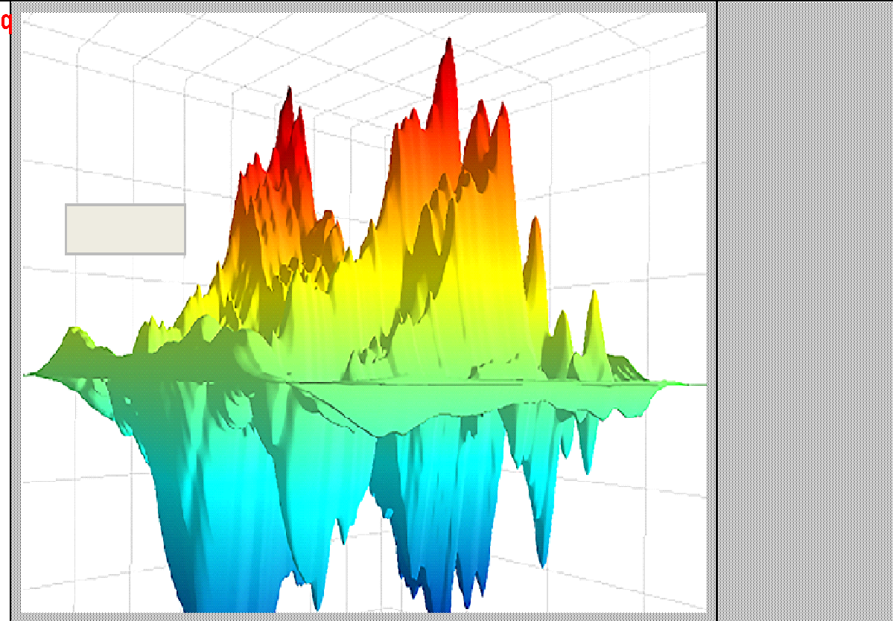

 | PRE-114 |  |  |  |  | 114 |  |  |  |  | 114

 | PRE-115 |  |  |  |  | 115 |  |  |  |  | 115

 | PRE-116 |  |  |  |  | 116 |  |  |  |  | 116

* | PRE-117 |  |  |  |  | E |  |  |  |  | 117

 | PRE-118 |  |  |  |  | 118 |  |  |  |  | 118

* | PRE-119 |  |  |  |  | 119 |  |  |  |  | 119

* | PRE-120 |  |  |  |  | 120 |  |  |  |  | 120

* | PRE-121 |  |  |  |  | 121 |  |  |  |  | 121

* | PRE-122 |  |  |  |  | 122 |  |  |  |  | 122

* | PRE-123 |  |  |  |  | 123 |  |  |  |  | 123

* | PRE-124 |  |  |  |  | 124 |  |  |  |  | 124

* | PRE-125 |  |  |  |  | 125 |  |  |  |  | 125

* | PRE-126 |  |  |  |  | 126 |  |  |  |  | 126

2018 |  | 年 | 11 |  | 月 |  | 22 | 日 | 111 |  |  | 111 |  | 111 |  | 111 |  |  | 111 | 111 | 111

Picture1
D | E | Pic3

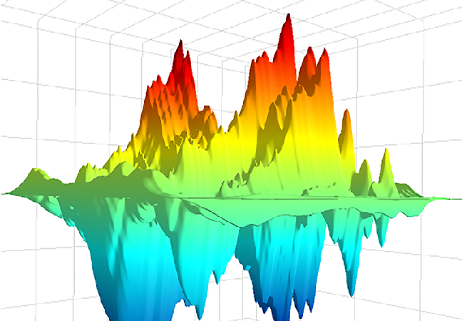

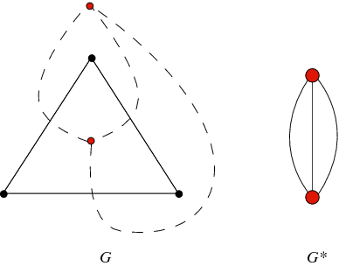

Pic4 | Pic5 | Pic6

Pic7 | Pic8 | Pic9

