Chap-1
Steps in EDA
 | 1. Problem Defination | Understand the problem
 | 2. Data Preparation | Arrange the data which we want and cleaning it.
 | 3. Data Analysis | Most crucial steps that deals with descriptive statistics and analysis of the data. ( Summarizing the data, finding the hidden correlation & relationships among data.
 | 4. Development & Representation of the results | Presenting the data to larger audience in the forms in graphs, summary tables, maps & correlation.

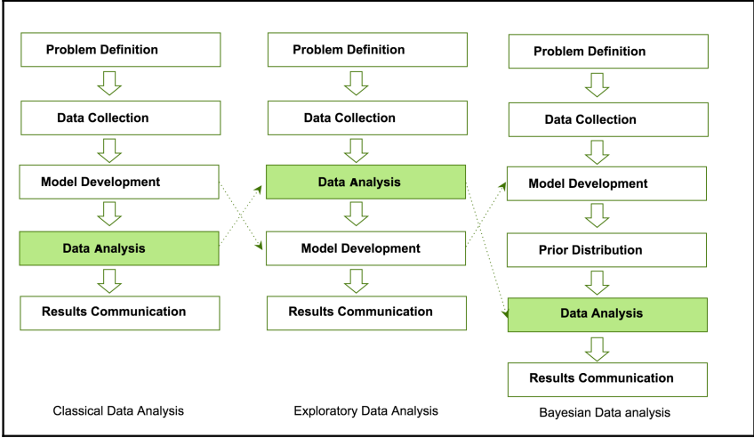

Data analysts and data scientists freely mix steps mentioned in the preceding approaches to get meaningful insights from the data.

Chap-2
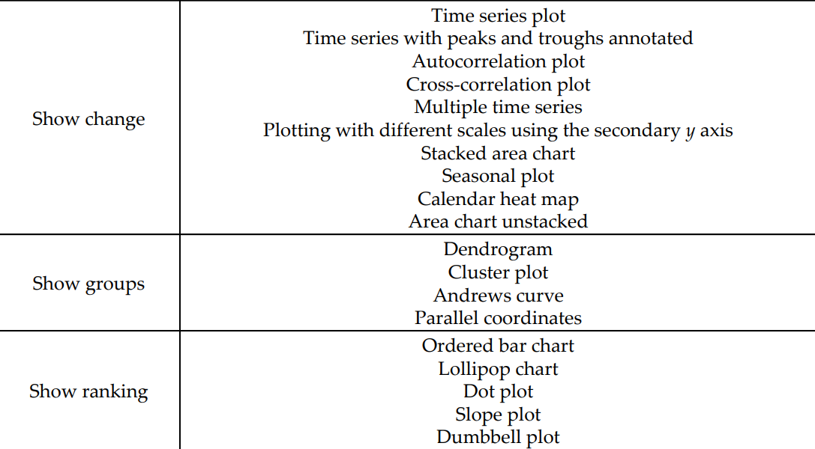
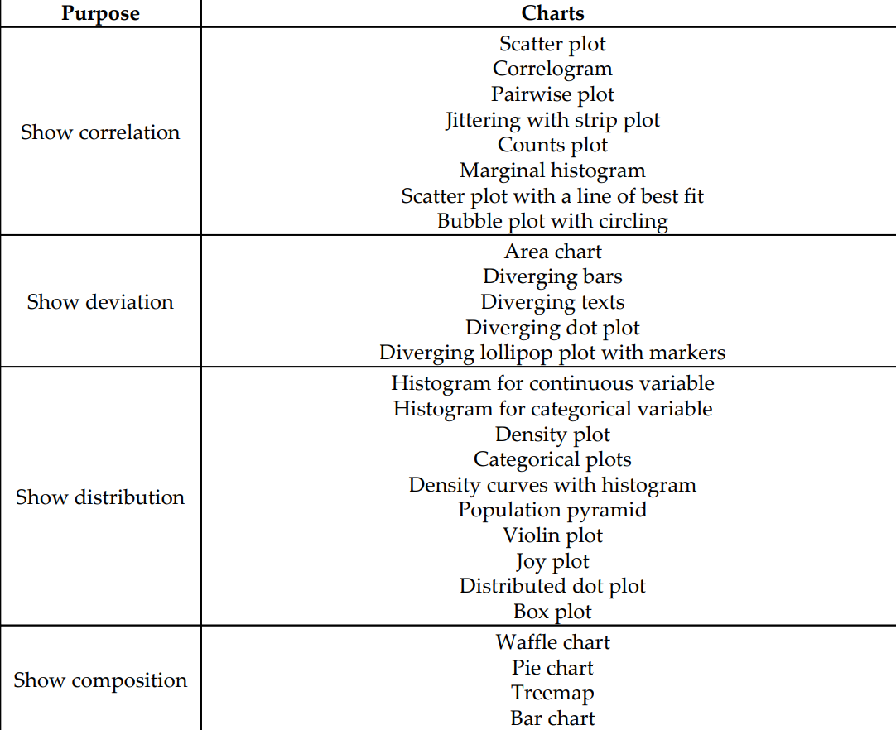
Name | Defination
Correlation | Correlation shows the strength of a relationship between two variables and is expressed numerically by the correlation coefficient
Deviation | deviation is a measure of difference between the observed value of a variable and some other value, often that variable's mean. The sign of the deviation reports the direction of that difference (the deviation is positive when the observed value exceeds the reference value).
Distribution | A distribution in statistics is a function that shows the possible values for a variable and how often they occur.
Composition | compositional data are quantitative descriptions of the parts of some whole, conveying relative information
Change | Time Series
Groups | Grouping the data
Ranking | Use bar charts to show data that are ranked, in either ascending or descending order. Horizontal bars should be used.

 | a

