statistics
Table 1
Table 1
Amount | count
under 10000 | 184
10000-15000 | 465
15001-20000 | 217
20001-25000 | 69
25001-30000 | 31
30001-35000 | 22
35001-40000 | 10
40001-45000 | 7
over 45001 | 10
total | 1015

စုစုေပါင္း အထည္ 1015 ထည္မွာ.. တန္ဖိုးေငြတစ္ေသာင္းေအာက္ အက်ီ ၤ184 ထည္ပါ၀င္ပါသည္။
စုစုေပါင္း အထည္ 1015 ထည္မွာ.. တန္ဖိုးေငြ10000-15000 ၾကား အက်ီ ၤ465 ထည္ပါ၀င္ေသာေၾကာင့္ စုစုေပါင္း 45.8% ျဖစ္ပါသည္။
Table 2
Table 2
Amount | count
under 10000 | 184
10000-20000 | 682
20001-30000 | 100
30001-40000 | 32
over 40001 | 20
total | 1015

စုစုေပါင္း အထည္ 1015 ထည္မွာ.. တန္ဖိုးေငြတစ္ေသာင္းေအာက္ အက်ီ ၤ184 ထည္ပါ၀င္ပါသည္။
စုစုေပါင္း အထည္ 1015 ထည္မွာ.. တန္ဖိုးေငြ10000-20000 ၾကား အက်ီ ၤ682 ထည္ပါ၀င္ေသာေၾကာင့္ စုစုေပါင္း 67.2% ျဖစ္ပါသည္။
တန္ဖိုးေငြ 10000-20000ၾကား အထည္၆၈၂ထည္တြင္ ခန္ ့မွန္း၂၆၉ (39.4%) ထည္မွာ Dress short အမ်ိဳးအစားျဖစ္သည္။
Table 3
Table 3
Number of Like | Count
under 100 | 786
100-200 | 144
201-300 | 59
300-400 | 13
over 400 | 13
Total | 1015

စုစုေပါင္း အထည္ 1015 ထည္မွာ.. Like 100ေအာက္ အက်ီ ၤ၇၈၆ ထည္ (77.4%)ပါ၀င္ပါသည္။

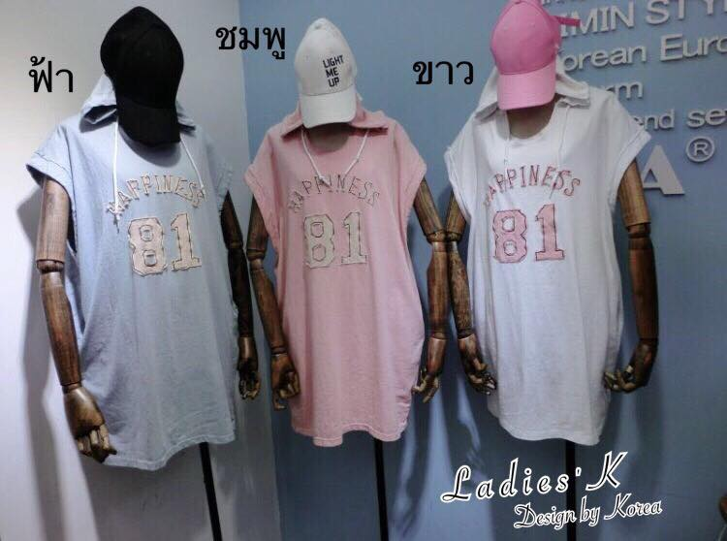
Like အမ်ားဆံုးရထားသည့္ အက်ီ ၤမွာ Like 509 ခုျဖင့္ Bangkok Glogry Online shop မွ ၁၄၀၀၀တန္ Dress short လက္ျပတ္ အမ်ိဳးအစားျဖစ္သည္။
 |  | Page Like 34434 ရွိသည္။
 |  | Design တစ္မ်ိဳးတည္းကို ပိုစ့္တစ္ခုတင္ထားသည္။

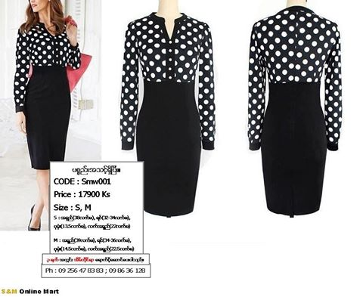
ဒုတိယ Like အမ်ားဆံုးရထားသည့္ အက်ီ ၤမွာ Like 381 ျဖင့္ S&M မွ 17900 တန္ Dress Short လက္ရွည္ အမ်ိဳးအစားျဖစ္သည္။
 |  | Page Like 275267 ရွိသည္။
 |  | Design မ်ိဳးစံုေပါင္း၍ ပိုစ့္တစ္ခုတင္ထားသည္။

