US_cal
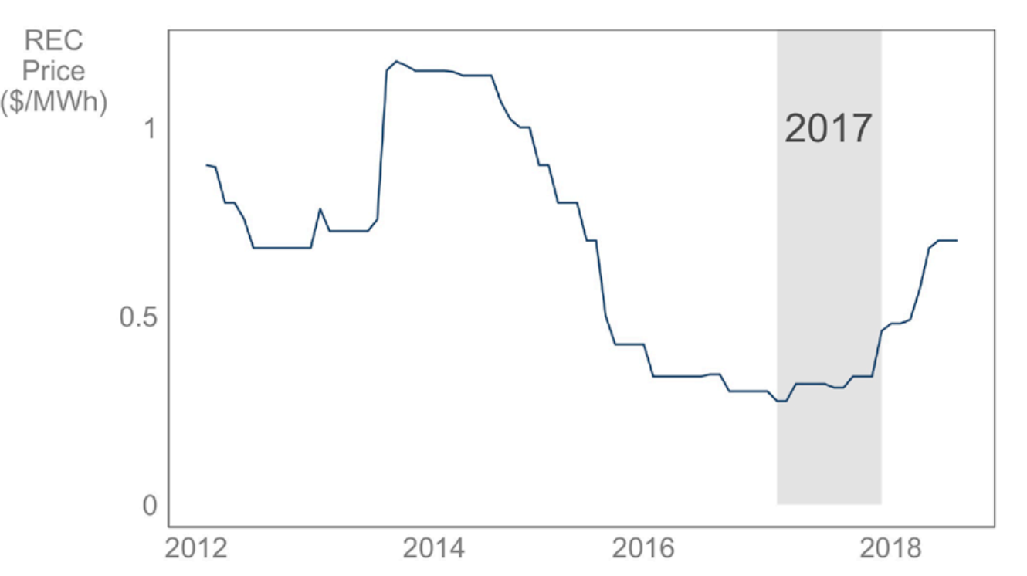
year | rate | price | year/month | price | year/month | price | year/month | price | year/month | price
2012 | 0.62416666667 | 0.749 | Mar-12 | 0.9 | Jan-14 | 1.17 | Jan-16 | 0.37 | Jan-18 | 0.49
2013 | 1.1415220294 | 0.855 | Apr-12 | 0.85 | Feb-14 | 1.17 | Feb-16 | 0.37 | Feb-18 | 0.5
2014 | 1.2504873294 | 1.0691666667 | May-12 | 0.8 | Mar-14 | 1.16 | Mar-16 | 0.37 | Mar-18 | 0.5
2015 | 0.50974279034 | 0.545 | Jun-12 | 0.78 | Apr-14 | 1.15 | Apr-16 | 0.38 | Apr-18 | 0.51
2016 | 0.62691131498 | 0.34166666667 | Jul-12 | 0.71 | May-14 | 1.15 | May-16 | 0.38 | May-18 | 0.55
2017 | 1.0463414634 | 0.3575 | Aug-12 | 0.69 | Jun-14 | 1.15 | Jun-16 | 0.32 | Jun-18 | 0.68
2018 | 1.6839160839 | 0.602 | Sep-12 | 0.69 | Jul-14 | 1.07 | Jul-16 | 0.32 | Jul-18 | 0.69
 |  |  | Oct-12 | 0.69 | Aug-14 | 1.01 | Aug-16 | 0.32 | Aug-18 | 0.7
 |  | 6.60MWh | Nov-12 | 0.69 | Sep-14 | 1 | Sep-16 | 0.32 | Sep-18 | 0.7
 |  |  | Dec-12 | 0.69 | Oct-14 | 1 | Oct-16 | 0.32 | Oct-18 | 0.7
 |  |  | Jan-13 | 0.61 | Nov-14 | 0.9 | Nov-16 | 0.32
 |  |  | Feb-13 | 0.63 | Dec-14 | 0.9 | Dec-16 | 0.31
 |  |  | Mar-13 | 0.62 | Jan-15 | 0.8 | Jan-17 | 0.31
 |  |  | Apr-13 | 0.62 | Feb-15 | 0.8 | Feb-17 | 0.35
 |  |  | May-13 | 0.62 | Mar-15 | 0.75 | Mar-17 | 0.35
 |  |  | Jun-13 | 0.62 | Apr-15 | 0.7 | Apr-17 | 0.35
 |  |  | Jul-13 | 0.65 | May-15 | 0.55 | May-17 | 0.35
 |  |  | Aug-13 | 1.18 | Jun-15 | 0.45 | Jun-17 | 0.34
 |  |  | Sep-13 | 1.19 | Jul-15 | 0.45 | Jul-17 | 0.34
 |  |  | Oct-13 | 1.18 | Aug-15 | 0.45 | Aug-17 | 0.35
 |  |  | Nov-13 | 1.17 | Sep-15 | 0.45 | Sep-17 | 0.37
 |  |  | Dec-13 | 1.17 | Oct-15 | 0.4 | Oct-17 | 0.37
 |  |  |  |  | Nov-15 | 0.37 | Nov-17 | 0.37
 |  |  |  |  | Dec-15 | 0.37 | Dec-17 | 0.44

