ynm_gumbel_0_1
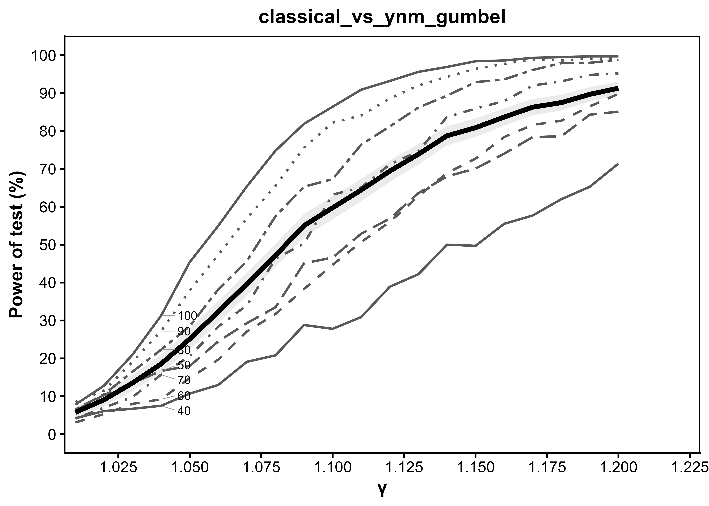
Generated: 2026-09-27 12:30:09.540677

gamma | T_40 | T_50 | T_60 | T_70 | T_80 | T_90 | T_100 | average | se_average | average_LCL | average_UCL
1.01 | 4.2 | 6.2 | 3.1 | 4.1 | 6.5 | 8.5 | 7.8 | 5.7714285714 | 0.73745065556 | 4.3260252865 | 7.2168318563
1.02 | 6.1 | 10.3 | 5.3 | 7 | 10.5 | 11.5 | 12.8 | 9.0714285714 | 0.90821365373 | 7.2913298101 | 10.851527333
1.03 | 6.7 | 13.5 | 8 | 9.8 | 16.5 | 19.1 | 21 | 13.514285714 | 1.0811071423 | 11.395315715 | 15.633255713
1.04 | 7.5 | 16.7 | 9.2 | 15.7 | 22.3 | 27.2 | 31.3 | 18.557142857 | 1.2293684292 | 16.147580736 | 20.966704978
1.05 | 10.7 | 18 | 14.8 | 20.6 | 28.5 | 37.9 | 45.4 | 25.128571429 | 1.3716457417 | 22.440145775 | 27.816997082
1.06 | 13 | 24.5 | 19.7 | 28.4 | 38.2 | 47.3 | 55 | 32.3 | 1.4787528529 | 29.401644408 | 35.198355592
1.07 | 19.1 | 29.3 | 27.1 | 34 | 45.7 | 57 | 65.4 | 39.657142857 | 1.5469406279 | 36.625139227 | 42.689146488
1.08 | 20.8 | 33.5 | 31.7 | 46.3 | 57.5 | 65.5 | 74.8 | 47.157142857 | 1.5785810601 | 44.063123979 | 50.251161735
1.09 | 28.8 | 45.1 | 38.3 | 50.3 | 65.3 | 75.6 | 81.9 | 55.042857143 | 1.5730764736 | 51.959627255 | 58.126087031
1.1 | 27.8 | 46.6 | 44.7 | 63.2 | 67.3 | 82.2 | 86.4 | 59.742857143 | 1.550830982 | 56.703228418 | 62.782485868
1.11 | 30.9 | 52.9 | 50.7 | 65.1 | 76.4 | 84.1 | 90.9 | 64.428571429 | 1.5138746073 | 61.461377198 | 67.395765659
1.12 | 38.9 | 56.9 | 56 | 71.2 | 81.2 | 88.6 | 93.2 | 69.428571429 | 1.4568907345 | 66.573065589 | 72.284077268
1.13 | 42.2 | 63.6 | 62.8 | 74.6 | 86.2 | 92 | 95.6 | 73.857142857 | 1.3895455137 | 71.13363365 | 76.580652064
1.14 | 50 | 68 | 68.9 | 83.7 | 89.3 | 94.3 | 96.9 | 78.728571429 | 1.2940900987 | 76.192154835 | 81.264988022
1.15 | 49.7 | 70.1 | 72.7 | 85.9 | 92.9 | 96.4 | 98.4 | 80.871428571 | 1.2437664162 | 78.433646396 | 83.309210747
1.16 | 55.5 | 74 | 78.4 | 87.9 | 93.6 | 97.7 | 98.6 | 83.671428571 | 1.1688605126 | 81.380461967 | 85.962395176
1.17 | 57.7 | 78.4 | 81.6 | 92 | 96.1 | 98.9 | 99.3 | 86.285714286 | 1.0878175117 | 84.153591963 | 88.417836609
1.18 | 62 | 78.6 | 82.7 | 93.1 | 97.9 | 98.6 | 99.5 | 87.485714286 | 1.0463370511 | 85.434893666 | 89.536534906
1.19 | 65.3 | 84.3 | 86.5 | 94.8 | 98 | 99.1 | 99.7 | 89.671428571 | 0.96238129403 | 87.785161235 | 91.557695908
1.2 | 71.4 | 85.1 | 89.8 | 95.2 | 98.8 | 99.1 | 99.7 | 91.3 | 0.89124070823 | 89.553168212 | 93.046831788

ldm_frechet_5_5
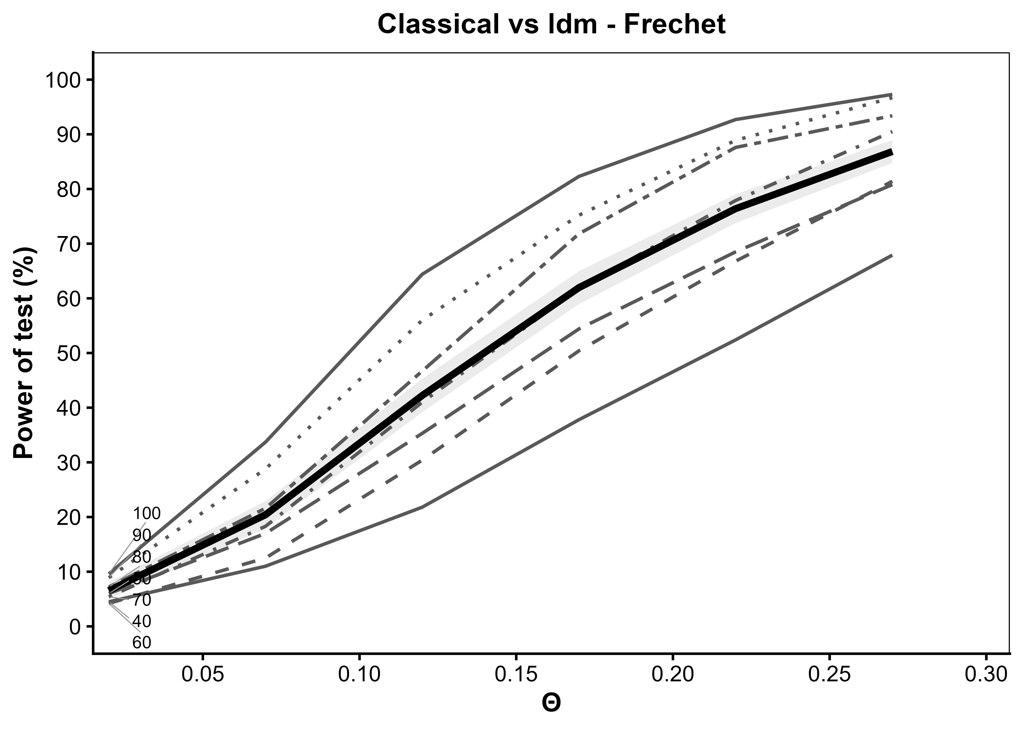
Generated: 2026-09-27 13:24:15.201487

theta | T_40 | T_50 | T_60 | T_70 | T_80 | T_90 | T_100 | average | se_average | average_LCL | average_UCL
0.02 | 4.5 | 6 | 4.2 | 5.4 | 7.2 | 8.9 | 9.6 | 6.5428571429 | 0.78196977863 | 5.0101963767 | 8.075517909
0.07 | 11 | 17 | 12.5 | 18.3 | 21.6 | 28.8 | 33.7 | 20.414285714 | 1.2746315194 | 17.916007936 | 22.912563492
0.12 | 21.8 | 35.3 | 30.4 | 41 | 46.7 | 56 | 64.4 | 42.228571429 | 1.561923461 | 39.167201445 | 45.289941412
0.17 | 37.8 | 54.4 | 50.4 | 61.8 | 71.8 | 75.2 | 82.3 | 61.957142857 | 1.5352611292 | 58.948031044 | 64.96625467
0.22 | 52.4 | 68.5 | 66.8 | 77.9 | 87.6 | 88.9 | 92.7 | 76.4 | 1.3427732497 | 73.768164431 | 79.031835569
0.27 | 67.9 | 80.8 | 81.4 | 90.5 | 93.4 | 96.7 | 97.3 | 86.857142857 | 1.0684339102 | 84.763012393 | 88.951273321

dtrw_cauchy_0_1
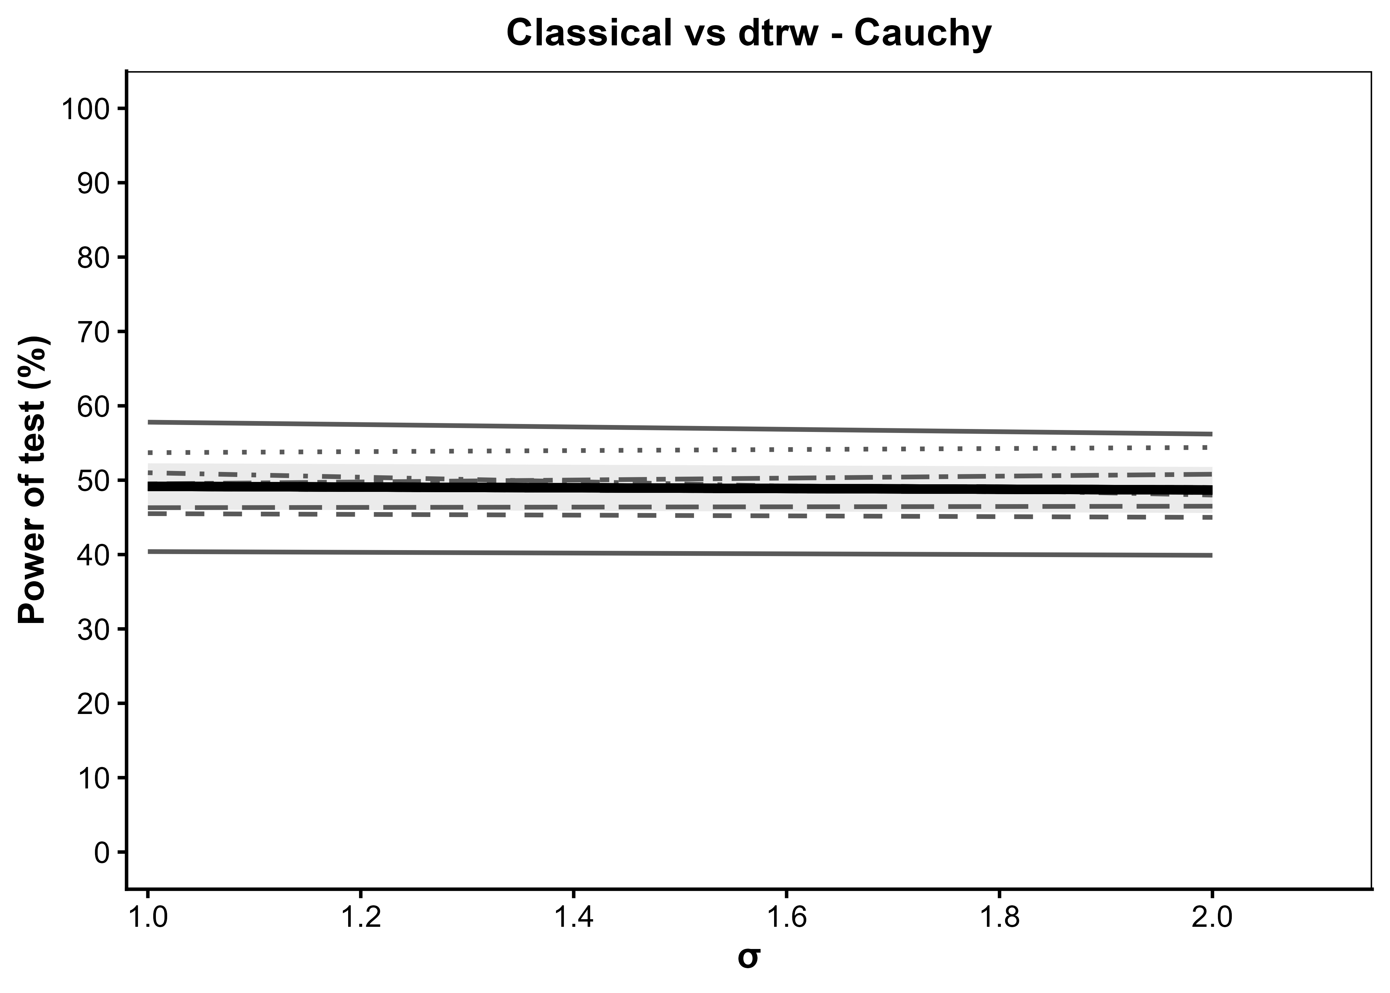
Generated: 2026-09-27 13:25:12.852641

scale | T_40 | T_50 | T_60 | T_70 | T_80 | T_90 | T_100 | average | se_average | average_LCL | average_UCL
1 | 40.4 | 46.3 | 45.5 | 51 | 49.5 | 53.7 | 57.8 | 49.171428571 | 1.5809217151 | 46.07282201 | 52.270035133
2 | 39.9 | 46.5 | 45 | 48 | 50.8 | 54.4 | 56.2 | 48.685714286 | 1.5805925006 | 45.587752984 | 51.783675587

detection
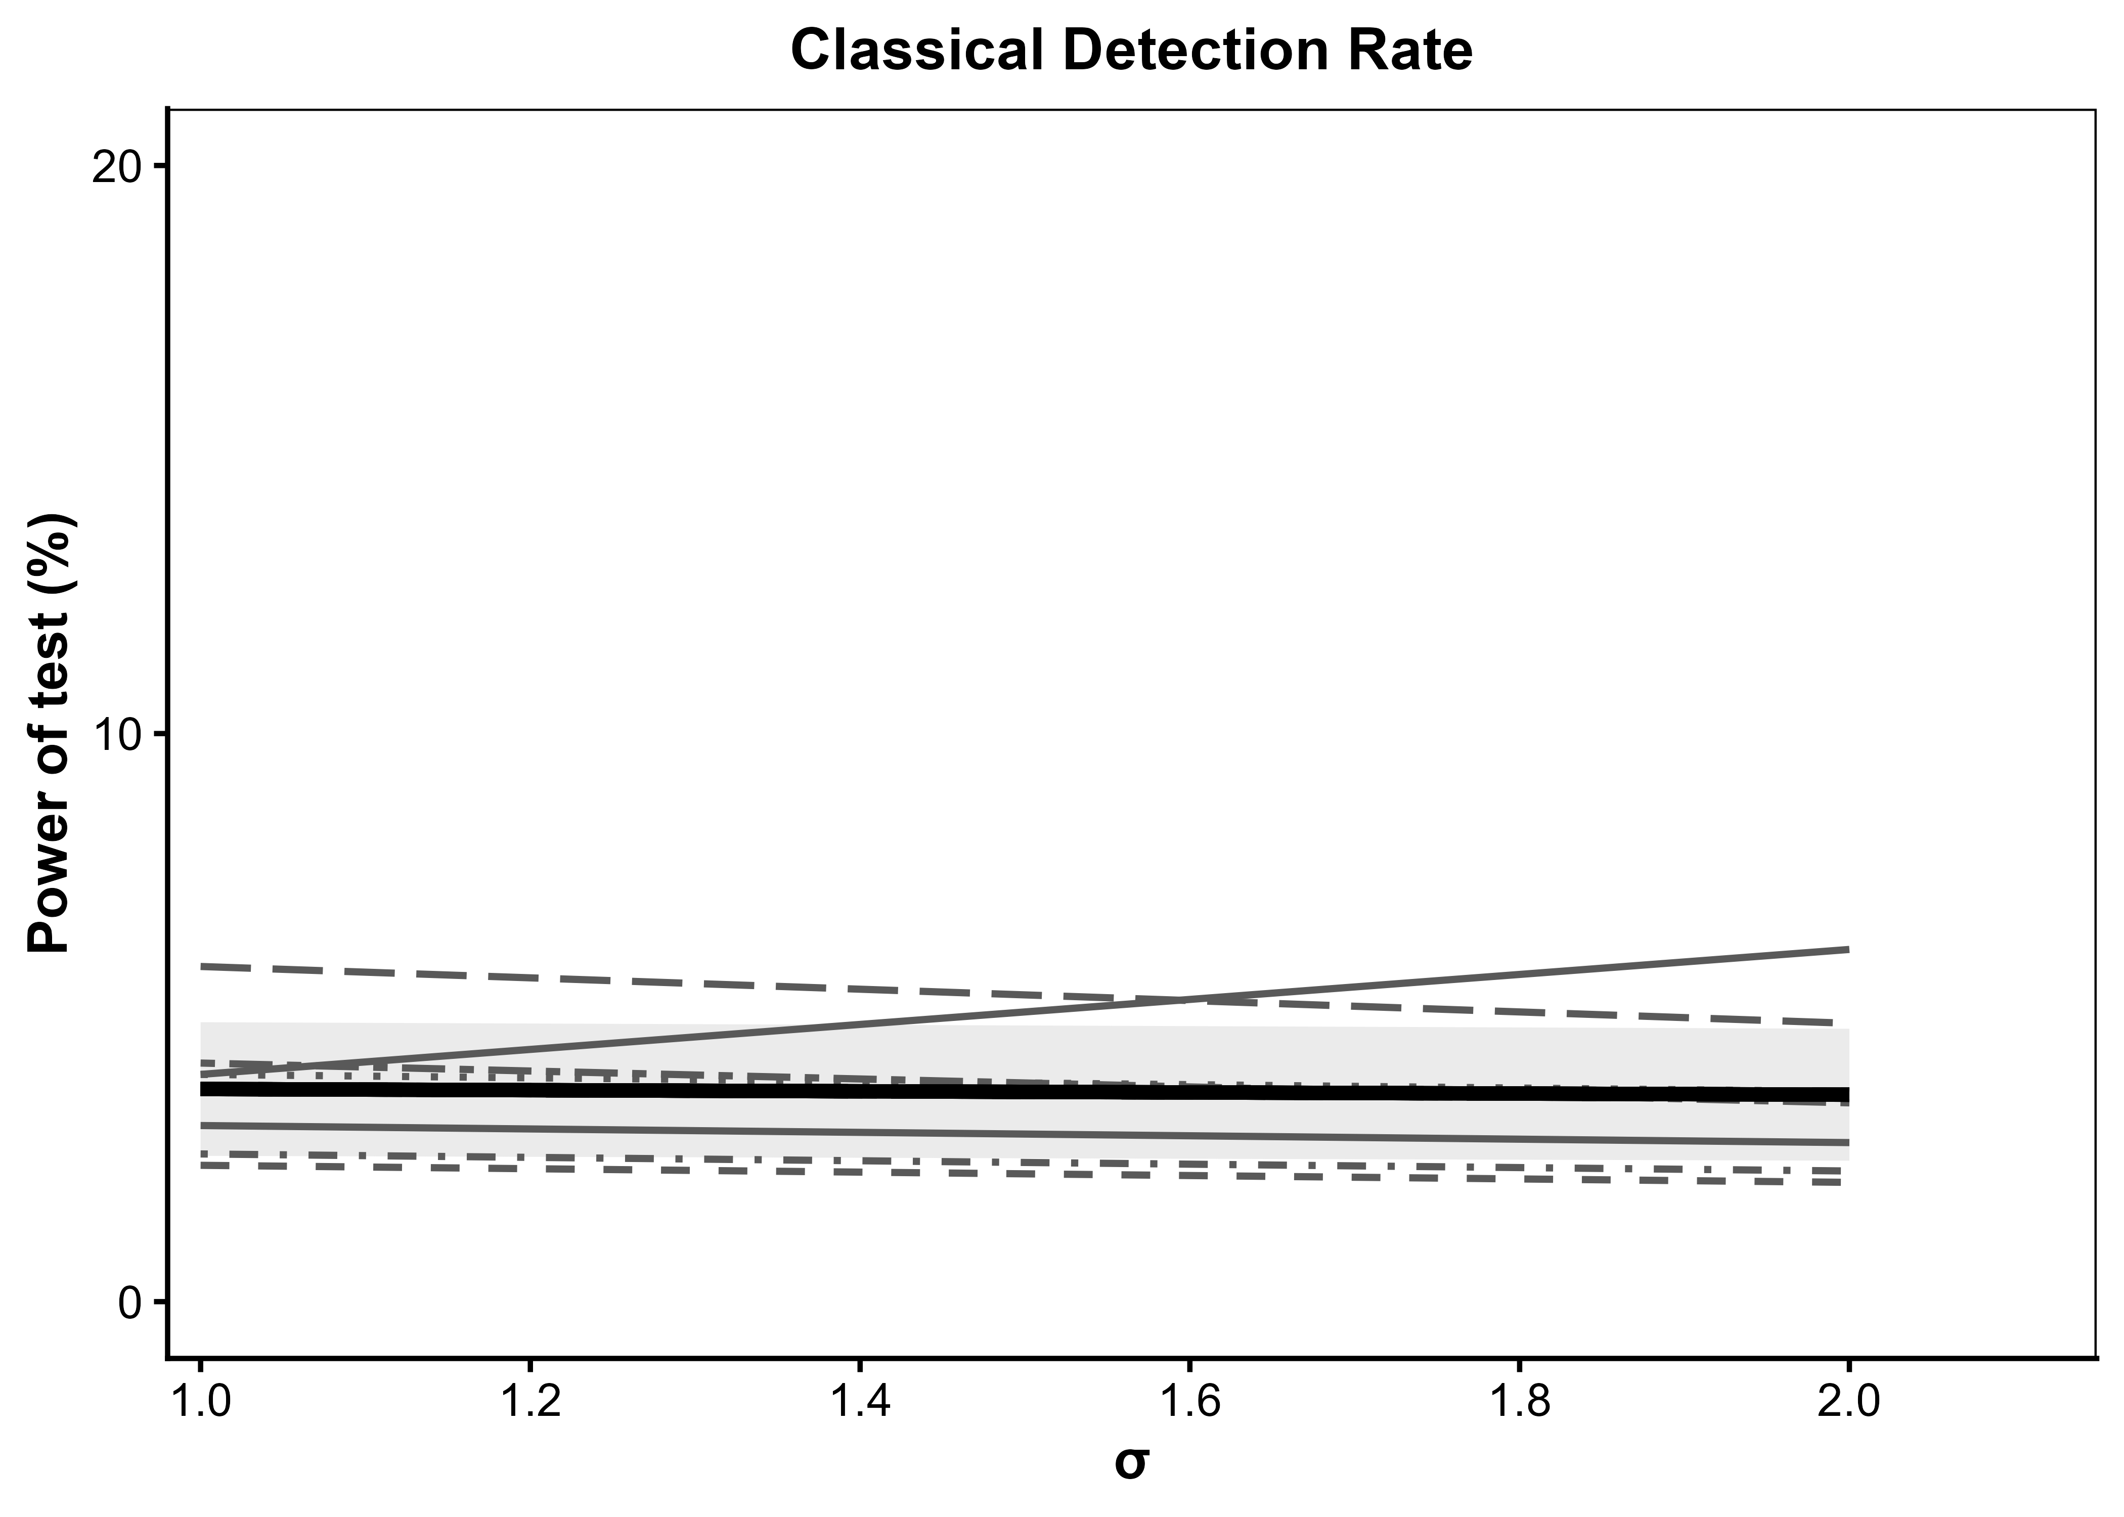
Generated: 2026-09-27 13:26:49.492241

sd | T_40 | T_50 | T_60 | T_70 | T_80 | T_90 | T_100 | average | se_average | average_LCL | average_UCL
1 | 3.1 | 5.9 | 2.4 | 2.6 | 4.2 | 4 | 4 | 3.7428571429 | 0.60023056794 | 2.5664052297 | 4.919309056
2 | 2.8 | 4.9 | 2.1 | 2.3 | 3.5 | 3.7 | 6.2 | 3.6428571429 | 0.5924654472 | 2.4816248664 | 4.8040894194

