summary_NT_record
Param_N_T | T_value | Theo_shape | Theo_scale | Emp_shape | Emp_scale | Param_shape | Param_scale | LogL | # cases | Pr(NT)
3 | 112.68958544 | 0.74270211979 | 0.57373904248 | 0.92200435498 | 0.59240411382 | 2.7232449731 | 1.6150610728 | -12.258140999 | 1978 | 12%
4 | 117.54858507 | 0.58044647449 | 0.37159831576 | 1.5001444698 | 0.81509618199 | 2.4448850738 | 1.2716705869 | -16.229689011 | 2933 | 18%
5 | 121.54044013 | 1.3155429955 | 0.81822936324 | 0.6828344835 | 0.34183636837 | 2.2894746129 | 1.1462538442 | -19.766891446 | 3499 | 22%
6 | 127.25669497 | 1.0690688879 | 0.5831178659 | 1.3315636538 | 0.81990565245 | 2.2852709896 | 1.0683700992 | -23.100044413 | 3062 | 19%
7 | 131.85533114 | 0.36626526195 | 0.17701400661 | 0.60202829921 | 0.27657331888 | 2.245696463 | 1.0352396794 | -26.421745041 | 2129 | 13%
8 | 137.13843774 | 0.65460718375 | 0.37615381647 | 0.3973430737 | 0.15521215667 | 2.2712368529 | 1.0074052256 | -29.49012191 | 1293 | 8%
9 | 139.84949833 | 0.38156682405 | 0.18266630969 | 0.50264794551 | 0.22738165082 | 2.2391814815 | 0.98181202373 | -32.373969712 | 598 | 4%
10 | 148.18481848 | 0.32837447648 | 0.15360040329 | 0.43643762789 | 0.19980656683 | 2.2008638627 | 0.97930561657 | -36.131087744 | 303 | 2%
11 | 147.94117647 | 0.27180378334 | 0.11576682519 | 0.42421480437 | 0.15959945037 | 2.2665057923 | 0.94980365876 | -38.860060754 | 136 | 1%
12 | 151.62790698 | 0.24800014156 | 0.099141562952 | 0.3551301984 | 0.12873814485 | 2.1970602936 | 0.97835577948 | -41.203409146 | 43 | 0%
13 | 160.5 | 0.18946563831 | 0.071038460109 | 0.21298873994 | 0.091009186682 | 2.0691778896 | 0.96559069915 | -44.94311007 | 20 | 0%
14 | 195 | 0.13292625167 | 0.055765266978 | 0.067231026005 | 0.034409607439 | 1.9237216647 | 0.95488244721 | -55.152946298 | 2 | 0%
15 | 133.33333333 | 0.10258670088 | 0.029008044513 | 0.11181991405 | 0.027600746701 | 2.3382505627 | 0.91917078091 | -43.555451415 | 3 | 0%
16 | 190 | 0.10498929507 | 0.038934843177 | 0.1392368303 | 0.027999545948 | 2.1737475307 | 0.88889704099 | -49.210289248 | 1 | 0%

Bias vs. gamma
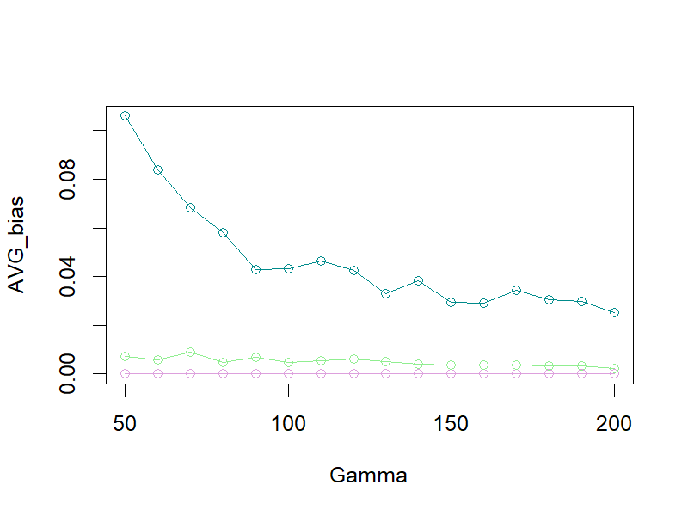

Cov vs. gamma
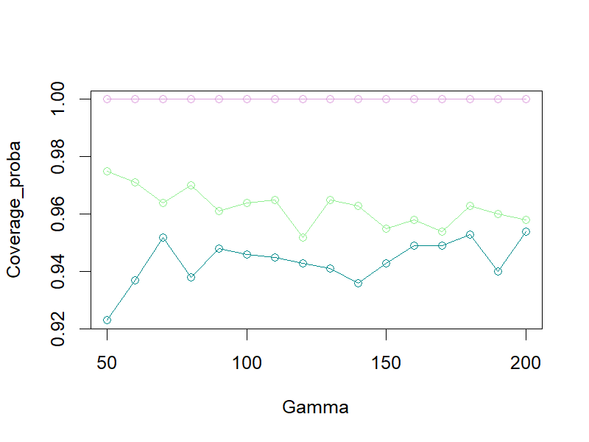

Var vs. gamma
