ynm_gumbel_0_1
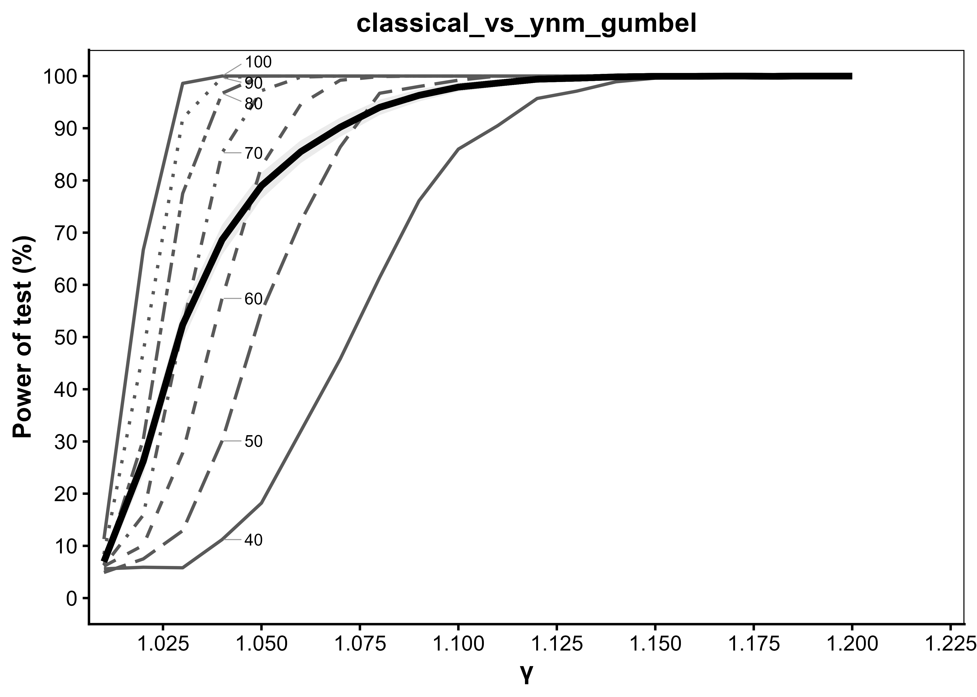
Generated: 2026-09-27 11:33:44.939736

gamma | T_40 | T_50 | T_60 | T_70 | T_80 | T_90 | T_100 | average | se_average | average_LCL | average_UCL
1.01 | 5.6 | 4.9 | 6.1 | 6.2 | 6.3 | 8.4 | 11.3 | 6.9714285714 | 0.80532107933 | 5.3929992559 | 8.5498578869
1.02 | 5.9 | 7.5 | 10.1 | 15.9 | 30.4 | 47.2 | 66.7 | 26.242857143 | 1.3912577631 | 23.515991927 | 28.969722358
1.03 | 5.8 | 12.9 | 27.8 | 52 | 77.5 | 91.9 | 98.6 | 52.357142857 | 1.5793808526 | 49.261556386 | 55.452729328
1.04 | 11.2 | 30.1 | 57.4 | 85.3 | 96.7 | 99.7 | 100 | 68.628571429 | 1.4673023978 | 65.752658729 | 71.504484128
1.05 | 18.2 | 54.8 | 82.7 | 97.2 | 100 | 100 | 100 | 78.985714286 | 1.2883432646 | 76.460561487 | 81.510867084
1.06 | 32 | 72.2 | 94.6 | 99.8 | 100 | 100 | 100 | 85.514285714 | 1.1129849551 | 83.332835202 | 87.695736226
1.07 | 45.8 | 86.4 | 99.2 | 100 | 100 | 100 | 100 | 90.2 | 0.94019146986 | 88.357224719 | 92.042775281
1.08 | 61.4 | 96.7 | 99.9 | 100 | 100 | 100 | 100 | 94 | 0.75099933422 | 92.528041305 | 95.471958695
1.09 | 76.1 | 98 | 100 | 100 | 100 | 100 | 100 | 96.3 | 0.59691707967 | 95.130042524 | 97.469957476
1.1 | 86 | 99.2 | 100 | 100 | 100 | 100 | 100 | 97.885714286 | 0.45492677141 | 96.994057814 | 98.777370758
1.11 | 90.5 | 100 | 100 | 100 | 100 | 100 | 100 | 98.642857143 | 0.36588584146 | 97.925720894 | 99.359993392
1.12 | 95.7 | 100 | 100 | 100 | 100 | 100 | 100 | 99.385714286 | 0.24708545989 | 98.901426784 | 99.870001787
1.13 | 97.1 | 100 | 100 | 100 | 100 | 100 | 100 | 99.585714286 | 0.20311804148 | 99.187602924 | 99.983825647
1.14 | 98.9 | 100 | 100 | 100 | 100 | 100 | 100 | 99.842857143 | 0.12525810088 | 99.597351265 | 100
1.15 | 99.6 | 100 | 100 | 100 | 100 | 100 | 100 | 99.942857143 | 0.075571293546 | 99.794737408 | 100
1.16 | 99.7 | 100 | 100 | 100 | 100 | 100 | 100 | 99.957142857 | 0.065451337275 | 99.828858236 | 100
1.17 | 99.9 | 100 | 100 | 100 | 100 | 100 | 100 | 99.985714286 | 0.037793747458 | 99.911638541 | 100
1.18 | 99.7 | 100 | 100 | 100 | 100 | 100 | 100 | 99.957142857 | 0.065451337275 | 99.828858236 | 100
1.19 | 100 | 100 | 100 | 100 | 100 | 100 | 100 | 100 | 0 | 100 | 100
1.2 | 100 | 100 | 100 | 100 | 100 | 100 | 100 | 100 | 0 | 100 | 100

ldm_frechet_5_5
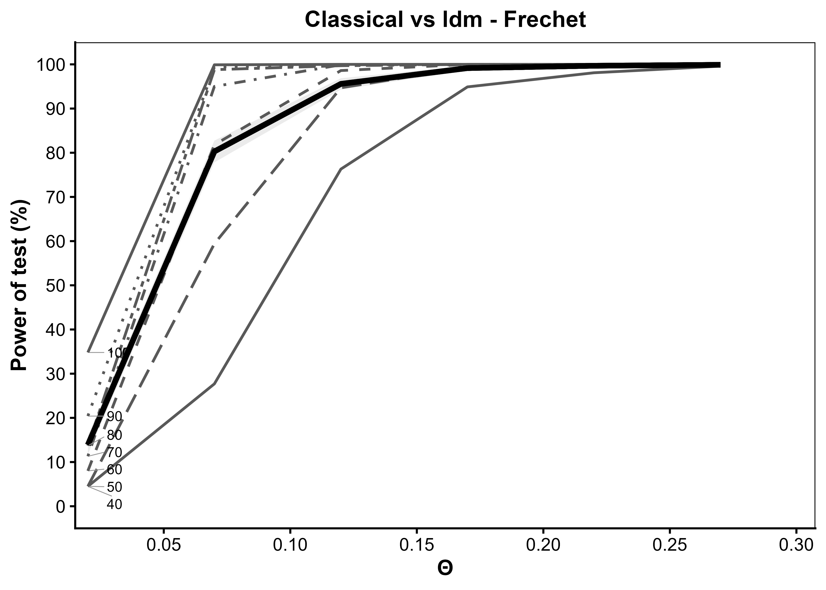
Generated: 2026-09-27 11:38:34.553858

theta | T_40 | T_50 | T_60 | T_70 | T_80 | T_90 | T_100 | average | se_average | average_LCL | average_UCL
0.02 | 4.5 | 4.5 | 8 | 11.3 | 13.7 | 20.4 | 34.8 | 13.885714286 | 1.0935073696 | 11.742439841 | 16.02898873
0.07 | 27.7 | 59.4 | 81.8 | 95 | 98.8 | 99.4 | 99.9 | 80.285714286 | 1.2580840633 | 77.819869522 | 82.75155905
0.12 | 76.3 | 94.7 | 98.6 | 99.9 | 99.7 | 99.9 | 100 | 95.585714286 | 0.6495711301 | 94.312554871 | 96.858873701
0.17 | 94.9 | 99.3 | 100 | 100 | 100 | 99.9 | 100 | 99.157142857 | 0.28909393996 | 98.590518735 | 99.723766979
0.22 | 98.1 | 99.7 | 100 | 100 | 100 | 100 | 100 | 99.685714286 | 0.17700224834 | 99.338789879 | 100
0.27 | 99.6 | 99.8 | 99.9 | 100 | 100 | 100 | 100 | 99.9 | 0.099949987494 | 99.704098025 | 100

dtrw_cauchy_0_1
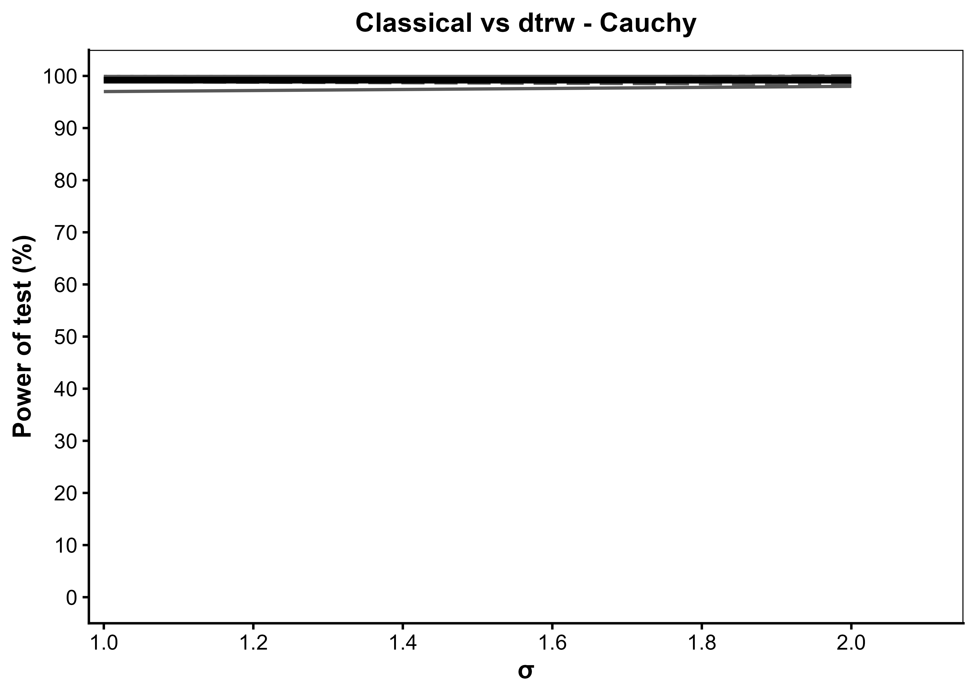
Generated: 2026-09-27 11:40:30.394464

scale | T_40 | T_50 | T_60 | T_70 | T_80 | T_90 | T_100 | average | se_average | average_LCL | average_UCL
1 | 97 | 98.9 | 99.4 | 99.8 | 99.5 | 99.9 | 99.9 | 99.2 | 0.28170906979 | 98.647850223 | 99.752149777
2 | 98 | 98.4 | 98.9 | 99.4 | 100 | 99.8 | 99.9 | 99.2 | 0.28170906979 | 98.647850223 | 99.752149777

detection
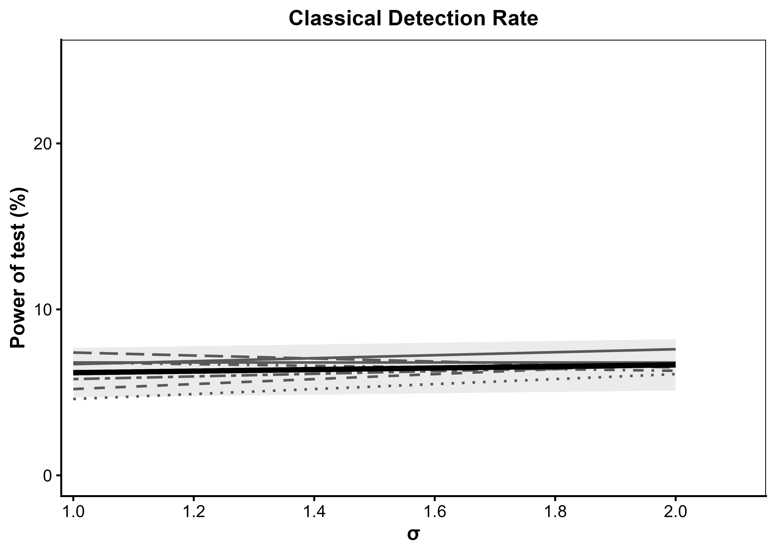
Generated: 2026-09-27 12:07:10.730713

sd | T_40 | T_50 | T_60 | T_70 | T_80 | T_90 | T_100 | average | se_average | average_LCL | average_UCL
1 | 6.7 | 7.4 | 5.2 | 6.8 | 5.8 | 4.6 | 6.8 | 6.1857142857 | 0.76177973677 | 4.6926260017 | 7.6788025698
2 | 7.6 | 6.5 | 6.7 | 6.3 | 6.6 | 6.1 | 6.8 | 6.6571428571 | 0.78828721586 | 5.1120999141 | 8.2021858002

