ynm_norm_0_1
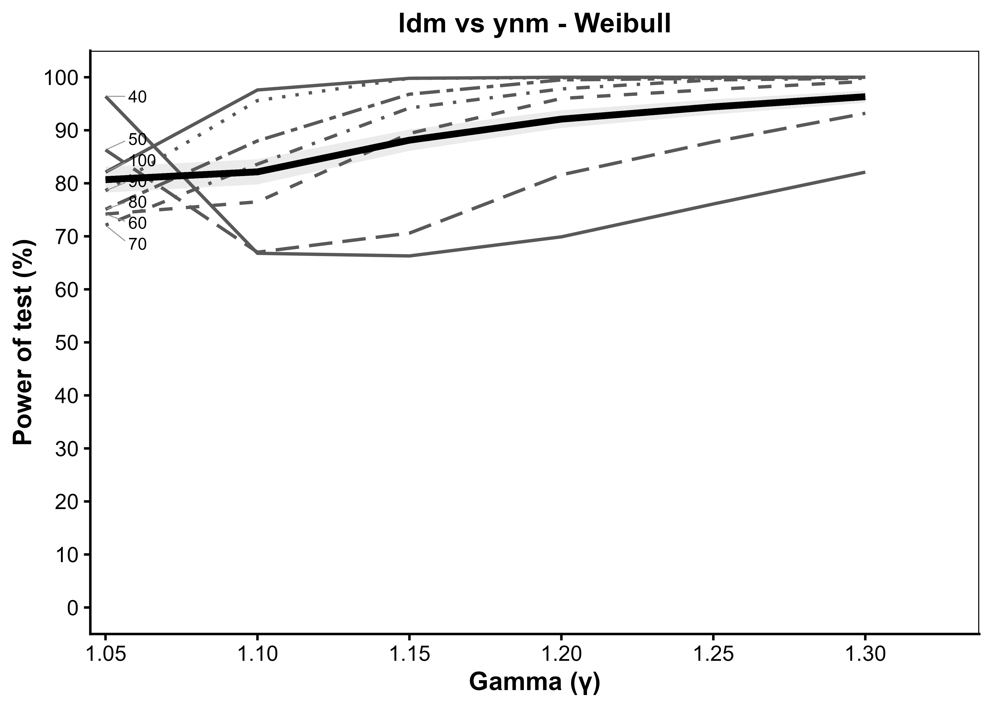
Generated: 2026-09-27 13:40:27.176451

gamma | T_40 | T_50 | T_60 | T_70 | T_80 | T_90 | T_100 | average | se_average | average_LCL | average_UCL
1.05 | 96.4 | 86.3 | 74.2 | 72.1 | 75.1 | 78.6 | 82.1 | 80.685714286 | 1.2483536914 | 78.238941051 | 83.132487521
1.1 | 66.8 | 67 | 76.5 | 83.6 | 88 | 95.6 | 97.6 | 82.157142857 | 1.210751074 | 79.784070752 | 84.530214962
1.15 | 66.3 | 70.6 | 89.4 | 94.2 | 96.8 | 99.8 | 99.8 | 88.128571429 | 1.0228450718 | 86.123795088 | 90.133347769
1.2 | 69.9 | 81.6 | 96 | 97.8 | 99.5 | 99.9 | 100 | 92.1 | 0.85298886276 | 90.428141829 | 93.771858171
1.25 | 76.1 | 87.8 | 97.7 | 99.5 | 99.8 | 100 | 100 | 94.414285714 | 0.72620329419 | 92.990927258 | 95.837644171
1.3 | 82.1 | 93.2 | 99.2 | 99.8 | 100 | 100 | 100 | 96.328571429 | 0.59469611516 | 95.162967043 | 97.494175814

iid_norm_0
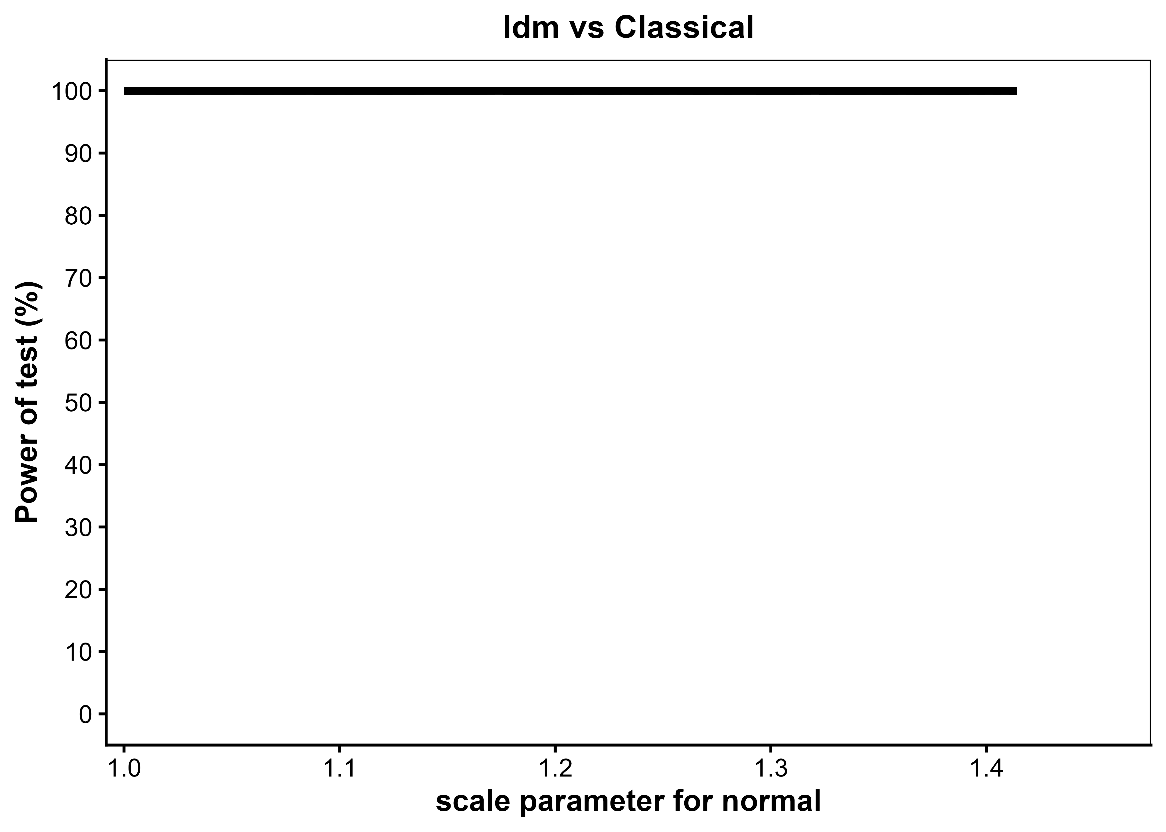
Generated: 2026-09-27 13:44:40.911237

sd | T_40 | T_50 | T_60 | T_70 | T_80 | T_90 | T_100 | average | se_average | average_LCL | average_UCL
1 | 100 | 100 | 100 | 100 | 100 | 100 | 100 | 100 | 0 | 100 | 100
1.4142135624 | 100 | 100 | 100 | 100 | 100 | 100 | 100 | 100 | 0 | 100 | 100

dtrw_cauchy_0
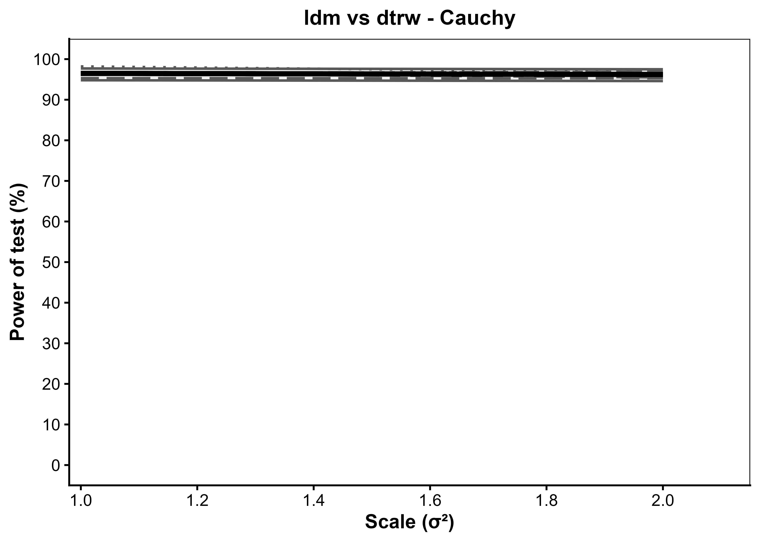
Generated: 2026-09-27 13:46:25.654423

scale | T_40 | T_50 | T_60 | T_70 | T_80 | T_90 | T_100 | average | se_average | average_LCL | average_UCL
1 | 94.8 | 95.3 | 96.5 | 96.4 | 96.5 | 98.2 | 97.7 | 96.485714286 | 0.58230435972 | 95.344397741 | 97.627030831
2 | 94.6 | 95.3 | 95.5 | 96.9 | 96.9 | 96.8 | 97.5 | 96.214285714 | 0.60352282137 | 95.031380984 | 97.397190444

