갑
REPORT OF ALLOY VERIFICATION TEST
합 금 분 석 시 험 보 고 서
 |  |  |  |  |  |  | Page 1 of 21

 |  |  |  |  |  | 주문주 Customer | LG-Eni BioRefining Co., Ltd.

 |  | SEOUL INSPECTION & TESTING Co., Ltd. |  |  |  | 보고서 번호 Report No. | SIS/GI-MNS-PMI-TNTSAHYC001
 |  | 서울특별시 서초구 바우뫼로 41길 54 (용진빌딩)
 |  | TEL : (02) 552-1112 FAX : (02) 2058-0720
Project 공사명 |  | Project PROVIDENCE (K1) |  |  | Doc. No./ Dwg. No. |  | N/A
W/O No. 공사번호 |  |  |  |  | 계약 번호 / 도면 번호
Item Name / No. |  | Stainless Steel Pipes |  |  | Test Area |  | ■ Base Metal ■ Weldment
제품명 / 제품번호 |  |  |  |  | 검사부위
Item Size |  | N/A |  |  | Test Bl. |  | 1.25Cr 0.5Mo
제품크기 |  |  |  |  | 시 험 편
Material |  | A312-TP316 / |  |  | Procedure |  | ASME SEC.II PART A ALLOY ELEMENT (±10%) / SIS-H-801 (Rev.0)
재 질 |  |  |  |  | 절 차 서
AV Method |  | Alloy Analyzer 합금분석기 (XRF) / NITON XL2 100G (Serial No:200983)
합금분석방법
Test Result |  | See To Attachment Of Results
시험결과
Remarks (Shooting Sketch)
비고
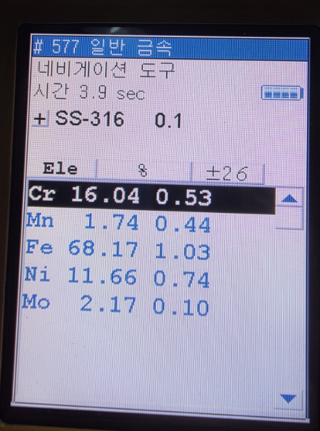
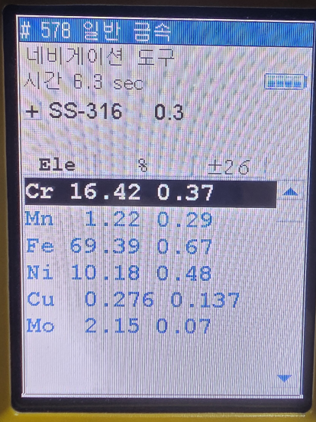

Examined by : |  |  | Level | II | ■ Date of Report 보고서 작성일자

시 험 자 | JIN CHEOL,JU |  | 등급 |  | 2026. 01. 08

Interpreted by: |  |  | Level | II
판 독 자 | JIN CHEOL,JU |  | 등급
 |  |  |  |  |  |  |  | JIN CHEOL,JU
Approved by: |  |  | Level | III | □ Witnessed by

승 인 자 | BYUNG HAK,JIN |  | 등급 |  | □ Reviewed by

