ARL Channel Assignment 2015
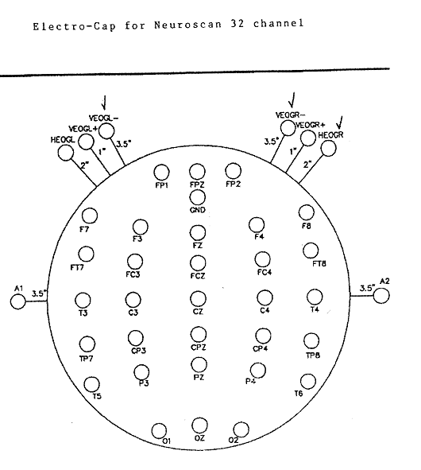
A
B
C
D
E
F
LM
RM
Cap 50 Pin End | Our Label | Wire color | NS 80 Pin End | NS Channel | Indications | Notes
1 | FP1 | Brown | 1 | 1
2 | F4 | Red | 15 | 4
3 | P3 | Yellow | 4 | 41
4 | O2 | Green | 18 | 44
5 | T3 | Violet | 10 | 58
6 | T6 | Grey | 23 | 53
7 | FZ | Black | 12 | 27
8 | CPZ | Brown | 50 | 11
9 | FC3 | Orange | 43 | 49
10 | TP8 | Yellow | 55 | 20
11 | FT7 | Blue | 33 | 55
12 | LM | Violet | 6 | Reference | LM | LM; This is called A1 in 10-20 system
13 | HEOGL | White | 53 | BP+1 | A
14 | VEOGR+ | Black | 63 | BP+3 | E
15 | N/C
16 | N/C
17 | N/C
18 | F3 | Red | 2 | 9
19 | C4 | Orange | 16 | 12
20 | O1 | Green | 8 | 26
21 | F8 | Blue | 21 | 21
22 | T5 | Grey | 11 | 19
23 | CZ | White | 24 | 61
24 | FCZ | Brown | 44 | 57
25 | CP4 | Red | 52 | 43
26 | TP7 | Yellow | 47 | 34
27 | OZ | Green | 70 | 15
28 | RM | Violet | 7 | 18 | RM | This is called A2 in 10-20 system
29 | VEOGR- | Grey | 64 | BP-3 | D
30 | VEOGL+ | Black | 29 | BP+4 | B
31 | N/C
32 | N/C
33 | N/C
34 | FP2 | Brown | 14 | 59
35 | C3 | Orange | 3 | 33
36 | P4 | Yellow | 17 | 36
37 | F7 | Blue | 9 | 50
38 | T4 | Violet | 22 | 29
39 | GND | White | 5 | Ground
40 | PZ | Black | 25 | 6
41 | CP3 | Red | 48 | 42
42 | FC4 | Orange | 45 | 2
43 | FPZ | Green | 41 | 17
44 | FT8 | Blue | 36 | 32
45 | VEOGL- | Grey | 30 | BP-4 | C
46 | HEOGR | White | 54 | BP-1 | F
47 | N/C
48 | N/C
49 | N/C
50 | N/C

Nov 2015 ECI Order
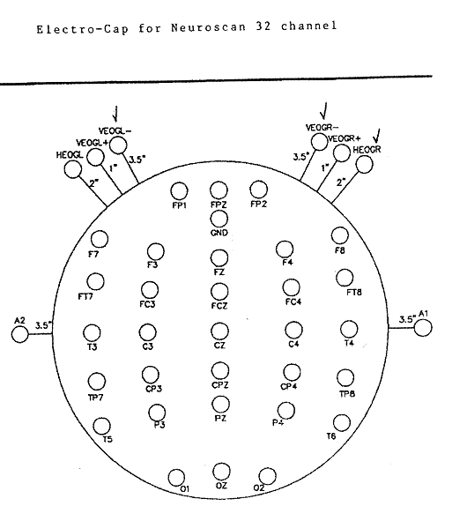
A
B
C
D
E
F
LM
RM
Cap 50 Pin End | Placement(from ECI) | Our Label | Wire color | NS 80 Pin End | NS Channel | Indications | Notes
1 | FP1 | FP1 | Brown | 1 | 1
2 | F4 | F4 | Red | 15 | 4
3 | P3 | P3 | Yellow | 4 | 41
4 | O2 | O2 | Green | 18 | 44
5 | T3 | T3 | Violet | 10 | 58
6 | T6 | T6 | Grey | 23 | 53
7 | FZ | FZ | Black | 12 | 27
8 | CPZ | CPZ | Brown | 50 | 11
9 | FC3 | FC3 | Orange | 43 | 49
10 | TP8 | TP8 | Yellow | 55 | 20
11 | FT7 | FT7 | Blue | 33 | 55
12 | A2 | LM | Violet | 6 | Reference | LM | LM; This is called A1 in 10-20 system
13 | LEOG | HEOGL | White | 53 | BP+1 | A
14 | REOG | VEOGR+ | Black | 63 | BP+3 | E
15 | N/C | N/C
16 | N/C | N/C
17 | N/C | N/C
18 | F3 | F3 | Red | 2 | 9
19 | C4 | C4 | Orange | 16 | 12
20 | O1 | O1 | Green | 8 | 26
21 | F8 | F8 | Blue | 21 | 21
22 | T5 | T5 | Grey | 11 | 19
23 | CZ | CZ | White | 24 | 61
24 | FCZ | FCZ | Brown | 44 | 57
25 | CP4 | CP4 | Red | 52 | 43
26 | TP7 | TP7 | Yellow | 47 | 34
27 | OZ | OZ | Green | 70 | 15
28 | A1 | RM | Violet | 7 | 18 | RM | This is called A2 in 10-20 system
29 | REOG | VEOGR- | Grey | 64 | BP-3 | D
30 | LEOG | VEOGL+ | Black | 29 | BP+4 | B
31 | N/C | N/C
32 | N/C | N/C
33 | N/C | N/C
34 | FP2 | FP2 | Brown | 14 | 59
35 | C3 | C3 | Orange | 3 | 33
36 | P4 | P4 | Yellow | 17 | 36
37 | F7 | F7 | Blue | 9 | 50
38 | T4 | T4 | Violet | 22 | 29
39 | GND | GND | White | 5 | Ground
40 | PZ | PZ | Black | 25 | 6
41 | CP3 | CP3 | Red | 48 | 42
42 | FC4 | FC4 | Orange | 45 | 2
43 | FPZ | FPZ | Green | 41 | 17
44 | FT8 | FT8 | Blue | 36 | 32
45 | LEOG | VEOGL- | Grey | 30 | BP-4 | C
46 | REOG | HEOGR | White | 54 | BP-1 | F
47 | N/C | N/C
48 | N/C | N/C
49 | N/C | N/C
50 | N/C | N/C

