EQVIEW_Sub
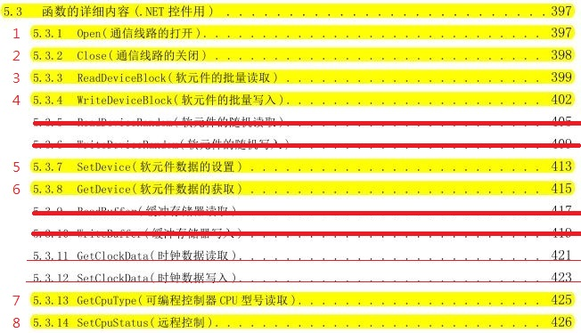
No. | cmd | function\class | function | EQVIEW_Sub
1 |  | 連線 | TcpOpen | public int TcpOpen(string ServerIP, string ServerPort)
2 |  | 斷線 | TcpClose | public int TcpClose()
3 |  | 封包傳送 | TcpSend | public void TcpSend(string SendCommand)
4 |  | 封包接收 | TcpRecv | public void TcpRecv(ref string RecvResponse)
5 | 00 | 連續讀出(位) -- XYMS | ReadDevicBlock_Bit | public int ReadDeviceBlock_Bit(string DeviceCode, int dcInit, int dcSize, ref string Command_temp, ref string Response_temp, ref int[] OutData)
6 | 02 | 連續寫入(位) -- YMS | WriteDeviceBlock_Bit | public int WriteDeviceBlock_Bit(string DeviceCode, int dcInit, int dcSize, ref string Command_temp, ref string Response_temp, int[] InData)
7 | 01 | 連續讀出(字) -- D | ReadDeviceBlock_Word | public int ReadDeviceBlock_Word(string DeviceCode, int dcInit, int dcSize, ref string Command_temp, ref string Response_temp, ref int[] OutData)
8 | 03 | 連續寫入(字) -- D | WriteDeviceBlock_Word | public int WriteDeviceBlock_Word(string DeviceCode, int dcInit, int dcSize, ref string Command_temp, ref string Response_temp, int[] InData)
9 | 00,01 | 單個讀出_XYMS_D | GetDevice_One | public int GetDevice_One(string DeviceCode, int dcInit, ref string Command_temp, ref string Response_temp, ref int OutData)
10 | 02,03 | 單個寫入_YMS_D | SetDevice_One | public int SetDevice_One(string DeviceCode, int dcInit, ref string Command_temp, ref string Response_temp, int InData)
11 | 13,14 | 遠端 RUN/STOP | SetCpuStatus | public int SetCpuStatus(string RemoteCommand, ref string Command_temp, ref string Response_temp, ref int CpuStatusValue)
12 | 15 | 讀取PLC型號 | GetCpuType | public int GetCpuType(ref string Command_temp, ref string Response_temp, ref string CpuType)
13
14
15

