Verification
ID | DI Refs | Verification Activity | Method | Pass Criteria | Test Date | Tester | Status | Artifacts Location
V1 | DI18 | Inspect audit log contents and retention policy configuration. | Inspection | Log captures user ID, timestamp, and action; retention ≥3 years confirmed | 2026-04-24 | Rex Wang | Pass | 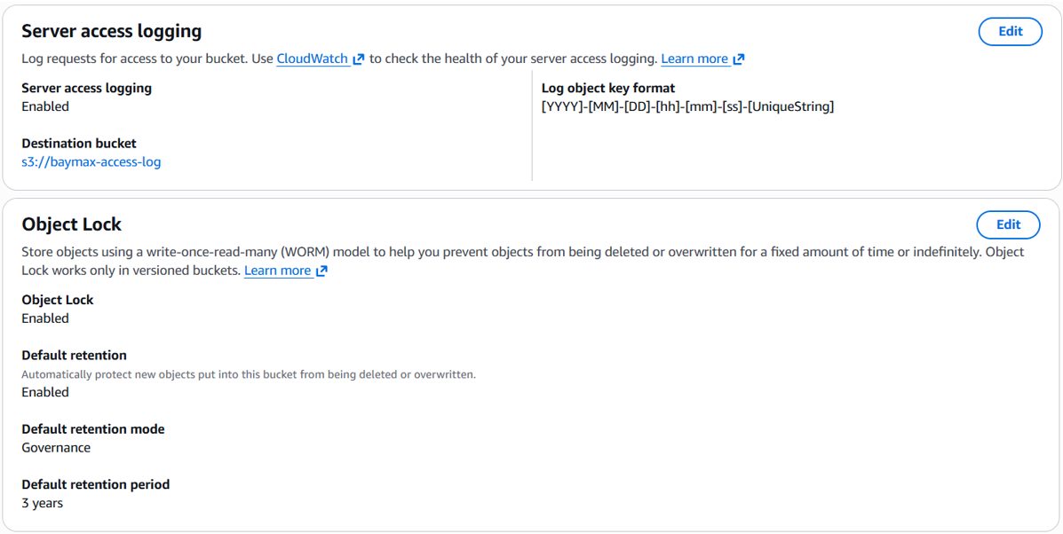 | Note: Access to patient data stored in S3 bucket baymax-tremor-archive-8011 are logged in a separate bucket baymax-access-log which retains entries for 3 years.
V2 | DI8 | Using the mobile app, retrieve and display historical symptom recordings for a pre-loaded test patient with known data across multiple sessions. | Demonstration | Historical recordings are retrieved and displayed for the specified patient; displayed values match the known stored records with no missing sessions. |  |  | Pass
V3 | DI9 | Using the mobile app, generate and export a symptom report in PDF format for a specified patient and date range. | Demonstration | A valid, readable PDF file is generated and exported containing the correct patient name, date range, and symptom data; PDF opens without error in a standard viewer. |  |  | Pass
V5 | DI15 | Inspect the main clinician view of the mobile app and confirm that connectivity state, battery level, and active alarm indicators are present and visible without scrolling or navigating to another screen. | Inspection | All three indicators (connectivity state, battery level, active alarms) are visible on the main clinician view without any additional navigation; each indicator updates to reflect a simulated state change within the display refresh period. |  |  | Pending | TBD
V6 | DI23 | Perform a network port scan and service enumeration on the holter monitor and cloud system to identify all open ports and running services; confirm that only the ports and services specified in the allowlist are accessible. | Test | Only documented ports allowed in DI23 are open; no unexpected services running | 2026-04-22 | Rex Wang | Pass |  | Note: nmap shows only opened port on raspberry pi is ssh
V7 | DI24 | Attempt to connect holter to a test MQTT broker. | Test | The holter monitor rejects or cannot establish connection to non-authorized endpoints in all test cases | 2026-04-24 | Rex Wang | Pass | 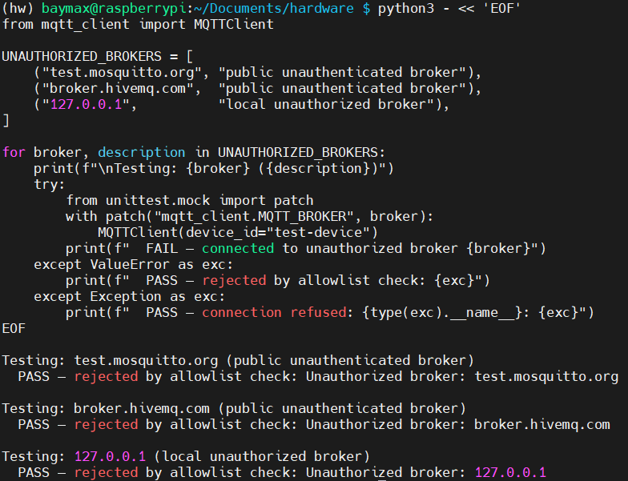 | Note: unit test showing device refuse to connect to unauthenticated brokers
V8 | DI25 | Attempt SSH connection from a device not connected to TailScale. | Test | The connection fails and no SSH access granted in all test cases | 2026-04-21 | Rex Wang | Pass
V9 | DI26 | Simulate failed update; verify rollback to last known good version without data loss. | Test | System restores to prior version after simulated update failure; patient data and configuration intact | 2026-04-24 | Rex Wang | Pass | 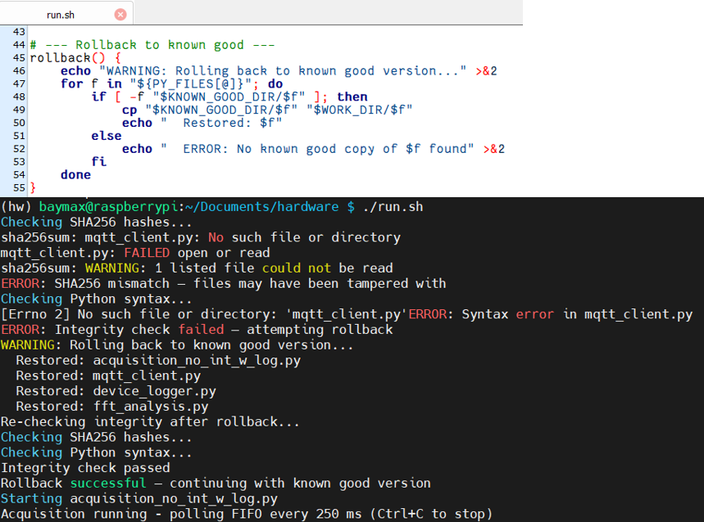 | Note: current implementation checks SHA256 hash and python syntax. New known good version can be added by run.sh -promote. Future implementation can check git integrity.
V10 | DI27 | Review audit log contents after performing authentication, access control, and configuration change events. | Test | All specified event types present in log with correct fields; log file integrity mechanism verified | 2026-04-21 | Rex Wang | Pass | 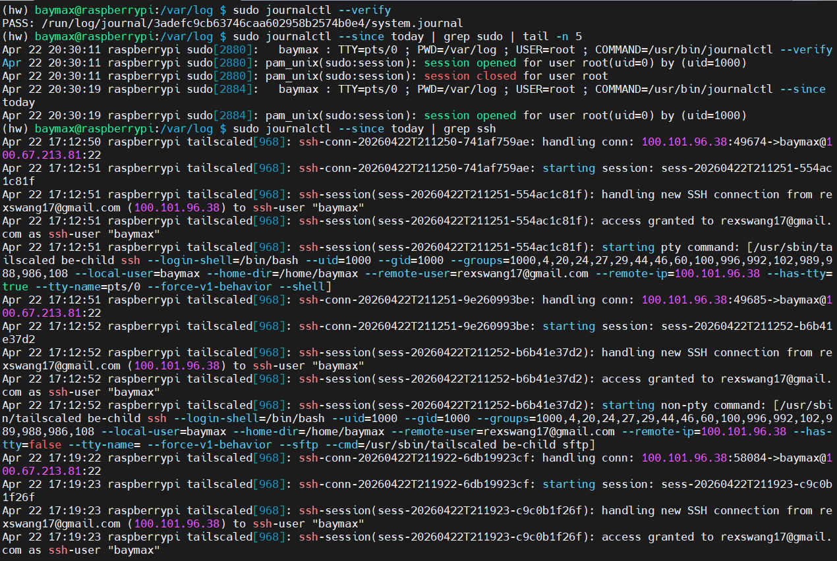
VER-17 | DI17 | Ask a trained clinician or caregiver to register a new patient and begin symptom monitoring from the mobile app home screen; an observer counts every discrete user interaction (tap or confirmation). | Inspection | Task is completed in ≤3 user interactions from the home screen to active monitoring for the new patient. |  |  | Pending | TBD
VER-21 | DI21 | Capture network traffic from the mobile app to the backend during a representative monitoring session using a packet analyser; inspect TLS version and negotiated cipher suite. | Test | All captured patient-data traffic from the mobile app uses TLS 1.2 or higher; negotiated cipher suites provide authenticated encryption and forward secrecy (e.g., ECDHE-AES-GCM or ECDHE-ChaCha20-Poly1305); no plaintext patient data is observed in any captured packet. |  |  | Pending | TBD
VER-22 | DI22 | Inspect local storage on the mobile device (e.g., app sandbox, SQLite database, cached files) and review the mobile app's encryption implementation in source code or configuration. | Test | All patient data stored locally by the mobile app is encrypted with AES-256 or equivalent in a secure mode (GCM or XTS); ECB mode is absent; encryption is confirmed via both source/config review and direct storage inspection. |  |  | Pending | TBD
VER-28 | DI28 | Authenticate on the mobile app, leave the session idle for 15 minutes, then attempt to perform an authenticated action without re-authenticating. | Test | The mobile app automatically locks the session after ≤15 minutes of inactivity; any subsequent authenticated action is blocked until the user re-authenticates successfully. |  |  | Pending | TBD
VER-29 | DI29 | Submit 3 consecutive failed login attempts with incorrect credentials on the mobile app login screen; immediately attempt a 4th login; wait for the lockout period to expire and attempt again with correct credentials. | Test | Login is blocked after 3 failed attempts; the 4th attempt is rejected within the 15-minute lockout window; a successful login with correct credentials is possible only after the full 15-minute lockout period has elapsed. |  |  | Pending | TBD
VER-30 | DI30 | On the mobile app, attempt to set passwords that violate the policy (< 10 chars, > 15 chars, letters only, numbers only, no symbols); then submit a compliant password (10–15 chars with letters, numbers, and at least one symbol). | Test | All non-compliant passwords are rejected with an informative error message; compliant passwords (10–15 characters containing letters, numbers, and at least one symbol) are accepted. |  |  | Pending | TBD

