Design Checklist
 | BQ25790/2/8 and BQ25672 Schematic Review

 |  |  |  |  |  |  |  |  |  | BQ25792/BQ25798/BQ25672
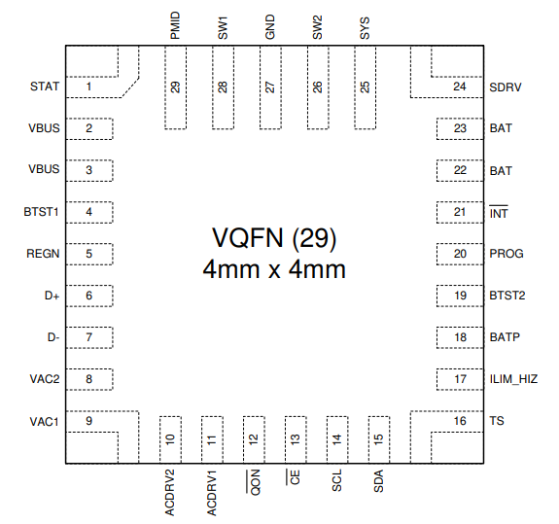

 |  |  |  |  |  |  |  |  |  | BQ25790
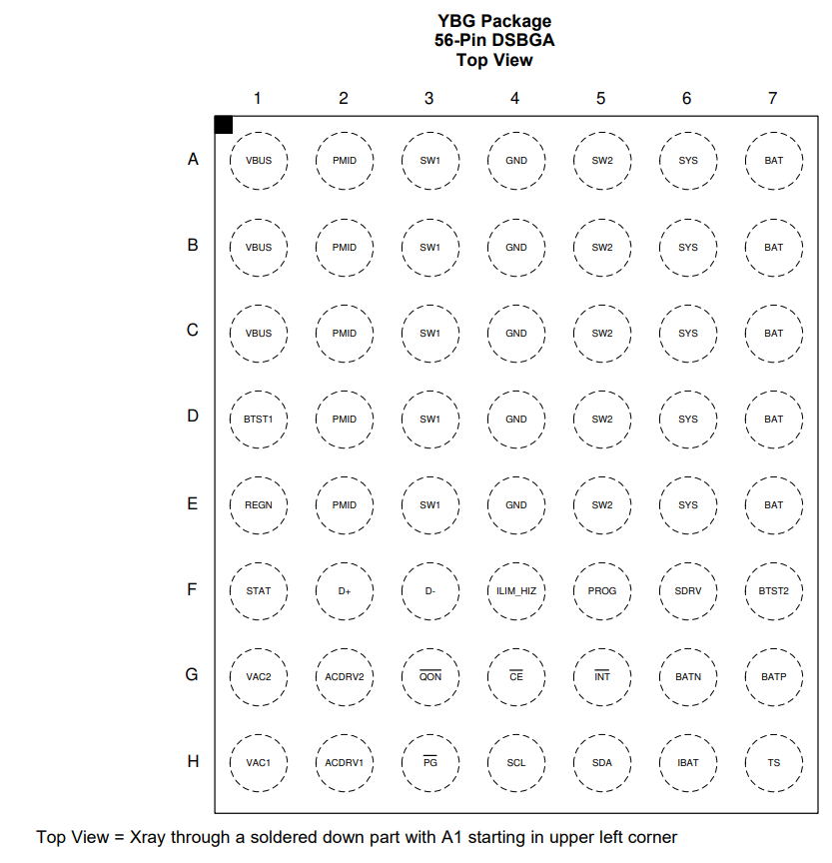

 |  |  |  |  |  |  |  |  | NOTE: BQ25672 requires only 3x10uF

NOTE: All capacitors are assumed to be ceramic with voltage voltage rating = at least 2 x the pin's max expected voltage
Pin | QFN | WCSP | Opt/Rec/Req | Component | Min | Typ | Max | EXPLANATION | COMMENTS | LAYOUT GUIDANCE
VAC1 | 9 | H1 | Optional | CVAC1 |  | 100n F |  | VAC1 sense line filter capcacitor | Connect to VBUS if ACDRV1 not used.
VAC2 | 8 | G1 | Optional | CVAC2 |  | 100 nF |  | VAC2 sense line filter capcacitor | Connect to VBUS if ACDRV2 not used.
ACDRV1 | 11 | H2 | Optional | QACDRV1 |  | 30 V Nch |  | NFETs for input source MUX | Connect to ground if ACDRV1 not used.
 |  |  |  | DACDRV1 |  | 12V |  | Zener clamp to protect FET gate
 |  |  |  | RACDRV1 |  | 294 Ω |  | Softstart resistor
 |  |  |  | CACDRV1 |  | 1 nF |  | Softstart capacitor
ACDRV2 | 10 | G2 | Optional | QACDRV2 |  | 30 V Nch |  | NFETs for input source MUX | Connect to ground if ACDRV2 not used.
 |  |  |  | DACDRV2 |  | 12V |  | Zener clamp to protect FET gate
 |  |  |  | RACDRV2 |  | 294 Ω |  | Softstart resistor
 |  |  |  | CACDRV2 |  | 1 nF |  | Softstart capacitor
VBUS | 2,3 | A1,B1, C1 | Required | CVBUS-BYP |  | 0.1 uF |  | VBUS high frequency noise bypass capacitor
 |  |  | Required | CVBUS-BULK |  | 2 x 10uF |  | VBUS bulk capacitors
REGN | 5 | E1 | Required | CREGN | 4.7 uF |  |  | REGN linear regulation output capacitor |  | Place close to REGN pin and PGND, priority 2.
PMID | 29 | A2,B2,C2,D2,E2 | Required | CPMID-BYP |  | 0.1 uF |  | PMID high frequency noise bypass capacitor | Critical for device operation and minimizing EMI. | Place as close as possible to PMID and GND pins using as few vias as possible, priority 1
 |  |  | Required | CPMID-BULK |  | 3 x 10uF* |  | PMID bulk capacitors | Input capacitance for the converter *BQ25796 requires 2 additional, parallel 33 uF low ESR polarized capacitors | Place as close as possible to PMID and GND pins using as few vias as possible, priority 1
SYS | 25 | A6,B6,C6,D6,E6 | Required | CSYS-BYP |  | 0.1 uF |  | SYS high frequency noise bypass capacitor | Critical for device operation and minimizing EMI | Place as close as possible to SYS and GND pins using as few vias as possible, priority 1
 |  |  | Required | CSYS-BULK |  | 5 x 10uF -79x 3 x 10uF -672 |  | SYS bulk capacitors | Output capacitance for the converter | Place as close as possible to SYS and GND pins using as few vias as possible, priority 1
BAT | 22,23 | A7,B7,C7,D7,E7 | Required | CBAT |  | 2 x 10uF |  | BAT bulk capacitors |  | Place close to BAT pin and PGND, priority 2.
BATP | 18 | G7 | Required | RBATP |  | 100 Ω |  | BAT+ remote sense isolation resistor | Can short to IC BAT pin if remote sense not needed.
SW1 | 28 | A3,B3,C3,D3,E3 | Required | L1 | 1 uH |  | 2.2 uH | Inductor buck side connection | 1 uH for fSW = 1.5 MHz and 2.2 uH for fSW = 750 kHz | Required to route SWx traces under the IC and then uses vias to connect to inductor if on top layer.
 |  |  | Optional | RSNUB1, CSNUB1 |  | not shown |  | RC snubber to reduce EMI | 603 footprint components, sized on working PCB using empirical measurements. Decreases efficiency by ~0.5% when properly sized | Place close to SWx and PGND, priority 1. If placed on bottom layer, use multiple vias back to top.
BTST1 | 4 | D1 | Required | CBTST1 |  | 0.047 uF |  | Bootstrap capacitor for buck side FET gate drive
SW2 | 26 | A5,B5,C5,D5,E5 | Required | L1 | 1 uH |  | 2.2 uH | Inductor boost side connection | 1 uH for fSW = 1.5 MHz and 2.2 uH for fSW = 750 kHz | Required to route SWx traces under the IC and then uses vias to connect to inductor if on top layer.
 |  |  | Optional | RSNUB2, CSNUB2 |  | not shown |  | RC snubber to reduce EMI | 603 footprint components, sized on working PCB using empirical measurements. Decreases efficiency by ~0.5% when properly sized | Place close to SWx and PGND, priority 1. If placed on bottom layer, use multiple vias back to top.
BTST2 | 19 | F7 | Required | CBTST2 |  | 0.047 uF |  | Bootstrap capacitor for boost side FET gate drive
PROG | 20 | F5 | Required | RPROG |  | *Ω |  | Sets default converter switching frequency and either 1S, 2S, 3S or 4S charging | See datasheet section titled PROG Pin Configuration for resistor sizes
ILIM_HIZ | 17 | F4 | Required | RLIM |  | *Ω |  | Program ILIM_HIZ voltage to set desired IINDPM by connecting a resistor divider from pull up rail to ILIM_HIZ pin then 100 kW resistor to ground. When the pin voltage is below 0.75V, the buck-boost converter enters non-switching mode with REGN on. | VILIM_HIZ = 1V + 800 mW x IINDPMmax IINDPM I2C register can be written to lower value. ILIM_HIZ can be disabled in I2C. ILIM_HIZ can be pulled directly to REGN to set max I2C register value (3.3A).
TS | 16 | H7 | Required (if not disabled in I2C register) | RTS-TOP |  | *Ω |  | Resistor divider to set window for thermistor temperature-based battery charging profile | If TS feature not used, use equations to set V(TS) to ~60% of VREF to hardware disable or I2C bit to software disable.
$$RT1=\frac{\left(\frac{1}{V_{T1}}−1\right)}{\left(\frac{1}{RT2}+\frac{1}{R_{NTC,T1}}\right)}$$
$$RT2=\frac{R_{NTC,T1}×R_{NTC,T5}×\left(\frac{1}{V_{T5}}−\frac{1}{V_{T1}}\right)}{R_{NTC,T1}×\left(\frac{1}{V_{T1}}−1\right)−R_{NTC,T5}×\left(\frac{1}{V_{T5}}−1\right)}$$
 |  |  | Required (if not disabled in I2C register) | RTS-BOT |  | *Ω |  |  |  | Connect RTS_BOT to AGND. Kelvin connect resistor divider midpoint to pin routed away from traces/pours/planes with switching noise.
STAT | 1 | F1 | Recommended | RSTAT |  | 2.2 kΩ |  | LED pull up resistor for open drain STAT pin.
 |  |  | Optional | DSTAT |  | green or red |  | Charging status indicating LED
SDRV | 24 | F6 | Optional | QSDRV |  | 30 V Nch |  | The driver pin of the external ship FET. The ship FET is always turned on when ship mode is disabled, and it keeps off when the charger is in ship mode or shutdown mode. | Connect a 0402 / 50V / 1nF ceramic capacitor from SDRV to BAT or GND when the ship FET is not used.
/CE | 13 | G4 | Required | RPULLUP | 2.2 kW |  | 10 kW | Active low, open drain charge enable | Can be tied to GND but recommended to be tied to host GPIO with pull up resistor. Cannot be left floating.
/INT | 21 | G5 | Optional | RPULLUP | 2.2 kW |  | 10 kW | Active low, open drain INT pulse | Can be left floating but recommend to to tied to host GPIO with pull up resistor.
/QON | 12 | G3 | Optional |  |  |  |  | A logic low on this pin with tSM_EXIT duration turns on ship FET to force the device to exit the ship mode. A logic low on this pin with tRST duration resets system power by turning off the ship FET for tRST_SFET (also setting the charger in HIZ mode when VBUS is high) and then turning on ship FET (also disabling the charger HIZ mode) to provide full system power reset | The pin has an internal pull up so it not used it should be left floating. Can be tied to a mechanical push button or host GPIO.
SDA | 15 | H5 | Required | RPULLUP | 2.2 kW |  | 10 kW | I2C data line | Needs pull up resistor to 1.8 V to 3.3 V
SCL | 14 | H4 | Required | RPULLUP | 2.2 kW |  | 10 kW | I2C clock like | Needs pull up resistor to 1.8 V to 3.3 V
D+ | 6 | F2 | Optional |  |  |  |  | USB BC 1.2 communication lines | Connect to USB port in order to set charger input current (IINDPM) register to port capability per USB BC 1.2 spec. Host is expected to perform enumeration. If not used, leave floating for unkown adapter and IINDPM=3A. ILIM_HIZ resistor clamps maximum input current.
D- | 7 | F3 | Optional
BATN (790 only) | na | G6 | Required | RBATN |  | 100 Ω |  | BAT- remote sense isolation resistor | Can short to IC GND pin if remote sense not needed.
/PG (790 only) | na | H3 | Optional | RPULLUP | 2.2 kW |  | 10 kW | Active low, open drain input power good indicator | Can be left floating but recommend to to tied to host GPIO with pull up resistor.
IBAT (790 only) | na | H6 | Optional | RIBATP |  | 10 kW |  | Current source output proivding 25 uA per 1A charge current. | Parallel 100 pF capacitor is recommended to minimize ripple.
GND | 27 | A4,B4,C4,D4,E4 | Required |  |  |  |  | IC GND return | Separate PGND and AGND, connected only at GND pins is recommended by not required as long as power path (VBUS, PMID, SYS, BAT) grounds are routed away from AGND. REGN is technically PGND but difficult to route. | Required to route to internal/bottom layer under the IC but also provide GND trace on top layer for connecting PMID and SYS capacitor grounds

