Izveštaj
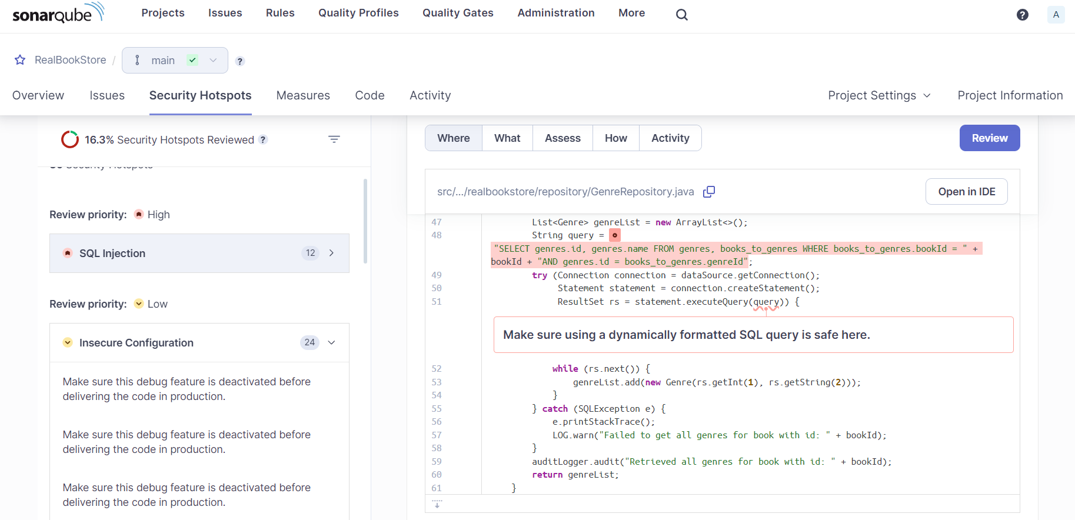
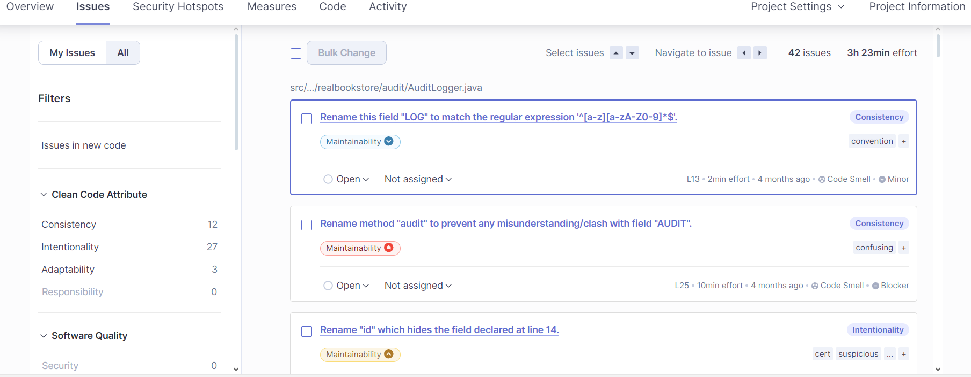
 | Sample SonarQube Report
 | Aplikacija | RealBookStore
 | Datum | 3.5.2024.

# | Ranjivost/Upozorenje | Dokaz | Rezultat
1 | SQL injection | 1 | true positive | fixed
2 | SQL injection | 2 | false positive | safe
3 | …
4

 | high priority: sql injection x 12 |  |  | issues = maintainability, …
 | low: insecure configuration x24

1
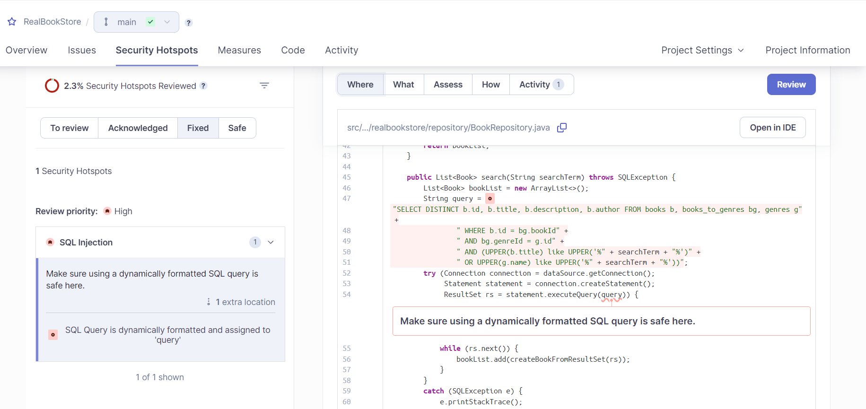
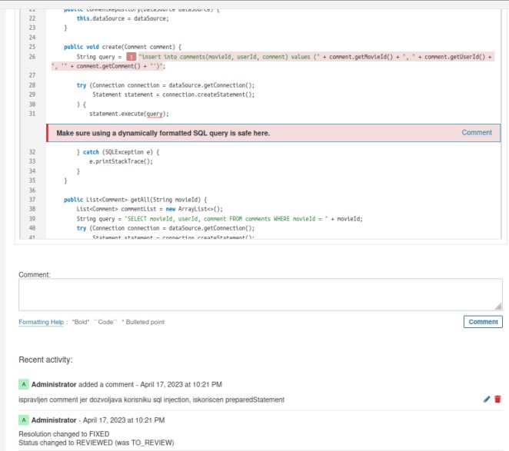

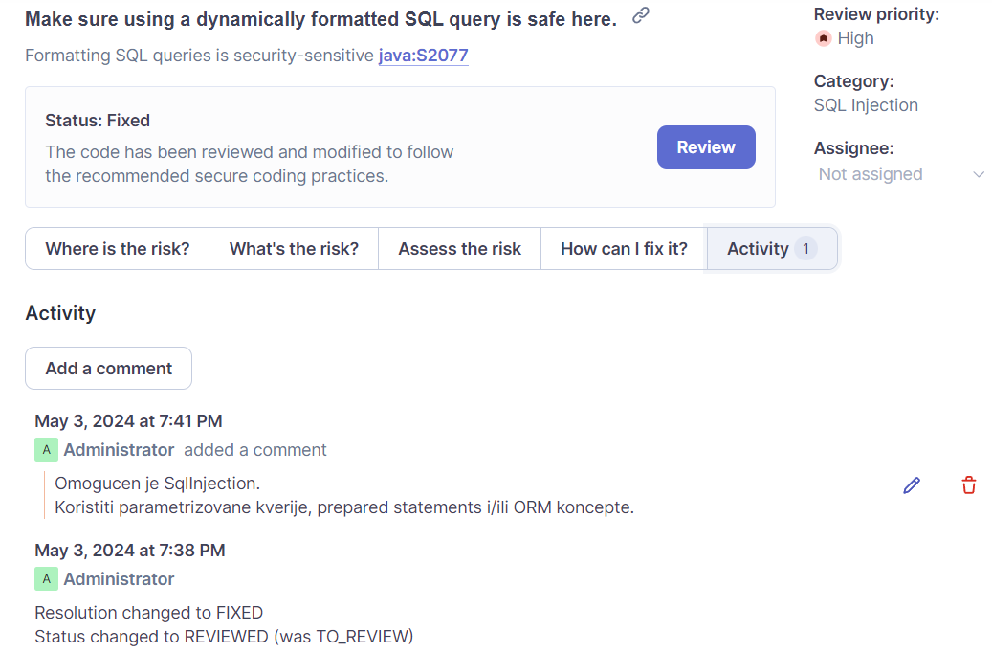

2
