qPCR_Sample_Data
Please report inhibition control raw data in this tab
Q: I need to report something not included in the drop-down menu. How can I do this?
A: To add more items, go to the “Dropdown_Data” spreadsheet tab, then find the appropriate category to edit (by adding new values below existing items). Once added, return to the original cell to input the information.
Sample_Date | 20240722 | Date Processed/Concentrated: |  | 7/22/24
Sample_Site | Unduli | Date Extracted: |  | 7/23/24
Sample condition: | 4-6 °C | Date Analyzed (quantification): |  | 7/23/24
 |  |  |  |  |  |  |  |  |  |  | Ct |  |  | Conc. Estimate (gc/mL) |  |  | Conc. Estimate (gc/mg) |  |  | Qualifier |  |  | Notes (e.g., corrective steps for inhibition) | Qualifier_Notes
 |  |  |  |  |  |  |  |  |  |  | Technical Replicate 1 | Technical Replicate 2 | Technical Replicate 3 | Technical Replicate 1 | Technical Replicate 2 | Technical Replicate 3 | Technical Replicate 1 | Technical Replicate 2 | Technical Replicate 3 | Technical Replicate 1 | Technical Replicate 2 | Technical Replicate 3
 | Lab_ID | Method_Used | Biological_Replicate | Type | Spike (A/B/N) | Target | Target_Gene(s) | ESV (mL) | CF | Fraction | Technical_Replicate_1_CycleNo | Technical_Replicate_2_CycleNo | Technical_Replicate_3_CycleNo | Technical_Replicate_1_Result_mL | Technical_Replicate_2_Result_mL | Technical_Replicate_3_Result_mL | Technical_Replicate_1_Result_mg | Technical_Replicate_2_Result_mg | Technical_Replicate_3_Result_mg | Qualifier_TR1 | Qualifier_TR2 | Qualifier_TR3 |  | Qualifier_Notes_1 | Qualifier_Notes_2 | Qualifier_Notes_3
EXAMPLE | 99 | 1 | 1 | Sample | A | SARS-CoV-2 | N2 | 2 | 400 | Solids | 35.15942834 | 34.940940917 | 37.028286629 | 6.80695 | 7.92626 | 1.85107 | 2.3009408451 | 2.6792991549 | 0.62571380282 |  |  | J |  | no qualifier | no qualifier | sample concentration estimate extrapolated
Start here => | 999 | 1 | 1 | Sample | N | SARS-CoV-2 | N1 | 1.45 |  | Total | 33.80 | 33.70 | 33.60 | 16 | 19 | 23 |  |  |  |  |  |  |  | No qualifier | No qualifier | No qualifier
 | 999 | 1 | 2 | Sample | N | SARS-CoV-2 | N1 | 1.45 |  | Total | 34.20 | 34.30 | 34.40 | 12 | 11 | 12 |  |  |  |  |  |  |  | No qualifier | No qualifier | No qualifier
 | 999 | 1 | 3 | Sample | N | SARS-CoV-2 | N1 | 1.45 |  | Total | 33.80 | 33.70 | 33.60 | 15 | 16 | 15 |  |  |  |  |  |  |  | No qualifier | No qualifier | No qualifier
 | 999 | 1 | 1 | Sample | N | SARS-CoV-2 | N2 | 1.45 |  | Total | 34.00 | 34.00 | 34.00 | 22 | 22 | 21 |  |  |  |  |  |  |  | No qualifier | No qualifier | No qualifier
 | 999 | 1 | 2 | Sample | N | SARS-CoV-2 | N2 | 1.45 |  | Total | 34.00 | 34.00 | 34.00 | 16 | 17 | 16.5 |  |  |  |  |  |  |  | No qualifier | No qualifier | No qualifier
 | 999 | 1 | 3 | Sample | N | SARS-CoV-2 | N2 | 1.45 |  | Total | 34.00 | 34.00 | 34.00 | 18 | 16 | 20 |  |  |  |  |  |  |  | No qualifier | No qualifier | No qualifier
 | 999 | 1 | 1 | Sample | N | PMMoV |  | 0.75 |  | Total | 27.00 | 27.00 | 27.00 | 10000 | 10200 | 10100 |  |  |  |  |  |  |  | No qualifier | No qualifier | No qualifier
 | 999 | 1 | 2 | Sample | N | PMMoV |  | 0.75 |  | Total | 27.00 | 27.00 | 27.00 | 10000 | 10000 | 10000 |  |  |  |  |  |  |  | No qualifier | No qualifier | No qualifier
 | 999 | 1 | 3 | Sample | N | PMMoV |  | 0.75 |  | Total | 27.00 | 27.00 | 27.00 | 9000 | 9000 | 9000 |  |  |  |  |  |  |  | No qualifier | No qualifier | No qualifier
 | 999 | 1 | 1 | Inhibition-external, baseline | N | SARS-CoV-2 | N1 |  |  | Total | 31.00 | 31.00 | 31.00 |  |  |  |  |  |  |  |  |  |  | No qualifier | No qualifier | No qualifier
 | 999 | 1 | 1 | Inhibition-external, spike | N | SARS-CoV-2 | N1 | 1.45 |  | Total | 31.00 |  |  |  |  |  |  |  |  |  |  |  |  | No qualifier | No qualifier | No qualifier
 | 999 | 1 | 2 | Inhibition-external, spike | N | SARS-CoV-2 | N1 | 1.45 |  | Total | 31.00 |  |  |  |  |  |  |  |  |  |  |  |  | No qualifier | No qualifier | No qualifier
 | 999 | 1 | 3 | Inhibition-external, spike | N | SARS-CoV-2 | N1 | 1.45 |  | Total | 31.00 |  |  |  |  |  |  |  |  |  |  |  |  | No qualifier | No qualifier | No qualifier
 | 999 | 1 | 1 | Inhibition-external, baseline | N | SARS-CoV-2 | N2 |  |  | Total | 32.00 | 32.00 | 32.00 |  |  |  |  |  |  |  |  |  |  | No qualifier | No qualifier | No qualifier
 | 999 | 1 | 1 | Inhibition-external, spike | N | SARS-CoV-2 | N2 | 1.45 |  | Total | 32.00 |  |  |  |  |  |  |  |  |  |  |  |  | No qualifier | No qualifier | No qualifier
 | 999 | 1 | 2 | Inhibition-external, spike | N | SARS-CoV-2 | N2 | 1.45 |  | Total | 32.00 |  |  |  |  |  |  |  |  |  |  |  |  | No qualifier | No qualifier | No qualifier
 | 999 | 1 | 3 | Inhibition-external, spike | N | SARS-CoV-2 | N2 | 1.45 |  | Total | 32.00 |  |  |  |  |  |  |  |  |  |  |  |  | No qualifier | No qualifier | No qualifier

Qualifier_Flowchart
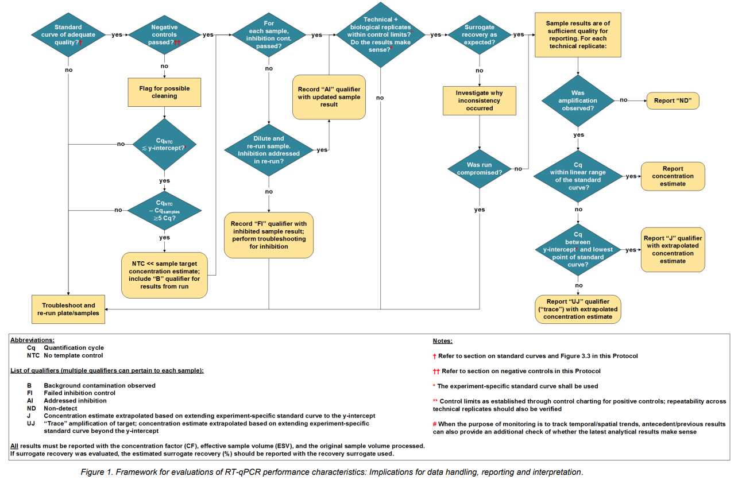
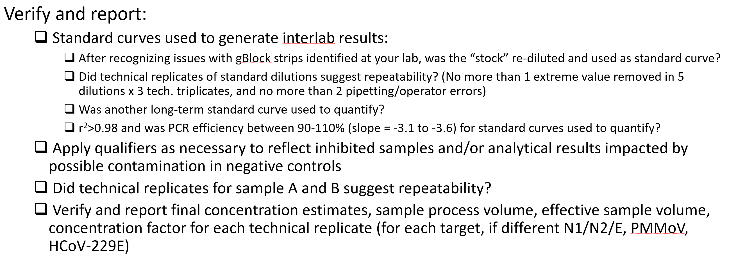
https://www.ontario.ca/page/protocol-analyzing-wastewater-samples

