Pin List
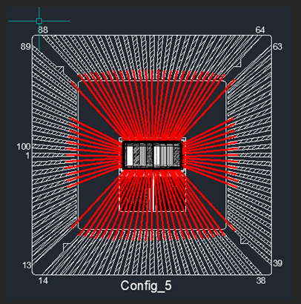
LCC pinout | chip pad # | Name | Type | Level
1 | 72 | VSS2 | VSS | 0 V
2 | 71 | VPWRHV2 | VPWRIO | 3.3 V
3 | 70 | VDDHV0 | VDDHV | 0 to 3.3 V
4 | 69 | VGHVN | AI | 0 to 3.3 V
5 | 68 | RESETBin | DI | 0 to 3.3 V
6 | 67 | Din | DI | 0 to 3.3 V | verticalSR
13 | 66 | VSSIO2 | VSSIO | 0 V
14 | 65 | VDDLV1 | VDDLV | 0 to 1.2 V
15 | 64 | VPWRLV2 | VPWR | 1.2 V
16 | 63 | VSS5 | VSS | 0 V
17 | 62 | IBIAS0 | AI | 0 to 3.3 V (10 uA)
18 | 61 | vout0_1p2 | AO | 0 to 3.3 V
19 | 60 | IBIAS1 | AI | 0 to 3.3 V (10 uA)
20 | 59 | vout1_1p2 | AO | 0 to 3.3 V
21 | 58 | IBIAS2 | AI | 0 to 3.3 V (10 uA)
22 | 57 | vout2_3p3 | AO | 0 to 3.3 V
23 | 56 | IBIAS3 | AI | 0 to 3.3 V (10 uA)
24 | 55 | vout3_3p3 | AO | 0 to 3.3 V
25 | 54 | VSS6 | VSS | 0 V
26 | 53 | VSSIO3 | VSSIO | 0 V
27 | 52 | vpwrHV1 | AO | 0 to 3.3 V |  | vout3_3p3
28 | 51 | VG_LVP | AI | 0 to 1.2 V
29 | 50 | IBIAS4 | AI | 0 to 3.3 V (10 uA)
30 | 49 | vout4_1p2 | AO | 0 to 3.3 V
31 | 48 | IBIAS5 | AI | 0 to 3.3 V (10 uA)
32 | 47 | vout5_1p2 | AO | 0 to 3.3 V
33 | 46 | IBIAS6 | AI | 0 to 3.3 V (10 uA)
34 | 45 | vout6_3p3 | AO | 0 to 3.3 V
35 | 44 | IBIAS7 | AI | 0 to 3.3 V (10 uA)
36 | 43 | vout7_3p3 | AO | 0 to 3.3 V
37 | 42 | VSS7 | VSS | 0 V
38 | 41 | VPWRLV3 | VPWR | 1.2 V
39 | 40 | VSS8 | VSS | 0 V
46 | 39 | VSSIO1 | VSSIO | 0 V
47 | 38 | VDD_HV1 | VDDHV | 0 to 3.3 V
48 | 37 | VG_HVP | AI | 0 to 3.3 V
49 | 36 | VSS4 | VSS | 0 V
50 | 35 | VPWRLV1 | VPWR | 1.2 V
51 | 34 | VPWRHV3 | VPWRIO | 3.3 V
52 | 33 | VSS3 | VSS | 0 V
53 | 32 | HCLKin | DI | 0 to 3.3 V
54 | 31 | vout_bypass7 | DO | 0 to 3.3 V |  | QHOUT
55 | 30 | AMPBIAS7 | AI | 0 to 3.3 V (500 uA)
56 | 29 | in_n7 | AIO | 0 to 3.3 V
57 | 28 | QHout | DO | 0 to 3.3 V |  | voutbyp7
63 | 27 | AMPBIAS6 | AI | 0 to 3.3 V (500 uA)
64 | 26 | in_n6 | AIO | 0 to 3.3 V
65 | 25 | vout_bypass6 | AIO | 0 to 3.3 V
66 | 24 | AMPBIAS5 | AI | 0 to 3.3 V (500 uA)
67 | 23 | in_n5 | AIO | 0 to 3.3 V
68 | 22 | vout_bypass5 | AIO | 0 to 3.3 V
69 | 21 | AMPBIAS4 | AI | 0 to 3.3 V (500 uA)
70 | 20 | in_n4 | AIO | 0 to 3.3 V
71 | 19 | vout_bypass4 | AIO | 0 to 3.3 V
72 | 18 | QPout | DO | 0 to 3.3 V |  | VSS1
73 | 17 | VCLKOUT | VSS | 0 V
74 | 16 | VDDLV2 | VDDLV | 0 to 1.2 V
75 | 15 | AMPBIAS3 | AI | 0 to 3.3 V (500 uA)
76 | 14 | in_n3 | AIO | 0 to 3.3 V
77 | 13 | vout_bypass3 | AIO | 0 to 3.3 V
78 | 12 | AMPBIAS2 | AI | 0 to 3.3 V (500 uA)
79 | 11 | in_n2 | AIO | 0 to 3.3 V
80 | 10 | vout_bypass2 | AIO | 0 to 3.3 V
81 | 9 | VSSIO0 | VSSIO | 0 V
82 | 8 | VPWRHV0 | VPWRIO | 3.3 V
83 | 7 | AMPBIAS1 | AI | 0 to 3.3 V (500 uA)
84 | 6 | in_n1 | AIO | 0 to 3.3 V
85 | 5 | vout_bypass1 | AIO | 0 to 3.3 V
86 | 4 | AMPBIAS0 | AI | 0 to 3.3 V (500 uA)
87 | 3 | in_n0 | AIO | 0 to 3.3 V
88 | 2 | vout_bypass0 | AIO | 0 to 3.3 V
89 | 1 | VSS0 | VSS | 0V
95 | 78 | DHin | DI | 0 to 3.3 V | HorizontalSR
96 | 77 | QNout | DO | 0 to 3.3 V
97 | 76 | CSin | DI | 0 to 3.3 V
98 | 75 | VPWRLV0 | VPWR | 3.3 V
99 | 74 | VDDLV0 | VDDLV | 0 to 1.2 V
100 | 73 | VGLVN | AI | 0 to 1.2 V

Pico Pinout
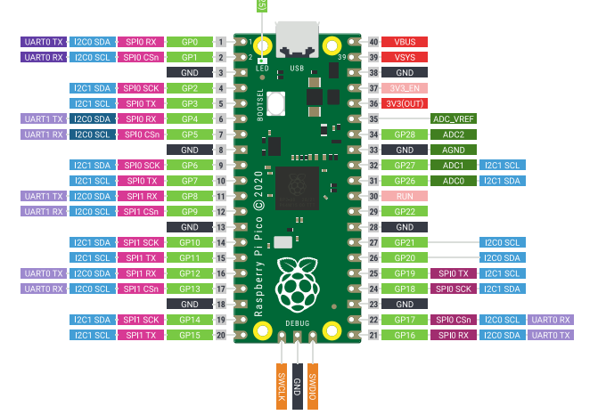
Pi Pico Pinout
GPIO | Code Pin Name | Schematic Pin Name | Description
0 | vgHVP | G_HVP | point Vg input voltage to High Voltage Pmos transistors
1 | vgLVP | g_LVP | point Vg input voltage to Low Voltage Pmos transistors
2 | HCLKin | HCLKin | Shift Register Clock
3 | Din | Din | Vertical Shift Register data pin
4 | DHin | DHin | Horizontal Shift Register data pin
5 | resetBIN | resetBIN | Reset shift registers
6 | vddHV | vdd_HV | set Vdd input voltage to High Voltage transistors
7 | vgLVN | g_LVN | set VG input voltage to Low Voltage Nmos transistors
8 | vgHVN | g_HVN | set VG input voltaget to High Voltage Nmos Transistors
9 | vddLV | vdd_LV | set VDD input voltage to Low Voltage Tansistors
10 | ch1_vooff | chan1_vooff | Select which amplifier output is on channel 1
11 | ch1vo1 | chan1_vo1
12 | ch1vo2 | chan1_vo2
13 | ch1vo3 | chan1_vo3
14 | ch1vo4 | chan1_vo4
15 | ch1vo5 | chan1_vo5
16 | ch1vo6 | chan1_vo6
17 | ch1vo7 | chan1_vo7
18 | Csin | Csin | amp bypass
19
20
21
22
23
24
25 | LED | LED
26
27
28

AmpChar
voutbyp0 | vout0 (500mA) | in_n (voltage) | vout0(700mA) | in_n (voltage) | vout(800mA) | in_n (voltage) | vout0(400mA) | in_n (voltage)
0 | 0.221 |  | 0.315 |  | 0.275 |  | 0.215 | 1.897
0.1 | 0.245 |  | 0.332 |  | 0.295 |  | 0.237
0.2 | 0.285 |  | 0.357 |  | 0.34 |  | 0.277
0.3 | 0.352 |  | 0.41 |  | 0.401 |  | 0.341
0.4 | 0.435 |  | 0.479 |  | 0.474 |  | 0.425
0.5 | 0.519 |  | 0.556 |  | 0.546 |  | 0.518
0.6 | 0.592 |  | 0.624 |  | 0.609 |  | 0.613
0.7 | 0.639 |  | 0.683 |  | 0.667 |  | 0.708
0.8 | 0.698 |  | 0.741 |  | 0.728 |  | 0.804
0.9 | 0.768 |  | 0.804 |  | 0.795 |  | 0.778
1 | 0.85 |  | 0.877 |  | 0.875 |  | 0.851
1.1 | 0.951 |  | 0.967 |  | 0.977 |  | 0.941
1.2 | 1.081 |  | 1.09 |  | 1.12 |  | 1.059
1.3 | 1.252 |  | 1.254 |  | 1.3 |  | 1.208
1.4 | 1.451 |  | 1.452 |  | 1.48 |  | 1.4
1.5 | 1.58 |  | 1.596 |  | 1.59 |  | 1.574
1.6 | 1.657 |  | 1.663 |  | 1.649 |  | 1.669
1.7 | 1.707 |  | 1.602 |  | 1.582 |  | 1.728 | 1.82
1.8 | 1.635 |  | 1.645 |  | 1.623 |  | 1.671 | 1.8167
1.9 | 1.686 |  | 1.68 |  | 1.657 |  | 1.715 | 1.818
2 | 1.718 |  | 1.706 |  | 1.683 |  | 1.751 | 1.819
2.1 | 1.739 |  | 1.722 |  | 1.696 |  | 1.777 | 1.82
2.2 | 1.754 |  | 1.728 |  | 1.7 |  | 1.789 | 1.821
2.3 | 1.758 |  | 1.731 |  | 1.703 |  | 1.795 | 1.821
2.4 | 1.76 |  | 1.733 |  | 1.704 |  | 1.798 | 1.821
2.5 | 1.76 |  | 1.734 |  | 1.705 |  | 1.8 | 1.821
2.6 | 1.763 |  | 1.735 |  | 1.706 |  | 1.802 | 1.821
2.7 | 1.767 |  | 1.736 |  | 1.707 |  | 1.803 | 1.821
2.8 | 1.767 |  | 1.737 |  | 1.707 |  | 1.803 | 1.821
2.9 | 1.768 |  | 1.738 |  | 1.707 |  | 1.804 | 1.821
3 | 1.765 |  | 1.742 |  | 1.707 |  | 1.803 | 1.821
3.1 | 1.76 |  | 1.74 |  | 1.707 |  | 1.802 | 1.821
3.2 | 1.76 |  | 1.74 |  | 1.707 |  | 1.802 | 1.821
3.3 | 1.76 |  | 1.74 |  | 1.707 |  | 1.803 | 1.821

