AllPositionQS
POSITION | SG
School Principal I | 19
School Principal II | 20
School Principal III | 21
School Principal IV | 22
Teacher I (Elementary) | 11
Teacher II (Elementary) | 12
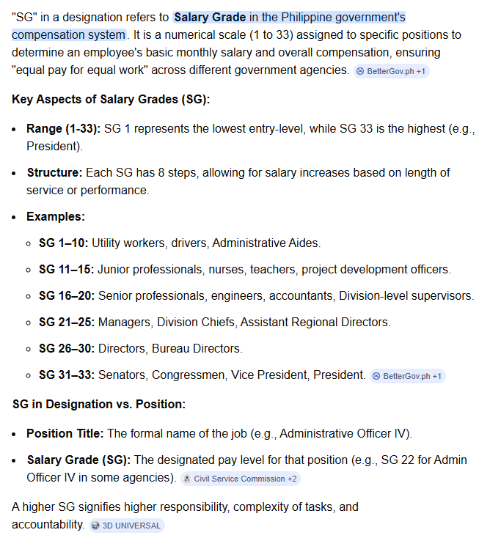
Teacher III (Elementary) | 13
Teacher IV (Elementary) | 14
Teacher V (Elementary) | 15
Teacher VI (Elementary) | 16
Teacher VII (Elementary) | 17
Teacher I (Secondary) | 11
Teacher II (Secondary) | 12
Teacher III (Secondary) | 13
Teacher IV (Secondary) | 14
Teacher V (Secondary) | 15
Teacher VI (Secondary) | 16
Teacher VII (Secondary) | 17
Master Teacher I (Elementary) | 18
Master Teacher II (Elementary) | 19
Master Teacher III (Elementary) | 20
Master Teacher IV (Elementary) | 21
Master Teacher V (Elementary) | 22
Master Teacher I (Secondary) | 18
Master Teacher II (Secondary) | 19
Master Teacher III (Secondary) | 20
Master Teacher IV (Secondary) | 21
Master Teacher V (Secondary) | 22
Teacher I (Senior High School Teacher I - Academic Track and Core Subjects) | 11
Teacher II (Senior High School Teacher II - Academic and Core Subjects | 12
Teacher III (Senior High School Teacher III - Academic and Core Subjects | 13
Teacher IV (Senior High School Teacher IV - Academic and Core Subjects | 14
Teacher V (Senior High School Teacher V - Academic and Core Subjects | 15
Teacher VI (Senior High School Teacher VI - Academic and Core Subjects | 16
Teacher VII (Senior High School Teacher VII - Academic and Core Subjects | 17
Master Teacher I (Senior High School Master Teacher I - Academic Track and Core Subjects) | 18
Master Teacher II (Senior High School Master Teacher II - Academic Track and Core Subjects) | 19
Master Teacher III (Senior High School Master Teacher III - Academic Track and Core Subjects) | 20
Master Teacher IV (Senior High School Master Teacher IV - Academic Track and Core Subjects) | 21
Master Teacher V (Senior High School Master Teacher V - Academic Track and Core Subjects) | 22
Teacher I (Senior High School Teacher I - Arts and Design Track) | 11
Teacher II (Senior High School Teacher II - Arts and Design Track) | 12
Teacher III (Senior High School Teacher III - Arts and Design Track) | 13
Teacher IV (Senior High School Teacher IV - Arts and Design Track) | 14
Teacher V (Senior High School Teacher V - Arts and Design Track) | 15
Teacher VI (Senior High School Teacher VI - Arts and Design Track) | 16
Teacher VII (Senior High School Teacher VII - Arts and Design Track) | 17
Master Teacher I (Senior High School Master Teacher I - Arts and Design Track) | 18
Master Teacher II (Senior High School Master Teacher II - Arts and Design Track) | 19
Master Teacher III (Senior High School Master Teacher III - Arts and Design Track) | 20
Master Teacher IV (Senior High School Master Teacher IV - Arts and Design Track) | 21
Master Teacher V (Senior High School Master Teacher V - Arts and Design Track) | 22
Teacher I (Senior High School Teacher I - Sports Track) | 11
Teacher II (Senior High School Teacher II - Sports Track) | 12
Teacher III (Senior High School Teacher III - Sports Track) | 13
Teacher IV (Senior High School Teacher IV - Sports Track) | 14
Teacher V (Senior High School Teacher V - Sports Track) | 15
Teacher VI (Senior High School Teacher VI - Sports Track) | 16
Teacher VII (Senior High School Teacher VII - Sports Track) | 17
Master Teacher I (Senior High School Master Teacher I - Sports Track) | 18
Master Teacher II (Senior High School Master Teacher II - Sports Track) | 19
Master Teacher III (Senior High School Master Teacher III - Sports Track) | 20
Master Teacher IV (Senior High School Master Teacher IV - Sports Track) | 21
Master Teacher V (Senior High School Master Teacher V - Sports Track) | 22
Teacher I (Senior High School Teacher I - Technical Vocational Track (TVL)) | 11
Teacher II (Senior High School Teacher II - Technical Vocational Track (TVL)) | 12
Teacher III (Senior High School Teacher III - Technical Vocational Track (TVL)) | 13
Teacher IV (Senior High School Teacher IV - Technical Vocational Track (TVL)) | 14
Teacher V (Senior High School Teacher V - Technical Vocational Track (TVL)) | 15
Teacher VI (Senior High School Teacher VI - Technical Vocational Track (TVL)) | 16
Teacher VII (Senior High School Teacher VII - Technical Vocational Track (TVL)) | 17
Master Teacher I (Senior High School Master Teacher I - Technical Vocational Track (TVL)) | 18
Master Teacher II (Senior High School Master Teacher II - Technical Vocational Track (TVL)) | 19
Master Teacher III (Senior High School Master Teacher III - Technical Vocational Track (TVL)) | 20
Master Teacher IV (Senior High School Master Teacher IV - Technical Vocational Track (TVL)) | 21
Master Teacher V (Senior High School Master Teacher V - Technical Vocational Track (TVL)) | 22
Guidance Coordinator I | 14
Guidance Coordinator II | 15
Guidance Coordinator III | 16
Guidance Counselor I | 11
Guidance Counselor II | 12
Guidance Counselor III | 13
Guidance Services Associate I | 12
Guidance Services Associate II | 14
Guidance Services Specialist I | 16
Guidance Services Specialist II | 18
Guidance Services Specialist III | 20
Guidance Services Specialist IV | 22
Guidance Services Specialist V | 24
Special Science Teacher I | 13
SPED Teacher I | 14
SPED Teacher II | 15
SPED Teacher III | 16
Attorney III | 21
Accountant III | 19
Information Technology Officer I | 19
Administrative Officer V | 18
Administrative Officer IV | 15
Administrative Officer II | 11
Project Development Officer I | 11
Administrative Assistant III | 9
Administrative Assistant II | 8
Administrative Assistant I | 7
Administrative Aide VI | 6
Administrative Aide IV | 4
Administrative Aide I | 1
Chief Education Supervisor *for CID/SGOD Chief | 24
Education Program Supervisor *for LRMDS Manager, QA Coord. | 22
Education Program Supervisor | 22
Public Schools District Supervisor | 22
Education Program Specialist II *for ALS | 16
Librarian II | 15
Project Development Officer II | 15
Medical Officer III | 21
Engineer III | 19
Senior Education Program Specialist | 19
Planning Officer III | 18
Dentist II | 17
Education Program Specialist II *for Human Resource Division | 16
Education Program Specialist II *for School Management Monitoring and Evaluation | 16
Education Program Specialist II *for School Mobilization and Networking | 16
Project Development Officer II *for DRRM | 15
Nurse II | 15
Project Development Officer I (Youth Formation Coordinator) | 11

