Overview
 Portolio Project | Grammy.com Web Analytics

— Your Job
Are you excited to dive into data work for an exciting project at The Recording Academy? You know, the non-profit organization behind the Grammy Awards! In this project, you'll work on real data from both websites owned by The Recording Academy, the non-profit organization behind the famous Grammy Awards. As you just learned, Ray Starck, the VP of Digital Strategy, decided to split the websites into grammy.com and recordingacademy.com to better serve the Recording Academy's various audience needs. Now, you are tasked with examining the effect of splitting up the two websites, and analyzing the data for a better understanding of trends and audience behavior on both sites. Are you ready?!?! Let's do this!

— Your Skills
For this task, you'll engage the following skills: (1) Prepare the data by transforming it. (2) Calculate business KPIs (3) Make recommendations for the organization.

— Ready to Begin? Click the next tab below to explore the data dictionary!

Complete Your Analysis!
About Your Analysis
• All of your answers should be typed or pasted into the grey boxes. • Questions with grey answer boxes expect a specific answer. If you input the correct answer, the question number box will change from blue to green. • Questions with yellow answer boxes are free response questions. There will be no change in the question number boxes (in blue), regardless of answer. • For hints for each question, hover your mouse over the blue hint box to get helpful information!

Now, it's time to analyze!

Part 1: Explore the Data
 | To begin the data exploration you will be looking at the Grammys Data sheet. The data contained there includes all the data provided by The Recording Academy, the organization behind The Grammy Awards. |  | Note!

1a | Create a line chart of the number of daily visitors to the Grammy.com website. See if you can spot the days the Grammy Awards are hosted. Use the Grammys Data sheet for this graph. The horizontal axis should be the date field. |  | Hint!

Daily Grammy.com Visitors
 | visitors
1/1/2017 | 9611
1/2/2017 | 10752
1/3/2017 | 11425
1/4/2017 | 13098
1/5/2017 | 12234
1/6/2017 | 11461
1/7/2017 | 11183
1/8/2017 | 16265
1/9/2017 | 17852
1/10/2017 | 14211
1/11/2017 | 13456
1/12/2017 | 13616
1/13/2017 | 11880
1/14/2017 | 11888
1/15/2017 | 12706
1/16/2017 | 12691
1/17/2017 | 13260
1/18/2017 | 14483
1/19/2017 | 13551
1/20/2017 | 13215
1/21/2017 | 12578
1/22/2017 | 16502
1/23/2017 | 14620
1/24/2017 | 17787
1/25/2017 | 15447
1/26/2017 | 15211
1/27/2017 | 14007
1/28/2017 | 12950
1/29/2017 | 16137
1/30/2017 | 18765
1/31/2017 | 35148
2/1/2017 | 28565
2/2/2017 | 27502
2/3/2017 | 22888
2/4/2017 | 25069
2/5/2017 | 30728
2/6/2017 | 34723
2/7/2017 | 47583
2/8/2017 | 52279
2/9/2017 | 73648
2/10/2017 | 91058
2/11/2017 | 133362
2/12/2017 | 1930245
2/13/2017 | 1057729
2/14/2017 | 213939
2/15/2017 | 105345
2/16/2017 | 72888
2/17/2017 | 62042
2/18/2017 | 56309
2/19/2017 | 45545
...
 | The Grammy Awards days are the largest spike during either the end of January or beginning of February each year.

1b | What can you say about the visitors to the website by looking at the graph?

 | The Grammy.com visitor count experiences a large spike twice a year. The smaller annual spike is likely the day when Grammy nominees are announced, while the larger annual spike is likely the day when Grammy winners are announced at the ceremony.

 |  |  |  | Place the PivotTable for Task 2a below.
2a | Using the Grammys Data sheet, create a PivotTable to compare the average daily website visitors on days when an award ceremony was held to those when no awards ceremonies were held. |  | Hint! | Row Labels | Average of visitors
 |  |  |  | Grammy Awards | 1389590.2308
2b | What can you say about these results? Roughly how many more visitors are on the website for the Grammy Awards ceremony versus a regular day? |  |  | Regular Day | 32388.276943
 |  |  |  | Grand Total | 39921.848847
 | These results, which indicate a 40+-fold increase in the number of Grammy.com visitors on the days when the Grammy Awards ceremony are held, confirm the implication of the line chart that the visitor count spikes significantly on Grammy Awards ceremony days.

3 | February 1st, 2022 marks the transition from when Grammy.com began to only host Grammys content instead of both Recording Academy and Grammys content. Fill in the values in the website_content column in the Grammys Data sheet. This column will have the value "Grammys" if the date occurred on or after 2/1/2022 and the value "Grammys + TRA" otherwise. |  | Hint!

Part 2: Analyze the Data
 | The Recording Academy is interested in several KPIs (Key Performance Indicators) to determine if the change from one site to two separate sites has improved these KPIs. In the section below you will calculate bounce rate, pages per session, and average time on site KPIs. |  | Note!

 | Calculate the pages_per_session metric by first finding the total pageviews and then dividing that by the total number of sessions. Pages per session is an important measure of how many unique pages a user views before leaving the site -- it's a strong indicator of user engagement.
4a | What is the pages_per_session on the Recording Academy data? | 2.78 | Hint!
4b | What is the pages_per_session on the Grammys data? | 2.25 |  | Row Labels | Sum of pageviews | Sum of sessions
4c | What is the pages_per_session on the Grammys + TRA data? | 1.86 |  | Grammys | 149619377 | 80414221
 | Calculate the bounce_rate metric. You will need to first calculate the total bounced_sessions and divide by the total number of sessions. Bounce rate is an important metric that calculates the percentage of users (aka sessions) that come to your site and never interact with the page and leave. They are said to have "bounced" off your home page. It is a measure of how engaging your home page is with users. |  |  | Grammys + TRA | 54576120 | 24220888
5a | What is the bounce_rate on the Recording Academy data? | 33.7% | Hint! | Grand Total | 204195497 | 104635109
5b | What is the bounce_rate on the Grammys data? | 40.2%
5c | What is the bounce_rate on the Grammys + TRA data? | 41.6%
 | Calculate the average_time_on_site metric. To do this, you only need to calculate the average of the avg_session_duration_secs column. Average Time on Site measures how engaging your website experience is for your users. The higher the number, the longer they are staying on your page and engaging with the content.
6a | What is the average_time_on_site on the Recording Academy data? | 128.50 | Hint!
6b | What is the average_time_on_site on the Grammys data? | 82.99
6c | What is the average_time_on_site on the Grammys + TRA data? | 102.85
Part 3: Device Breakdown
 | Ray and team want to know the percentage of visitors coming from mobile devices (iOS, Android, Tablets). They want to optimize the experience for mobile users but need to understand the percentage of mobile users in order to determine the impact it will have on the site.

7a | In the Grammys Data sheet, use XLOOKUP to populate the missing column in the grammys table. Search for dates within the mobile_visits table, return corresponding mobile_visitors values. If the date is not found, the function should return the numeric value 0. |  | Hint!

7b | What percentage of uses across all dates in the dataset use a mobile device to visit the website? To calculate this value, you will calculate the total number of mobile_visitors and divide by the total number of visitors | 73.7% | Hint!
Part 4: Communicate Findings
8 | Using the work you did in this project, would you recommend that the websites stay separate? Please give a 2-3 paragraph answer using details from the analysis work above explaining why or why not they should stay separate. |  | Hint!

 | Based on the data analysis above, I recommend that the websites stay separate. This is due to the fact that the overwhelming majority of KPIs suggest that the separation of the Grammys and The Recording Academy into two websites resulted in more interactions from viewers of the each website. Specifically, the number of pages visited per session by viewers of both the Grammy and TRA website notably exceeded that of when the two were combined, and the percentage of viewers who left the website without interacting with it decreased from the original combined website to both the Grammy and TRA website. These findings imply that viewers' attention and interest are captured more effectively when the TRA and Grammys are separated than when they are kept as a singular website. The only KPI that speaks against this change is the decrease in the average time on site from the Grammys and TRA's combined website to the Grammys website. Even still, this effect is mitigated, if not completely negated, by the increase in the average time on site from the Grammys and TRA's combined site to the Recording Academy's separate website; this mitigation is heightened by the fact that this positive change is larger than the aforementioned negative change. Nonetheless, even if the overall average time on site decreased after the separation of the Grammys and TRA into two websites (this too can be measured with the provided data), the overall improvement in the frequency of website interactions per visit outweighs this negative, as the supporting data for the positive impact of separating the Grammys and TRA is far more substantiated and predominant.

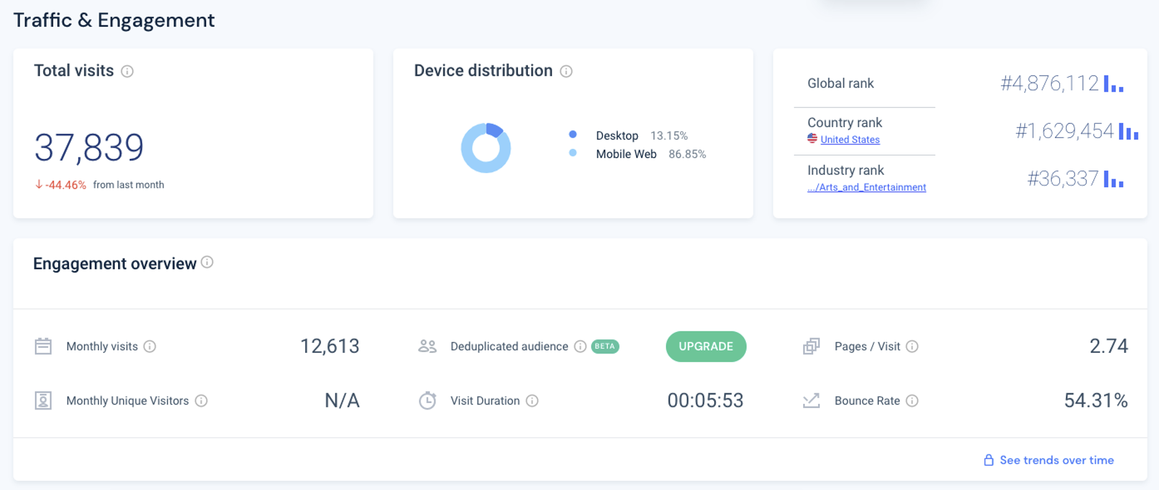
9 | Ray's team is also interested in comparing metrics of the Grammy.com website to that of their main competitor, The American Music Awards (theAMAs.com). On the right you will find a dashboard of the key metrics from The AMAs, use your findings from above to give feedback to Ray and team on which metrics are performing better / worse relative to the competition.

 | While the bounce rates of the TRA and Grammys websites are both better than the bounce rate of the AMAs website and the pages per visit of the TRA website exceed those of the AMAs website, the AMAs website's pages per visit are higher than the Grammys' and the average visit duration of the AMAs website is significantly longer than both the Grammys and TRA websites'. Additionally, the percentage of the AMA website viewers who visit the website on a mobile device is also notably larger than the percentage of Grammys website visitors who view the website via a mobile device.

LevelUp! A/B Test in Excel
 | In your calculations for Ray, you noticed that there was indeed a difference in the pages_per_session metric between the "Grammys + TRA" content and the Recording Academy Data sheet. He wants to know if that difference is statistically significant and wants you to perform an A/B Test on the results. You have been provided with the control and test numbers in the AB Testing sheet. Use those to complete the analysis below.

10a | In words, state the null hypothesis for the A/B test. |  | Hint!
 | The diffference between the pages per session of the Grammys + TRA website and the TRA website is not statistically significant.

 | In words, state the alternative hypothesis for the A/B test.
 | The diffference between the pages per session of the Grammys + TRA website and the TRA website is not statistically significant.

10b | Use the Data Analysis Toolpak to run an A/B test between the control group and test group. |  | Note!

10c | From the output of the A/B test, is there evidence at the 95% confidence level that the pages_per_session between the two websites are different? Why or Why not? Note: Pay attention to scientific notation when analyzing the results!

 | Based on the output from the A/B test, there is evidence at the 95% confidence level that the difference between the two websites' pages per session is statistically significant because the p-value is less than 0.05.

