Standard Curve 1_02
Measurement results
Equine_IGFBP2_Sigma_07_30_26 (2).skax
2026-07-30T16:35:12-05:00

Standard Curve 1

Fit type: 4PL
Concentration transformation: Logarithmic
Signal transformation: Linear
Wavelength: 450 nm
Saved curve: No
Sample group: Group 1

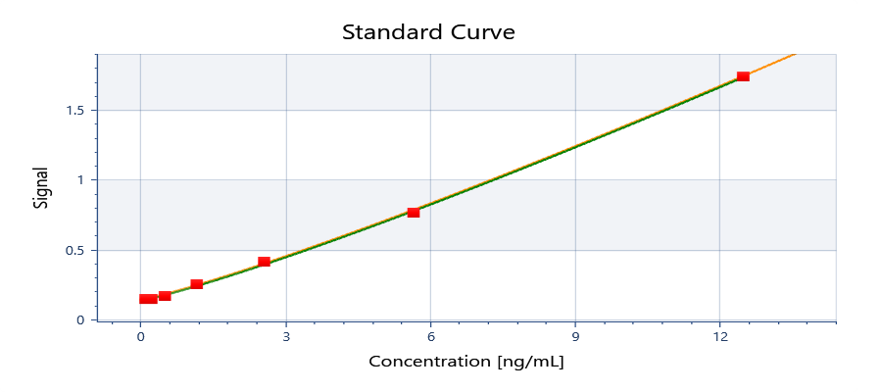

y = 1.4738E+06 + ( (0.13746 - 1.4738E+06) / ( 1 + (x/1.8634E+06)^1.15281) )

y = d + ( (a - d) / ( 1 + (x/c)^b) )
Where:
a = | 0.13746
b = | 1.15281
c = | 1863400
d = | 1473800

R²: 0.999

Well | Sample | Conc. [ng/mL] | Original signal | CV% | Fitted signal | Residual
Average | Std10001 | 12.5000 | 1.74197 | NaN | 1.73886 | 0.00310750
G01 | Std10001 | 12.5000 | 1.74197 |  | 1.73886 | 0.00310750
Average | Std20001 | 5.68182 | 0.767163 | 4.78352 | 0.782747 | -0.0155839
F01 | Std20001 | 5.68182 | 0.741214 |  | 0.782747 | -0.0415329
F02 | Std20001 | 5.68182 | 0.793112 |  | 0.782747 | 0.0103651
Average | Std30001 | 2.58264 | 0.415303 | 0.205848 | 0.397479 | 0.0178235
E01 | Std30001 | 2.58264 | 0.415907 |  | 0.397479 | 0.0184280
E02 | Std30001 | 2.58264 | 0.414698 |  | 0.397479 | 0.0172190
Average | Std40001 | 1.17393 | 0.251045 | 8.62065 | 0.242235 | 0.00881009
D01 | Std40001 | 1.17393 | 0.235742 |  | 0.242235 | -0.00649291
D02 | Std40001 | 1.17393 | 0.266348 |  | 0.242235 | 0.0241131
Average | Std50001 | 0.533604 | 0.170552 | 1.23509 | 0.179679 | -0.00912769
C01 | Std50001 | 0.533604 | 0.172041 |  | 0.179679 | -0.00763819
C02 | Std50001 | 0.533604 | 0.169062 |  | 0.179679 | -0.0106172
Average | Std60001 | 0.242547 | 0.149166 | 2.73142 | 0.154472 | -0.00530631
B01 | Std60001 | 0.242547 | 0.146285 |  | 0.154472 | -0.00818731
B02 | Std60001 | 0.242547 | 0.152047 |  | 0.154472 | -0.00242531
Average | Std70001 | 0.110249 | 0.144596 | 1.30521 | 0.144315 | 0.000280324
A01 | Std70001 | 0.110249 | 0.143261 |  | 0.144315 | -0.00105418
A02 | Std70001 | 0.110249 | 0.145930 |  | 0.144315 | 0.00161482

Plate 1

Signal | 1 | 2 | 3 | 4
A | 0.143261 | 0.145930 | 0.663585 | 0.691978
B | 0.146285 | 0.152047 | 0.371472 | 0.327563
C | 0.172041 | 0.169062 | 0.227810 | 0.215925
D | 0.235742 | 0.266348 | 0.192833 | 0.177369
E | 0.415907 | 0.414698 | 1.04887 | 1.01085
F | 0.741214 | 0.793112 | 0.775640 | 0.727850
G | 1.74197 | 1.32713 | 0.750956 | 0.668748
H |  | 1.28449 | 0.711589 | 0.713353

Conc. [ng/mL] | 1 | 2 | 3 | 4
A | 0.0953827 | 0.132453 | 4.75966 | 4.98169
B | 0.137256 | 0.212253 | 2.35703 | 1.96824
C | 0.448782 | 0.415048 | 1.03238 | 0.913496
D | 1.11056 | 1.40499 | 0.675141 | 0.508183
E | 2.74069 | 2.73037 | 7.66603 | 7.38785
F | 5.36320 | 5.76090 | 5.62750 | 5.26007
G | 12.5210 | 9.65929 | 5.43819 | 4.80015
H |  | 9.35825 | 5.13417 | 5.14785

Sample | 1 | 2 | 3 | 4
A | Std7 0.11 | Std7 0.11 | Serum 100X | Serum 100X
B | Std 0.243 | Std 0.243 | Serum 200X | Serum 200X
C | Std5 0.534 | Std5 0.534 | Serum 400X | Serum 400X
D | Std4 1.174 | Std4 1.174 | Serum 800X | Serum 800X
E | Std3 2.583 | Std3 2.583 | SP1 3.125 | SP1 3.125
F | Std2 5.682 | Std2 5.682 | SP2 1.5625 | SP2 1.5625
G | Std1 12.5 | Serum 50X | SP3 0.78125 | SP3 0.78125
H | Blank1 | Serum 50X | SP4 0.391 | SP4 0.391

Autoloading range A1 - M100

Standard Curve 2_04
Measurement results
Equine_IGFBP2_Sigma_07_30_26 (2).skax
2026-07-30T16:35:12-05:00

Standard Curve 2

Fit type: 4PL
Concentration transformation: Logarithmic
Signal transformation: Linear
Wavelength: 450 nm
Saved curve: No
Sample group: Group 1

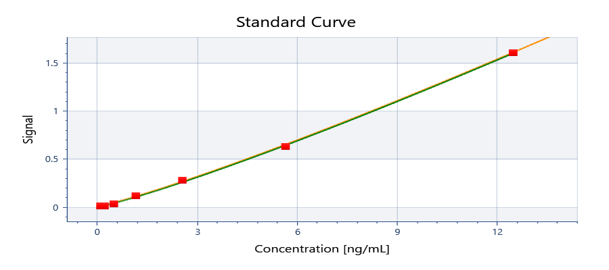

y = 1.52512E+06 + ( (0.00242809 - 1.52512E+06) / ( 1 + (x/1.91956E+06)^1.15281) )

y = d + ( (a - d) / ( 1 + (x/c)^b) )
Where:
a = | 0.00242809
b = | 1.15281
c = | 1919560
d = | 1525120

R²: 0.999

Well | Sample | Conc. [ng/mL] | Original signal | CV% | Fitted signal | Residual
Average | Std10001 | 12.5000 | 1.60694 | NaN | 1.60383 | 0.00310535
G01 | Std10001 | 12.5000 | 1.60694 |  | 1.60383 | 0.00310535
Average | Std20001 | 5.68182 | 0.632131 | 5.80535 | 0.647716 | -0.0155847
F01 | Std20001 | 5.68182 | 0.606182 |  | 0.647716 | -0.0415337
F02 | Std20001 | 5.68182 | 0.658080 |  | 0.647716 | 0.0103643
Average | Std30001 | 2.58264 | 0.280271 | 0.305024 | 0.262447 | 0.0178232
E01 | Std30001 | 2.58264 | 0.280875 |  | 0.262447 | 0.0184277
E02 | Std30001 | 2.58264 | 0.279666 |  | 0.262447 | 0.0172187
Average | Std40001 | 1.17393 | 0.116013 | 18.6546 | 0.107203 | 0.00880995
D01 | Std40001 | 1.17393 | 0.100710 |  | 0.107203 | -0.00649305
D02 | Std40001 | 1.17393 | 0.131316 |  | 0.107203 | 0.0241129
Average | Std50001 | 0.533604 | 0.0355195 | 5.93046 | 0.0446472 | -0.00912774
C01 | Std50001 | 0.533604 | 0.0370090 |  | 0.0446472 | -0.00763824
C02 | Std50001 | 0.533604 | 0.0340300 |  | 0.0446472 | -0.0106172
Average | Std60001 | 0.242547 | 0.0141340 | 28.8266 | 0.0194403 | -0.00530633
B01 | Std60001 | 0.242547 | 0.0112530 |  | 0.0194403 | -0.00818733
B02 | Std60001 | 0.242547 | 0.0170150 |  | 0.0194403 | -0.00242533
Average | Std70001 | 0.110249 | 0.00956350 | 19.7341 | 0.00928318 | 0.000280316
A01 | Std70001 | 0.110249 | 0.00822900 |  | 0.00928318 | -0.00105418
A02 | Std70001 | 0.110249 | 0.0108980 |  | 0.00928318 | 0.00161482

Plate 1

Signal | 1 | 2 | 3 | 4
A | 0.00822900 | 0.0108980 | 0.528553 | 0.556946
B | 0.0112530 | 0.0170150 | 0.236440 | 0.192531
C | 0.0370090 | 0.0340300 | 0.0927780 | 0.0808930
D | 0.100710 | 0.131316 | 0.0578010 | 0.0423370
E | 0.280875 | 0.279666 | 0.913838 | 0.875818
F | 0.606182 | 0.658080 | 0.640608 | 0.592818
G | 1.60694 | 1.19210 | 0.615924 | 0.533716
H |  | 1.14946 | 0.576557 | 0.578321
 |  |  |  |  |  |  | Calculation of dilution linearity recovery
Conc. [ng/mL] | 1 | 2 | 3 | 4 |  |  | Dilution factor | Measured | Corrected | Recovery (%)
A | 0.0953826 | 0.132453 | 4.75966 | 4.98169 |  |  | 50 | 9.50876 | 475.438 | 97.612343258
B | 0.137256 | 0.212252 | 2.35702 | 1.96824 |  |  | 100 | 4.870675 | 487.0675 | 100
C | 0.448782 | 0.415048 | 1.03238 | 0.913495 |  |  | 200 | 2.16263 | 432.526 | 88.802065422
D | 1.11056 | 1.40499 | 0.675140 | 0.508182 |  |  | 400 | 0.9729375 | 389.175 | 79.901656341
E | 2.74069 | 2.73036 | 7.66602 | 7.38784 |  |  | 800 | 0.591661 | 473.3288 | 97.179302663
F | 5.36320 | 5.76090 | 5.62749 | 5.26007
G | 12.5210 | 9.65928 | 5.43819 | 4.80015
H |  | 9.35824 | 5.13416 | 5.14784

Sample | 1 | 2 | 3 | 4
A | Std7 0.11 | Std7 0.11 | Serum 100X | Serum 100X |  |  | Calculation of spike recovery
B | Std 0.243 | Std 0.243 | Serum 200X | Serum 200X |  |  |  | Expected | Experimental | Recovery (%)
C | Std5 0.534 | Std5 0.534 | Serum 400X | Serum 400X |  |  | Spike 1 | 6.778 | 7.526 | 111.03570375
D | Std4 1.174 | Std4 1.174 | Serum 800X | Serum 800X |  |  | Spike 2 | 5.82 | 5.44 | 93.470790378
E | Std3 2.583 | Std3 2.583 | SP1 3.125 | SP1 3.125 |  |  | Spike 3 | 5.34 | 5.21 | 97.565543071
F | Std2 5.682 | Std2 5.682 | SP2 1.5625 | SP2 1.5625 |  |  | Spike 4 | 5.1 | 5.14 | 100.78431373
G | Std1 12.5 | Serum 50X | SP3 0.78125 | SP3 0.78125
H | Blank1 | Serum 50X | SP4 0.391 | SP4 0.391 |  |  | Spikes Preparation |  |  | For the spikes preperation I have used 100X diluted serum sample
 |  |  |  |  |  |  |  | Vol (uL) of standard (12.5 ng/mL) | Vol (uL) of sample
Autoloading range A1 - M100 |  |  |  |  |  |  | Spike 1 | 375 | 125
 |  |  |  |  |  |  | Spike 2 | 437.5 | 62.5
 |  |  |  |  |  |  | Spike 3 | 468.75 | 31.25
 |  |  |  |  |  |  | Spike 4 | 484.4 | 15.625

