Standard Curve 1_02
Measurement results
Equine_IGFBP2_RayBiotech_08_10_26 (1).skax
2026-08-10T16:37:20-05:00

Standard Curve 1

Fit type: 4PL
Concentration transformation: Logarithmic
Signal transformation: Linear
Wavelength: 450 nm
Saved curve: No
Sample group: Group 1

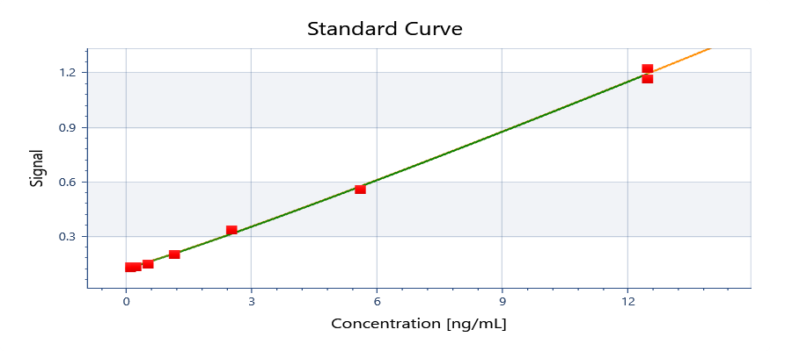

y = 1.19488E+06 + ( (0.117035 - 1.19488E+06) / ( 1 + (x/4.90824E+06)^1.08089) )

y = d + ( (a - d) / ( 1 + (x/c)^b) )
Where:
a = | 0.117035
b = | 1.08089
c = | 4908240
d = | 1194880

R²: 0.999

Well | Sample | Conc. [ng/mL] | Original signal | CV% | Fitted signal | Residual
Average | Std10001 | 12.5000 | 1.22285 | NaN | 1.19056 | 0.0322944
G01 | Std10001 | 12.5000 | 1.22285 |  | 1.19056 | 0.0322944
Average | Std10002 | 12.5000 | 1.16315 | NaN | 1.19056 | -0.0274056
A02 | Std10002 | 12.5000 | 1.16315 |  | 1.19056 | -0.0274056
Average | Std20001 | 5.61820 | 0.555980 | 3.67683 | 0.569311 | -0.0133314
F01 | Std20001 | 5.61820 | 0.570435 |  | 0.569311 | 0.00112356
F02 | Std20001 | 5.61820 | 0.541525 |  | 0.569311 | -0.0277864
Average | Std30001 | 2.55373 | 0.330145 | 3.80535 | 0.309913 | 0.0202312
E01 | Std30001 | 2.55373 | 0.339028 |  | 0.309913 | 0.0291147
E02 | Std30001 | 2.55373 | 0.321261 |  | 0.309913 | 0.0113477
Average | Std40001 | 1.16079 | 0.196298 | 6.35646 | 0.199290 | -0.00299221
D01 | Std40001 | 1.16079 | 0.205121 |  | 0.199290 | 0.00583079
D02 | Std40001 | 1.16079 | 0.187475 |  | 0.199290 | -0.0118152
Average | Std50001 | 0.527630 | 0.145246 | 2.44830 | 0.152114 | -0.00686832
C01 | Std50001 | 0.527630 | 0.147760 |  | 0.152114 | -0.00435382
C02 | Std50001 | 0.527630 | 0.142731 |  | 0.152114 | -0.00938282
Average | Std60001 | 0.239832 | 0.130489 | 6.91993 | 0.131995 | -0.00150596
B01 | Std60001 | 0.239832 | 0.136874 |  | 0.131995 | 0.00487904
B02 | Std60001 | 0.239832 | 0.124104 |  | 0.131995 | -0.00789096
Average | Std70001 | 0.109014 | 0.128236 | NaN | 0.123415 | 0.00482095
A01 | Std70001 | 0.109014 | 0.128236 |  | 0.123415 | 0.00482095
Average | Std70002 | 0.109014 | 0.122639 | NaN | 0.123415 | -0.000776053
G02 | Std70002 | 0.109014 | 0.122639 |  | 0.123415 | -0.000776053

Plate 1

Signal | 1 | 2 | 3 | 4 | 5 | 6 | 7 | 8 | 9 | 10 | 11 | 12
A | 0.128236 | 1.16315 | 0.805990 | 0.672468
B | 0.136874 | 0.124104 | 0.419622 | 0.374728
C | 0.147760 | 0.142731 | 0.247440 | 0.245516
D | 0.205121 | 0.187475 | 0.181679 | 0.194190
E | 0.339028 | 0.321261 | 0.684750 | 0.646458
F | 0.570435 | 0.541525 | 0.496595 | 0.497529
G | 1.22285 | 0.122639 | 0.494094 | 0.432116
H |  |  | 0.581284 | 0.535875

Conc. [ng/mL] | 1 | 2 | 3 | 4 | 5 | 6 | 7 | 8 | 9 | 10 | 11 | 12
A | 0.183499 | 12.2045 | 8.29288 | 6.79434
B | 0.311404 | 0.119864 | 3.87352 | 3.33871
C | 0.466748 | 0.395607 | 1.77790 | 1.75361
D | 1.23671 | 1.00565 | 0.928852 | 1.09404
E | 2.90845 | 2.69243 | 6.93323 | 6.49946
F | 5.63111 | 5.29812 | 4.77717 | 4.78804
G | 12.8475 | 0.0966873 | 4.74804 | 4.02127
H |  |  | 5.75566 | 5.23284

Sample | 1 | 2 | 3 | 4 | 5 | 6 | 7 | 8 | 9 | 10 | 11 | 12
A | Std7 0.11 | Std1 12.5 | Serum 50X | Serum 50X
B | Std 0.243 | Std 0.243 | Serum 100X | Serum 100X
C | Std5 0.534 | Std5 0.534 | Serum 200X | Serum 200X
D | Std4 1.174 | Std4 1.174 | Serum 400X | Serum 400X
E | Std3 2.583 | Std3 2.583 | SP1 3.125 | SP1 3.125
F | Std2 5.682 | Std2 5.682 | SP2 1.5625 | SP2 1.5625
G | Std1 12.5 | Std7 0.11 | SP3 0.78125 | SP3 0.78125
H | Blank1 | Blank1 | SP4 0.391 | SP4 0.391

Autoloading range A1 - M103

Standard Curve 2_04
Measurement results
Equine_IGFBP2_RayBiotech_08_10_26 (1).skax
2026-08-10T16:37:20-05:00

Standard Curve 2

Fit type: 4PL
Concentration transformation: Logarithmic
Signal transformation: Linear
Wavelength: 450 nm
Saved curve: No
Sample group: Group 1

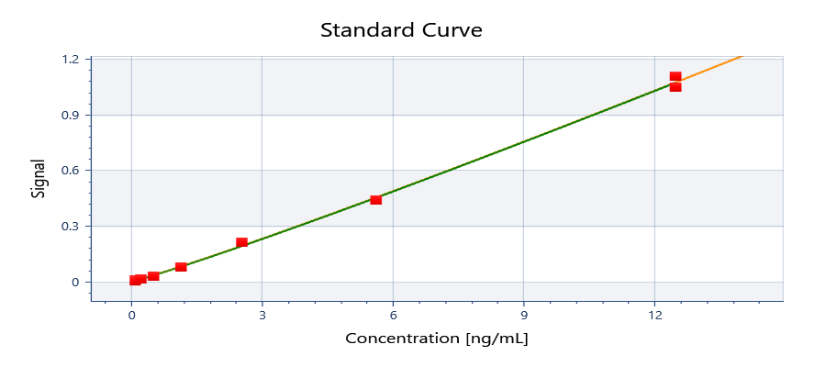

y = 1.09544E+06 + ( (-0.000401608 - 1.09544E+06) / ( 1 + (x/4.52911E+06)^1.08089) )

y = d + ( (a - d) / ( 1 + (x/c)^b) )
Where:
a = | -0.000401608
b = | 1.08089
c = | 4529110
d = | 1095440

R²: 0.999

Well | Sample | Conc. [ng/mL] | Original signal | CV% | Fitted signal | Residual
Average | Std10001 | 12.5000 | 1.10541 | NaN | 1.07312 | 0.0322943
G01 | Std10001 | 12.5000 | 1.10541 |  | 1.07312 | 0.0322943
Average | Std10002 | 12.5000 | 1.04571 | NaN | 1.07312 | -0.0274057
A02 | Std10002 | 12.5000 | 1.04571 |  | 1.07312 | -0.0274057
Average | Std20001 | 5.61820 | 0.438543 | 4.66145 | 0.451874 | -0.0133315
F01 | Std20001 | 5.61820 | 0.452998 |  | 0.451874 | 0.00112354
F02 | Std20001 | 5.61820 | 0.424088 |  | 0.451874 | -0.0277865
Average | Std30001 | 2.55373 | 0.212708 | 5.90631 | 0.192476 | 0.0202312
E01 | Std30001 | 2.55373 | 0.221591 |  | 0.192476 | 0.0291147
E02 | Std30001 | 2.55373 | 0.203824 |  | 0.192476 | 0.0113477
Average | Std40001 | 1.16079 | 0.0788610 | 15.8223 | 0.0818532 | -0.00299221
D01 | Std40001 | 1.16079 | 0.0876840 |  | 0.0818532 | 0.00583079
D02 | Std40001 | 1.16079 | 0.0700380 |  | 0.0818532 | -0.0118152
Average | Std50001 | 0.527630 | 0.0278085 | 12.7876 | 0.0346768 | -0.00686832
C01 | Std50001 | 0.527630 | 0.0303230 |  | 0.0346768 | -0.00435382
C02 | Std50001 | 0.527630 | 0.0252940 |  | 0.0346768 | -0.00938282
Average | Std60001 | 0.239832 | 0.0130520 | 69.1829 | 0.0145580 | -0.00150596
B01 | Std60001 | 0.239832 | 0.0194370 |  | 0.0145580 | 0.00487904
B02 | Std60001 | 0.239832 | 0.00666700 |  | 0.0145580 | -0.00789096
Average | Std70001 | 0.109014 | 0.0107990 | NaN | 0.00597806 | 0.00482094
A01 | Std70001 | 0.109014 | 0.0107990 |  | 0.00597806 | 0.00482094
Average | Std70002 | 0.109014 | 0.00520200 | NaN | 0.00597806 | -0.000776056
G02 | Std70002 | 0.109014 | 0.00520200 |  | 0.00597806 | -0.000776056

Plate 1

Signal | 1 | 2 | 3 | 4
A | 0.0107990 | 1.04571 | 0.688553 | 0.555031
B | 0.0194370 | 0.00666700 | 0.302185 | 0.257291
C | 0.0303230 | 0.0252940 | 0.130003 | 0.128079
D | 0.0876840 | 0.0700380 | 0.0642420 | 0.0767530
E | 0.221591 | 0.203824 | 0.567313 | 0.529021
F | 0.452998 | 0.424088 | 0.379158 | 0.380092
G | 1.10541 | 0.00520200 | 0.376657 | 0.314679
H |  |  | 0.463847 | 0.418438

Conc. [ng/mL] | 1 | 2 | 3 | 4
A | 0.183499 | 12.2045 | 8.29288 | 6.79434
B | 0.311404 | 0.119864 | 3.87352 | 3.33871
C | 0.466748 | 0.395607 | 1.77790 | 1.75361 |  | Calculation of dilution linearity recovery
D | 1.23671 | 1.00565 | 0.928852 | 1.09404 |  | Dilution factor | Measured | Corrected | Recovery (%)
E | 2.90845 | 2.69243 | 6.93323 | 6.49946 |  | 50 | 7.54361 | 377.1805 | 104.5946954
F | 5.63111 | 5.29811 | 4.77717 | 4.78804 |  | 100 | 3.606115 | 360.6115 | 100 | 100X is considered as a reliable dilution
G | 12.8475 | 0.0966873 | 4.74804 | 4.02127 |  | 200 | 1.765755 | 353.151 | 97.931153055
H |  |  | 5.75566 | 5.23284 |  | 400 | 1.011446 | 404.5784 | 112.19231777

Sample | 1 | 2 | 3 | 4 |  | Calculation of spike recovery
A | Std7 0.11 | Std1 12.5 | Serum 50X | Serum 50X |  |  | Expected | Experimental | Recovery (%)
B | Std 0.243 | Std 0.243 | Serum 100X | Serum 100X |  | Spike 1 | 5.83 | 6.716345 | 115.20317324
C | Std5 0.534 | Std5 0.534 | Serum 200X | Serum 200X |  | Spike 2 | 4.718 | 4.782605 | 101.36933022
D | Std4 1.174 | Std4 1.174 | Serum 400X | Serum 400X |  | Spike 3 | 4.162 | 4.384655 | 105.34971168
E | Std3 2.583 | Std3 2.583 | SP1 3.125 | SP1 3.125 |  | Spike 4 | 4.0032 | 5.49425 | 137.24645284
F | Std2 5.682 | Std2 5.682 | SP2 1.5625 | SP2 1.5625
G | Std1 12.5 | Std7 0.11 | SP3 0.78125 | SP3 0.78125
H | Blank1 | Blank1 | SP4 0.391 | SP4 0.391
 |  |  |  |  |  | Spikes Preparation |  |  | For the spikes preperation I have used 100X diluted serum sample
Autoloading range A1 - M103 |  |  |  |  |  |  | Vol (uL) of sample | Vol (uL) of standard (12.5 ng/mL)
 |  |  |  |  |  | Spike 1 | 375 | 125
Notes, "SP1 3.125 = Spike 1 which calibrator concentration is 3.125 ng/mL" |  |  |  |  |  | Spike 2 | 437.5 | 62.5
 |  |  |  |  |  | Spike 3 | 468.75 | 31.25
 |  |  |  |  |  | Spike 4 | 334.375 | 15.625

