Standard Curve 1_02
Measurement results
Porcine_IGFBP5_Raybiotech_08_17_26 (4).skax
2026-08-17T15:45:59-05:00

Standard Curve 1

Fit type: 4PL
Concentration transformation: Logarithmic
Signal transformation: Linear
Wavelength: 450 nm
Saved curve: No
Sample group: Group 1

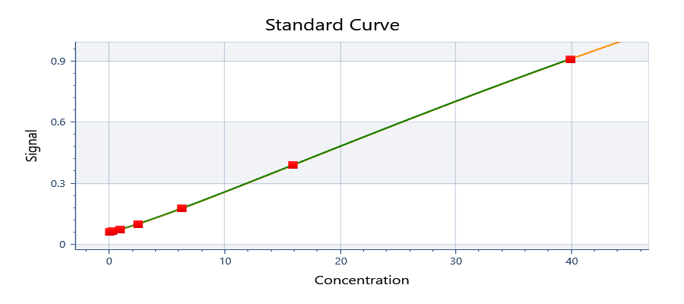

y = 4.56865 + ( (0.0564164 - 4.56865) / ( 1 + (x/137.984)^1.17728) )

y = d + ( (a - d) / ( 1 + (x/c)^b) )
Where:
a = | 0.0564164
b = | 1.17728
c = | 137.984
d = | 4.56865

R²: 0.999

Well | Sample | Conc. | Original signal | CV% | Fitted signal | Residual
Average | Std10001 | 40.0000 | 0.908390 | 0.730934 | 0.908366 | 2.39126E-05
G01 | Std10001 | 40.0000 | 0.903695 |  | 0.908366 | -0.00467109
G02 | Std10001 | 40.0000 | 0.913085 |  | 0.908366 | 0.00471891
Average | Std20001 | 16.0000 | 0.387063 | 5.61447 | 0.387339 | -0.000276080
F01 | Std20001 | 16.0000 | 0.371696 |  | 0.387339 | -0.0156426
F02 | Std20001 | 16.0000 | 0.402429 |  | 0.387339 | 0.0150904
Average | Std30001 | 6.40000 | 0.175778 | 2.62645 | 0.174662 | 0.00111512
E01 | Std30001 | 6.40000 | 0.179042 |  | 0.174662 | 0.00437962
E02 | Std30001 | 6.40000 | 0.172513 |  | 0.174662 | -0.00214938
Average | Std40001 | 2.56000 | 0.0956384 | 4.14334 | 0.0973309 | -0.00169251
D01 | Std40001 | 2.56000 | 0.0928364 |  | 0.0973309 | -0.00449451
D02 | Std40001 | 2.56000 | 0.0984404 |  | 0.0973309 | 0.00110949
Average | Std50001 | 1.02400 | 0.0710392 | 2.38462 | 0.0704122 | 0.000626940
C01 | Std50001 | 1.02400 | 0.0722370 |  | 0.0704122 | 0.00182479
C02 | Std50001 | 1.02400 | 0.0698413 |  | 0.0704122 | -0.000570910
Average | Std60001 | 0.409600 | 0.0609547 | 1.37049 | 0.0611851 | -0.000230415
B01 | Std60001 | 0.409600 | 0.0615454 |  | 0.0611851 | 0.000360285
B02 | Std60001 | 0.409600 | 0.0603640 |  | 0.0611851 | -0.000821115
Average | Std70001 | 0.163840 | 0.0584721 | 0.945316 | 0.0580390 | 0.000433033
A01 | Std70001 | 0.163840 | 0.0580812 |  | 0.0580390 | 4.21827E-05
A02 | Std70001 | 0.163840 | 0.0588629 |  | 0.0580390 | 0.000823883

Plate 1

Signal | 1 | 2 | 3 | 4
A | 0.0580812 | 0.0588629 | 0.473753 | 0.437082
B | 0.0615454 | 0.0603640 | 0.267473 | 0.275576
C | 0.0722370 | 0.0698413 | 0.142918 | 0.147938
D | 0.0928364 | 0.0984404 | 0.125283 | 0.121308
E | 0.179042 | 0.172513 | 0.316213 | 0.311700
F | 0.371696 | 0.402429 | 0.270790 | 0.268496
G | 0.903695 | 0.913085 | 0.257337 | 0.257986
H |  |  | 0.163423 | 0.160349

Conc. | 1 | 2 | 3 | 4
A | 0.167452 | 0.232253 | 19.8341 | 18.2052
B | 0.435770 | 0.348805 | 10.6605 | 11.0249
C | 1.13674 | 0.988302 | 4.87759 | 5.12194
D | 2.31709 | 2.61940 | 4.00528 | 3.80514
E | 6.60639 | 6.29843 | 12.8419 | 12.6408
F | 15.3066 | 16.6688 | 10.8098 | 10.7066
G | 39.7705 | 40.2322 | 10.2036 | 10.2329
H |  |  | 5.86669 | 5.71983

Sample | 1 | 2 | 3 | 4
A | Std7 0.164 | Std7 0.164 | Serum 4X | Serum 4X
B | Std6 0.410 | Std6 0.410 | Serum 8X | Serum 8X
C | Std5 1.024 | Std5 1.024 | Serum 16X | Serum 16X
D | Std4 2.560 | Std4 2.560 | Serum 24X | Serum 24X
E | Std3 6.4 | Std3 6.4 | Spike1 8 | Spike1 8
F | Std2 16 | Std2 16 | Spike2 4 | Spike2 4
G | Std1 40 | Std1 40 | Spike3 2 | Spike3 2
H | Blank1 | Blank1 | Spike4 3 | Spike 3

Autoloading range A1 - M101
 |  |  |  | 8x diluted sample used
 |  |  |  | 16x diluted sample used

Standard Curve 2_04
Measurement results
Porcine_IGFBP5_Raybiotech_08_17_26 (4).skax
2026-08-17T15:45:59-05:00

Standard Curve 2

Fit type: 4PL
Concentration transformation: Logarithmic
Signal transformation: Linear
Wavelength: 450 nm
Saved curve: No
Sample group: Group 1

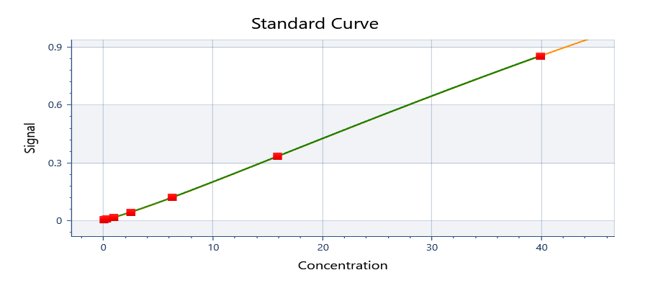

y = 4.51312 + ( (0.000886336 - 4.51312) / ( 1 + (x/137.984)^1.17728) )

y = d + ( (a - d) / ( 1 + (x/c)^b) )
Where:
a = | 0.000886336
b = | 1.17728
c = | 137.984
d = | 4.51312

R²: 0.999

Well | Sample | Conc. | Original signal | CV% | Fitted signal | Residual
Average | Std10001 | 40.0000 | 0.852860 | 0.778526 | 0.852836 | 2.39126E-05
G01 | Std10001 | 40.0000 | 0.848165 |  | 0.852836 | -0.00467109
G02 | Std10001 | 40.0000 | 0.857555 |  | 0.852836 | 0.00471891
Average | Std20001 | 16.0000 | 0.331532 | 6.55487 | 0.331809 | -0.000276080
F01 | Std20001 | 16.0000 | 0.316166 |  | 0.331809 | -0.0156426
F02 | Std20001 | 16.0000 | 0.346899 |  | 0.331809 | 0.0150904
Average | Std30001 | 6.40000 | 0.120247 | 3.83933 | 0.119132 | 0.00111512
E01 | Std30001 | 6.40000 | 0.123512 |  | 0.119132 | 0.00437962
E02 | Std30001 | 6.40000 | 0.116983 |  | 0.119132 | -0.00214938
Average | Std40001 | 2.56000 | 0.0401084 | 9.87980 | 0.0418009 | -0.00169251
D01 | Std40001 | 2.56000 | 0.0373064 |  | 0.0418009 | -0.00449451
D02 | Std40001 | 2.56000 | 0.0429104 |  | 0.0418009 | 0.00110949
Average | Std50001 | 1.02400 | 0.0155091 | 10.9227 | 0.0148822 | 0.000626940
C01 | Std50001 | 1.02400 | 0.0167070 |  | 0.0148822 | 0.00182479
C02 | Std50001 | 1.02400 | 0.0143112 |  | 0.0148822 | -0.000570910
Average | Std60001 | 0.409600 | 0.00542465 | 15.3996 | 0.00565507 | -0.000230415
B01 | Std60001 | 0.409600 | 0.00601535 |  | 0.00565507 | 0.000360285
B02 | Std60001 | 0.409600 | 0.00483395 |  | 0.00565507 | -0.000821115
Average | Std70001 | 0.163840 | 0.00294200 | 18.7881 | 0.00250897 | 0.000433033
A01 | Std70001 | 0.163840 | 0.00255115 |  | 0.00250897 | 4.21827E-05
A02 | Std70001 | 0.163840 | 0.00333285 |  | 0.00250897 | 0.000823883

Plate 1

Signal | 1 | 2 | 3 | 4
A | 0.00255115 | 0.00333285 | 0.418223 | 0.381552
B | 0.00601535 | 0.00483395 | 0.211943 | 0.220046
C | 0.0167070 | 0.0143112 | 0.0873880 | 0.0924080
D | 0.0373064 | 0.0429104 | 0.0697529 | 0.0657780
E | 0.123512 | 0.116983 | 0.260683 | 0.256170
F | 0.316166 | 0.346899 | 0.215260 | 0.212966
G | 0.848165 | 0.857555 | 0.201807 | 0.202456 |  |  | Calculation of dilution linearity recovery
H |  |  | 0.107893 | 0.104819 |  |  | Dilution factor | Measured | Corrected | Recovery (%)
 |  |  |  |  |  |  | 4 | 19.0197 | 76.0786 | 87.707167034
Conc. | 1 | 2 | 3 | 4 |  |  | 8 | 10.8427 | 86.7416 | 100 | 8X is considered as a reliable dilution
A | 0.167452 | 0.232253 | 19.8341 | 18.2052 |  |  | 16 | 4.9998 | 79.99624 | 92.223615889
B | 0.435770 | 0.348805 | 10.6605 | 11.0249 |  |  | 24 | 3.9052 | 93.72504 | 108.05085449
C | 1.13674 | 0.988302 | 4.87759 | 5.12194
D | 2.31709 | 2.61940 | 4.00528 | 3.80514
E | 6.60639 | 6.29843 | 12.8419 | 12.6408
F | 15.3066 | 16.6688 | 10.8098 | 10.7066 |  |  | Calculation of spike recovery
G | 39.7705 | 40.2322 | 10.2036 | 10.2329 |  |  |  | Expected | Experimental | Recovery (%)
H |  |  | 5.86669 | 5.71983 |  |  | Spike1 | 16.67 | 12.74135 | 76.432813437
 |  |  |  |  |  |  | Spike2 | 13.7584 | 10.7582 | 78.193685312
Sample | 1 | 2 | 3 | 4 |  |  | Spike3 | 12.665 | 10.21825 | 80.681010659
A | Std7 0.164 | Std7 0.164 | Serum 4X | Serum 4X |  |  | Spike4 | 7.62 | 5.79326 | 76.027034121
B | Std6 0.410 | Std6 0.410 | Serum 8X | Serum 8X
C | Std5 1.024 | Std5 1.024 | Serum 16X | Serum 16X
D | Std4 2.560 | Std4 2.560 | Serum 24X | Serum 24X
E | Std3 6.4 | Std3 6.4 | Spike1 8 | Spike1 8
F | Std2 16 | Std2 16 | Spike2 4 | Spike2 4
G | Std1 40 | Std1 40 | Spike3 2 | Spike3 2
H | Blank1 | Blank1 | Spike4 3 | Spike 3 |  |  | Spikes Preparation |  |  | For the spikes preperation I have used 8X and 16X diluted serum sample |  | 77.833635882
 |  |  |  |  |  |  |  | Vol (uL) of sample | Vol (uL) of standard (40 ng/mL)
Autoloading range A1 - M101 |  |  |  |  |  |  | Spike 1 | 360 | 90
 |  |  |  |  |  |  | Spike 2 | 355 | 45
 |  |  |  | 8x diluted sample used |  |  | Spike 3 | 283.125 | 16.875
 |  |  |  | 16x diluted sample used |  |  | Spike 4 | 222 | 18

