1
ELCON |  |  |  | Surface Mount Aluminum Electrolytic Capacitors
CH
 | Series
High voltage, 3000 hours load life
● Operating with wide temperature range -40 ~ +105℃
● Load life of 3000 hours
● RoHS Compliance

■SPECIFICATIONS

Item
Operation Temperature Range |  | -40 ~ +105℃
Voltage Range |  | 160 ~ 450V
Capacitance Range
Capacitance Tolerance |  | ± 20 % (at 120Hz , 20℃)
Leakage Current
 |  | WV(V) | 160 ~ 450
 |  | Time | After 2 minutes (application of rated voltage)
 |  | L.C. | I≤0.01CV or +100μA, whichever is greater
Dissipation Factor (MAX) (tanδ) (at 120Hz ,20℃)
 |  | WV(V) |  | 160~250 |  |  | 400, 450
 |  | tanδ |  | 0.20 |  |  | 0.25

Low Temp.Impedance Stability at 120Hz
 |  | WV(V) |  |  | 160~250 |  |  | 400, 450
 |  | Z(-25℃)/ Z(+20℃) |  |  | 2 |  |  | 4
 |  | Z(-40)℃/ Z(+20℃) |  |  | 6 |  |  | 10

Load Life
 |  | After 3000hrs. application of the rated voltage at 105℃,they meet the characteristics listed below.
 |  | Capacitance change |  |  |  | Within ±20% of initial value
 |  | Dissipation Factor |  |  |  | 200% or less of initial specified value
 |  | Leakage Current |  |  |  | initial specified value or less

Shelf Life |  | After leaving capacitors under no load at 105℃ for 1000 hours, they meet the specified value for load life characteristics
 |  | listed above.
Resistance to Soldering Heat |  | After reflow soldering and restored at room temperature, they meet the characteristics listed below.
 |  | Capacitance change |  |  |  | Within ±10% of initial value
 |  | Dissipation Factor |  |  |  | initial specified value or less
 |  | Leakage Current |  |  |  | initial specified value or less

Marking
 |  | Black print on the case top

■ DRAWING (Unit: mm)
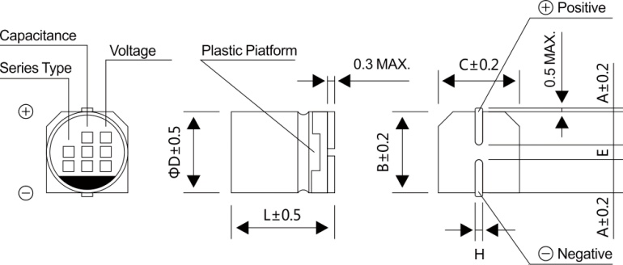

●A pressure relief vent is attached to products over ΦD=12.5

■DIMENSIONS (Uint: mm)
ΦDxL | 10x13.5 |  | 12.5x13.5 |  | 12.5x16 |  |  | 16x16.5
A | 3.3 |  | 4.9 |  | 4.9 |  |  | 5.8
B | 10.4 |  | 13.0 |  | 13.0 |  |  | 17.0
C | 10.4 |  | 13.0 |  | 13.0 |  |  | 17.0
E±0.2 | 4.7 |  | 4.7 |  | 4.7 |  |  | 6.4
L | 13.5 |  | 13.5 |  | 16.0 |  |  | 16.5
H | 0.9~1.2 |  | 0.9~1.2 |  | 0.9~1.2 |  |  | 0.9~1.2

2
ELCON |  |  |  | Surface Mount Aluminum Electrolytic Capacitors
CH
 |  | Series
■ DIMENSIONS & MAXIMUM PERMISSIBLE RIPPLE CURRENT
WV
 |  | 160 |  | 200 |  | 250 |  | 350
μF
 | Code | 2C |  | 2D |  | 2E |  | 2V
4.7 | 4R7 |  |  |  |  | 10x13.5 | 65 | 10x13.5 | 85
10 | 100 |  |  | 10x13.5 | 75 | 10x13.5 | 75 | 12.5x13.5 | 105
22 | 220 | 10x13.5 | 50 | 12.5x13.5 | 105 | 12.5x13.5 | 105 | 16x16.5 | 130
33 | 330 | 12.5x13.5 | 95 | 12.5x13.5 | 120 | 16x16.5 | 135
47 | 470 | 12.5x13.5 | 205 |  |  | 16x16.5 | 220 | Case size | Ripple current
 |  | (16x16.5) | (240)
100 | 101 | 16x16.5 | 250 | 16x16.5 | 250
WV
μF
Code |  | 400 |  | 450
 |  | 2G |  | 2W
3.3 | 3R3 | 8x13.5 | 35 | 8x13.5 | 35
 |  | (10x13.5) | (40) | (10x13.5) | (40)
4.7 | 4R7 | 10x13.5 | 45 | 10x13.5 | 42
 |  |  |  | (12.5x13.5) | (45)
10 | 100 | 12.5x13.5 | 50 | 12.5x13.5 | 55
22 | 220 | 16x16.5 | 85 | 16x16.5 | 85
33 | 330 | 16x16.5 | 100 | 16x16.5 | 100
 |  |  |  | Case size | Ripple current

·Case size ΦDxL (mm), ripple current (mA rms) at 105℃, 120Hz

■ FREQUENCY COEFFICIENT OF ALLOWABLE RIPPLE CURRENT
Frequency |  | ~50Hz | 120Hz | 300Hz | 1KHz | 10KHz~
Coefficient |  | 0.75 | 1.00 | 1.35 | 1.57 | 2.00

