1
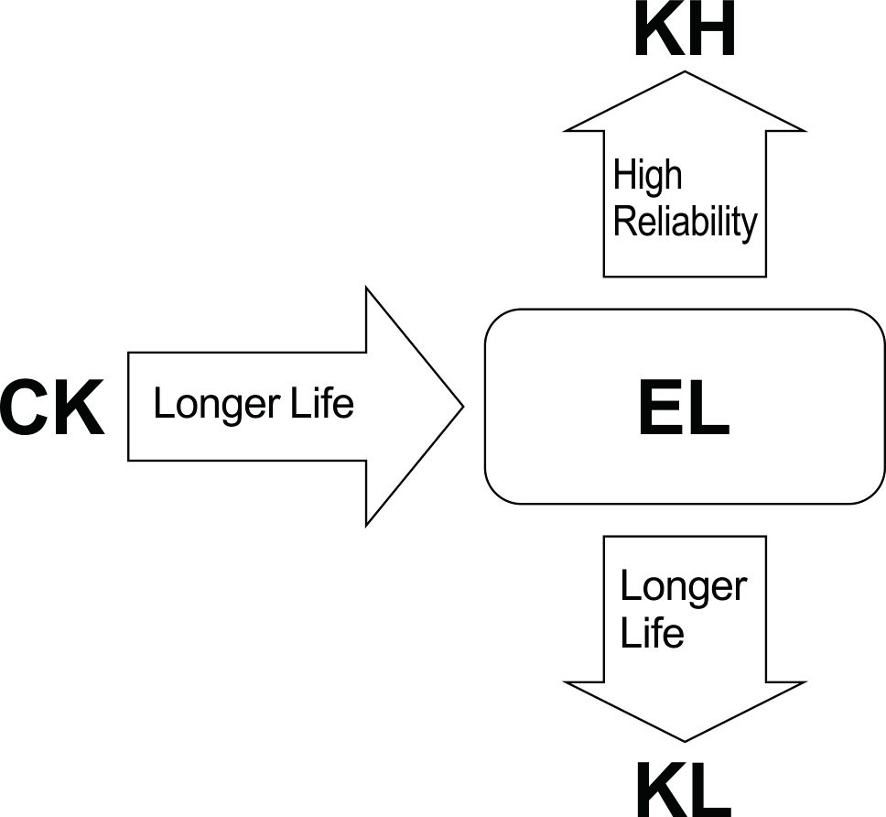
ELCON |  |  |  | Surface Mount Aluminum Electrolytic Capacitors
EL
 | Series
Long Life Assurance
● Wide temperature range -55 ~ +105℃
● Load life of 2000~3000 hours
● RoHS Compliance

■SPECIFICATIONS

Item
Operation Temperature Range |  | -55 ~ +105℃
Voltage Range |  | 6.3 ~ 50V
Capacitance Range
Capacitance Tolerance |  | ± 20 % (at 120Hz , 20℃)
Leakage Current
 |  | WV(V) | 6.3 ~ 50V
 |  | Size | Φ4 ~ 10 |  |  |  |  |  |  | Φ12.5 ~ 16
 |  | Time | After 2 minutes (application of rated voltage) |  |  |  |  |  |  | After 1 minutes (application of rated voltage)
 |  | L.C. | I≤0.01CV or 3μA , whichever is greater |  |  |  |  |  |  | I≤0.03CV or 4μA , whichever is greater
Dissipation Factor (MAX) (tanδ) (at 120Hz ,20℃)
 |  | WV(V) |  | 6.3 | 10 | 16 | 25 | 35 | 50
 |  | tanδ | Φ4 ~ 10 | 0.28 | 0.24 | 0.20 | 0.16 | 0.13 | 0.12
 |  |  | Φ12.5 ~ 16 | 0.38 | 0.34 | 0.30 | 0.26 | 0.22 | 0.18

Low Temp.Impedance Stability at 120Hz
 |  | WV |  |  | 6.3 | 10 | 16 | 25 | 35 | 50
 |  | Z(-25℃)/ Z(+20℃) |  | Φ4~10 | 3 | 3 | 2 | 2 | 2 | 2
 |  | Z(-55)℃/ Z(+20℃) |  |  | 8 | 5 | 4 | 3 | 3 | 3
 |  | Z(-25℃)/ Z(+20℃) |  | Φ12.5~16 | 5 | 4 | 3 | 2 | 2 | 2
 |  | Z(-55)℃/ Z(+20℃) |  |  | 12 | 10 | 8 | 5 | 4 | 3

Load Life
 |  | After 3000hrs. (2000hrs. For Φ4~Φ6.3x5.8) application of the rated voltage at 105℃,they meet the characteristics
 |  | listed below.
 |  | Capacitance change |  |  |  | Within ±25% of initial value
 |  | Dissipation Factor |  |  |  | 200% or less of initial specified value
 |  | Leakage Current |  |  |  | initial specified value or less

Shelf Life |  | After leaving capacitors under no load at 105℃ for 1000 hours, they meet the specified value for load life characteristics
 |  | listed above.
Resistance to Soldering Heat |  | After reflow soldering and restored at room temperature, they meet the characteristics listed below.
 |  | Capacitance change |  |  |  | Within ±10% of initial value
 |  | Dissipation Factor |  |  |  | initial specified value or less
 |  | Leakage Current |  |  |  | initial specified value or less

Marking
 |  | Black print on the case top

■ DRAWING (Unit: mm)
(Φ4 ~ Φ6.3x7.7) |  |  |  |  |  |  | Φ8x10.5 ~ Φ16
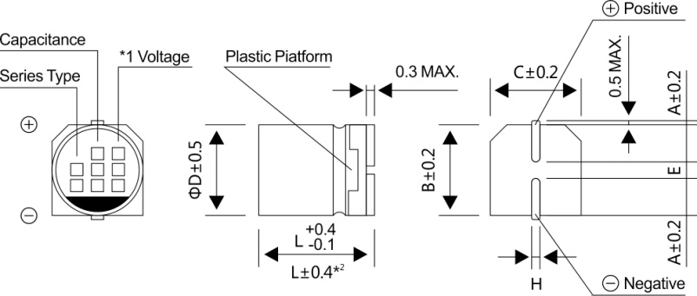
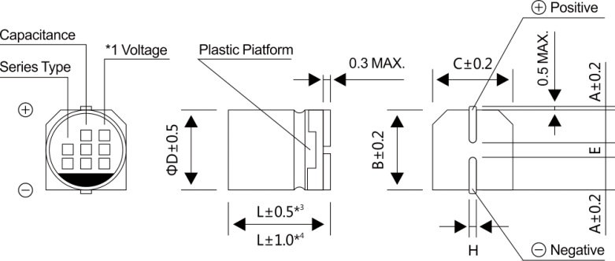

*1 Voltage mark for 6.3V is 【6V】
*2 Applicable to Φ6.3x7.7
*3 Applicable to Φ8x10.5 ~ Φ10
*4 Applicable to Φ12.5 ~ Φ16

2
ELCON |  |  |  |  | Surface Mount Aluminum Electrolytic Capacitors
EL
 |  | Series
■ DIMENSIONS(Unit:mm)
ΦDxL |  |  |  | 4x5.4 | 5x5.4 | 6.3x5.4 | 6.3x7.7 | 8x10.5 | 10x10.5 | 10x13.5 | 12.5x13.5 | 12.5x16 | 16x16.5
A |  |  |  | 2.0 | 2.2 | 2.6 | 2.6 | 3.0 | 3.3 | 3.3 | 4.9 | 4.9 | 5.8
B |  |  |  | 4.3 | 5.3 | 6.6 | 6.6 | 8.4 | 10.4 | 10.4 | 13.0 | 13.0 | 17.0
C |  |  |  | 4.3 | 5.3 | 6.6 | 6.6 | 8.4 | 10.4 | 10.4 | 13.0 | 13.0 | 17.0
E±0.2 |  |  |  | 1.0 | 1.4 | 1.9 | 1.9 | 3.1 | 4.7 | 4.7 | 4.7 | 4.7 | 6.4
L |  |  |  | 5.4 | 5.4 | 5.4 | 7.7 | 10.5 | 10.5 | 13.5 | 13.5 | 16.0 | 16.5
H |  |  |  | 0.5~0.8 | 0.5~0.8 | 0.5~0.8 | 0.5~0.8 | 0.8~1.2 | 0.8~1.2 | 0.8~1.2 | 0.8~1.2 | 0.8~1.2 | 0.8~1.2
WV
■ DIMENSIONS&MAXIMUM PERMISSIBLE RIPPLE CURRENT
Code
 |  | 6.3 |  | 10 |  | 16 |  | 25 |  | 35 |  | 50
μF
 |  | 0J |  | 1A |  | 1C |  | 1E |  | 1V |  | 1H
0.1 | 0R1 |  |  |  |  |  |  |  |  |  |  | 4x5.8 | 1
0.22 | R22 |  |  |  |  |  |  |  |  |  |  | 4x5.8 | 2
0.33 | R33 |  |  |  |  |  |  |  |  |  |  | 4x5.8 | 3
0.47 | R47 |  |  |  |  |  |  |  |  |  |  | 4x5.8 | 5
1 | 010 |  |  |  |  |  |  |  |  |  |  | 4x5.8 | 10
2.2 | 2R2 |  |  |  |  |  |  |  |  |  |  | 4x5.8 | 16
3.3 | 3R3 |  |  |  |  |  |  |  |  |  |  | 4x5.8 | 16
4.7 | 4R7 |  |  |  |  |  |  | 4x5.8 | 13 | 4x5.8 | 14 | 5x5.8 | 23
10 | 100 |  |  |  |  | 4x5.8 | 18 | 5x5.8 | 20 | 5x5.8 | 21 | 6.3x5.8 | 35
22 | 220 | 4x5.8 | 22 | 5x5.8 | 25 | 5x5.8 | 27 | 6.3x5.8 | 36 | 6.3x5.8 | 38 | 6.3x7.7 | 70
33 | 330 | 5x5.8 | 27 | 5x5.8 | 30 | 6.3x5.8 | 40 | 6.3x5.8 | 60 | 6.3x7.7 | 84 | 8x10.5 | 90
47 | 470 | 5x5.8 | 33 | 6.3x5.8 | 41 | 6.3x5.8 | 48 | 6.3x7.7 | 90 | 8x10.5 | 98 | 8x10.5 | 90
100 | 101 | 6.3x5.8 | 50 | 6.3x5.8 | 53 | 6.3x5.8 | 60 | 8x10.5 | 130 | 8x10.5 | 130 | 10x10.5 | 100
150 | 151 | 6.3x5.8 | 55 | 6.3x7.7 | 105 | 6.3x7.7 | 95 | 8x10.5 | 140 | 10x10.5 | 315 | 10x10.5 | 100
220 | 221 | 6.3x7.7 | 100 | 8x10.5 | 210 | 8x10.5 | 210 | 10x10.5 | 190 | 10x10.5 | 315 | 10x13.5 | 250
 |  |  |  |  |  |  |  |  |  |  |  | （10x10.5） | (100)
330 | 331 | 8x10.5 | 210 | 8x10.5 | 210 | 8x10.5 | 210 | 10x10.5 | 315 | 10x10.5 | 315 | 12.5x13.5 | 400
470 | 471 | 8x10.5 | 210 | 10x10.5 | 315 | 10x10.5 | 315 | 10x10.5 | 315 | 12.5x13.5 | 500 | 16x16.5 | 650
 |  |  |  |  |  |  |  |  |  | (10x13.5) | (360) | (12.5x16) | (500)
680 | 681 | 8x10.5 | 210 | 10x10.5 | 315 | 10x10.5 | 315 | 10x13.5 | 380 | 12.5x13.5 | 500
1000 | 102 | 10x10.5 | 315 | 10x13.5 | 360 | 12.5x13.5 | 450 | 12.5x13.5 | 550 | 16x16.5 | 700
 |  |  |  | (10x10.5) | (315) | (10x13.5) | (350) |  |  | (12.5x16) | (550)
 |  |  |  |  |  | (10x10.5) | (315)
1500 | 152 | 10x13.5 | 450 | 12.5x13.5 | 500 | 12.5x13.5 | 500 | 12.5x16 | 800
 |  | (10x10.5) | (315)
2200 | 222 | 12.5x13.5 | 620 | 12.5x16 | 650 | 16x16.5 | 900 | 16x16.5 | 1000 |  |  | Case size | Ripple current
 |  |  |  | (12.5x13.5) | (600)
3300 | 332 | 12.5x16 | 750 | 16x16.5 | 950
·Case size ΦDxL (mm), ripple current (mA rms) at 105℃, 120Hz
■ FREQUENCY COEFFICIENT OF ALLOWABLE RIPPLE CURRENT
Frequency |  |  |  |  |  |  |  |  | 50Hz | 120Hz | 300Hz | 1KHz | 10KHz~
Coefficient |  | Φ4~Φ10 |  |  | 0.1~100μF |  |  |  | 0.70 | 1.00 | 1.17 | 1.36 | 1.50
 |  |  |  |  | 150~1500μF |  |  |  | 0.85 | 1.00 | 1.08 | 1.20 | 1.30
 |  | Φ12.5~Φ16 |  |  | ~470μF |  |  |  | 0.75 | 1.00 | 1.35 | 1.57 | 2.00
 |  |  |  |  | 680~3300μF |  |  |  | 0.85 | 1.00 | 1.23 | 1.34 | 1.50

