2
ELCON | Aluminum Electrolytic Capacitors

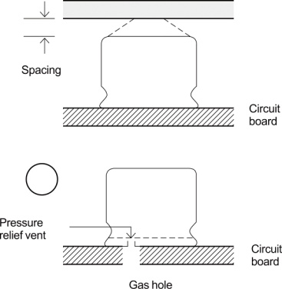
Testing time: 2 hours per each direction
Shock is not applicable normally.
if a particular condition is required, please contact our sales office.
9）When designing a circuit board, please pay attention to the following:
① Have the hole spacing on the P.C. board match the lead spacing of the capacitor.
② There should not be any circuit pattern or circuit wire above the capacitor safety vent.
③ Unless otherwise specified, following clearance should be made above the pressure
relief vent.
Case Diameter Clearance Required
‌‌‍‍Ø6.3 to 16 2mm or more
‌‌‍‍Ø18 to 35 3mm or more
‌‌‍‍Ø40 or more 5mm or more
④ in case the vent side is placed toward P.C. board (such as end seal vented parts), make a corresponding hole on the
P.C. board to release the gas when vent is operated. The hole should be made to match the capacitor vent position.

10）The main chemical solution of the electrolyte and the separator paper in the capacitor are combustible. The electrolyte
is conductive. When it comes in contact with the P.C.board,there is a possibility of pattern or short circuit between
the circuit pattern, which could result in smoking or fire. Do not locate any circuit pattern beneath the capacitor end seal.

11）Do not design a circuit board so that heat generating components are placed near an aluminum electrolytic capacitor
or reserve side or P.C. (under the capacitor).

12）Please refer to the recommended land size in this catalogue when you design in surface mount capacitors.

13）Electrical characteristics may vary depending on changes in temperature and frequency. Please consider the
variation when you design circuits.

14）When you install more than 2 capacitors in parallel, consider the balance of current following in to the capacitor.

15）While mounting capacitors on double side P.C. board, the capacitors should be away from those unnecessary base
plate holes and connection holes.

2.Mounting

1）Once a capacitors has been assembled in the set and power applied, do not attempt to re-use the capacitor in other
circuits or application.

2）Electric potential between positive and negative terminal may exist as a result of returned electromotive force, so
please discharge the capacitor using 1KΩ resistor.

3）Leakage current of the parts that have stored for more than 2 years may increase. When leakage current has
increased, please perform a voltage treatment using a 1KΩ resistor.

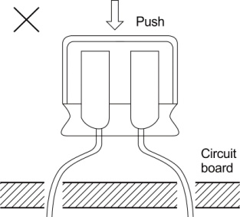
4）Please confirm rating and polarity before installing capacitor on the P.C. board.

5）Do not drop the capacitiors on the floor, nor use a capacitors that was dropped.

6）Be careful not to deform the capacitior during installation.

7）Please confirm that the lead spacing of the capacitior matches the pad
spacing of the P.C. board prior to installation.

8）Please pay attention that the clinch force is not too strong when
capacitors are placed and fixed by an automatic insertion machine.

6
ELCON |  | Aluminum Electrolytic Capacitors
TAPING SPECIFICATIONS
□For Chip Type Aluminum Electrolytics Capacitors
■Carrier Tape
●Φ4~Φ10(mm)
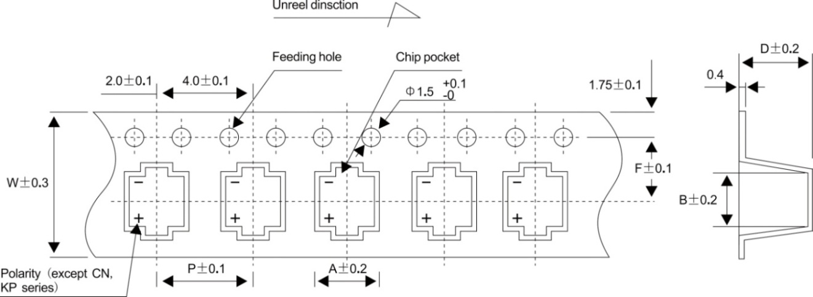

Dimension |  |  |  |  |  | (Unit:mm)
ΦDxL | 4x5.4~5.8 | 5x5.4~6 | 6.3x5.4~8 | 6.3x9 | 8x9~11 | 10x8~13.5
W | 12.0 | 12.0 | 16.0 | 16.0 | 24.0 | 24.0
P | 8.0 | 12.0 | 12.0 | 12.0 | 16.0 | 16.0
F | 5.5 | 5.5 | 7.5 | 7.5 | 11.5 | 11.5
A | 5.0 | 6.0 | 7.0 | 7.0 | 8.7 | 10.7
B | 5.0 | 6.0 | 7.0 | 7.0 | 8.7 | 10.7
C | 5.8/6.3 | 5.8/6.3 | 5.8/6.3 | 8.4 | 11.0 | 11.0/14.0

●Φ12.5~Φ12.6(mm)
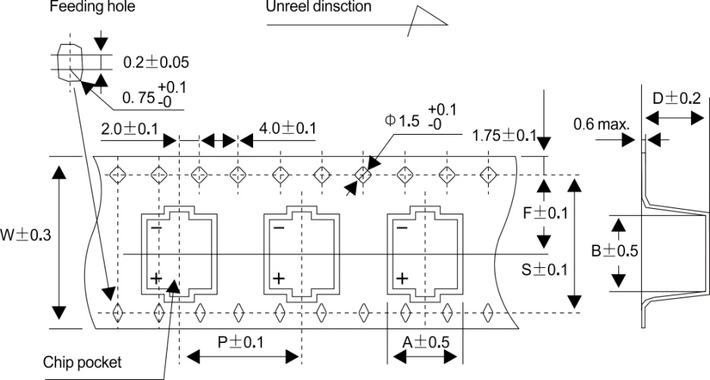

 |  |  |  |  |  | Dimension |  | (Unit:mm)
 |  |  |  |  |  | ΦDxL | 12.5x13.5 | 12.5x16
 |  |  |  |  |  | W | 32 | 32
 |  |  |  |  |  | P | 24 | 24
 |  |  |  |  |  | F | 14.2 | 14.2
 |  |  |  |  |  | A | 14 | 14
 |  |  |  |  |  | B | 14 | 14
 |  |  |  |  |  | D | 14 | 16.5
 |  |  |  |  |  | S | 28.4 | 28.4

Note: All design and specifications are for reference only and is subject to change without prior notice. If any doubt about safety for your
application, please contact us immediately for technical assistanse before purchanse.

7
ELCON |  | Aluminum Electrolytic Capacitors

■Reel
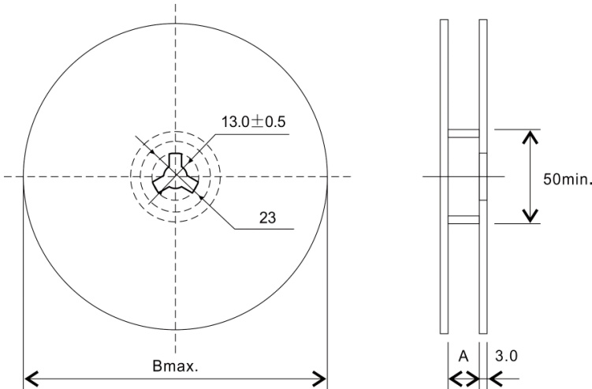

 |  |  |  |  |  |  |  | (Unit:mm)
ΦDxL | 4x5.4~5.8 | 5x5.4~6 | 6.3x5.4~9 | 8x9~11 | 10x8~10.5 | 10x12.7~13.5 | 12.5x13.5~16 | 16x16.5
A | 14 | 14 | 18 | 26 | 26 | 26 | 34 | 46
B | 382 | 382 | 382 | 382 | 382 | 382/332* | 382/332* | 332*

■In-box
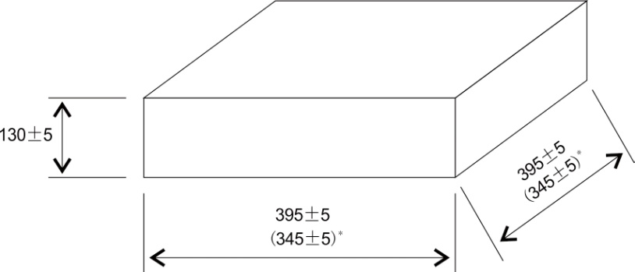

■Package Quantity
Size ΦDxL |  | Reel (pcs) | In-box (reels) |  | Quantity/In-box (pcs) |  | 3 In-boxse/Carton) (pcs)
4x5.4~5.8 |  | 2,000 | 6 |  | 12,000 |  | 36,000
5x5.4~6 |  | 1,000 | 6 |  | 6,000 |  | 18,000
6.3x5.4~9 |  | 1,000 | 5 |  | 5,000 |  | 15,000
8x9~11 |  | 500 | 4 |  | 2,000 |  | 6,000
10x10.5 |  | 500 | 4 |  | 2,000 |  | 6,000
10x12.7~13.5 |  | 500 | 4 |  | 2,000 |  | 6,000
12.5x13.5 |  | 250 | 3 |  | 750 |  | 2,250
12.5x16 |  | 200/150* | 3 |  | 600/450* |  | 1800/1350*
16x16.5 |  | 125 | 2 |  | 250 |  | 750
●Please order by minimum package quantity.

Note: All design and specifications are for reference only and is subject to change without prior notice. If any doubt about safety for your
application, please contact us immediately for technical assistanse before purchanse.

8
ELCON |  |  |  |  |  |  |  |  | Aluminum Electrolytic Capacitors

TAPING SPECIFICATIONS
□lead Taping Capacitors for Automatic Insertion

■Drawing(Unit:mm)
(Drawing A) |  |  |  |  |  | (Drawing B) |  |  |  |  |  |  |  | (Drawing C)

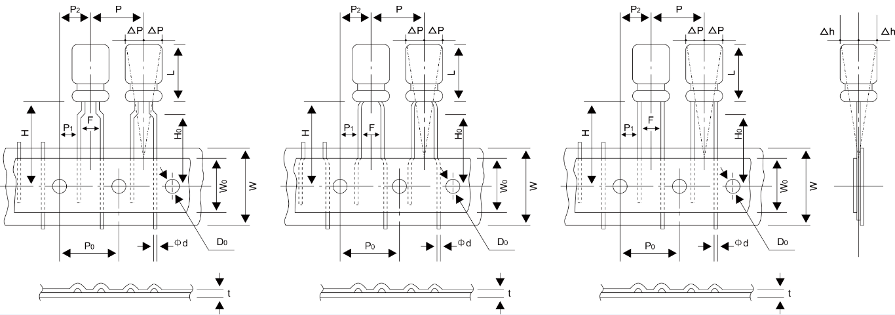

■Dimensions(Unit:mm)
Application To Drawing |  |  | B |  |  |  | C |  |  |  |  | A |  |  |  |  |  |  | C
Descriptions | Symbol | Tolerance | Φ3 | Φ4 | Φ5 |  | Φ6.3 |  | Φ8 |  |  | Φ4 | Φ5 | Φ6.3 |  | Φ8 |  |  | Φ10 | Φ13 | Φ16,Φ18
Case Height | L | *Note | 5 | 5,7 | 5,7 | 11 | 5,7 | 11.5 | 5 | 7~14 | 16,20 | 5,7 | 11 | 5,7 | 11.5 | 5 | 7~14 | 16,20 | 20 (max.) | 25 (max.) | 35,40 (max.)
Lead Wire Diameter | Φd | ± 0.05 | 0.45 | 0.45 | 0.45 | 0.5 | 0.45 | 0.5 | 0.45 | 0.5 | 0.6 | 0.45 | 0.45 | 0.45 | 0.5 | 0.45 | 0.5 | 0.6 | 0.6 | 0.6 | 0.8
Body Pitch | P | ± 1.0 | 12.7 |  |  |  | 12.7 |  | 12.7 |  |  | 12.7 |  |  |  | 12.7 | 12.7 |  | 12.7 | 15.0 | 30.0
Feeding Hole Pitch |  | ± 0.2 | 12.7 |  |  |  | 12.7 |  | 12.7 |  |  | 12.7 |  |  |  | 12.7 | 12.7 |  | 12.7 | 15.0 | 15.0
Feeding Hole Center to Lead |  | ± 0.7 | 5.1 |  |  |  | 5.1 |  | 5.1 |  |  | 3.85 |  |  |  | 3.85 | 3.85 |  | 3.85 | 5.0 | 3.75
Feeding Hole Alignment |  | ± 1.0 | 6.35 |  |  |  | 6.35 |  | 6.35 |  |  | 6.35 |  |  |  | 6.35 | 6.35 |  | 6.35 | 7.5 | 7.5
Lead Center Spacing | F | +0.8 -0.2 | 2.5 |  |  |  | 2.5 |  | 3.5 |  |  | 5.0 |  |  |  | 5.0 | 5.0 |  | 5.0 | 5.0 | 7.5
Tape Width | W | ± 0.5 | 18.0 |  |  |  | 18.0 |  | 18.0 |  |  | 18.0 |  |  |  | 18.0 | 18.0 |  | 18.0 | 18.0 | 18.0
Adhesive Tape width |  | Min. | 9.5 |  |  |  | 9.5 |  | 9.5 |  |  | 9.5 |  |  |  | 9.5 | 12.5 |  | 12.5 | 12.5 | 12.5
Length from Seating plane | H | ± 0.75 | 18.0 |  |  |  | 17.5 |  | 18.5 |  |  | 18.5(5,7L=17.5) |  |  |  | 17.5 | 20.0 |  | 18.5 | 18.5 | 18.5
Lead clinch Height |  | ± 0.5 | 17.0 |  |  |  | -- |  | -- |  |  | 16.0 |  |  |  | 16.0 | 16.0 |  | -- | -- | --
Feeding Hole Diameter |  | ± 0.2 | 4.0 |  |  |  | 4.0 |  | 4.0 |  |  | 4.0 |  |  |  | 4.0 | 4.0 |  | 4.0 | 4.0 | 4.0
Total Tape Thickness | t | ± 0.3 | 0.7 |  |  |  | 0.7 |  | 0.7 |  |  | 0.7 |  |  |  | 0.7 | 0.7 |  | 0.7 | 0.7 | 0.7
Body Inclination | △h | Max. | 1.0 |  |  |  | 1.0 |  | 1.0 |  |  | 1.0 |  |  |  | 1.0 | 1.0 |  | 1.0 | 1.0 | 1.0
Body Inclination | △p | Max. | 1.0 |  |  |  | 1.0 |  | 1.0 |  |  | 1.0 |  |  |  | 1.0 | 1.0 |  | 1.0 | 1.0 | 1.0
Taping Code |  |  | TS |  |  |  | TS |  | TS |  |  | TA |  |  |  | TA | TA |  | TS | TS | TS
*Please refer to drawing of each series for tolerance
Note: All design and specifications are for reference only and is subject to change without prior notice. If any doubt about safety for your
application, please contact us immediately for technical assistanse before purchanse.

9
ELCON |  |  | Aluminum Electrolytic Capacitors

PACKAGING SPECIFICATIONS
■Taping Type(Ammo pack)
□For Radial Lead Type Aluminum Electrolytic Capacitors
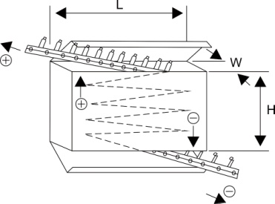
Diameter (mm) |  | In-box Size |  |  | Quantity/In-box (pcs) |  | Quantity/Carton (pcs)
 |  | L(mm) | H(mm) | W(mm)
Φ3 |  | 337 | 234 | 50 | 2,500* |  | 25,000
Φ4 |  | 337 | 234 | 50 | 2,500* |  | 25,000
Φ5 |  | 337 | 234 | 50 | 2,000* |  | 20,000
Φ6.3 |  | 340 | 305 | 53 | 2,000* |  | 10,000
Φ8 |  | 337 | 234 | 50 | 1,000* |  | 10000
Φ8(20L) |  | 337 | 234 | 55 | 1,000* |  | 8,000
Φ10(12L/16L) |  | 337 | 234 | 50 | 500* |  | 5,000
Φ10(20L) |  | 337 | 234 | 55 | 500* |  | 4,000
Φ10(25L) |  | 340 | 305 | 65 | 500* |  | 2,000
Φ13(21L/25L) |  | 340 | 305 | 65 | 500* |  | 2,000
Φ16(25L) |  | 340 | 320 | 65 | 300* |  | 1,200
Φ18(25L) |  | 340 | 320 | 65 | 250* |  | 1,000
■Bulk Type
Case Size (mm) |  | Vinyl Bag Quantity | Small Box Quantity |  | Carton Box Quantity |  | Small Box Size |  |  | Carton Box Size
 |  | pcs/Bag | Vinyl Bag/ Small Box | pcs/ Small Box | Small Box/ Carton Box | pcs/ Carton Box | L (mm) | H (mm) | W (mm) | L (mm) | H (mm) | W (mm)
Radial Lead Type | 3x5 | 1,000* | 50 | 50,000 | 2 | 100,000 | 300 | 290 | 220 | 470 | 310 | 310
 | 4x5,7 | 1,000* | 25 | 25,000 |  | 50,000
 | 5x5,7 | 1,000* | 25 | 25,000 |  | 50,000
 | 5x11 | 1,000* | 20 | 20,000 |  | 40,000
 | 6.3x5 | 1,000* | 25 | 25,000 |  | 50,000
 | 6.3x7 | 1,000* | 20 | 20,000 |  | 40,000
 | 6.3x11.5 | 500* | 30 | 15,000 |  | 30,000
 | 8x5,7,9 | 500* | 20 | 10,000 |  | 20,000
 | 8x11.5 | 500* | 20 | 10,000 |  | 20,000
 | 8x13~16 | 250* | 30 | 7,500 |  | 15,000
 | 8x20 | 250* | 24 | 6,000 |  | 12,000
 | 10x12~17 | 200* | 25 | 5,000 |  | 10,000
 | 10x20 | 200* | 20 | 4,000 |  | 8,000
 | 10x25~30 | 100* | 25 | 2,500 |  | 5,000
 | 13x17~20 | 100* | 25 | 2,500 |  | 5,000
 | 13x25 | 100* | 20 | 2,000 |  | 4,000
 | 13x30 | 50* | 30 | 1,500 |  | 3,000
 | 16x20~22 | 100* | 15 | 1,500 |  | 3,000
 | 16x25 | 100* | 12 | 1,200 |  | 2,400
 | 16x31~35 | 50* | 20 | 1,000 |  | 2,000
 | 18x20~25 | 50* | 20 | 1,000 |  | 2,000
 | 18x31~40 | 50* | 14 | 700 |  | 1,400
 | 22x35~40 | 25* | 10 | 250 | 4 | 1,000 | 220 | 145 | 220
 | 25x35~40 | 25* | 8 | 200 |  | 800
Snap-in Terminal Type | 22x20~55 | -- | -- | 180* | 4 | 720 | 340 | 305 | 65 | 355 | 315 | 280
 | 25x20~55 | -- | -- | 143* |  | 572
 | 30x20~55 | -- | -- | 99* |  | 396
 | 35x20~55 | -- | -- | 72* |  | 288
 | 22x60~75 | -- | -- | 180* | 3 | 540 | 340 | 305 | 87
 | 25x60~75 | -- | -- | 143* |  | 429
 | 30x60~75 | -- | -- | 99* |  | 297
 | 35x60~75 | -- | -- | 72* |  | 216
 |  |  |  |  |  |  |  | *Minimum package quantity
●There are some difference actual package quantity and above list.Please confirm before you order.
●Please order by minimum package quantity.
Note: All design and specifications are for reference only and is subject to change without prior notice. If any doubt about safety for your
application, please contact us immediately for technical assistanse before purchanse.

10
ELCON |  | Aluminum Electrolytic Capacitors

LEAD FORMING&CUTTING
□For Radial Lead Type Aluminum Electrolytic Capacitors
Configurations | Code | Case Dia. | Shape | Configurations | Code | Case dia. | Shape
Forming Cut (Forming Only) | RF (RM) | Φ5~Φ8 |  | Kinked Forming Cut | RK | Φ5~Φ8 | 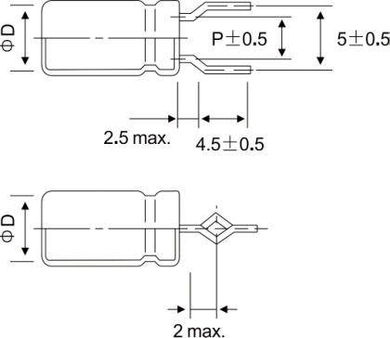

Cutting | RC | Φ10~ Φ18 |  | Kinked Straight Cut | RY | Φ10~ Φ18 | 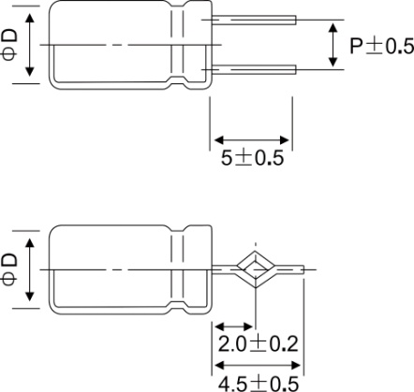

Cutting& Bending(Left) | RL | Φ4~ Φ6.3 | 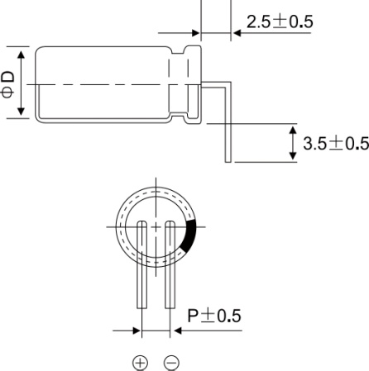 | Cutting& Bending(Right) | RR | Φ4~ Φ6.3 | 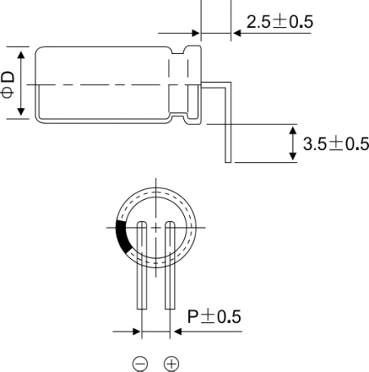

●Lead diameter (Φd) and lead pitch (P) are subject to capacitor specifications.

Note: All design and specifications are for reference only and is subject to change without prior notice. If any doubt about safety for your
application, please contact us immediately for technical assistanse before purchanse.

