1
ELCON |  |  |  | Surface Mount Aluminum Electrolytic Capacitors
FZ
 | Series
Long life with extra lower impedance
● Extra Low Impedance with temperature range -55 ~ +105℃
● Load life of 2000~5000 hours
● RoHS Compliance

■SPECIFICATIONS

Item
Operation Temperature Range |  | -55 ~ +105℃
Voltage Range |  | 6.3 ~ 100V
Capacitance Range
Capacitance Tolerance |  | ± 20 % (at 120Hz , 20℃)
Leakage Current
 |  | WV(V) | 6.3 ~ 100
 |  | Size | Φ4 ~ 10 |  |  |  |  |  |  | Φ12.5 ~ 16
 |  | Time | After 2 minutes (application of rated voltage) |  |  |  |  |  |  | After 1 minutes (application of rated voltage)
 |  | L.C. | I≤0.01CV or 3μA , whichever is greater |  |  |  |  |  |  | I≤0.03CV or 4μA , whichever is greater
Dissipation Factor (MAX) (tanδ) (at 120Hz ,20℃)
 |  | WV |  | 6.3 | 10 | 16 | 25 | 35 | 50 | 63~80 | 100
 |  | tanδ | Φ4~10 | 0.26 | 0.19 | 0.16 | 0.14 | 0.12 | 0.10 | 0.08 | 0.07
 |  |  | Φ12.5~16 | 0.26 | 0.19 | 0.18 | 0.16 | 0.14 | 0.10 | 0.08 | 0.07

Low Temp.Impedance Stability at 120Hz
 |  | WV(V) |  |  | 6.3 ~ 16 |  |  | 25 ~ 100
 |  | Z(-25℃)/ Z(+20℃) |  |  | 2 |  |  | 2
 |  | Z(-40)℃/ Z(+20℃) |  |  | 3 |  |  | 3
 |  | Z(-55℃)/ Z(+20℃) |  |  | 4 |  |  | 3

Load Life
 |  | After 5000hrs. (2000hrs. for Φ4~Φ6.3x5.8 ) application of the rated voltage at 105℃, they meet the characteristics
 |  | listed below.
 |  | Capacitance change |  |  |  | Within ±30% of initial value
 |  | Dissipation Factor |  |  |  | 200% or less of initial specified value
 |  | Leakage Current |  |  |  | initial specified value or less

Shelf Life |  | After leaving capacitors under no load at 105℃ for 1000 hours, they meet the specified value for load life characteristics
 |  | listed above.
Resistance to Soldering Heat |  | After reflow soldering and restored at room temperature, they meet the characteristics listed below.
 |  | Capacitance change |  |  |  | Within ±10% of initial value
 |  | Dissipation Factor |  |  |  | initial specified value or less
 |  | Leakage Current |  |  |  | initial specified value or less

Marking
 |  | Black print on the case top

■ DRAWING (Unit: mm)
(Φ4 ~ Φ6.3x7.7) |  |  |  |  |  |  | Φ8x10.5 ~ Φ16
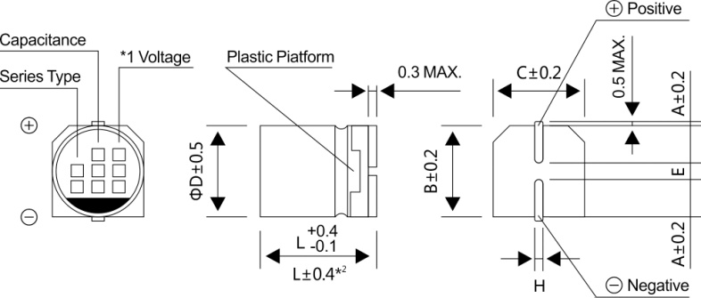
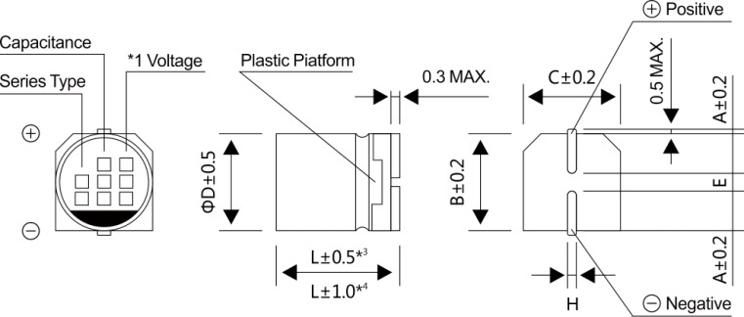

*1 Voltage mark for 6.3V is 【6V】
*2 Applicable to Φ6.3x7.7
*3 Applicable to Φ8x10.5 ~ Φ10
*4 Applicable to Φ12.5 ~ Φ16

2
ELCON |  |  |  |  | Surface Mount Aluminum Electrolytic Capacitors
FZ
 | Series
■ DIMENSIONS (Unit:mm)
ΦDxL | 4x5.8 | 5x5.8 | 6.3x5.8 | 6.3x7.7 | 8x10.5 | 10x10.5 | 10x13.5 | 12.5x13.5 | 12.5x16 | 16x16.5
A | 2.0 | 2.2 | 2.6 | 2.6 | 3.0 | 3.3 | 3.3 | 4.9 | 4.9 | 5.8
B | 4.3 | 5.3 | 6.6 | 6.6 | 8.4 | 10.4 | 10.4 | 13.0 | 13.0 | 17.0
C | 4.3 | 5.3 | 6.6 | 6.6 | 8.4 | 10.4 | 10.4 | 13.0 | 13.0 | 17.0
E±0.2 | 1.0 | 1.4 | 1.9 | 1.9 | 3.1 | 4.7 | 4.7 | 4.7 | 4.7 | 6.4
L | 5.8 | 5.8 | 5.8 | 7.7 | 10.5 | 10.5 | 13.5 | 13.5 | 16.0 | 16.5
H | 0.5~0.8 | 0.5~0.8 | 0.5~0.8 | 0.5~0.8 | 0.8~1.2 | 0.8~1.2 | 0.8~1.2 | 0.8~1.2 | 0.8~1.2 | 0.8~1.2
WV
■ DIMENSIONS&MAXIMUM PERMISSIBLE RIPPLE CURRENT & IMPEDANCE
Code
 |  | 6.3 |  |  | 10 |  |  | 16
μF
 |  | 0J |  |  | 1A |  |  | 1C
10 | 100 |  |  |  |  |  |  | 4x5.8 | 1.35 | 90
15 | 150 |  |  |  |  |  |  | 4x5.8 | 1.35 | 90
22 | 220 | 4x5.8 | 1.35 | 90 | 4x5.8 | 1.35 | 90 | 5x5.8 | 0.70 | 160
33 | 330 | 5x5.8 | 0.70 | 160 | 5x5.8 | 0.70 | 160 | 6.3x5.8 | 0.36 | 240
 |  | (4x5.8) | (1.35) | (90)
47 | 470 | 5x5.8 | 0.70 | 160 | 6.3x5.8 | 0.36 | 240 | 6.3x5.8 | 0.36 | 240
 |  | (4x5.8) | (1.35) | (90)
56 | 560 | 5x5.8 | 0.70 | 160 | 6.3x5.8 | 0.36 | 240 | 6.3x5.8 | 0.36 | 240
68 | 680 | 6.3x5.8 | 0.36 | 240 | 6.3x5.8 | 0.36 | 240 | 6.3x7.7 | 0.26 | 300
 |  |  |  |  |  |  |  | (6.3x5.8) | (0.36) | (240)
100 | 101 | 6.3x5.8 | 0.36 | 240 | 6.3x7.7 | 0.26 | 300 | 6.3x7.7 | 0.26 | 300
150 | 151 | 6.3x5.8 | 0.36 | 240 | 6.3x7.7 | 0.26 | 300 | 6.3x7.7 | 0.26 | 300
220 | 221 | 6.3x7.7 | 0.26 | 300 | 6.3x7.7 | 0.26 | 300 | 8x10.5 | 0.16 | 600
330 | 331 | 8x10.5 | 0.16 | 600 | 10x10.5 | 0.08 | 850 | 10x10.5 | 0.08 | 850
 |  |  |  |  | (8x10.5) | (0.16) | (600) | (8x10.5) | (0.16) | (600)
470 | 471 | 8x10.5 | 0.16 | 600 | 10x10.5 | 0.08 | 850 | 10x10.5 | 0.08 | 850
 |  |  |  |  | (8x10.5) | (0.16) | (600)
680 | 681 | 10x10.5 | 0.08 | 850 | 10x10.5 | 0.08 | 850 | 10x13.5 | 0.07 | 950
 |  | (8x10.5) | (0.16) | (600)
1000 | 102 | 10x10.5 | 0.08 | 850 | 10x13.5 | 0.07 | 950 | 16x16.5 | 0.05 | 1450
 |  | (8x10.5) | (0.16) | (600) | (10x10.5) | (0.08) | (850) | （12.5x16） | (0.055) | (1200)
 |  |  |  |  |  |  |  | （12.5x13.5） | (0.06) | (1100)
1500 | 152 | 10x13.5 | 0.07 | 950 | 12.5x13.5 | 0.06 | 1100 | 16x16.5 | 0.05 | 1450
2200 | 222 | 12.5x13.5 | 0.06 | 1100 | 12.5x16 | 0.055 | 1200
3300 | 332 | 12.5x16 | 0.055 | 1200 | 16x16.5 | 0.05 | 1450 | Case size | Impedance | Ripple current
4700 | 472 | 16x16.5 | 0.05 | 1450
WV
Code
μF
 |  | 25 |  |  | 35 |  |  | 50
 |  | 1E |  |  | 1V |  |  | 1H
4.7 | 4R7 |  |  |  | 4x5.8 | 1.35 | 90 | 5x5.8 | 1.52 | 85
10.0 | 100.0 | 4x5.8 | 1.35 | 90 | 5x5.8 | 0.70 | 160 | 6.3x7.7 | 0.68 | 195
 |  |  |  |  |  |  |  | (6.3x5.8) | (0.88) | (165)
15 | 150 | 5x5.8 | 0.70 | 160 | 5x5.8 | 0.70 | 160 | 6.3x5.8 | 0.88 | 165
22 | 220 | 6.3x5.8 | 0.36 | 240 | 6.3x5.8 | 0.36 | 240 | 6.3x7.7 | 0.68 | 195
 |  | (5x5.8) | (0.70) | (160) |  |  |  | (6.3x5.8) | (0.88) | (165)
33 | 330 | 6.3x5.8 | 0.36 | 240 | 6.3x5.8 | 0.36 | 240 | 6.3x7.7 | 0.68 | 195
47 | 470 | 6.3x7.7 | 0.26 | 300 | 6.3x7.7 | 0.26 | 300 | 8x10.5 | 0.34 | 350
 |  |  |  |  |  |  |  | (6.3x7.7) | (0.68) | (195)
56 | 560 | 6.3x7.7 | 0.26 | 300 | 6.3x7.7 | 0.26 | 300 | 8x10.5 | 0.34 | 350
68 | 680 | 6.3x7.7 | 0.26 | 300 | 8x10.5 | 0.16 | 600 | 8x10.5 | 0.34 | 350
100 | 101 | 8x10.5 | 0.16 | 600 | 8x10.5 | 0.16 | 600 | 10x10.5 | 0.18 | 670
150 | 151 | 8x10.5 | 0.16 | 600 | 10x10.5 | 0.08 | 850 | 10x13.5 | 0.14 | 780
220 | 221 | 8x10.5 | 0.16 | 600 | 10x10.5 | 0.08 | 850 | 12.5x13.5 | 0.12 | 900
 |  |  |  |  |  |  |  | (10x13.5) | (0.14) | (780)
330 | 331 | 10x10.5 | 0.08 | 850 | 12.5x13.5 | 0.06 | 1100 | 12.5x13.5 | 0.12 | 900
 |  |  |  |  | (10x13.5) | (0.07) | (950)
470 | 471 | 10x13.5 | 0.07 | 950 | 12.5x13.5 | 0.06 | 1100 | 16x16.5 | 0.08 | 1250
 |  |  |  |  |  |  |  | (12.5x16) | (0.10) | (1050)
680 | 681 | 12.5x13.5 | 0.06 | 1100 | 12.5x16 | 0.055 | 1200
1000 | 102 | 16x16.5 | 0.05 | 1450 | 16x16.5 | 0.05 | 1450 | Case size | Impedance | Ripple current
 |  | (12.5x16) | (0.055) | (1200)
1500 | 152 | 16x16.5 | 0.05 | 1450

3
ELCON |  |  |  |  | Surface Mount Aluminum Electrolytic Capacitors
FZ
 | Series
WV
■ DIMENSIONS&MAXIMUM PERMISSIBLE RIPPLE CURRENT & IMPEDANCE
μF
Code
 |  |  | 63 |  |  | 80 |  |  | 100
 |  |  | 1J |  |  | 1K |  |  | 2A
3.3 |  | 3R3 |  |  |  | 5x5.8 | 5.0 | 25
4.7 |  | 4R7 | 5x5.8 | 3.00 | 50 | 6.3x5.8 | 3.0 | 40
10 |  | 100 | 6.3x7.7 | 1.20 | 120 | 6.3x7.7 | 2.4 | 60 | 8x10.5 | 1.30 | 130.00
 |  |  | （6.3x5.8） | (1.50) | (80)
22 |  | 220 | 8x10.5 | 0.65 | 250 | 8x10.5 | 1.3 | 130 | 10x10.5 | 0.70 | 200
 |  |  | (6.3x7.7) | (1.20) | (120)
33 |  | 330 | 8x10.5 | 0.65 | 250 | 10x10.5 | 0.7 | 200 | 10x13.5 | 0.70 | 200
47 |  | 470 | 10x10.5 | 0.65 | 250 | 10x13.5 | 0.45 | 300 | 12.5x13.5 | 0.32 | 500
68 |  | 680 | 12.5x13.5 | 0.15 | 800 | 12.5x13.5 | 0.32 | 500 | 12.5x13.5 | 0.32 | 500
 |  |  | (10x10.5) | (0.65) | (250)
100 |  | 101 | 12.5x13.5 | 0.16 | 800 | 12.5x13.5 | 0.32 | 500 | 16x16.5 | 0.2 | 795
 |  |  | (10x13.5) | (0.25) | (400) |  |  |  | （12.5x16） | (0.26) | (550)
150 |  | 151 | 12.5x13.5 | 0.16 | 800 | 12.5x13.5 | 0.32 | 500
 |  |  | (10x13.5) | (0.25) | (650)
220 |  | 221 | 12.5x13.5 | 0.16 | 800 | 12.5x16 | 0.26 | 550 | Case size | Impedance | Ripple current
330 |  | 331 | 16x16.5 | 0.082 | 1400 | 16x16.5 | 0.17 | 795
·Case size ΦDxL (mm), Impedance (Ω) at 20℃, 100KHz, Ripple current (mA rms) at 105℃, 100KHz

■ FREQUENCY COEFFICIENT OF ALLOWABLE RIPPLE CURRENT
Frequency |  |  |  |  |  |  | 50Hz | 120Hz | 300Hz | 1KHz | 10KHz~
Coefficient |  | Φ4~Φ10 |  | 4.7~68μF |  |  | 0.35 | 0.50 | 0.64 | 0.83 | 1.00
 |  |  |  | 100~1500μF |  |  | 0.40 | 0.55 | 0.70 | 0.85 | 1.00
 |  | Φ12.5~Φ16 |  | ~68μF |  |  | 0.40 | 0.55 | 0.70 | 0.85 | 1.00
 |  |  |  | 100~680μF |  |  | 0.45 | 0.65 | 0.80 | 0.90 | 1.00
 |  |  |  | 1000~4700μF |  |  | 0.65 | 0.85 | 0.95 | 1.00 | 1.00

