1
ELCON |  |  |  | Surface Mount Aluminum Electrolytic Capacitors
KH
 | Series
High reliability
● High temperature range up to +125℃
● Suitable for automotive equipment
● Load life of 1000~5000 hours
● RoHS Compliance

■SPECIFICATIONS

Item
Operation Temperature Range |  | -40 ~ +125℃
Voltage Range |  | 10 ~ 450V
Capacitance Range
Capacitance Tolerance |  | ± 20 % (at 120Hz , 20℃)
Leakage Current
 |  | WV(V) | 10 ~ 100 |  |  |  |  |  |  | 160 ~ 450
 |  | Time | After 2 minutes (application of rated voltage) |  |  |  |  |  |  | After 2 minutes (application of rated voltage)
 |  | L.C. | I≤0.03CV or 4μA , whichever is greater |  |  |  |  |  |  | I≤0.04CV or 100μA , whichever is greater
Dissipation Factor (MAX) (tanδ) (at 120Hz ,20℃)
 |  | WV(V) |  | 10 | 16 | 25 | 35 | 50 | 63 | 100 | 160~250 | 400,450
 |  | tanδ | Φ4 ~ 10 | 0.24 | 0.20 | 0.16 | 0.14 | 0.14 | 0.18 | 0.18 | -- | --
 |  |  | Φ12.5 ~ 16 | 0.22 | 0.18 | 0.16 | 0.14 | 0.12 | 0.14 | 0.10 | 0.20 | 0.2

Low Temp.Impedance Stability at 120Hz
 |  | WV |  |  | 10 | 16 | 25 | 35~100 | 160~250 | 400,500
 |  | Z(-25℃)/ Z(+20℃) |  | Φ4~10 | 4 | 3 | 2 | 2 | -- | --
 |  | Z(-40)℃/ Z(+20℃) |  |  | 10 | 8 | 6 | 4 | -- | --
 |  | Z(-25℃)/ Z(+20℃) |  | Φ12.5~16 | 4 | 3 | 2 | 2 | 3 | 6
 |  | Z(-40℃)/ Z(+20℃) |  |  | 8 | 6 | 4 | 3 | 6 | 10

Load Life
 |  | After 5000hrs. application of the rated voltage for Φ12.5~16 (10~100V), and 2000hrs. for Φ8x10.5~Φ10(10V~100V),
 |  | and 1000 hrs. for Φ6.3, as well as 2000 hrs. application of the rate voltage for Φ12.5~16 (160V~450V) at 125℃,
 |  | They meet the characteristics listed below
 |  | Capacitance change |  |  |  | Within ±30% of initial value
 |  | Dissipation Factor |  |  |  | 300% or less of initial specified value
 |  | Leakage Current |  |  |  | initial specified value or less

Shelf Life |  | After leaving capacitors under no load at 105℃ for 1000 hours, they meet the specified value for load life characteristics
 |  | listed above.
Resistance to Soldering Heat |  | After reflow soldering and restored at room temperature, they meet ther characteristics listed below.
 |  | Capacitance change |  |  |  | Within ±10% of initial value
 |  | Dissipation Factor |  |  |  | initial specified value or less
 |  | Leakage Current |  |  |  | initial specified value or less

Marking
 |  | Black print on the case top

■ DRAWING (Unit: mm)
(Φ4 ~ Φ6.3x7.7) |  |  |  |  |  |  | Φ8x10.5 ~ Φ16
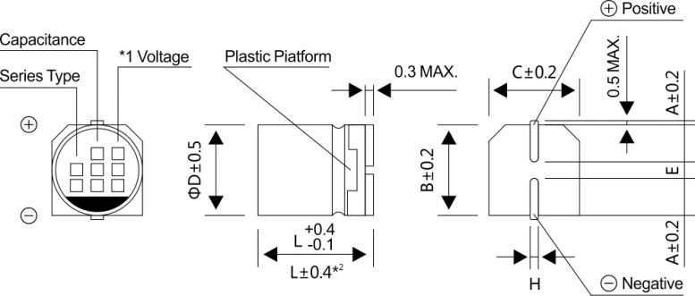
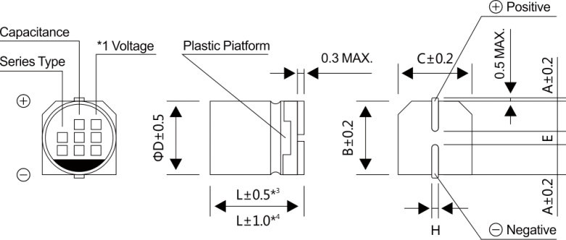

*1 Voltage mark for 6.3V is 【6V】
*2 Applicable to Φ6.3x7.7
*3 Applicable to Φ8x10.5 ~ Φ10
*4 Applicable to Φ12.5 ~ Φ16

2
ELCON |  |  | Surface Mount Aluminum Electrolytic Capacitors
KH
 |  | Series
■ DIMENSIONS(Unit:mm)
ΦDxL |  |  |  | 4x5.8 | 5x5.8 | 6.3x5.8 | 6.3x7.7 | 8x10.5 | 10x10.5 | 10x13.5 | 12.5x13.5 | 12.5x16 | 16x16.5
A |  |  |  | 2.0 | 2.2 | 2.6 | 2.6 | 3.0 | 3.3 | 3.3 | 4.9 | 4.9 | 5.8
B |  |  |  | 4.3 | 5.3 | 6.6 | 6.6 | 8.4 | 10.4 | 10.4 | 13.0 | 13.0 | 17.0
C |  |  |  | 4.3 | 5.3 | 6.6 | 6.6 | 8.4 | 10.4 | 10.4 | 13.0 | 13.0 | 17.0
E±0.2 |  |  |  | 1.0 | 1.4 | 1.9 | 1.9 | 3.1 | 4.7 | 4.7 | 4.7 | 4.7 | 6.4
L |  |  |  | 5.8 | 5.8 | 5.8 | 7.7 | 10.5 | 10.5 | 13.5 | 13.5 | 16.0 | 16.5
H |  |  |  | 0.5~0.8 | 0.5~0.8 | 0.5~0.8 | 0.5~0.8 | 0.8~1.2 | 0.8~1.2 | 0.8~1.2 | 0.8~1.2 | 0.8~1.2 | 0.8~1.2
■ DIMENSIONS&MAXIMUM PERMISSIBLE RIPPLE CURRENT
WV
Parameter
 |  | 10（1A) |  |  |  | 16(1C) |  |  |  | 25(1E)
 |  | Case size ΦDxL (mm) | E.S.R. (Ω) 20℃, 120Hz | E.S.R. (Ω) -40℃, 120Hz | Ripple current (mA rms) at 125℃, 100KHz | Case size ΦDxL (mm) | E.S.R. (Ω) 20℃, 120Hz | E.S.R. (Ω) -40℃,120Hz | Ripple current (mA rms) at 125℃, 100KHz | Case size ΦDxL (mm) | E.S.R. (Ω) 20℃, 120Hz | E.S.R. (Ω) -40℃, 120Hz | Ripple current (mA rms) at 125℃, 100KHz
μF

33 | 330 |  |  |  |  |  |  |  |  | 6.3x5.8 | 3.3 | 66 | 45
47 | 470 |  |  |  |  | 6.3x5.8 | 3.3 | 66 | 43 | 6.3x7.7 | 2.3 | 46 | 68
100 | 101 | 6.3x7.7 | 2.3 | 46 | 72 | 8x10.5 | 1.0 | 20 | 115 | 8x10.5 | 1.0 | 20 | 126
220 | 221 | 8x10.5 | 1.0 | 20 | 136 | 10x10.5 | 0.7 | 13.4 | 175 | 10x10.5 | 0.7 | 13.4 | 211
330 | 331 | 10x10.5 | 0.7 | 13.4 | 188 | 10x13.5 | 0.5 | 9.5 | 280 | 12.5x13.5 | 0.14 | 2.1 | 750
 |  |  |  |  |  |  |  |  |  | (10x13.5) | (0.5) | (9.5) | (270)
470 | 471 | 10x13.5 | 0.5 | 9.5 | 300 | 12.5x13.5 | 0.14 | 2.1 | 750 | 12.5x13.5 | 0.14 | 2.1 | 750
680 | 681 |  |  |  |  | 16x16.5 | 0.10 | 1.5 | 1000 | 16x16.5 | 0.10 | 1.5 | 1000
 |  |  |  |  |  | (12.5x13.5) | (0.14) | (2.1) | (750)
1000 | 102 | 12.5x16 | 0.11 | 1.5 | 900
 |  | (12.5x13.5) | (0.14) | (2.1) | (750)
2200 | 222 | 16x16.5 | 0.10 | 1.5 | 1000

WV
Parameter
 |  | 35（1V) |  |  |  |  |  | 50(1H)
 |  | Case size ΦDxL (mm) | E.S.R. (Ω) 20℃, 120Hz | E.S.R. (Ω) -40℃,120Hz |  | Ripple current (mA rms) at 125℃, 100KHz |  | Case size ΦDxL (mm) | E.S.R. (Ω) 20℃, 120Hz | E.S.R. (Ω) -40℃,120Hz |  | Ripple current (mA rms) at 125℃, 100KHz
μF

10 | 100 | 6.3x5.8 | 3.3 | 66 |  | 38 |  | 6.3x7.7 | 2.3 | 46 |  | 50
 |  |  |  |  |  |  |  | (6.3x5.8) | (3.3) | (66) |  | (38)
22 | 220 | 6.3x5.8 | 3.3 | 66 |  | 39 |  | 6.3x7.7 | 2.3 | 46 |  | 50
33 | 330 | 6.3x7.7 | 2.3 | 46 |  | 62 |  | 8x10.5 | 1.0 | 20 |  | 83
47 | 470 | 8x10.5 | 1.0 | 20 |  | 92 |  | 10x10.5 | 0.7 | 13.4 |  | 111
100 | 101 | 10x10.5 | 0.7 | 13.4 |  | 151 |  | 12.5x13.5 | 0.23 | 3.5 |  | 550
220 | 221 | 12.5x13.5 | 0.1 | 2.1 |  | 750 |  | 16x16.5 | 0.15 | 2.3 |  | 850
 |  | (10x13.5) | (0.5) | (9.5) |  | (260) |  | (12.5x13.5) | (0.23) | (3.5) |  | (550)
330 | 331 | 12.5x13.5 | 0.14 | 2.1 |  | 750 |  | 16x16.5 | 0.15 | 2.3 |  | 850
 |  |  |  |  |  |  |  | (12.5x16) | (0.18) | (2.7) |  | (700)
470 | 471 | 16x16.5 | (0.10) | 1.5 |  | 1000
 |  | (12.5x16) | 0.11 | (1.5) |  | (900)
WV
Parameter
 |  | 63（1J) |  |  |  |  |  | 100(2A)
 |  | Case size ΦDxL (mm) | E.S.R. (Ω) 20℃, 120Hz | E.S.R. (Ω) -40℃,120Hz |  | Ripple current (mA rms) at 125℃, 100KHz |  | Case size ΦDxL (mm) | E.S.R. (Ω) 20℃, 120Hz | E.S.R. (Ω) -40℃,120Hz |  | Ripple current (mA rms) at 125℃, 100KHz
μF

10 | 100 | 6.3x7.7 | 2.3 | 115 |  | 42 |  | 8x10.5 | 1.00 | 50 |  | 53
22 | 220 | 8x10.5 | 1.0 | 50 |  | 56 |  | 10x10.5 | 0.70 | 35 |  | 63
33 | 330 | 10x10.5 | 0.7 | 35 |  | 77 |  | 10x13.5 | 0.45 | 22.5 |  | 130
47 | 470 | 10x13.5 | 0.45 | 22.5 |  | 150 |  | 12.5x13.5 | 0.33 | 16.5 |  | 450
68 | 680 |  |  |  |  |  |  | 12.5x16 | 0.26 | 13 |  | 550
100 | 101 | 12.5x13.5 | 0.25 | 12.5 |  | 500 |  | 16x16.5 | 0.24 | 12 |  | 650
220 | 221 | 12.5x16 | 0.20 | 10 |  | 600
330 | 331 | 16x16.5 | 0.18 | 9 |  | 820

3
ELCON |  |  | Surface Mount Aluminum Electrolytic Capacitors
KH
 |  | Series
WV
■ DIMENSIONS&MAXIMUM PERMISSIBLE RIPPLE CURRENT
Code
 |  | 160 |  | 200 |  | 250 |  | 400 |  | 450
μF
 |  | 2C |  | 2D |  | 2E |  | 2G |  | 2W
3.3 | 4R7 |  |  |  |  |  |  |  |  | 12.5x16 | 65
4.7 | 4R7 |  |  |  |  |  |  | 12.5x13.5 | 70 | 16x16.5 | 85
6.8 | 6R8 |  |  |  |  |  |  | 16x16.5 | 100
10 | 100 | 12.5x13.5 | 100 | 12.5x13.5 | 100 | 12.5x16 | 110 |  |  | Case size | Ripple current
22 | 220 | 16x16.5 | 180 | 16x16.5 | 180
·Case size ΦDxL (mm), ripple current (mA rms) at 125℃, 120Hz
■ FREQUENCY COEFFICIENT OF ALLOWABLE RIPPLE CURRENT
Frequency |  |  |  |  |  |  | 50Hz | 120Hz | 1KHz | 10KHz~ | 100KHz~
Coefficient |  | 10~100V |  | 10~100μF |  |  | 0.35 | 0.40 | 0.75 | 0.90 | 1.00
 |  |  |  | 220~470μF |  |  | 0.35 | 0.50 | 0.85 | 0.94 | 1.00
 |  |  |  | 680~2200μF |  |  | 0.40 | 0.60 | 0.85 | 0.95 | 1.00

Frequency |  |  |  |  |  | 50Hz | 120Hz | 300Hz | 1KHz~ | 10KHz~ | 100KHz~
Coefficient |  |  | 160~450V |  |  | 0.75 | 1.00 | 1.25 | 1.50 | 1.75 | 1.80

