1
ELCON |  |  |  | Surface Mount Aluminum Electrolytic Capacitors
KL
 | Series
5000 Hours Long Life Assurance
● Wide temperature range -55 ~ +105℃
● Load life of 3000~5000 hours
● RoHS Compliance

■SPECIFICATIONS

Item
Operation Temperature Range |  | -55 ~ +105℃
Voltage Range |  | 6.3 ~ 100V
Capacitance Range
Capacitance Tolerance |  | ± 20 % (at 120Hz , 20℃)
Leakage Current
 |  | WV(V) | 6.3~100
 |  | Size | Φ4 ~ 10 |  |  |  |  |  |  | Φ12.5 ~ 16
 |  | Time | After 2 minutes (application of rated voltage) |  |  |  |  |  |  | After 1 minutes (application of rated voltage)
 |  | L.C. | I≤0.01CV or 3μA , whichever is greater |  |  |  |  |  |  | I≤0.03CV or 4μA , whichever is greater
Dissipation Factor (MAX) (tanδ) (at 120Hz ,20℃)
 |  | WV(V) |  | 6.3 | 10 | 16 | 25 | 35 | 50~100
 |  | tanδ | Φ4~10 | 0.28 | 0.24 | 0.20 | 0.16 | 0.13 | 0.12
 |  |  | Φ12.5~16 | 0.38 | 0.34 | 0.30 | 0.26 | 0.22 | 0.18

Low Temp.Impedance Stability at 120Hz
 |  | WV(V) |  |  | 6.3 | 10 | 16 | 25 | 35 | 50~100
 |  | Z(-25℃)/ Z(+20℃) |  | Φ4~10 | 3 | 3 | 2 | 2 | 2 | 2
 |  | Z(-55)℃/ Z(+20℃) |  |  | 8 | 5 | 4 | 3 | 3 | 3
 |  | Z(-25℃)/ Z(+20℃) |  | Φ12.5~16 | 5 | 4 | 3 | 2 | 2 | 2
 |  | Z(-55)℃/ Z(+20℃) |  |  | 12 | 10 | 8 | 5 | 4 | 3

Load Life
 |  | After 5000hrs. (3000hrs. For Φ4~Φ6.3x5.8) application of the rated voltage at 105℃,they meet the characteristics
 |  | listed below.
 |  | Capacitance change |  |  |  | Within ±30% of initial value
 |  | Dissipation Factor |  |  |  | 300% or less of initial specified value
 |  | Leakage Current |  |  |  | initial specified value or less

Shelf Life |  | After leaving capacitors under no load at 105℃ for 1000 hours, they meet the specified value for load life characteristics
 |  | listed above.
Resistance to Soldering Heat |  | After reflow soldering and restored at room temperature, they meet the characteristics listed below.
 |  | Capacitance change |  |  |  | Within ±10% of initial value
 |  | Dissipation Factor |  |  |  | initial specified value or less
 |  | Leakage Current |  |  |  | initial specified value or less

Marking
 |  | Black print on the case top

■ DRAWING (Unit: mm)
(Φ4 ~ Φ6.3x7.7) |  |  |  |  |  |  | Φ8x10.5 ~ Φ16
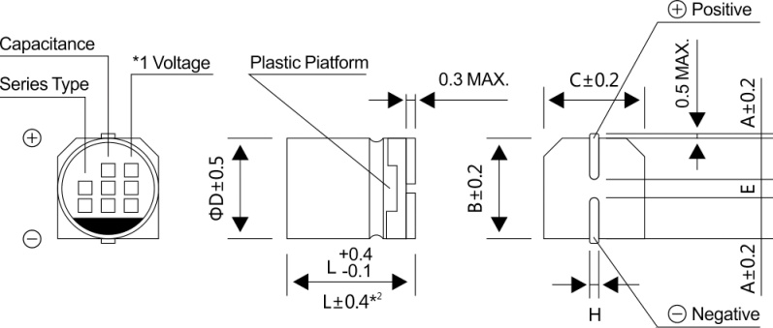
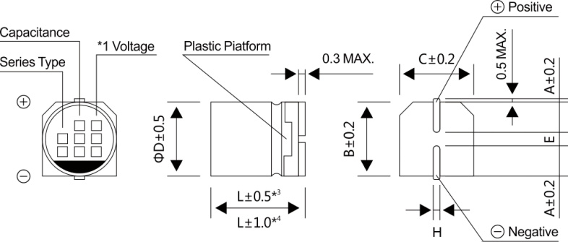

*1 Voltage mark for 6.3V is 【6V】
*2 Applicable to Φ6.3x7.7
*3 Applicable to Φ8x10.5 ~ Φ10
*4 Applicable to Φ12.5 ~ Φ16

2
ELCON |  |  |  |  | Surface Mount Aluminum Electrolytic Capacitors
KL
 | Series
■ DIMENSIONS (Unit:mm)
ΦDxL | 4x5.8 | 5x5.8 | 6.3x5.8 | 6.3x7.7 | 8x10.5 | 10x10.5 | 10x13.5 | 12.5x13.5 | 12.5x16 | 16x16.5
A | 2.0 | 2.2 | 2.6 | 2.6 | 3.0 | 3.3 | 3.3 | 4.9 | 4.9 | 5.8
B | 4.3 | 5.3 | 6.6 | 6.6 | 8.4 | 10.4 | 10.4 | 13.0 | 13.0 | 17.0
C | 4.3 | 5.3 | 6.6 | 6.6 | 8.4 | 10.4 | 10.4 | 13.0 | 13.0 | 17.0
E±0.2 | 1.0 | 1.4 | 1.9 | 1.9 | 3.1 | 4.7 | 4.7 | 4.7 | 4.7 | 6.4
L | 5.8 | 5.8 | 5.8 | 7.7 | 10.5 | 10.5 | 13.5 | 13.5 | 16.0 | 16.5
H | 0.5~0.8 | 0.5~0.8 | 0.5~0.8 | 0.5~0.8 | 0.8~1.2 | 0.8~1.2 | 0.8~1.2 | 0.8~1.2 | 0.8~1.2 | 0.8~1.2
WV
■ DIMENSIONS & MAXIMUM PERMISSIBLE RIPPLE CURRENT
Code
 |  |  | 6.3 |  | 10 |  | 16 |  | 25
μF
 |  |  | 0J |  | 1A |  | 1C |  | 1E
10 |  | 100 |  |  |  |  | 4x5.8 | 18 | 5x5.8 | 27
22 |  | 220 | 4x5.8 | 22 | 5x5.8 | 30 | 5x5.8 | 30 | 6.3x5.8 | 44
33 |  | 330 | 5x5.8 | 35 | 5x5.8 | 36 | 6.3x5.8 | 48 | 6.3x5.8 | 50
47 |  | 470 | 5x5.8 | 38 | 6.3x5.8 | 50 | 6.3x5.8 | 50 | 6.3x7.7 | 63
100 |  | 101 | 6.3x5.8 | 69 | 6.3x7.7 | 81 | 6.3x7.7 | 81 | 8x10.5 | 116
150 |  | 151 | 6.3x7.7 | 85 | 8x10.5 | 125 | 8x10.5 | 125 | 10x10.5 | 320
220 |  | 221 | 6.3x7.7 | 120 | 8x10.5 | 141 | 10x10.5 | 216 | 10x10.5 | 320
330 |  | 331 | 8x10.5 | 290 | 10x10.5 | 290 | 10x10.5 | 290 | 10x10.5 | 320
470 |  | 471 | 10x10.5 | 320 | 10x10.5 | 320 | 10x10.5 | 320 | 12.5x13.5 | 400
 |  |  |  |  |  |  |  |  | (10x13.5) | (350)
680 |  | 681 | 10x10.5 | 320 | 10x10.5 | 320 | 10x13.5 | 420 | 12.5x13.5 | 415
1000 |  | 102 | 10x10.5 | 410 | 10x13.5 | 390 | 12.5x13.5 | 550 | 12.5x13.5 | 460
1500 |  | 152 | 10x13.5 | 450 | 12.5x13.5 | 480 | 12.5x13.5 | 650 | 12.5x16 | 700
2200 |  | 222 | 12.5x13.5 | 680 | 12.5x16 | 750 | 16x16.5 | 800
 |  |  |  |  | (12.5x13.5) | (510)
3300 |  | 332 | 12.5x16 | 850 | 16x16.5 | 800 |  |  | Case size | Ripple current
 |  |  | (12.5x13.5) | (800)
WV
Code
μF
 |  |  | 6.3 |  | 10 |  | 16 |  | 25
 |  |  | 0J |  | 1A |  | 1C |  | 1E
0.10 |  | 0R1 |  |  | 4x5.8 | 1.0
0.22 |  | R22 |  |  | 4x5.8 | 2.6
0.33 |  | R33 |  |  | 4x5.8 | 3.2
0.47 |  | R47 |  |  | 4x5.8 | 5
1 |  | 010 |  |  | 4x5.8 | 8
2.2 |  | 2R2 |  |  | 4x5.8 | 12
3.3 |  | 3R3 |  |  | 4x5.8 | 17 |  |  | 6.3x7.7 | 30
4.7 |  | 4R7 | 4x5.8 | 16 | 5x5.8 | 22 |  |  | 8x10.5 | 50
10 |  | 100 | 5x5.8 | 27 | 6.3x5.8 | 32 | 6.3x7.7 | 45 | 8x10.5 | 55
22 |  | 22R | 6.3x5.8 | 44 | 6.3x7.7 | 58 | 8x10.5 | 65 | 10x10.5 | 70
33 |  | 33R | 6.3x7.7 | 57 | 8x10.5 | 140 | 10x10.5 | 80 | 10x10.5 | 80
47 |  | 47R | 8x10.5 | 92 | 10x10.5 | 310 | 10x10.5 | 90 | 12.5x13.5 | 250
 |  |  |  |  |  |  |  |  | (10x13.5) | (150)
100 |  | 101 | 10x10.5 | 151 | 10x10.5 | 310 | 10x13.5 | 150 | 12.5x13.5 | 300
150 |  | 151 | 10x10.5 | 290 | 10x10.5 | 310 |  |  | 16x16.5 | 600
 |  |  |  |  |  |  |  |  | (12.5x16) | (420)
 |  |  |  |  |  |  |  |  | （12.5x13.5） | (380)
220 |  | 221 | 10x10.5 | 375 | 12.5x13.5 | 340 | 12.5x13.5 | 470
 |  |  |  |  | (10x13.5) | (320)
330 |  | 331 | 12.5x13.5 | 380 | 12.5x16 | 600 | 16x16.5 | 650
 |  |  | (10x13.5) | (375) | (12.5x13.5) | (500) | (12.5x16) | (550)
470 |  | 471 | 12.5x13.5 | 520 | 16x16.5 | 700

680 |  | 681 | 12.5x13.5 | 550
1000 |  | 102 | 16x16.5 | 750 |  |  |  |  | Case size | Ripple current
 |  |  | (12.5x16) | (600)
·Case size ΦDxL (mm), ripple current (mA rms) at 105℃, 120Hz

