1
ELCON |  |  |  | Surface Mount Aluminum Electrolytic Capacitors
KP
 | Series
Non-Polarized, Wide temperature
● Non-Polarized with temperature range -55 ~ +105℃
● Load life of 1000 hours
● RoHS Compliance
■SPECIFICATIONS

Item
Operation Temperature Range |  | -55 ~ +105℃
Voltage Range |  | 6.3 ~ 50V
Capacitance Range
Capacitance Tolerance |  | ± 20 % (at 120Hz , 20℃)
Leakage Current
 |  | WV(V) | 6.3 ~ 50
 |  | Time | After 2 minutes (application of rated voltage)
 |  | L.C. | I≤0.05CV or +10μA, whichever is greater
Dissipation Factor (MAX) (tanδ) (at 120Hz ,20℃)
 |  | WV(V) |  | 6.3 |  |  | 10 |  | 16, 25 |  | 35, 50
 |  | tanδ |  | 0.24 |  |  | 0.2 |  | 0.17 |  | 0.15

Low Temp.Impedance Stability at 120Hz
 |  | WV(V) |  |  | 6.3 |  |  | 10 |  | 16, 25 | 35, 50
 |  | Z(-25℃)/ Z(+20℃) |  |  | 4 |  |  | 3 |  | 2 | 2
 |  | Z(-55)℃/ Z+20℃ |  |  | 8 |  |  | 6 |  | 4 | 3

Load Life
 |  | After 1000hrs. application of the rated voltage at 105℃(the polarity needs to exchange every 250 hrs. ), They meet the
 |  | characteristics listed below.
 |  | Capacitance change |  |  |  | Within ±20% of initial value
 |  | Dissipation Factor |  |  |  | 200% or less of initial specified value
 |  | Leakage Current |  |  |  | initial specified value or less

Shelf Life |  | After leaving capacitors under no load at 105℃ for 1000 hours, they meet the specified value for load life characteristics
 |  | listed above
Resistance to Soldering Heat |  | After reflow soldering and restored at room temperature, they meet ther characteristics listed below.
 |  | Capacitance change |  |  |  | Within ±10% of initial value
 |  | Dissipation Factor |  |  |  | initial specified value or less
 |  | Leakage Current |  |  |  | initial specified value or less

Marking
 |  | Black print on the case top

■ DRAWING (Unit: mm)
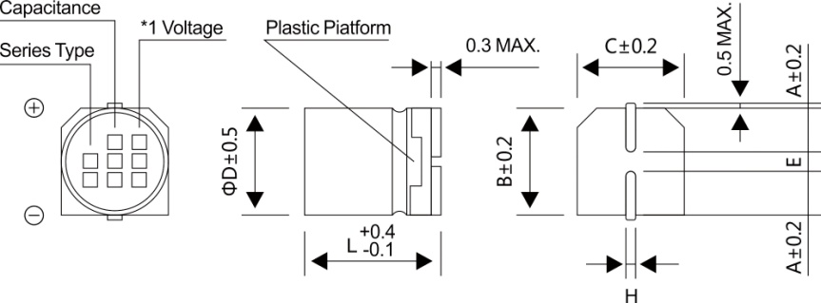

*1. Voltage mark for 6.3V is 【6V】

■DIMENSIONS (Unit: mm)
ΦDxL | 4x5.4 |  | 5x5.4 |  | 6.3x5.4
A | 2.0 |  | 2.2 |  | 2.6
B | 4.3 |  | 5.3 |  | 6.6
C | 4.3 |  | 5.3 |  | 6.6
E±0.2 | 1.0 |  | 1.4 |  | 1.9
L | 5.4 |  | 5.4 |  | 5.4
H | 0.5~0.8 |  | 0.5~0.8 |  | 0.5~0.8

2
ELCON |  |  |  | Surface Mount Aluminum Electrolytic Capacitors
KP
 |  | Series
WV
■DIMENSIONS&MAXIMUM PERMISSIBLE RIPPLE CURRENT
Code
 |  | 6.3 |  | 10 |  | 16 |  | 25 |  | 35 |  | 50
μF
 |  | 0J |  | 1A |  | 1C |  | 1E |  | 1V |  | 1H
0.1 | 0R1 |  |  |  |  |  |  |  |  |  |  | 4x5.4 | 1.0
0.22 | R22 |  |  |  |  |  |  |  |  |  |  | 4x5.4 | 2.0
0.33 | R33 |  |  |  |  |  |  |  |  |  |  | 4x5.4 | 2.8
0.47 | R47 |  |  |  |  |  |  |  |  |  |  | 4x5.4 | 4.0
1 | 010 |  |  |  |  |  |  |  |  |  |  | 4x5.4 | 8.4
2.2 | 2R2 |  |  |  |  |  |  |  |  | 4x5.4 | 8.4 | 5x5.4 | 13
3.3 | 3R3 |  |  |  |  |  |  | 5x5.4 | 12 | 5x5.4 | 16 | 5x5.4 | 17
4.7 | 4R7 |  |  |  |  | 4x5.4 | 12 | 5x5.4 | 16 | 5x5.4 | 18 | 6.3x5.4 | 20
10 | 100 |  |  | 4x5.4 | 17 | 5x5.4 | 23 | 6.3x5.4 | 27 | 6.3x5.4 | 29
22 | 220 | 5x5.4 | 28 | 6.3x5.4 | 33 | 6.3x5.4 | 37
33 | 330 | 6.3x5.4 | 37 | 6.3x5.4 | 41 | 6.3x5.4 | 49 |  |  |  |  | Case size | Ripple current
47 | 470 | 6.3x5.4 | 45
·Case size ΦDxL (mm), ripple current (mA rms) at 105℃, 120Hz

■ FREQUENCY COEFFICIENT OF ALLOWABLE RIPPLE CURRENT
Frequency |  |  |  | ~50Hz |  | 120Hz |  | 300Hz |  | 1KHz |  | 10KHz~
Coefficient |  |  |  | 0.70 |  | 1.00 |  | 1.17 |  | 1.36 |  | 1.50

