1
ELCON |  |  |  | Surface Mount Aluminum Electrolytic Capacitors
LZ
 | Series
Low Impedance
● Low Impedance with temperature range -55 ~ +105℃
● Load life of 1000 ~ 2000 hours
● RoHS Compliance

■SPECIFICATIONS

Item
Operation Temperature Range |  | -55 ~ +105℃
Voltage Range |  | 6.3 ~ 50V
Capacitance Range
Capacitance Tolerance |  | ± 20 % (at 120Hz , 20℃)
Leakage Current
 |  | WV(V) | 6.3 ~ 50
 |  | Size | Φ4 ~ 10 |  |  |  |  |  |  | Φ12.5 ~ 16
 |  | Time | After 2 minutes (application of rated voltage) |  |  |  |  |  |  | After 1 minutes (application of rated voltage)
 |  | L.C. | I≤0.01CV or 3μA , whichever is greater |  |  |  |  |  |  | I≤0.03CV or 4μA , whichever is greater
Dissipation Factor (MAX) (tanδ) (at 120Hz ,20℃)
 |  | WV(V) |  | 6.3 | 10 | 16 | 25 | 35 | 50
 |  | tanδ | Φ4~10 | 6.3 | 0.19 | 0.16 | 0.14 | 0.12 | 0.12
 |  |  | Φ12.5~16 | 6.3 | 0.22 | 0.18 | 0.16 | 0.14 | 0.12

Low Temp.Impedance Stability at 120Hz
 |  | WV(V) |  |  | 6.3 | 10 | 16 | 25 | 35 | 50~100
 |  | Z(-25℃)/ Z(+20℃) |  | Φ4~10 | 2 | 2 | 2 | 2 | 2 | 2
 |  | Z(-55)℃/ Z(+20℃) |  |  | 5 | 4 | 4 | 3 | 3 | 3
 |  | Z(-25℃)/ Z(+20℃) |  | Φ12.5~16 | 3 | 3 | 2 | 2 | 2 | 2
 |  | Z(-55)℃/ Z(+20℃) |  |  | 10 | 8 | 6 | 4 | 3 | 3

Load Life
 |  | After 2000hrs. (1000hrs. For Φ4~Φ6.3x5.4) application of the rated voltage at 105℃, they meet the characteristics
 |  | listed below.
 |  | Capacitance change |  |  |  | Within ±20% of initial value
 |  | Dissipation Factor |  |  |  | 200% or less of initial specified value
 |  | Leakage Current |  |  |  | initial specified value or less

Shelf Life |  | After leaving capacitors under no load at 105℃ for 1000 hours, they meet the specified value for load life characteristics
 |  | listed above.
Resistance to Soldering Heat |  | After reflow soldering and restored at room temperature, they meet the characteristics listed below.
 |  | Capacitance change |  |  |  | Within ±10% of initial value
 |  | Dissipation Factor |  |  |  | initial specified value or less
 |  | Leakage Current |  |  |  | initial specified value or less

Marking
 |  | Black print on the case top

■ DRAWING (Unit: mm)
(Φ4 ~ Φ6.3x7.7) |  |  |  |  |  |  | Φ8x10.5 ~ Φ16
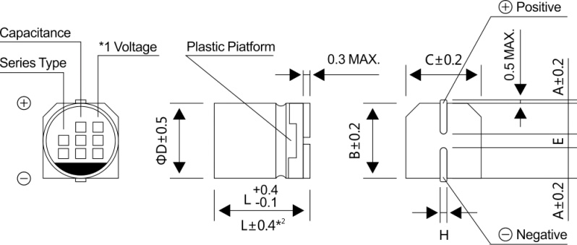
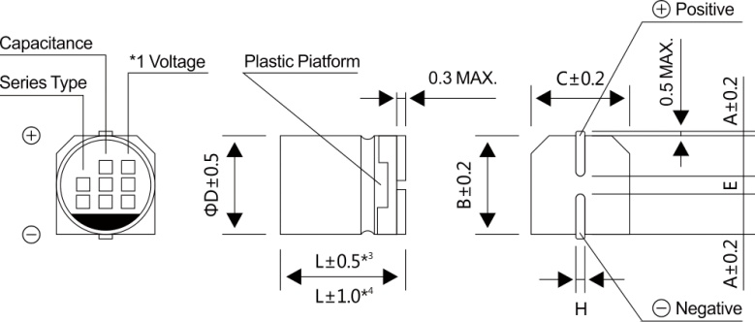

*1. Voltage mark for 6.3V is 【6V】
*2 Applicable to Φ6.3x7.7
*3 Applicable to Φ8x10.5 ~ Φ10
*4 Applicable to Φ12.5 ~ Φ16

2
ELCON |  |  | Surface Mount Aluminum Electrolytic Capacitors
LZ |  | Series

■ DIMENSIONS(Unit:mm)
 | ΦDxL | 4x5.4 | 5x5.4 | 6.3x5.4 | 6.3x7.7 | 8x10.5 | 10x10.5 | 10x13.5 | 12.5x13.5 | 12.5x16 | 16x16.5
 | A | 2.0 | 2.2 | 2.6 | 2.6 | 3.0 | 3.3 | 3.3 | 4.9 | 4.9 | 5.8
 | B | 4.3 | 5.3 | 6.6 | 6.6 | 8.4 | 10.4 | 10.4 | 13.0 | 13.0 | 17.0
 | C | 4.3 | 5.3 | 6.6 | 6.6 | 8.4 | 10.4 | 10.4 | 13.0 | 13.0 | 17.0
 | E±0.2 | 1.0 | 1.4 | 1.9 | 1.9 | 3.1 | 4.7 | 4.7 | 4.7 | 4.7 | 6.4
 | L | 5.4 | 5.4 | 5.4 | 7.7 | 10.5 | 10.5 | 13.5 | 13.5 | 16.0 | 16.5
 | H | 0.5~0.8 | 0.5~0.8 | 0.5~0.8 | 0.5~0.8 | 0.8~1.2 | 0.8~1.2 | 0.8~1.2 | 0.8~1.2 | 0.8~1.2 | 0.8~1.2
WV
■ DIMENSIONS&MAXIMUM PERMISSIBLE RIPPLE CURRENT&IMPEDANCE
Code
 |  |  | 6.3 |  |  | 10 |  |  | 16
μF
 |  |  | 0J |  |  | 1A |  |  | 1C
10 |  | 100 |  |  |  |  |  |  | 4x5.4 | 3.0 | 60
15 |  | 150 |  |  |  |  |  |  | 5x5.4 | 1.8 | 95
 |  |  |  |  |  |  |  |  | (4x5.4) | (3.0) | (60)
22 |  | 220 | 4x5.4 | 3.0 | 60 | 5x5.4 | 1.8 | 95 | 5x5.4 | 1.8 | 95
 |  |  |  |  |  | (4x5.4) | (3.0) | (60) | (4x5.4) | (3.0) | (60)
33 |  | 330 | 5x5.4 | 1.8 | 95 | 5x5.4 | 1.8 | 95 | 6.3x5.4 | 1.0 | 140
 |  |  | (4x5.4) | (3.0) | (60) | (4x5.4) | (3.0) | (60) | (5x5.4) | (1.8) | (95)
47 |  | 470 | 5x5.4 | 1.8 | 95 | 6.3x5.4 | 1.0 | 140 | 6.3x5.4 | 1.0 | 140
 |  |  | (4x5.4) | (3.0) | (60) | (5x5.4) | (1.8) | (95) | (5x5.4) | (1.8) | (95)
68 |  | 680 | 6.3x5.4 | 1.0 | 140 | 6.3x5.4 | 1.0 | 140 | 6.3x7.7 | 0.6 | 230
 |  |  | (5x5.4) | (1.8) | (95) |  |  |  | (6.3x5.4) | (1.0) | (140)
100 |  | 101 | 6.3x5.4 | 1.0 | 140 | 6.3x7.7 | 0.6 | 230 | 6.3x7.7 | 0.6 | 230
 |  |  | (5x5.4) | (1.8) | (95) | (6.3x5.4) | (1.0) | (140) | (6.3x5.4) | (1.0) | (140)
150 |  | 151 | 6.3x7.7 | 0.6 | 230 | 6.3x7.7 | 0.6 | 230 | 6.3x7.7 | 0.6 | 230
 |  |  | (6.3x5.4) | (1.0) | (140) | (6.3x5.4) | (1.0) | (140)
220 |  | 221 | 6.3x7.7 | 0.6 | 230 | 6.3x7.7 | 0.6 | 230 | 8x10.5 | 0.30 | 450
 |  |  | (6.3x5.4) | (1.0) | (140) |  |  |  | (6.3x7.7) | (0.6) | (230)
330 |  | 331 | 6.3x7.7 | 0.6 | 230 | 8x10.5 | 0.30 | 450 | 10x10.5 | 0.15 | 670
 |  |  |  |  |  |  |  |  | (8x10.5) | (0.30) | (450)
470 |  | 471 | 8x10.5 | 0.30 | 450 | 8x10.5 | 0.30 | 450 | 10x10.5 | 0.15 | 670
 |  |  |  |  |  |  |  |  | (8x10.5) | (0.30) | (450)
680 |  | 681 | 8x10.5 | 0.30 | 450 | 10x10.5 | 0.15 | 670 | 10x10.5 | 0.15 | 670
1000 |  | 102 | 10x10.5 | 0.15 | 670 | 10x10.5 | 0.15 | 670 | 10x10.5 | 0.15 | 670
 |  |  | (8x10.5) | (0.30) | (450)
1500 |  | 152 | 10x13.5 | 0.13 | 750 | 12.5x13.5 | 0.11 | 820 | 12.5x13.5 | 0.11 | 820
 |  |  | (10x10.5) | (0.15) | (670) | (10x13.5) | (0.13) | (750)
2200 |  | 222 | 12.5x13.5 | 0.11 | 820 | 12.5x16 | 0.09 | 950 | 16x16.5 | 0.08 | 1260
 |  |  | (10x13.5) | (0.13) | (750) |  |  |  | (12.5x16) | (0.09) | (950)
3300 |  | 332 | 12.5x16 | 0.09 | 950 | 16x16.5 | 0.08 | 1260 | 16x16.5 | 0.08 | 1260
 |  |  | (12.5x13.5) | (0.11) | (820)
4700 |  | 472 | 16x16.5 | 0.08 | 1260 | 16x16.5 | 0.08 | 1260
WV
μF
Code |  |  | 25 |  |  | 35 |  |  | 50
 |  |  | 1E |  |  | 1V |  |  | 1H
1.0 |  | 010 |  |  |  | 4x5.4 | 3.0 | 60 | 4x5.4 | 5.0 | 30
1.5 |  | 1R5 |  |  |  | 4x5.4 | 3.0 | 60 | 4x5.4 | 5.0 | 30
2.2 |  | 2R2 |  |  |  | 4x5.4 | 3.0 | 60 | 4x5.4 | 5.0 | 30
3.3 |  | 3R3 |  |  |  | 4x5.4 | 3.0 | 60 | 4x5.4 | 5.0 | 30
4.7 |  | 4R7 | 4x5.4 | 3.0 | 60 | 4x5.4 | 3.0 | 60 | 5x5.4 | 3.0 | 50
6.8 |  | 6R8 | 4x5.4 | 3.0 | 60 | 5x5.4 | 1.8 | 95 | 6.3x5.4 | 2.0 | 70
10 |  | 100 | 5x5.4 | 1.8 | 95 | 5x5.4 | 1.8 | 95 | 6.3x5.4 | 2.0 | 70
 |  |  | (4x5.4) | (3.0) | (60) | (4x5.4) | (3.0) | (60)
15 |  | 150 | 6.3x5.4 | 1.8 | 95 | 5x5.4 | 1.8 | 95 | 6.3x5.4 | 2.0 | 70
22 |  | 220 | 6.3x5.4 | 1.0 | 140 | 6.3x5.4 | 1.0 | 140 | 6.3x7.7 | 1.0 | 120
 |  |  | (5x5.4) | (1.8) | (95) | (5x5.4) | (1.8) | (95) | (6.3x5.4) | (2.0) | (70)

3
ELCON |  |  |  | Surface Mount Aluminum Electrolytic Capacitors
LZ
 | Series
WV
■ DIMENSIONS&MAXIMUM PERMISSIBLE RIPPLE CURRENT&IMPEDANCE
Code
 |  | 25 |  |  | 35 |  |  | 50
μF
 |  | 1E |  |  | 1V |  |  | 1H
33 | 330 | 6.3x5.4 | 1.0 | 140 | 6.3x5.4 | 1.0 | 140 | 6.3x7.7 | 1.0 | 120
 |  | (5x5.4) | (1.8) | (95)
47 | 470 | 6.3x7.7 | 0.6 | 230 | 6.3x7.7 | 0.6 | 230 | 6.3x7.7 | 1.0 | 120
 |  | (6.3x5.4) | (1.0) | (140) | (6.3x5.4) | (1.0) | (140)
68 | 680 | 6.3x7.7 | 0.6 | 230 | 6.3x7.7 | 0.6 | 230 | 8x10.5 | 0.6 | 300
100 | 101 | 6.3x7.7 | 0.6 | 230 | 8x10.5 | 0.3 | 450 | 8x10.5 | 0.6 | 300
150 | 151 | 8x10.5 | 0.3 | 450 | 8x10.5 | 0.3 | 450 | 10x10.5 | 0.30 | 500
 |  | (6.3x7.7) | 0.6 | (230)
220 | 221 | 8x10.5 | 0.30 | 450 | 10x10.5 | 0.15 | 670 | 10x10.5 | 0.3 | 500
 |  |  |  |  | (8x10.5) | (0.30) | (450)
330 | 331 | 10x10.5 | 0.15 | 670 | 10x10.5 | 0.15 | 670 | 16x16.5 | 0.12 | 1060
 |  | (8x10.5) | (0.30) | (450) |  |  |  | 12.5x13.5 | (0.20) | (650)
 |  |  |  |  |  |  |  | 10x13.5 | (0.25) | (580)
470 | 471 | 10x10.5 | 0.15 | 670 | 10x13.5 | 0.13 | 750 | 16x16.5 | 0.12 | 1060
 |  |  |  |  |  |  |  | (12.5x16) | (0.15) | (700)
680 | 681 | 10x13.5 | 0.13 | 750 | 12.5x13.5 | 0.11 | 820 | 16x16.5 | 0.12 | 1060
 |  |  |  |  | (10x13.5) | (0.13) | (750)
1000 | 102 | 16x16.5 | 0.08 | 1260 | 16x16.5 | 0.08 | 1260
 |  | 12.5x13.5 | (0.11) | (820) | (12.5x16) | (0.09) | (950)
1500 | 152 | 12.5x16 | 0.09 | 950 | 16x16.5 | 0.08 | 1260 | Case size ΦDxL (mm) | Impedance (Ω) at 20℃ 100KHz | Ripple current (mA rms) at 105℃, 100KHz

2200 | 222 | 16x16.5 | 0.08 | 1260

■ FREQUENCY COEFFICIENT OF ALLOWABLE RIPPLE CURRENT
Frequency |  |  |  |  |  | 50Hz | 120Hz | 300Hz | 1KHz | 10KHz~
Coefficient | Φ4~Φ10 |  | 1~68μF |  |  | 0.35 | 0.50 | 0.64 | 0.83 | 1.00
 |  |  | 100~2200μF |  |  | 0.40 | 0.55 | 0.70 | 0.85 | 1.00
 | Φ12.5~Φ16 |  | ~680μF |  |  | 0.45 | 0.65 | 0.80 | 0.90 | 1.00
 |  |  | 1000~4700μF |  |  | 0.65 | 0.85 | 0.95 | 1.00 | 1.00

