1
ELCON |  |  |  | Surface Mount Aluminum Electrolytic Capacitors
SC
 | Series
Low leakage current
● Low leakage current(0.5 ~3.3μA max.)
● Low cost for replacement of some tantalum applications
● RoHS Compliance
■SPECIFICATIONS

Item
Operation Temperature Range |  | -40 ~ +85℃
Voltage Range |  | 6.3 ~ 50V
Capacitance Range
Capacitance Tolerance |  | ± 20 % (at 120Hz , 20℃)
Leakage Current
 |  | WV(V) | 6.3 ~ 50
 |  | Time | After 2 minutes (application of rated voltage)
 |  | L.C. | I≤0.002CV or 0.5μA, whichever is greater
Surge Voltage & Dissipation Factor (MAX) (tanδ) (at 120Hz ,20℃)
 |  | WV(V) |  | 6 | 10 | 16 | 25 | 35 | 50
 |  | Surge Voltage(V) |  | 8 | 13 | 20 | 32 | 44 | 63
 |  | tanδ |  | 0.24 | 0.20 | 0.16 | 0.14 | 0.12 | 0.10

Low Temp.Impedance Stability at 120Hz
 |  | WV(V) |  |  | 6.3 |  | 10 |  | 16, 25 | 35, 40
 |  | Z(-25℃)/ Z(+20℃) |  |  | 4 |  | 3 |  | 2 | 2
 |  | Z(-40)℃/ Z(+20℃) |  |  | 8 |  | 6 |  | 4 | 3

Load Life
 |  | After 2000hrs. application of the rated voltage at 85℃, they meet the characteristics listed below.
 |  | Capacitance change |  |  |  | Within ±25% of initial value
 |  | Dissipation Factor |  |  |  | 200% or less of initial specified value
 |  | Leakage Current |  |  |  | initial specified value or less

Resistance to Soldering Heat |  | After reflow soldering and restored at room temperature, they meet ther characteristics listed below.
 |  | Capacitance change |  |  |  | Within ±10% of initial value
 |  | Dissipation Factor |  |  |  | initial specified value or less
 |  | Leakage Current |  |  |  | initial specified value or less

Marking
 |  | Black print on the case top

■ DRAWING (Unit: mm)
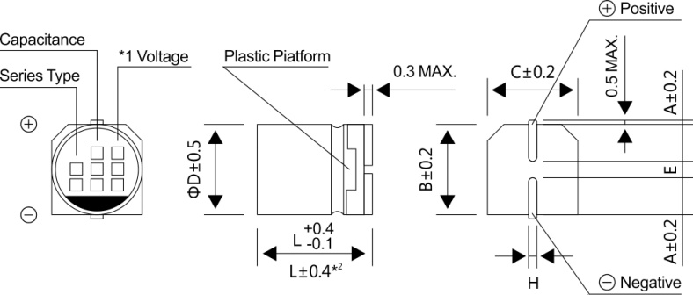

*1 Voltage mark for 6.3V is 【6V】
*2 Applicable to Φ6.3x7.7

■DIMENSIONS (Unit: mm)
ΦDxL | 4x5.4 |  | 5x5.4 |  | 6.3x5.4 |  |  | 6.3x7.7
A | 2.0 |  | 2.2 |  | 2.6 |  |  | 2.6
B | 4.3 |  | 5.3 |  | 6.6 |  |  | 6.6
C | 4.3 |  | 5.3 |  | 6.6 |  |  | 6.6
E±0.2 | 1.0 |  | 1.4 |  | 1.9 |  |  | 1.9
L | 5.4 |  | 5.4 |  | 5.4 |  |  | 7.7
H | 0.5~0.8 |  | 0.5~0.8 |  | 0.5~0.8 |  |  | 0.5~0.8

2
ELCON |  |  |  |  | Surface Mount Aluminum Electrolytic Capacitors
SC
 | Series
■ DIMENSIONS&MAXIMUM PERMISSIBLE RIPPLE CURRENT &ESR
WV
 |  | 6.3(0J) |  |  | 10(1A) |  |  | 16(1C)
Parameter
μF
 |  | Case size ΦDxL (mm) | E.S.R.(Ω) 20℃,120Hz | Ripple current (mA rms) at 85℃,120Hz | Case size ΦDxL (mm) | E.S.R.(Ω) 20℃,120Hz | Ripple current (mA rms) at 85℃,120Hz | Case size ΦDxL (mm) | E.S.R.(Ω) 20℃,120Hz | Ripple current (mA rms) at 85℃,120Hz

10 | 100 |  |  |  |  |  |  | 4x5.4 | 34.5 | 25
22 | 220 | 4x5.4 | 23.5 | 31 | 5x5.4 | 19.6 | 35 | 5x5.4 | 15.7 | 39
33 | 330 | 5x5.4 | 15.7 | 39 | 5x5.4 | 13.1 | 43 | 6.3x5.4 | 10.5 | 57
47 | 470 | 5x5.4 | 11.0 | 47 | 6.3x5.4 | 9.2 | 59 | 6.3x5.4 | 7.3 | 68
100 | 101 | 6.3x5.4 | 5.2 | 75 | 6.3x5.4 | 4.3 | 76 | 6.3x7.7 | 3.5 | 96
220 | 221 | 6.3x7.7 | 2.4 | 85

WV
Parameter
μF
 |  | 25(1E) |  |  | 35(1V) |  |  | 50(1H)
 |  | Case size ΦDxL (mm) | E.S.R.(Ω) 20℃,120Hz | Ripple current (mA rms) at 85℃,120Hz | Case size ΦDxL (mm) | E.S.R.(Ω) 20℃,120Hz | Ripple current (mA rms) at 85℃,120Hz | Case size ΦDxL (mm) | E.S.R.(Ω) 20℃,120Hz | Ripple current (mA rms) at 85℃,120Hz

0.1 | 0R1 |  |  |  |  |  |  | 4x5.4 | 2156 | 1.0
0.22 | R22 |  |  |  |  |  |  | 4x5.4 | 980 | 2.3
0.33 | R33 |  |  |  |  |  |  | 4x5.4 | 653 | 3.5
0.47 | R47 |  |  |  |  |  |  | 4x5.4 | 459 | 5
1 | 010 |  |  |  |  |  |  | 4x5.4 | 216 | 10
2.2 | 2R2 |  |  |  |  |  |  | 4x5.4 | 98 | 15
3.3 | 3R3 |  |  |  |  |  |  | 4x5.4 | 65 | 18
4.7 | 4R7 | 4x5.4 | 64.2 | 19 | 4x5.4 | 55.1 | 20 | 5x5.4 | 46 | 23
10 | 100 | 5x5.4 | 30.2 | 28 | 5x5.4 | 25.9 | 30 | 6.3x5.4 | 22 | 34
22 | 220 | 6.3x5.4 | 13.7 | 52 | 6.3x5.4 | 11.8 | 54 | 6.3x7.7 | 9.8 | 85
33 | 330 | 6.3x5.4 | 9.1 | 63 | 6.3x7.7 | 7.8 | 105
47 | 470 | 6.3x7.7 | 6.4 | 100 | 6.3x7.7 | 5.5 | 110

■ FREQUENCY COEFFICIENT OF ALLOWABLE RIPPLE CURRENT
Frequency | ~50Hz |  | 120Hz |  | 300Hz |  | 1KHz |  | 10KHz~
Coefficient | 0.70 |  | 1.00 |  | 1.17 |  | 1.36 |  | 1.50

