Sheet1
ELCON |  |  |  |  |  | Aluminum Electrolytic Capacitors
EXPLANATION OF PART NUMBERS
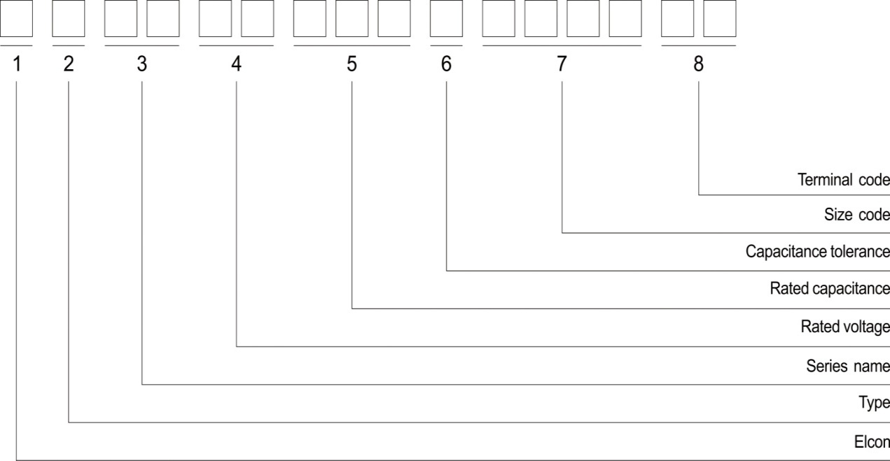

1 | ELCON
2 | Type | Conductive Polymer Aluminum Solid Electrolytic Capacitors |  |  |  | Aluminum Electrolytic Capacitors |  | Aluminum Electrolytic Capacitors(Snap-in) |  |  | Aluminum Electrolytic Capacitors(Screw)

 | Code | P |  |  |  | U |  | S |  |  |  | G

3 |  |  | 4 |  | 5 |  | 6 |  | 7 |  |  | 8
Series |  |  | Voltage (W.V.) | Code | Capacitance (μf) | Code | Cap. Tol. (%) | Code | Size Code Φ x L(mm) | Code |  | Terminal | Code

MA | TP |  | 4 | 0G | 0.1 | 0R1 | ±10 | K | 4x5.5 | 0455 |  | Tape&Reel | TR
MB | HG |  | 6.3 | 0J | 0.22 | R22 | ±20 | M | 4x7 | 0407 |  | Bulk | B
MS | EG |  | 10 | 1A | 0.33 | R33 | -10to+30 | Q | 5x7 | 0507 |  | Taping | T
MV | GC |  | 16 | 1C | 0.47 | R47 | -10to+50 | T | 5x11 | 0511 |  | Taping(Forming) | TF
MR | LR |  | 25 | 1E | 1 | 010 | Special | A | 6.3x5.5 | 6355 |  | Taping(Straight) | TS
PA | LH |  | 35 | 1V | 2.2 | 2R2 |  |  | 6.3x6 | 6306 |  | Cutting | RC
PB | ZL |  | 40 | 1G | 3.3 | 3R3 |  |  | 6.3x7 | 6307 |  | Forming Cut | RF
PS | LF |  | 50 | 1H | 4.7 | 4R7 |  |  | 8x12 | 0812 |  | Forming Only | RM
PV | YA |  | 63 | 1J | 6.8 | 6R8 |  |  | 10x8 | 1008 |  | Cutting&Bending (Left) | RL
PR | EB |  | 75 | 1T | 10 | 100 |  |  | 10x10 | 1010
CK | XF |  | 80 | 1K | 22 | 220 |  |  | 10x10.5 | 1010 |  | Cutting&Bending (Right) | RR
EL | EH |  | 100 | 1R | 33 | 330 |  |  | 10x12.7 | 1012
KL | XH |  | 125 | 2B | 47 | 470 |  |  | 10x20 | 1020 |  | Kinked Forming Cut | RK
KH | GS |  | 160 | 2C | 68 | 680 |  |  | 13x16 | 1316
CH | GH |  | 180 | 2Z | 100 | 101 |  |  | 13x20 | 1320 |  | Kinked Straight Cut | RY
HU | MP |  | 200 | 2D | 330 | 331 |  |  | 16x25 | 1625
LZ | MZ |  | 220 | 2N | 680 | 681 |  |  | 16x36 | 1636
KZ | KM |  | 250 | 2E | 1000 | 102 |  |  | 22x20 | 2220
FZ | MQ |  | 315 | 2F | 1200 | 122 |  |  | 25x20 | 2520
KP | MH |  | 330 | 2U | 1800 | 182 |  |  | 30x20 | 3020
SC |  |  | 350 | 2V | 2200 | 222 |  |  | 35x20 | 3520
SG |  |  | 360 | 2X | 2700 | 272 |  |  | 35x45 | 3545
SL |  |  | 400 | 2G | 3300 | 332 |  |  | 35x100 | 35A0
LA |  |  | 420 | 2M | 4700 | 472 |  |  | 35x110 | 35B0
SK |  |  | 450 | 2W | 5600 | 562 |  |  | 76x130 | 76D0
UH |  |  | 500 | 2H | 6800 | 682 |  |  | 76x140 | 76E0
 |  |  |  |  | 10000 | 103 |  |  | 90x160 | 90G0
 |  |  |  |  | 15000 | 153
 |  |  |  |  | 22000 | 223

MA系列，Rated voltage(V)=6.3V, Rated Cpacitance(μF)=120(μF); Cpacitance Tolerrance=±20%; Case Size ΦD x L(mm)=6.3x6;
P.N. : EPMA0J121M6306TR

