Enumerations
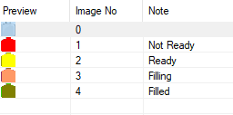
Bottle Enumeration
Index | State/Message
0 | Nothing/Inactive
1 | Not Ready
2 | Ready
3 | Filling
4 | Filled
5 | Out of Service

Bottle Size
Index | State/Message
0 | Not selected
1 | 120ml
2 | 250ml
3 | 625ml

Production Phases
Index | State/Message
0 | Not Started
1 | Starting
2 | Running
3 | Idle
4 | Stopping
5 | Stopped
6 | Ending Run

Cleaning Phases
Index | State/Message
0 | None/Blank
1
2
3
4
5
6
7
8
9
10

