Enumerations
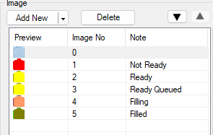
Bottle Enumeration
Index | State/Message
0 | Nothing/Inactive
1 | Not Ready
2 | Ready
3 | Ready Queued
4 | Filling
5 | Filled

Bottle Size
Index | State/Message
0 | Not selected
1 | 120ml
2 | 250ml
3 | 625ml

