Sheet1
Single Ended Microstrip
Microstrip
 | Dielectric thickness (mil) | Width (mil)
 | 3.13 | 5
 | 5.82 | 10
 | 8.45 | 15
 | 11.05 | 20
 | 13.6 | 25
 | 16.2 | 30
 | 18.7 | 35
 | 21.3 | 40
 | 23.8 | 45
 | 26.3 | 50
 | Slope | 1.9447122065

Single Ended Stripline
Stripline
 | Dielectric thickness (mil) | Width (mil)
 | 13.6 | 5
 | 25.5 | 10
 | 37.3 | 15
 | 49 | 20
 | 61 | 25
 | 73 | 30
 | 84.7 | 35
 | 96.7 | 40
 | 108.8 | 45
 | 120.2 | 50
 | Slope | 0.42121314202

Differential Microstrip
 | Dielectric thickness (mil) | Width (mil)
 | 4.1 | 5
 | 7 | 10
 | 10 | 15
 | 13 | 20
 | 16 | 25
 | 19 | 30
 | 21.5 | 35
 | 24.3 | 40
 | 27 | 45
 | 30 | 50
 | Slope | 1.7429548666

Differential Stripline
 | Dielectric thickness (mil) | Width (mil)
 | 16 | 5
 | 18 | 10
 | 23 | 15
 | 28 | 20
 | 38 | 25
 | 45 | 30
 | 55 | 35
 | 60 | 40
 | 66 | 45
 | 72 | 50
 | Slope | 0.73167845592

IPC calculated Analytical Impedance
Microstrip
 | Z0 (ohm) | 50
 | Dk | 4.3
 | t (mil) | 0.7
 | Length (in) | 1

 | Width (mil) | Dielectric thickness (mil)
 | 5 | 3.1028165279
 | 10 | 5.7435114453
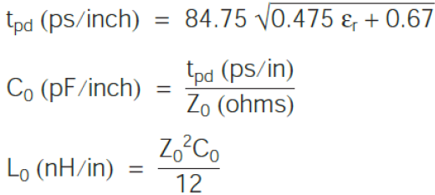
 | 15 | 8.3842063627
 | 20 | 11.02490128
 | 25 | 13.665596197
 | 30 | 16.306291115
 | 35 | 18.946986032
 | 40 | 21.58768095
 | 45 | 24.228375867
 | 50 | 26.869070784

 | tpd (ps) | 139.58044555
 | C0(pF) | 2.7916089111
 | L0(nF) | 581.58518981

Stripline
 | Z0 (ohm) | 50
 | Dk | 4.3
 | t (mil) | 0.7
 | Length (in) | 1

 | Width (mil) | Dielectric thickness (mil)
 | 5 | 13.913658591
 | 10 | 25.755070158
 | 15 | 37.596481725
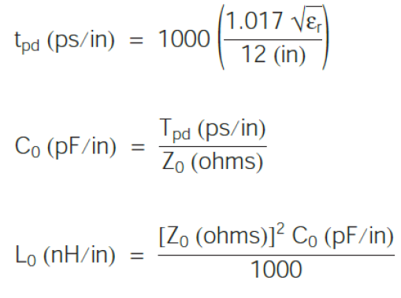
 | 20 | 49.437893292
 | 25 | 61.279304859
 | 30 | 73.120716426
 | 35 | 84.962127993
 | 40 | 96.80353956
 | 45 | 108.64495113
 | 50 | 120.48636269

 | tpd (ps) | 175.74134047
 | C0(pF) | 3.5148268094
 | L0(nF) | 8.7870670235

Differential Microstrip
 | Zdiff (ohm) | 80
 | Dk | 4.3
 | t (mil) | 0.7
 | Length (in) | 1
 | Zodd (ohm) | 40
 | Zeven(ohm) | 45.689325017

 | Spacing (mil) | Dielectric thickness (mil) | x=1-0.48*exp(-0.96*s/h) | Zdiff(sqrt(Dk+1) | exp(Zdiff(sqrt(Dk+1))/2*87*x | Width (mil) | Zo (ohm)
 | 5 | 2.55 | 0.926914621 | 184.17383093 | 3.1324334903 | 5.0017202015 | 42.844662508
 | 10 | 4.67 | 0.93854379995 |  | 3.0884285186 | 10.010799945 | 42.429758796
 | 15 | 6.8 | 0.942236412 |  | 3.0748099593 | 15.029858835 | 42.305887361
 | 20 | 9 | 0.94313534539 |  | 3.0715198292 | 20.186724095 | 42.286561457
 | 25 | 11.1 | 0.94475111695 |  | 3.0656305953 | 25.142778265 | 42.22822252
 | 30 | 13.2 | 0.9458263763 |  | 3.0617288282 | 30.097814978 | 42.189695615
 | 35 | 15.3 | 0.94659334459 |  | 3.058954192 | 35.052266803 | 42.162362993
 | 40 | 17.5 | 0.94649752564 |  | 3.0593004499 | 40.208599853 | 42.170940571
 | 45 | 19.5 | 0.94761442909 |  | 3.0552711082 | 44.960190898 | 42.126169654
 | 50 | 21.65 | 0.94770368488 |  | 3.0549497476 | 50.015304617 | 42.125103463

 | tpd (ps) | 139.58044555
 | C0(pF) | 3.2578257683
 | L0(nF) | 1737.5070764

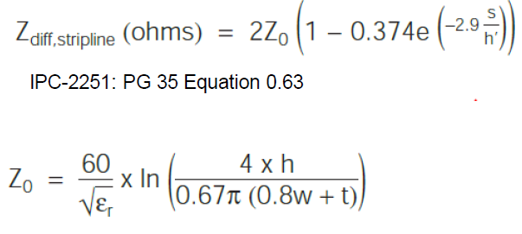
Differential Stripline
 | Zdiff (ohm) | 80
 | Dk | 4.3
 | t (mil) | 0.7
 | Length (in) | 1
 | Zodd (ohm) | 40
 | Zeven(ohm) | 52.359059467

 | Spacing (mil) | Dielectric thickness (mil) | x=1-0.374*exp(-2.9*s/h) | Zdiff(sqrt(Dk) | exp(Zdiff(sqrt(Dk+1))/2*87*x | Width (mil) | Zo (ohm)
 | 5 | 12.2 | 0.88603921038 | 165.89153083 | 4.7591699318 | 5.0034645335 | 46.179529734
 | 10 | 22.1 | 0.89929709382 |  | 4.6509611431 | 9.9915686445 | 45.593436057
 | 15 | 32.1 | 0.90352768102 |  | 4.6176081536 | 15.006368463 | 45.414682134
 | 20 | 42 | 0.9059857281 |  | 4.5984813948 | 19.979804665 | 45.309808163
 | 25 | 52 | 0.90722570685 |  | 4.58890202 | 24.99071053 | 45.258886368
 | 30 | 62 | 0.90805638733 |  | 4.5825104149 | 30.001111588 | 45.224914908
 | 35 | 72 | 0.90865169376 |  | 4.5779425298 | 35.011221225 | 45.200639736
 | 40 | 82 | 0.90909924324 |  | 4.5745153415 | 40.021147416 | 45.182428652
 | 45 | 92 | 0.90944796929 |  | 4.5718490251 | 45.03095066 | 45.16826199
 | 50 | 102 | 0.90972734738 |  | 4.5697155298 | 50.040667489 | 45.156927245

 | tpd (ps) | 175.74134047
 | C0(pF) | 4.3935335117
 | L0(nF) | 7.0296536188

