Лист2
Daily Compound Interest Calculator - Inch Calculator

https://www.inchcalculator.com/daily-compound-interest-calculator/?iv=11.44&rate=10&rate_unit=day&time=100

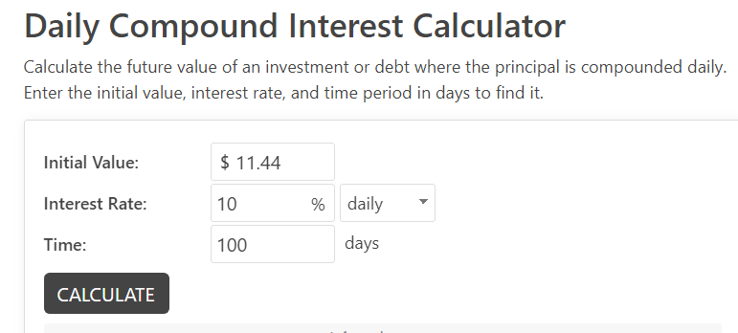

 |  |  |  |  |  |  |  |  |  | https://www.inchcalculator.com/daily-compound-interest-calculator/?iv=11.44&rate=25&rate_unit=day&time=30
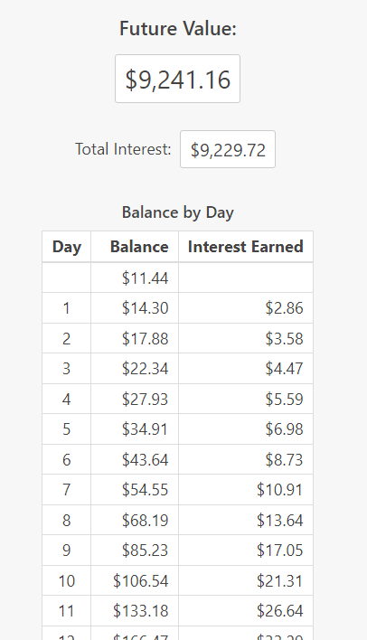
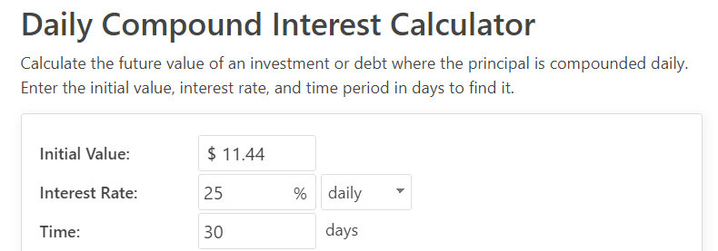

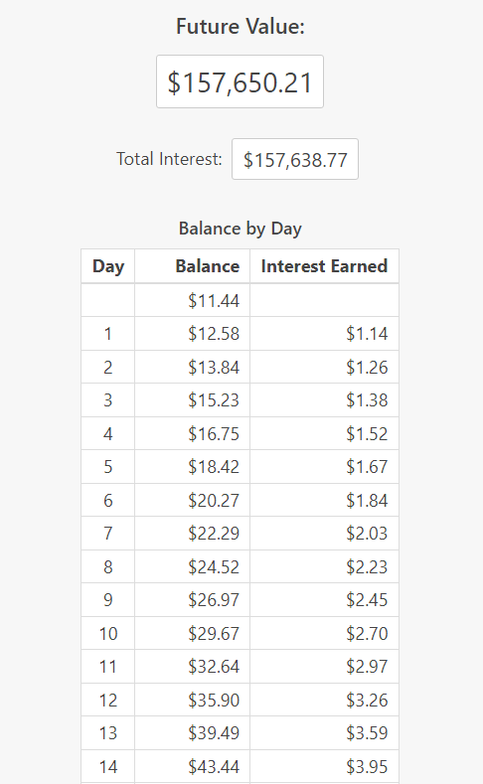

 |  | Balance by Day | 10% |  |  |  |  |  |  |  | Balance by Day
 | TODAY | Day | Balance | Interest Earned | REACHED? | YES | NO? | WHY? | NOTE | TODAY | Day | Balance | Interest Earned | REACHED? | YES | NO? | WHY? | NOTE
 |  | Day | Balance | Interest Earned |  |  |  |  |  |  |  | $11.44
 | 2024-06-07 |  | $11.44 |  |  |  |  |  |  | 2024-06-07 | 1 | $14.30 | $2.86
 | 2024-06-08 | 1 | $12.58 | $1.14 |  |  |  |  |  | 2024-06-08 | 2 | $17.88 | $3.58
 | 2024-06-09 | 2 | $13.84 | $1.26 |  |  |  |  |  | 2024-06-09 | 3 | $22.34 | $4.47
 | 2024-06-10 | 3 | $15.23 | $1.38 |  |  |  |  |  | 2024-06-10 | 4 | $27.93 | $5.59
 | 2024-06-11 | 4 | $16.75 | $1.52 |  |  |  |  |  | 2024-06-11 | 5 | $34.91 | $6.98
 | 2024-06-12 | 5 | $18.42 | $1.67 |  |  |  |  |  | 2024-06-12 | 6 | $43.64 | $8.73
 | 2024-06-13 | 6 | $20.27 | $1.84 |  |  |  |  |  | 2024-06-13 | 7 | $54.55 | $10.91
 | 2024-06-14 | 7 | $22.29 | $2.03 |  |  |  |  |  | 2024-06-14 | 8 | $68.19 | $13.64
 | 2024-06-15 | 8 | $24.52 | $2.23 |  |  |  |  |  | 2024-06-15 | 9 | $85.23 | $17.05
 | 2024-06-16 | 9 | $26.97 | $2.45 |  |  |  |  |  | 2024-06-16 | 10 | $106.54 | $21.31
 | 2024-06-17 | 10 | $29.67 | $2.70 |  |  |  |  |  | 2024-06-17 | 11 | $133.18 | $26.64
 | 2024-06-18 | 11 | $32.64 | $2.97 |  |  |  |  |  | 2024-06-18 | 12 | $166.47 | $33.29
 | 2024-06-19 | 12 | $35.90 | $3.26 |  |  |  |  |  | 2024-06-19 | 13 | $208.09 | $41.62
 | 2024-06-20 | 13 | $39.49 | $3.59 |  |  |  |  |  | 2024-06-20 | 14 | $260.12 | $52.02
 | 2024-06-21 | 14 | $43.44 | $3.95 |  |  |  |  |  | 2024-06-21 | 15 | $325.14 | $65.03
 | 2024-06-22 | 15 | $47.79 | $4.34 |  |  |  |  |  | 2024-06-22 | 16 | $406.43 | $81.29
 | 2024-06-23 | 16 | $52.57 | $4.78 |  |  |  |  |  | 2024-06-23 | 17 | $508.04 | $101.61
 | 2024-06-24 | 17 | $57.82 | $5.26 |  |  |  |  |  | 2024-06-24 | 18 | $635.05 | $127.01
 | 2024-06-25 | 18 | $63.61 | $5.78 |  |  |  |  |  | 2024-06-25 | 19 | $793.81 | $158.76
 | 2024-06-26 | 19 | $69.97 | $6.36 |  |  |  |  |  | 2024-06-26 | 20 | $992.26 | $198.45
 | 2024-06-27 | 20 | $76.96 | $7.00 |  |  |  |  |  | 2024-06-27 | 21 | $1,240.33 | $248.07
 | 2024-06-28 | 21 | $84.66 | $7.70 |  |  |  |  |  | 2024-06-28 | 22 | $1,550.41 | $310.08
 | 2024-06-29 | 22 | $93.12 | $8.47 |  |  |  |  |  | 2024-06-29 | 23 | $1,938.01 | $387.60
 | 2024-06-30 | 23 | $102.44 | $9.31 |  |  |  |  |  | 2024-06-30 | 24 | $2,422.51 | $484.50
 | 2024-07-01 | 24 | $112.68 | $10.24 |  |  |  |  |  | 2024-07-01 | 25 | $3,028.14 | $605.63
 | 2024-07-02 | 25 | $123.95 | $11.27 |  |  |  |  |  | 2024-07-02 | 26 | $3,785.18 | $757.04
 | 2024-07-03 | 26 | $136.34 | $12.39 |  |  |  |  |  | 2024-07-03 | 27 | $4,731.47 | $946.29
 | 2024-07-04 | 27 | $149.98 | $13.63 |  |  |  |  |  | 2024-07-04 | 28 | $5,914.34 | $1,182.87
 | 2024-07-05 | 28 | $164.98 | $15.00 |  |  |  |  |  | 2024-07-05 | 29 | $7,392.93 | $1,478.59
 | 2024-07-06 | 29 | $181.47 | $16.50 |  |  |  |  |  | 2024-07-06 | 30 | $9,241.16 | $1,848.23
 | 2024-07-07 | 30 | $199.62 | $18.15
 | 2024-07-08 | 31 | $219.58 | $19.96
 | 2024-07-09 | 32 | $241.54 | $21.96
 | 2024-07-10 | 33 | $265.70 | $24.15
 | 2024-07-11 | 34 | $292.27 | $26.57
 | 2024-07-12 | 35 | $321.49 | $29.23
 | 2024-07-13 | 36 | $353.64 | $32.15
 | 2024-07-14 | 37 | $389.01 | $35.36
 | 2024-07-15 | 38 | $427.91 | $38.90
 | 2024-07-16 | 39 | $470.70 | $42.79
 | 2024-07-17 | 40 | $517.77 | $47.07
 | 2024-07-18 | 41 | $569.54 | $51.78
 | 2024-07-19 | 42 | $626.50 | $56.95
 | 2024-07-20 | 43 | $689.15 | $62.65
 | 2024-07-21 | 44 | $758.06 | $68.91
 | 2024-07-22 | 45 | $833.87 | $75.81
 | 2024-07-23 | 46 | $917.25 | $83.39
 | 2024-07-24 | 47 | $1,008.98 | $91.73
 | 2024-07-25 | 48 | $1,109.88 | $100.90
 | 2024-07-26 | 49 | $1,220.86 | $110.99
 | 2024-07-27 | 50 | $1,342.95 | $122.09
 | 2024-07-28 | 51 | $1,477.25 | $134.30
 | 2024-07-29 | 52 | $1,624.97 | $147.72
 | 2024-07-30 | 53 | $1,787.47 | $162.50
 | 2024-07-31 | 54 | $1,966.22 | $178.75
 | 2024-08-01 | 55 | $2,162.84 | $196.62
 | 2024-08-02 | 56 | $2,379.12 | $216.28
 | 2024-08-03 | 57 | $2,617.03 | $237.91
 | 2024-08-04 | 58 | $2,878.74 | $261.70
 | 2024-08-05 | 59 | $3,166.61 | $287.87
 | 2024-08-06 | 60 | $3,483.27 | $316.66
 | 2024-08-07 | 61 | $3,831.60 | $348.33
 | 2024-08-08 | 62 | $4,214.76 | $383.16
 | 2024-08-09 | 63 | $4,636.23 | $421.48
 | 2024-08-10 | 64 | $5,099.86 | $463.62
 | 2024-08-11 | 65 | $5,609.84 | $509.99
 | 2024-08-12 | 66 | $6,170.83 | $560.98
 | 2024-08-13 | 67 | $6,787.91 | $617.08
 | 2024-08-14 | 68 | $7,466.70 | $678.79
 | 2024-08-15 | 69 | $8,213.37 | $746.67
 | 2024-08-16 | 70 | $9,034.71 | $821.34
 | 2024-08-17 | 71 | $9,938.18 | $903.47
 | 2024-08-18 | 72 | $10,931.99 | $993.82
 | 2024-08-19 | 73 | $12,025.19 | $1,093.20
 | 2024-08-20 | 74 | $13,227.71 | $1,202.52
 | 2024-08-21 | 75 | $14,550.48 | $1,322.77
 | 2024-08-22 | 76 | $16,005.53 | $1,455.05
 | 2024-08-23 | 77 | $17,606.08 | $1,600.55
 | 2024-08-24 | 78 | $19,366.69 | $1,760.61
 | 2024-08-25 | 79 | $21,303.36 | $1,936.67
 | 2024-08-26 | 80 | $23,433.70 | $2,130.34
 | 2024-08-27 | 81 | $25,777.07 | $2,343.37
 | 2024-08-28 | 82 | $28,354.78 | $2,577.71
 | 2024-08-29 | 83 | $31,190.25 | $2,835.48
 | 2024-08-30 | 84 | $34,309.28 | $3,119.03
 | 2024-08-31 | 85 | $37,740.21 | $3,430.93
 | 2024-09-01 | 86 | $41,514.23 | $3,774.02
 | 2024-09-02 | 87 | $45,665.65 | $4,151.42
 | 2024-09-03 | 88 | $50,232.21 | $4,566.56
 | 2024-09-04 | 89 | $55,255.44 | $5,023.22
 | 2024-09-05 | 90 | $60,780.98 | $5,525.54
 | 2024-09-06 | 91 | $66,859.08 | $6,078.10
 | 2024-09-07 | 92 | $73,544.98 | $6,685.91
 | 2024-09-08 | 93 | $80,899.48 | $7,354.50
 | 2024-09-09 | 94 | $88,989.43 | $8,089.95
 | 2024-09-10 | 95 | $97,888.37 | $8,898.94
 | 2024-09-11 | 96 | $107,677.21 | $9,788.84
 | 2024-09-12 | 97 | $118,444.93 | $10,767.72
 | 2024-09-13 | 98 | $130,289.43 | $11,844.49
 | 2024-09-14 | 99 | $143,318.37 | $13,028.94

