TDSheet
Quotation |  |  |  |  |  | KingCCTV's proposals with quotation

No | Заявка | Номенклатура | Техническое описание | Ед. изм. | Кол-во по заявке | Model | Picture | Specifications | Price | Quantity | Total
1 | Заявка MOF3-PR-IT-PROJECT-0001 от 30.08.2023 16:01:41 | Аккумлятор 12 В 7А*Ч |  | шт | 1
2 | Заявка MOF3-PR-IT-PROJECT-0001 от 30.08.2023 16:01:41 | Датчик магнитоконтактный DS-PD1-MC-MS |  | комп | 10 | DS-PD1-MC-MS |  | DS-PD1-MC-MS Surface mounted magnetic contact Metal shell Connection type: NC Designed for doors or windows Active gap: 40 mm | US$7.25 | 10 | US$72.50
3 | Заявка MOF3-PR-IT-PROJECT-0001 от 30.08.2023 16:01:41 | Извещатель оптический DS-PDP18-EG2 | DS-PDP18-EG2 | шт | 23 | DS-PDP18-EG2 | 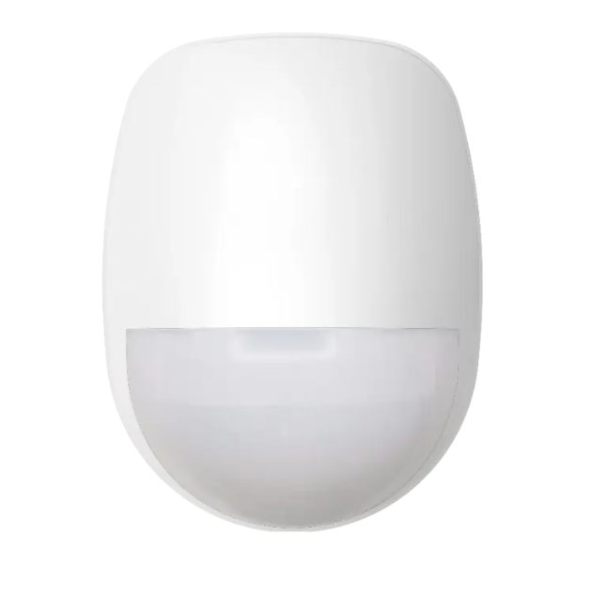 | DS-PDP18-EG2 Wired internal 18m PIR detector Modern design - Delivers a small and sleek detection solution; providing a modern yet unobtrusive finish to complement any room. Detection range - Up to 18m volumetric detection coverage, the Ellipse is the ideal solution for any small to large indoor rooms and spaces. Digital temperature compensation – Digitally adjusts its sensitivity to maintain its specified range when the background temperature is close to body temperature. Automatic sensitivity - self-adapts to changing environmental conditions to maintain stability and intruder catch performance. 3D optics - Improves the detection of moving targets; ensuring more precise signals can be received from the PIR by enabling the perfect focusing of the infra-red signal onto the pyro-electric sensor. Creep-zone protection - covers the blind spot area directly below it, where an intruder may have otherwise avoided detection. Selectable EOL resistors - incorporates selectable alarm resistor values of 1K, 2K2, 4K7, 5K6 and 8K2, as well as tamper resistance values of 1K, 2K2, 4K7 and 5K6; catering for most control panels on the market. Wall and ceiling mount options - can be fitted at a mounting height of 1.8m to 2.4m . There is also a ceiling mount option available if required. Anti-insect interference - Protects the detector from possible insect infestation, as well as shielding air movement in front of its pyro-electric sensor and protecting against adverse reflections from inside the detector housing. Wide voltage - 9 to 16 V wide voltage adaptation with polarity reverse connection protection IFT technology - automatically adjust the upper and lower alarm trip thresholds when exposed to electromagnetic or electrical interference and shift the thresholds before the detector goes into false alarm. | US$6.67 | 23 | US$153.41
4 | Заявка MOF3-PR-IT-PROJECT-0001 от 30.08.2023 16:01:41 | Клавиатура проводная DS-PK00-LCD |  | шт | 1 | DS-PK00-LCD |  | 80 × 25 mm LCD screen display Supports arming and disarming by swiping cards (DS-PK-LRT) Supports remote arming and disarming via keyfob (DS-PK-LRT) One-push to arm Supports displaying zone name on the LCD screen Supports displaying the real-time system status by LED indicator Supports displaying the real-time zones status and events by LCD screen Detachable wiring terminal for easy wiring and installation Temper proof: cover and wall |  | 1 | US$0.00
5 | Заявка MOF3-PR-IT-PROJECT-0001 от 30.08.2023 16:01:41 | Коробка соединительная , КС-4 |  | шт | 10 |  |  |  |  | 10 | US$0.00
6 | Заявка MOF3-PR-IT-PROJECT-0001 от 30.08.2023 16:01:41 | Кронштейн для датчиков DS-PDB-IN 38х51х31.5ММ |  | шт | 23 | DS-PDB-IN |  | DS-PDB-IN-Wallbracket Internal wall mounted bracket Supports hidden wiring & back tamper Anti-torque design Used with Indoor detectors | US$3.34 | 23 | US$76.82
7 | Заявка MOF3-PR-IT-PROJECT-0001 от 30.08.2023 16:01:41 | Оповещатель светозвуковой DS-PS1-R |  | шт | 1 | DS-PS1-R |  | DS-PS1-R Wired Sounder Sound Decibel: 105dB at 30cm IP54 protective level Sound and LED flash indication separately Easy installation with new designed structure | US$11.39 | 1 | US$11.39
8 | Заявка MOF3-PR-IT-PROJECT-0001 от 30.08.2023 16:01:41 | Панель управления на 16/48 зон 4 выхода PSTN+LAN+GPRS Ethernet 10-100МБИТ/СЕК | https://tinko-sb.ru/products/wdr-16420-st-50772/ | шт | 1 |  |  |  |  | 1 | US$0.00
9 | Заявка MOF3-PR-IT-PROJECT-0001 от 30.08.2023 16:01:41 | Шнур коммутационный U/UTP cat 5e 4-х парный 3М SNR-UU4-5E-030-PST-GY |  | шт | 1 | 3 meter patch cables |  | 3 meter patch cables | US$0.84 | 1 | US$0.84
Примечание 1.Заявка ПТО 1935

