Sheet1
 | SHENZHEN KINGCCTV TECHNOLOGY CO.,LTD.
 | 26E, Block 2, Nanguo Bldg., No. 2065, Hongling Middle Rd.,Futian District
 | Shenzhen, Guangdong, P.R.CHINA ZIP: 518028
TEL:86-755-8616 5030 FAX: 86-755-8241 8186
www.kingcctv.com E-Mail: sales5@kingcctv.com Skype: sales5@kingcctv.com Wechat&whatsapp: 86 13549962364 Contact: Sandy Lee
KingCCTV--Quotation
No. | Picture | Model | Specification | EX-W Unit Price (USD/PC) | Quantity (PCS) | Total
1 |  | Ubiquiti UniFi 6 AP Long Range (U6-LR) | Ceiling-mounted WiFi 6 AP with 8 spatial streams and extended signal range. WiFi 6 8 spatial streams 185 m² (2,000 ft²) coverage 350+ connected devices Powered using PoE+ GbE uplink | US$232.68 | 211 | US$49,095.48
2 | 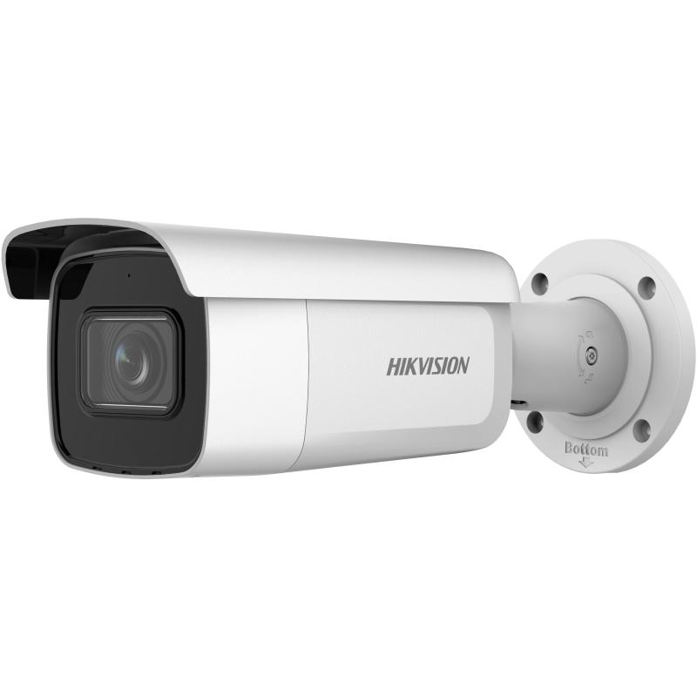 | DS-2CD2643G2-IZS | 4 MP AcuSense Motorized Varifocal Bullet Network Camera High quality imaging with 4 MP resolution Motorized varifocal lens for easy installation and monitoring Clear imaging against strong backlight due to 120 dB WDR technology Efficient H.265+ compression technology Water and dust resistant (IP67) and vandal resistant (IK10) Focus on human and vehicle targets classification based on deep learning | US$126.26 | 264 | US$33,332.64
3 |  | Mikrotik CCR1009-7G-1C-1S+ | 1U rackmount, 7x Gigabit Ethernet, 1x Combo port (SFP or Gigabit Ethernet), 1xSFP+ cage, 9 cores x 1.2GHz CPU, 2GB RAM, LCD panel, Dual Power supplies, SmartCard slot, RouterOS L6 | US$581.69 | 1 | US$581.69
4 |  | SFP module 7.5dB 8502NM 550M | SFP module 7.5dB 8502NM 550M OEM | US$8.64 | 55 | US$475.20
5 |  | SFP WDM module 6DB 3KM 1310NM | SFP WDM module 6DB 3KM 1310NM OEM | US$7.65 | 158 | US$1,208.70
6 |  | SFP WDM module 6DB 3KM 1550NM | SFP WDM module 6DB 3KM 1550NM OEM | US$8.31 | 158 | US$1,312.98
 |  |  |  |  | 847 | US$86,006.69

