Bid
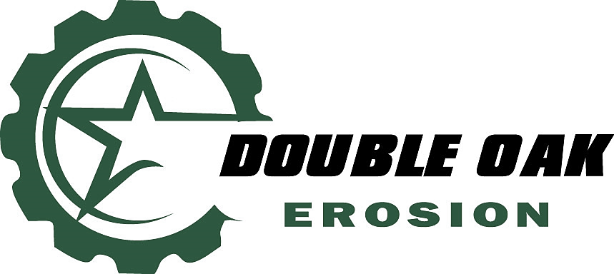

 |  |  | SWPPP Proposal
 |  |  | Quotation valid for 60 days

P.O. Box 979, Waller, Texas 77484
Office: 281 516 0100 |  |  |  |  | Quote Date: | 2025-09-03
jking@doubleoakinc.com

Project:

Bid Item | Qty | Best Management Practices |  | Unit | Unit Price | Total
 | 2000 | Reinforced Silt Fence install (12.5 Ga) |  | LF | $2.85 | $5,700.00
 | 12 | Grate Inlet Protection w/ Fabric & Gravel Bags |  | EA | $80.00 | $960.00
 | 2 | Curb Inlet Protection w/ Z-Dyke & Gravel Bags |  | EA | $125.00 | $250.00
 | 45 | Stabilized Construction Entrance |  | CY | $130.00 | $5,850.00
 | 175 | Rock Filter Dams Type 2 |  | LF | $75.00 | $13,125.00
 | 1 | Concrete Truck Washout |  | EA | $1,250.00 | $1,250.00
 |  |  |  |  |  | $27,135.00

Bid Item | Qty | Stabilization |  | Unit | Unit Price | Total
 |  |  |  | EA |  | $-
 |  |  |  | EA
 |  |  |  | LF |  | $-
 |  | Erosion Eels |  | LF | $- | $-
 | 6222 | Solid Bermuda Sodding |  | SY | $6.75 | $41,998.50
 |  |  |  |  |  | $41,998.50

Bid Item | Qty | SWPPP Narrative |  | Unit | Unit Price | Total
 |  | SWPPP Narrative |  | EA | $1,050.00 | $-
 | 1 | TCEQ NOI Permit and Preparation Fee |  | EA | $350.00 | $350.00
 | 1 | SWPPP Site Sign |  | EA | $250.00 | $250.00
 | 1 | Weekly Site Inspections (Billed Monthly) |  | MO | $560.00 | $560.00
 |  |  |  |  |  | $1,160.00

All mobilizations must meet a $800 minimum. |  |  |  |  | Subtotal | $70,293.50
There is no mobilization charge for inspections. |  |  |  |  | Tax Rate | 8.25%
Terms: Net 30 |  |  |  |  | Sales Tax | $5,799.21
 |  |  |  |  | TOTAL | $76,092.71

NOTES: Includes labor, parts, materials, tools, equipment, liability insurance.

*** Prices are only Good for 60-days and Subject to Change depending upon actual date for Onsite Work Requested to be completed beyond the stated 60-days. ***

NOTES: Includes labor, parts, materials, tools, equipment, liability insurance. Payment terms, net 30
Comments and Conditions

EXCLUSIONS (unless included in scope above): Costs and logistics associated with the following: Additional Permitting and fees; Site specific safety training, special certifications, certified payroll, drug testing, background checks, LEED Requirements, etc.; maintenance; removal; grading; over-seeding/fertilizer; mowing; top soil; soil testing; labs, water source; watering; temporary irrigation; dewatering; ground water and/or well pointing management; excess dirt haul off; rock refresh; tree protection; grubbing; fence removal or replacement for access; damage to unmarked or unknown utility lines; failures upon completion due to engineering design flaws; delays due to severe weather, flooding, natural disasters, etc. Anything not specifically mentioned above.

Accepted & Approved by:
Please acknowledge as acceptance of this bid and its terms.

Company

Printed Name & Title

Signature & Date

