Tabelle1
CO Routen | (Übersetzung)

Produkte |  | Marktkapazität | Jahr der angegebenen Marktkapazität | Reaktionsgleichung |  |  |  |  |  |  | Stöchiometrischen Koeffizienten |  |  |  |  |  | Referenz | Kommentare
 |  | [kg/a] |  | A | B | C | '--> | D | E | F | v_A | v_B | v_C | v_D | v_E | v_F
bereits in Tabelle:
Methanol |  | 134500000000 |  | CO | H2 |  |  | CH3OH |  |  | -1 | -2 |  | 1 |  |  | https://en.wikipedia.org/wiki/Carbon_monoxide

Methyl formate | Ameisensäuremethylester

neu:
2-Ethylhexanol |  | 2,500,000,000 |  | CO | Propan (C3H8) | H2 |  | Butanal (C4H8O) |  |  | -1 | -1 | -1 | 1 |  |  | https://de.wikipedia.org/wiki/Kohlenstoffmonoxid | Reaktionsgleichung von Kerstin (nicht sicher ob so richtig):
 |  |  |  | Butanal (C4H8O) |  |  |  | 2-Ethyl-3-hydroxyhexanal (C8H16O2) |  |  | -2 |  |  | 1 |  |  |  | Propan (C3H8) + CO + ?H2? à Butanal C4H8O
 |  |  |  | 2-Ethyl-3-hydroxyhexanal (C8H16O2) | H2 |  |  | 2-Ethylhexanol (C8H18O) | H2O |  | -1 | -2 |  | 1 | 1 |  |  | Butanal + ??Butanal?? à 2-Ethyl-3-hydroxyhexanal C8H16O2
 |  |  |  |  |  |  |  |  |  |  |  |  |  |  |  |  |  | 2-Ethyl-3-hydroxyhexanal + 2*H2 à H2O + 2-Ethylhexanol (C8H18O)

Phosgen |  | 2,740,000,000 | 1989 | CO | Cl2 |  |  | COCl2 |  |  | -1 | -1 |  | 1 |  |  | https://en.wikipedia.org/wiki/Carbon_monoxide |  | Phosgen ist ein wichtiger Ausgangsstoff für die Herstellung von Methylendiisocyanaten und Toluol-2,4-diisocyanat. Mit Diolen reagiert es unter Polykondensation zu Polycarbonaten.
 |  |  |  |  |  |  |  |  |  |  |  |  |  |  |  |  | https://de.wikipedia.org/wiki/Kohlenstoffmonoxid

formic acid | Ameisensäure | 255000000 (BASF) | 2012 | CO | Metahanol |  |  | Methyl formate (=Ameisensäuremethylester) |  |  | -1 | -1 |  | 1 |  |  | https://de.wikipedia.org/wiki/Kohlenstoffmonoxid | Jahr 2012: weltweite Produktionskapazität der BASF nach diesem Verfahren 255.000 Tonnen pro Jahr
 |  |  |  | Methyl formate (=Ameisensäuremethylester) | H2O |  |  | Formic acid (= Ameisensäure) | Methanol |  | -1 | -1 |  | 1 | 1

acetic acid | Essigsäure | 3500000000 ?! | 2006 ?! | CO | Methanol |  |  | Essigsäure (Acetic Acid) (CH3COOH) (Monsanto-Prozess) |  |  | -1 | -1 |  | 1 |  |  | https://de.wikipedia.org/wiki/Kohlenstoffmonoxid | Essigsäure wird weiter zu Vinyl- und Celluloseacetat sowie Zwischenprodukten der chemischen Industrie weiterverarbeitet.
 |  |  |  |  |  |  |  |  |  |  |  |  |  |  |  |  | PPP | Hagen. Industrial Catalysis. Wiley-VCH: Weinheim 2006

 | Essigsäureanhydrid |  |  | CO | Methylacetat (CH3COOCH3) |  |  | Essigsäureanhydrid (CH3CO)2O (Acetic anhydride) |  |  | -1 | -1 |  | 1 |  |  | https://de.wikipedia.org/wiki/Kohlenstoffmonoxid | Es gibt zwei industrielle Prozesse, nur einer mit CO

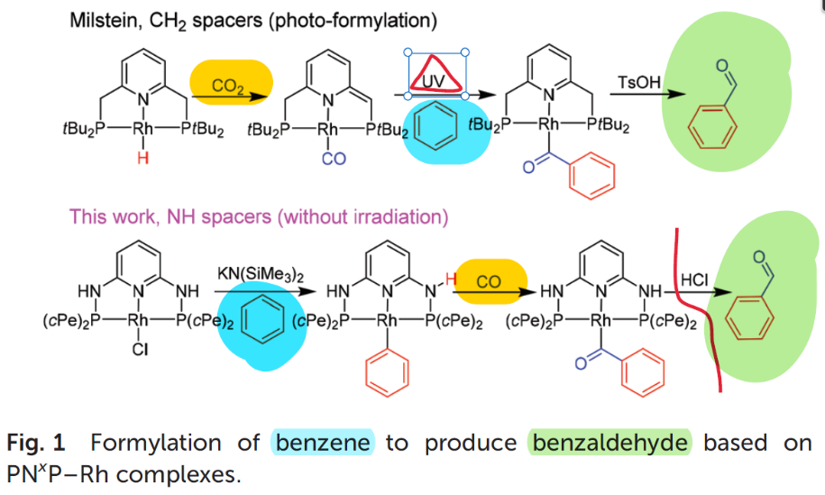
Benzaldehyde |  | 0 |  | CO | benzene |  |  | benzaldehyde |  |  | -1 | -1 |  | 1 |  |  | Holloway1933
 |  |  |  |  |  |  |  |  |  |  |  |  |  |  |  |  | Satrio2001 | reaction of carbon monoxide and benzene, have been utilized in the past, but are no longer industrially usedul.
 |  |  |  |  |  |  |  |  |  |  |  |  |  |  |  |  |  | Today: air-oxidation of toluene is the source of most of world’s synthetic benzaldehyde.
 |  |  |  |  |  |  |  |  |  |  |  |  |  |  |  |  | Zhou2019: | synthetic cycle for the selective carbonylation of benzene utilizing CO
 |  |  |  |  |  |  |  |  |  |  |  |  |  |  |  |  |  | to the best of our knowledge, this is the first selective carbonylation of benzene into benzaldehyde accomplished by directly inserting carbon monoxide without irradiation.

propanoic acid |  | keine Hauptroute ?!, NICHTS GEFUNDEN |  | CO | H20 | H2C=CH2 |  | CH3CH2CO2H (C3H6O2) |  |  | -1 | -1 | -1 | 1 |  |  | https://en.wikipedia.org/wiki/Carbonylation
 |  |  |  |  |  |  |  |  |  |  |  |  |  |  |  |  | https://en.wikipedia.org/wiki/Propionic_acid | At the current time, the world's largest producer of propionic acid is BASF, with approximately 150 kt/a production capacity. ABER mit welcher Route?

methyl propionate |  | Hauptroute, NICHTS GEFUNDEN |  | CO | C2H4 | MeOH |  | MeO2CCH2CH3 |  |  | -1 | -1 | -1 | 1 |  |  | https://en.wikipedia.org/wiki/Carbonylation
 |  |  |  |  |  |  |  |  |  |  |  |  |  |  |  |  | https://en.wikipedia.org/wiki/Methyl_propionate | Industrially, it is prepared by carboalkoxylation, i.e., the reaction of ethylene with carbon monoxide and methanol

 |  |  |  | Fischer--Tropsch Synthesis
 |  |  |  | CO | H2 | (M) |  | C_n H_m | H2O

citric acid | Zitronensäure |  |  | NICHTS GEFUNDEN

chemical intermediates (toluene and diiso-cyanates, used to produce polyurethane). |  | wenn es eine Route gibt, dann nicht in großem Maßstab |  | NICHTS GEFUNDEN

Isocyanates |  | wenn es eine Route gibt, dann nicht in großem Maßstab |  | NICHTS GEFUNDEN

Benzimidazoles |  | wenn es eine Route gibt, dann nicht in großem Maßstab |  | NICHTS GEFUNDEN

Carbazoles |  | wenn es eine Route gibt, dann nicht in großem Maßstab |  | NICHTS GEFUNDEN

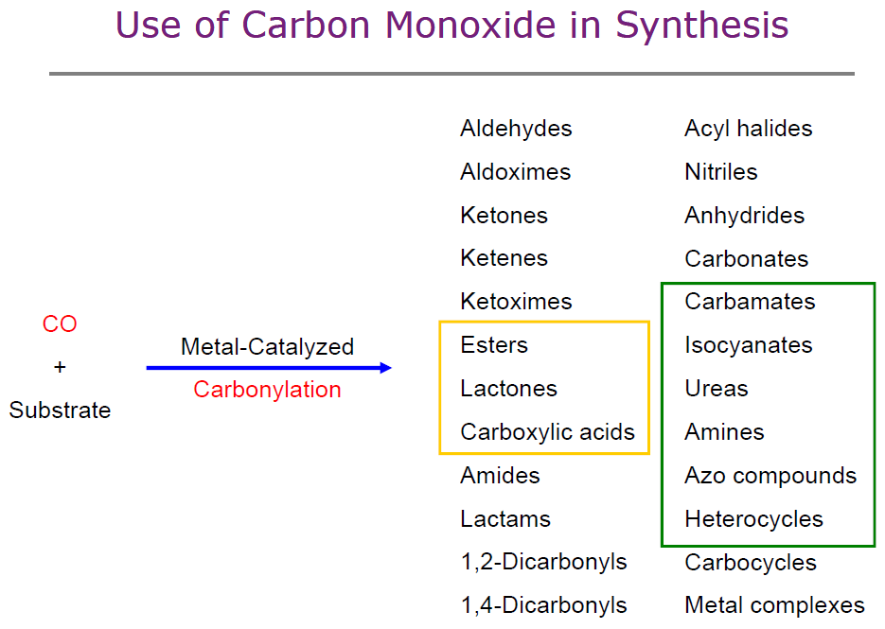

Metall
Metallcarbonylen wie Nickeltetracarbonyl oder Eisenpentacarbonyl
 | Nickeltetracarbonyl |  |  | CO | Nickel |  |  | Nickeltetracarbonyl |  |  | -4 | -1 |  | 1 |  |  | https://de.wikipedia.org/wiki/Nickeltetracarbonyl | Mond-Nickel

 | Eisenpentacarbonyl [Fe(CO)5] |  |  | CO | Fe |  |  | Eisenpentacarbonyl |  |  | -5 | -1 |  | 1 |  |  | https://de.wikipedia.org/wiki/Eisenpentacarbonyl

Syngas:
producing synthetic petroleum oils for use as fuels and lubricants

just a lot of combustion applications

