Instructions
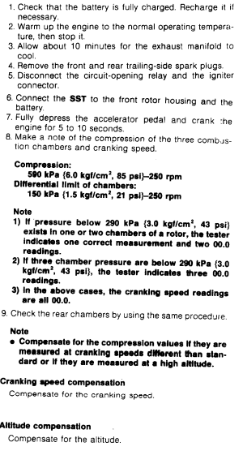
This tool compensates the measured compression for cranking speed and altitude based on Mazda's service manual diagrams.

You will need:

1) compression tester, I won't get into the details of this
2) some trusted way of measuring cranking speed that is NOT the vehicle instrument panel. You could buy a separate tachometer tool off Amazon.
3) your altitude in feet. You can find it online at www.whatismyelevation.com

Since most of the people using this tool will have instruments measuring in Freedom Units, please use feet and psi.
Below is an example compression test instruction from the service manual of a 3rd gen Rx-7:

Tool
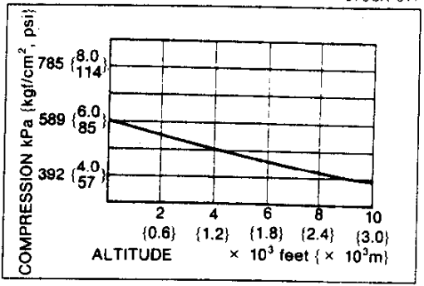
Input cranking rpm (use an external tach tool): | 250
input altitude (whatismyelevation.com) in feet | 0
Input psi reading: | 88

Cranking speed compensation: your corrected reading takes the measured psi and increases by 0.22041 for every rpm below 250
Cranking speed compensation: your corrected reading takes the measured psi and decreases by 0.22041 for every rpm above 250

cranking speed difference from 250 | 0
Cranking speed corrected psi | 88

Altitude compensation: your corrected reading takes the cranking speed corrected psi and increases by 0.0028 psi for every 1 foot of altitude
Cranking speed corrected psi | 88
Altitude in feet | 0
Final corrected compression | 88

