1. Title Page
Instacart basket analysis

Project Name: Instacart basket analysis
Date: 20.10.2022
Analyst Name: Jakub Kondelka

Contents:
Population Flow
Consistency checks
Wrangling steps
Column derivations
Visualizations
Recommendations

2. Population Flow
Title page

Population flow

Exclusion flag
Condition: max_order < 5
Obervations to be removed: 1,440,295
Final total count of order_products_all: 30,964,564

df_prod_ords
df_products_orders_merged
Orders_products_all

Total: 32,404,859
Total: 32,434,489
Total: 32,404,859

1.) The grey boxes in the first row of the population flow represent the original data sets as they were when you downloaded them. In the Total fields you need to add the count of the rows when you imported the data set into Jupyter.
2.) The second row of boxes (coloured) represents the data sets after you manipulated them, e.g., removed missing values and duplicates. In the Total fields you need to add the count of the rows after conducting these operations. This offers a visual oveview of how the data flows throughout the data consistency checks.
3.) The third row, where also the arrows are coloured, represents the merges you performed between the datasets. In the Total fields you need to add the count of the rows in the merged datasets, so that you end up with the final dataset (in the red box). Keep in mind the final dataset should be without exclusions (based on the exclusion flag).

3. Consistency checks
 |  |  |  | Title page
Consistency checks

Dataset | Missing values | Missing values treatment | Duplicates
orders | 206209 x 8 | replaced with Median | no duplicates found
products | product)name - 16 | created dataset with new values (df_nan) | 5 duplicates found, removed
orders_products_prior
customers | first_name , 11259 values | will be removed

4. Wrangling steps
 |  |  |  |  | Title page
Wrangling steps

dataset | Columns dropped | Columns renamed | Columns' type changed | Comment/Reason
orders | eval_set |  |  | not neede
 |  | order_dow->orders_day_of_week |  | better readability
orders_products_combined |  |  | order_id-> str | column acts as key
 | Unnamed |  | reordered | reduced to int8
customers |  | Firast name > first_name
 |  | surnam->last_name |  | name was not clear
 |  | STATE > state
 |  | Gender > gender
 |  | Age > age
 |  |  | first_name | into string
fixed_final_task | __merge |  |  | not needed
 | aisle_id |  |  | not needed
Departments |  | Unnamed > department_id
customers_orders_products_49_part1 | department_id |  |  | reduce memory

5. Column derivations
 |  |  |  | Title page

Column derivations and aggregations

In this tab you should add tables below that the frequences of flags/label variables that you produced after deriving them. NB: don't do this for continuous variables, only for flags.
Dataset | New column | Column/s it was derived from | Conditions
orders_products_merged | price_range | prices | If price <= $5, it will be labeled a “low-range product.” If price > $5 but l<= $15, it will be labeled a “mid-range product.” If price > $15, it will be labeled a “high-range product.”
 | busiest day | orders_day_of_week | if day 0 or 1- 'busiest day', if day 4 or 3- 'least busy', else-'regularly busy'
 | busiest_period_of_day | order_hour_of_day | __Most orders__ - hours where orders exceed 2,000,000 __Average orders__ - hours where orders are between 1,000,000 and 2,000,000 __Fewest orders__ - hours where orders are less than 1,000,000
orders_products_merged_48 | max order | user_id, order_number | maximum orders per customer
 | loyalty_flag | max_order | more than 40 = Loyal customer orders between 10 and 40 = regular customer less than 10 orders = New customer
 | Spender_flag | mean_prices | < 10 = Low spender > =10 = High spender
 | mean_prices | prices, user_id | dervie average prices
 | order_frequency | user_id, days_since_prior_order | order frequency < 20 …. Non frequent customer order frequency between 20 and 10 …. Regular customer order frequncy lower than 10 …. Frequent customer
fixed_final_task | region | state | US states were divided into 4 regions: South, West, Midwest, Northeast. This was based on a link that stated the rules and division was done by creating lists
 | Low Spender | max_order | exclude customers who have less than 5 orders
iloveyou | age_profile | age | There are 3 profiles as follows. Young have age < 30 Middle age have 30 <= age < 65, old folks have age <= 65
 | income_profile | income | Based on division of income in US; Low = less than 52,250. Middle = 52,250 - 156,000. High = more than $156,000
 | dependant_profile | n_dependants | Either has dependants (1+) = value 1 or has no dependants= value 0
 | alcohol_flag | user_id, department | # Alcohol drinker if bought alcohol 1x (1) or not (0)
 | international_flag | user_id, department | # International buyer if bought international item at least 1x (1) or not (0)
 | baby_flag | user_id, department | # Baby stuff buyer if bought baby stuff(1) or not (0)

6. Visualizations
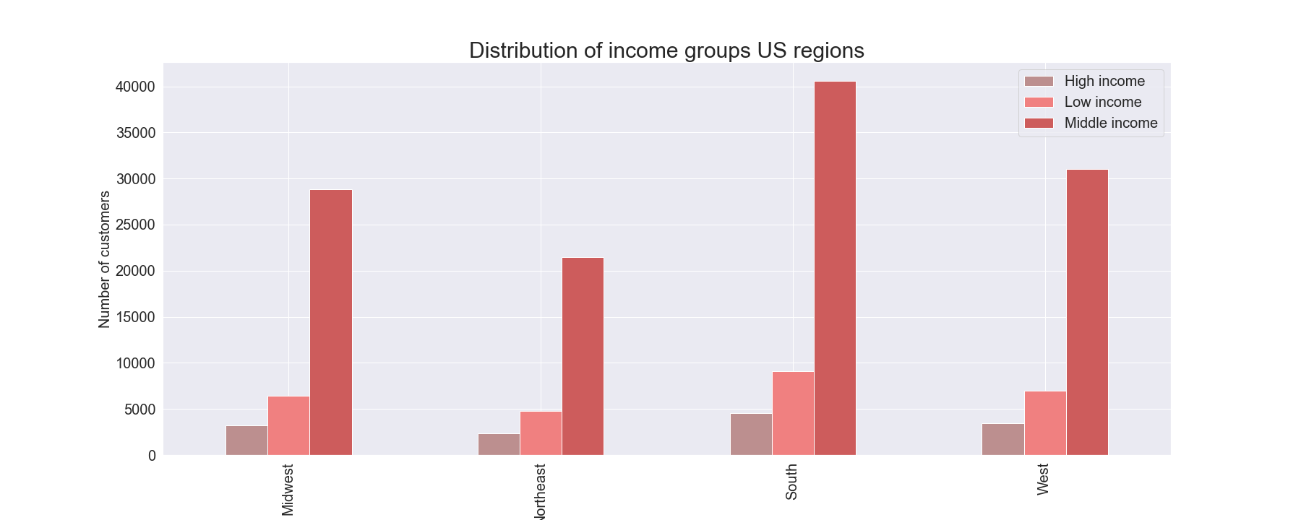
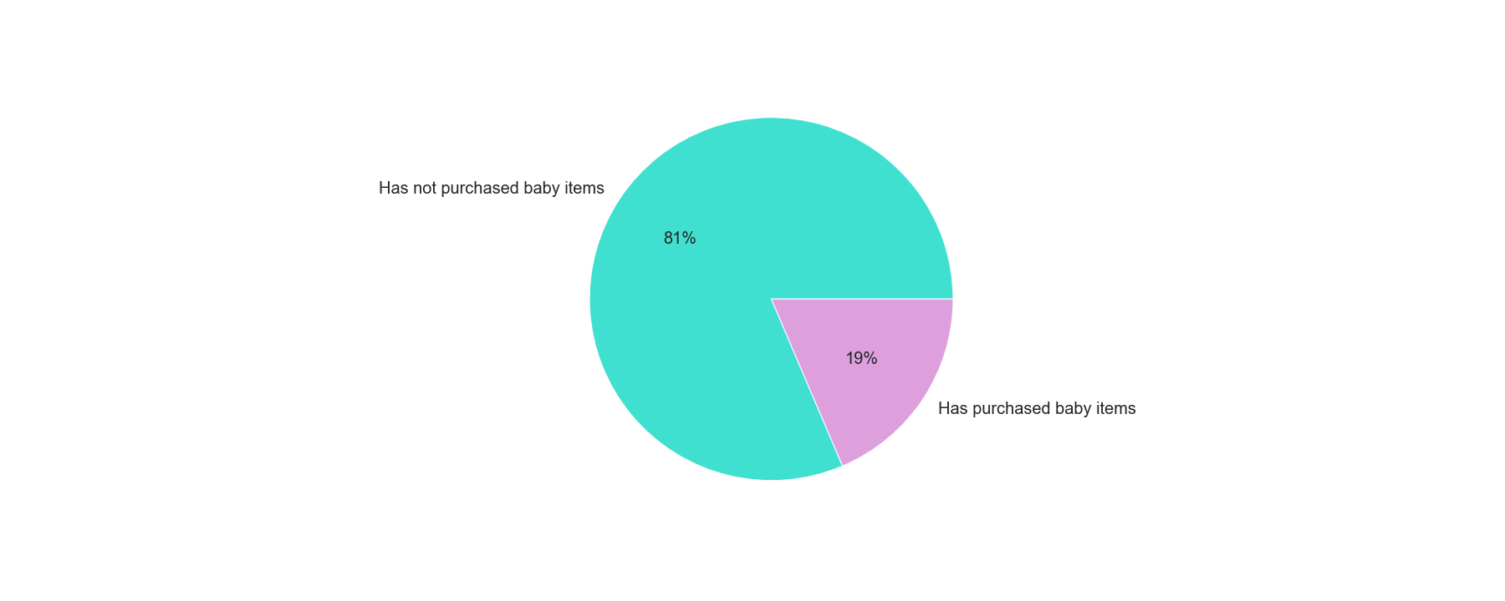
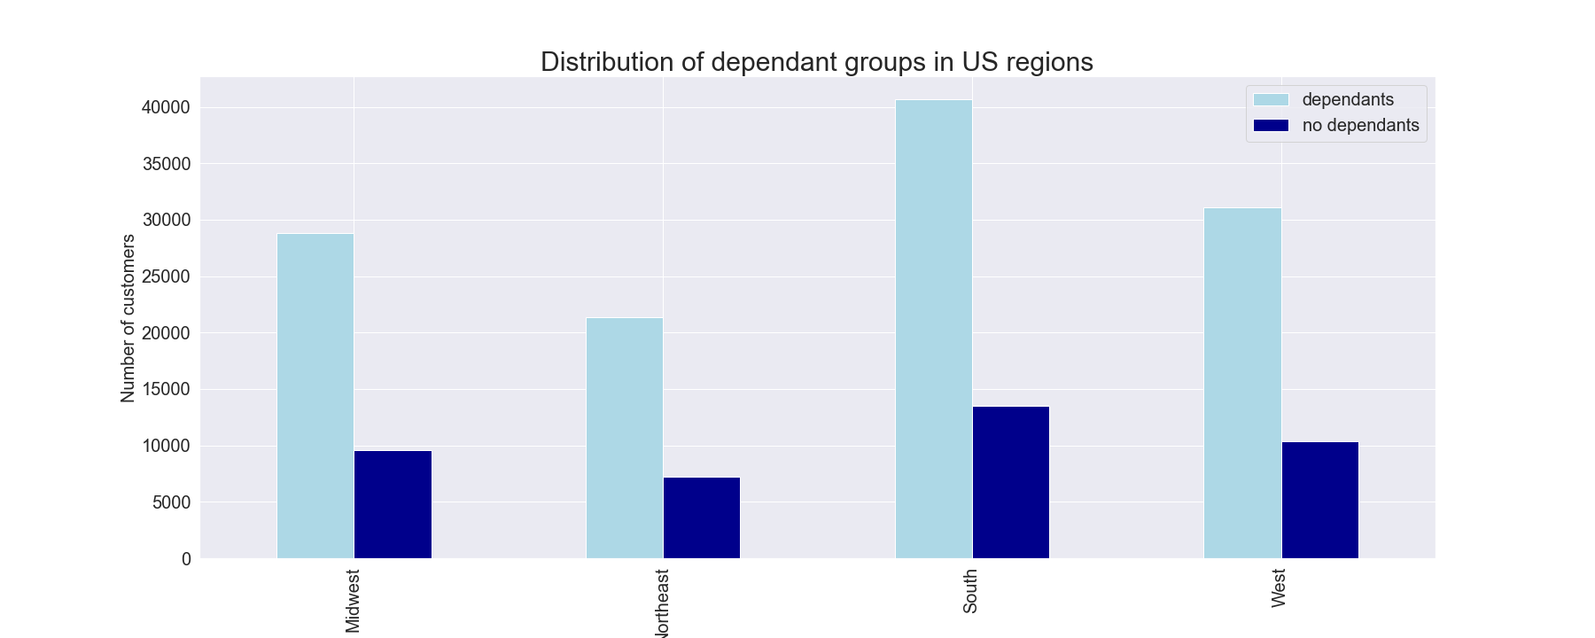
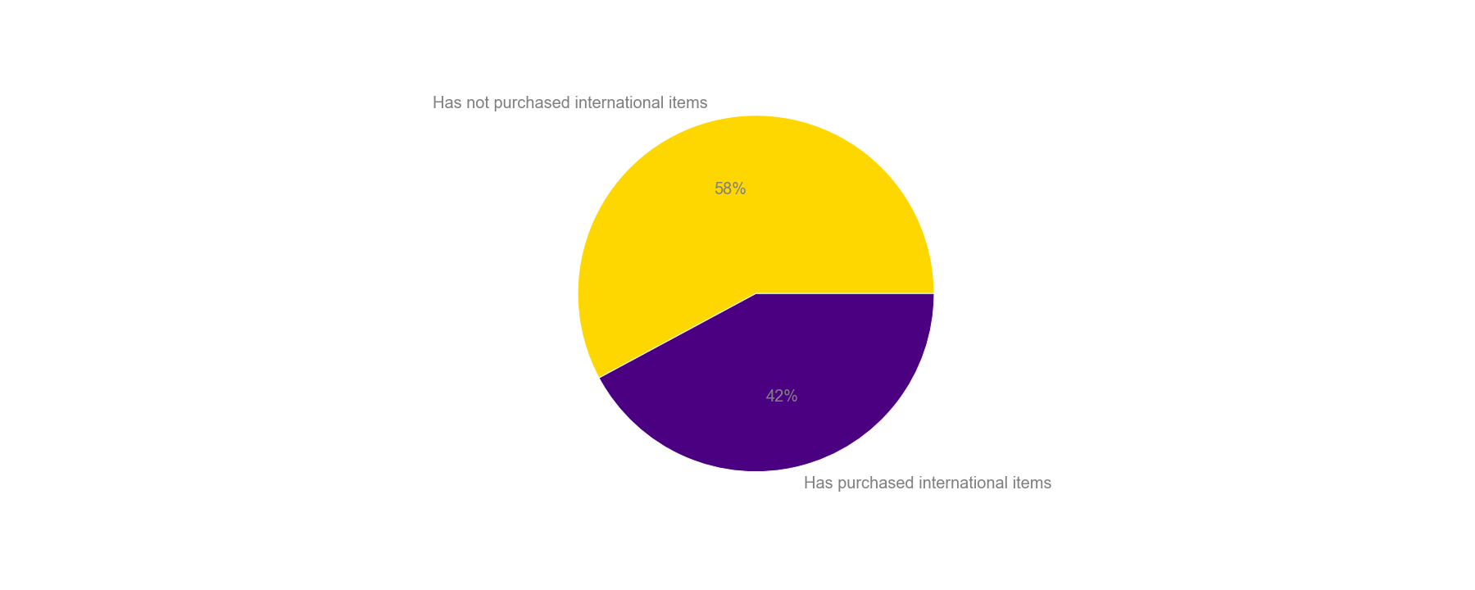
 |  |  |  |  |  |  |  |  | Title page

Visualisations

In this tab you should include all the visualtions from Exercises 4.9 and 4.10, alongside the questions from the project brief that they answer. Include any commentary on the relationship between different variables.

1. | The sales team needs to know what the busiest days of the week and hours of the day are (i.e., the days and times with the most orders) in order to schedule ads at times when there are fewer orders.

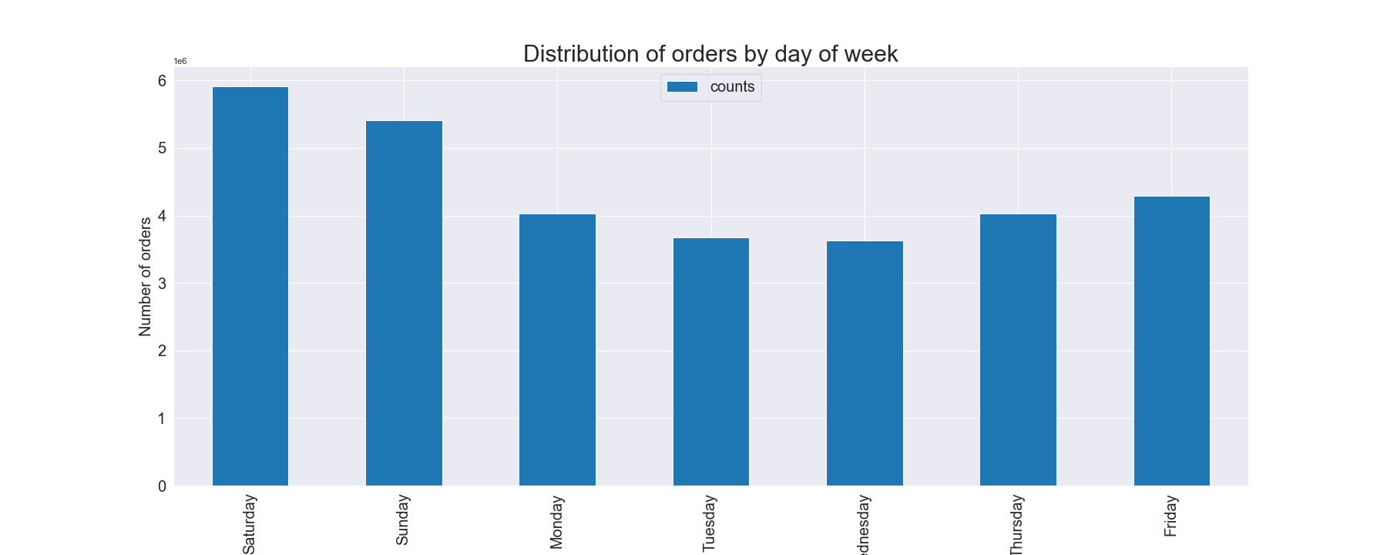
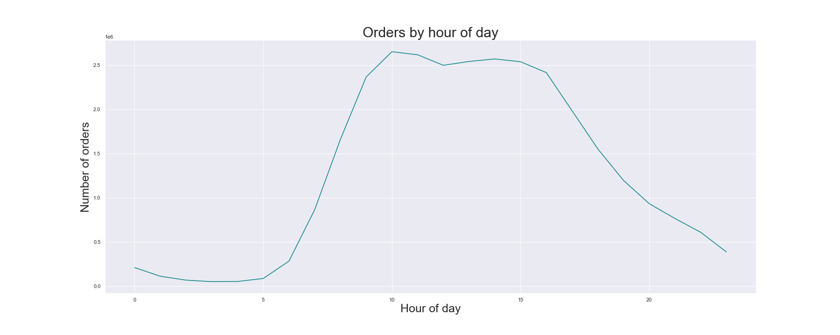

 |  |  | Busiest days are Saturday and Sunday |  |  |  |  |  |  | Most orders are placed between 9am and 5pm

 |  |  | Conclusion : marketing efforts should aim to be displayed mainly during weekends and otherwise between 9am to 5pm

 | 2. They also want to know whether there are particular times of the day when people spend the most money, as this might inform the type of products they advertise at these times.
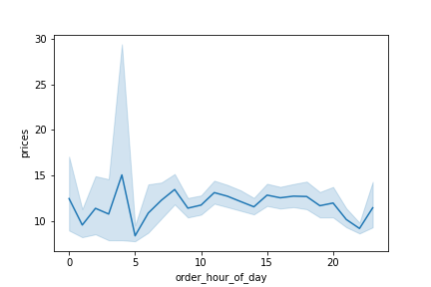

 |  |  | The most expensive products are purchased during night. Namely between 2am to 5am

 |  |  | Conclusion : high range prodcuts are sold during night, and this is probably mostly alcohol. We should look at what items go the most and who is buying them, in orfed to target offering

3. | Instacart has a lot of products with different price tags. Marketing and sales want to use simpler price range groupings to help direct their efforts.

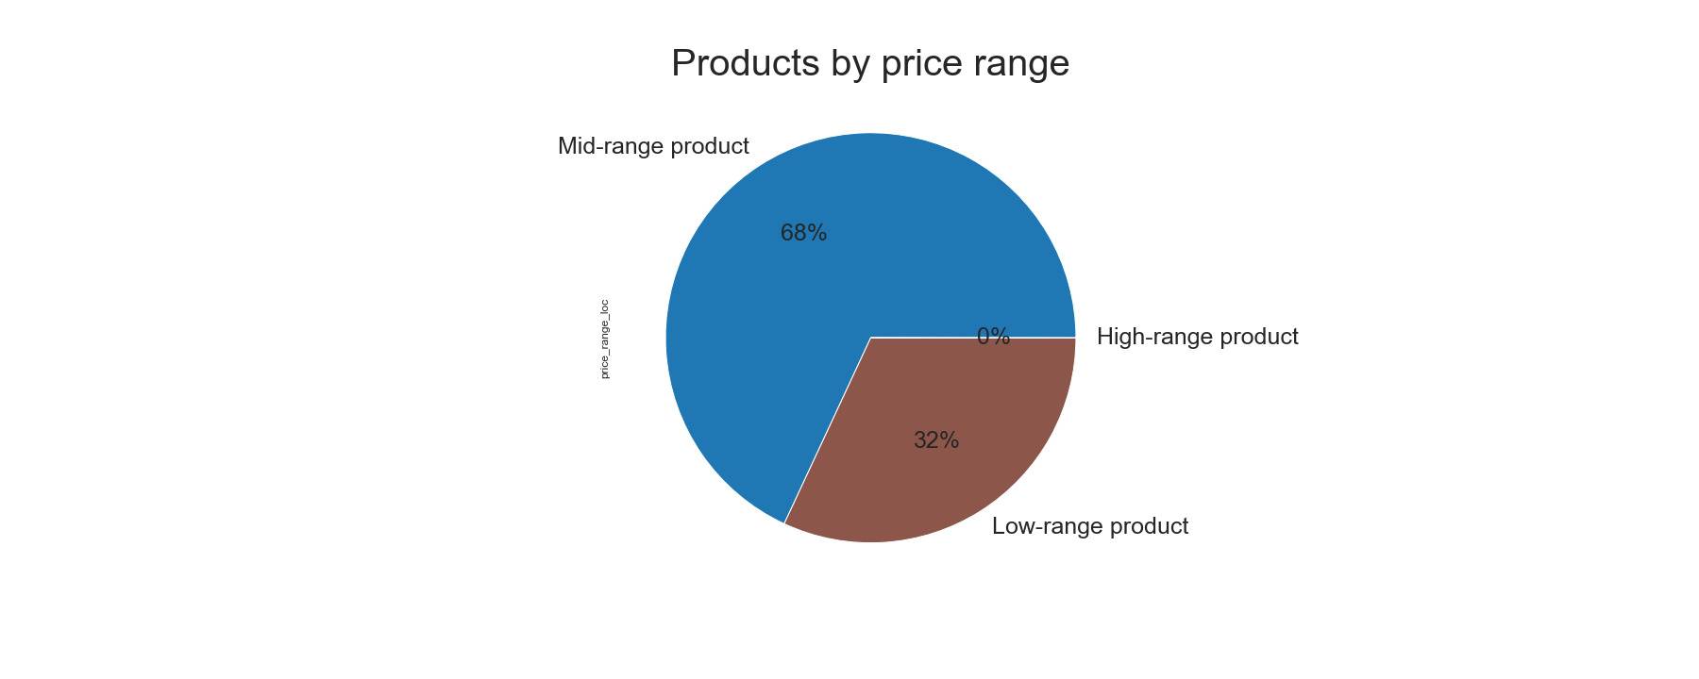
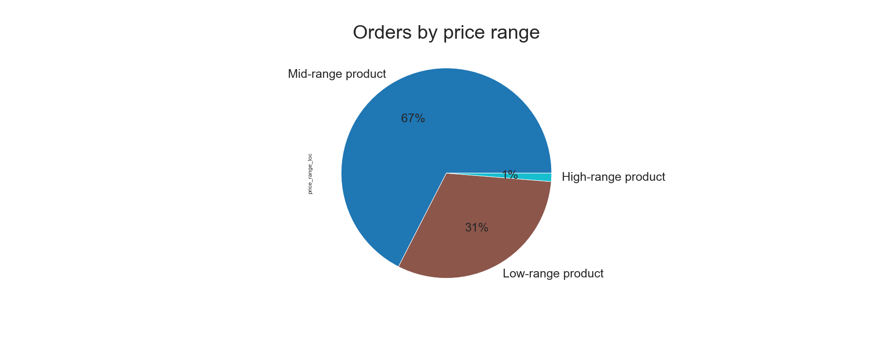

 |  |  |  |  | Both pie charts show that Mid - range products are the most popular. Intersting is that High-range products are least popular, but sell the most during night

 |  |  |  |  | Conclusion : Figure our which high range products sell the most and target marketing efforts accordingly. Because they also have a big margin, this can have a positive impact on the bottom line

4. | Are there certain types of products that are more popular than others? The marketing and sales teams want to know which departments have the highest frequency of product orders

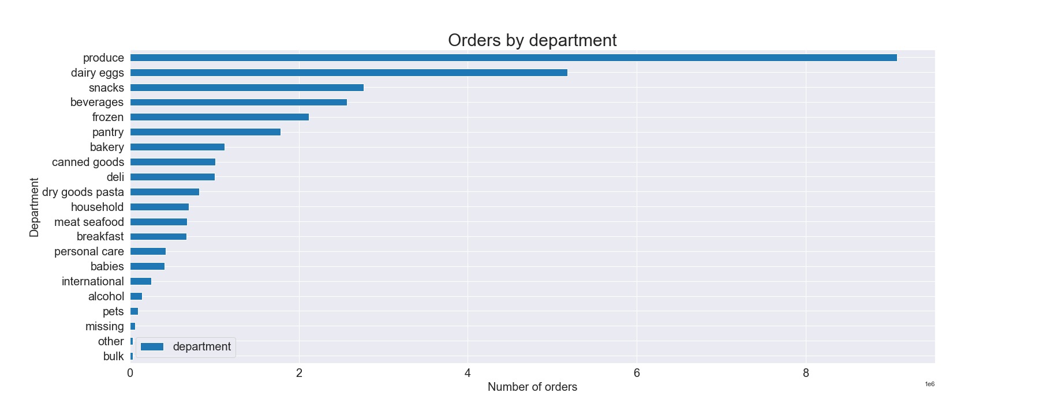

 |  | The most orders come from produce, followed by dairy eggs, snacks, beverages and frozen products.

 |  | Conclusion : The ops team should look at where are the biggest margins and out those, are they in the category top 5 or 6 places? Then, they should try to target those categories to boost them and to maximize the margin

 | 5. | The marketing and sales teams are particularly interested in the different types of customers in their system and how their ordering behaviors differ. For example:

 | 5a | What’s the distribution among users in regards to their brand loyalty (i.e., how often do they return to Instacart)?

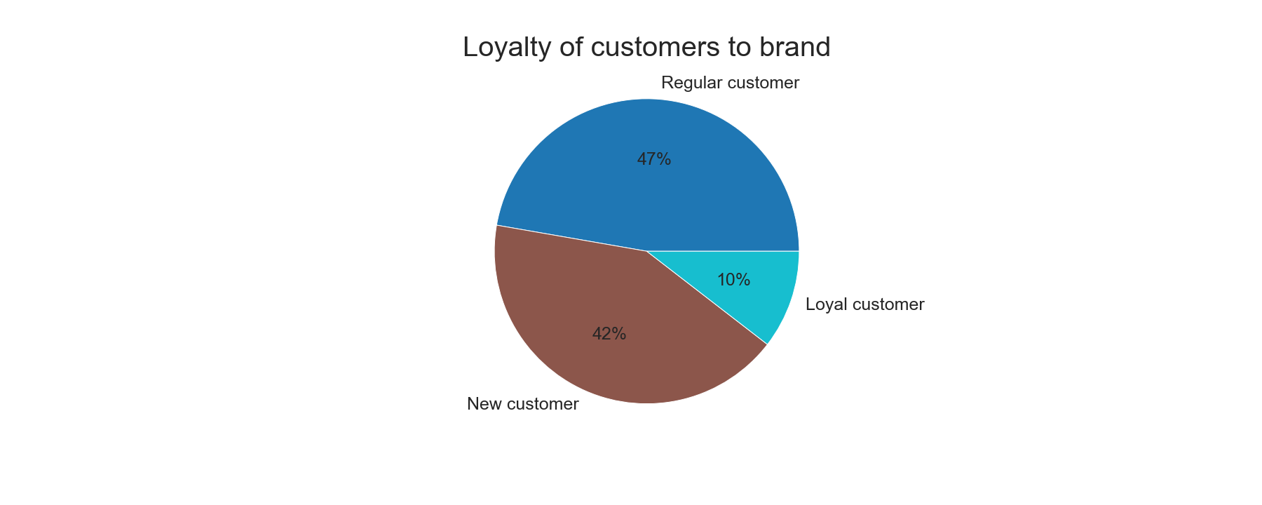

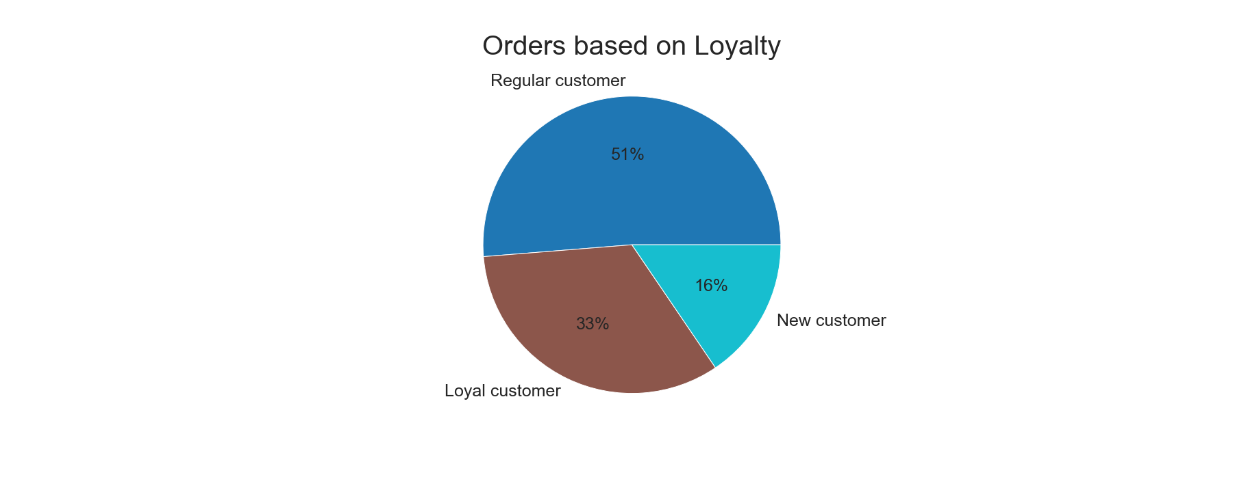

 |  |  |  | The biggest group in regards to number and orders are Regular customers. New customers is a second largest group with 42%, but they only make 16% of orders

 |  |  |  | Conclusion : Focus on how to get New customers to order more and to turn them in to Regular customer

 | 5b. | Are there differences in ordering habits based on a customer’s loyalty status?

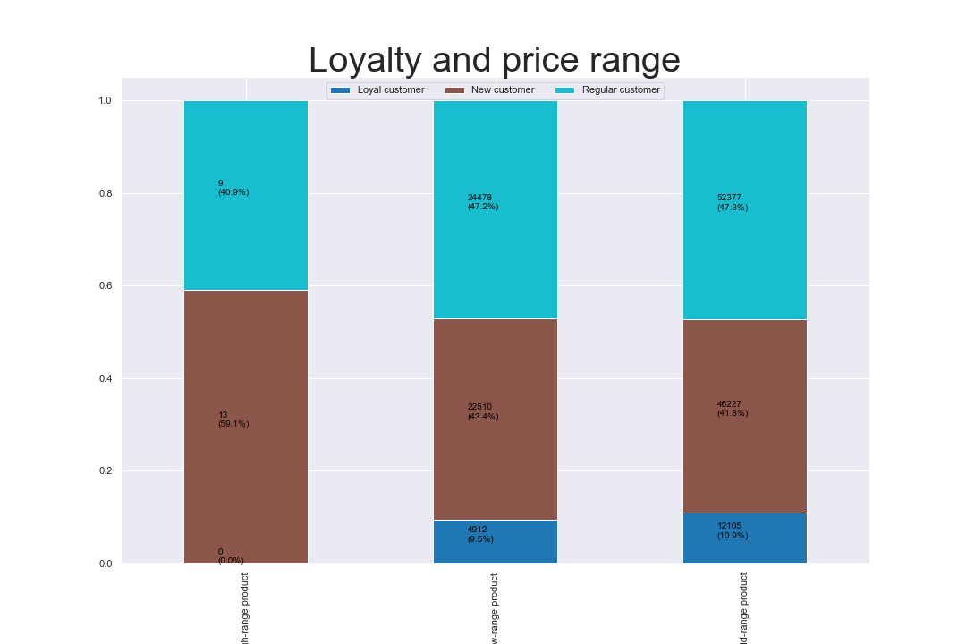

 |  | High range products are ordered mostly by New customers. Regular customers order mostly Mid and Low range products. And loyal customers do not purchase any high-end products
 |  | Conclusion : Presumably there is a relation between customers who walk in the first time and buy High range product. This would be interesting to explore further. Also, explore why do loyal customers only purchase mid and low range products

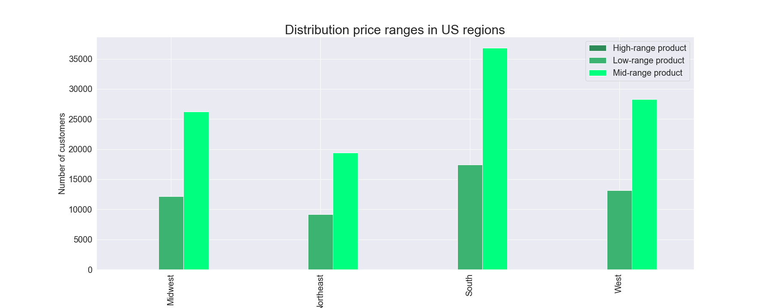
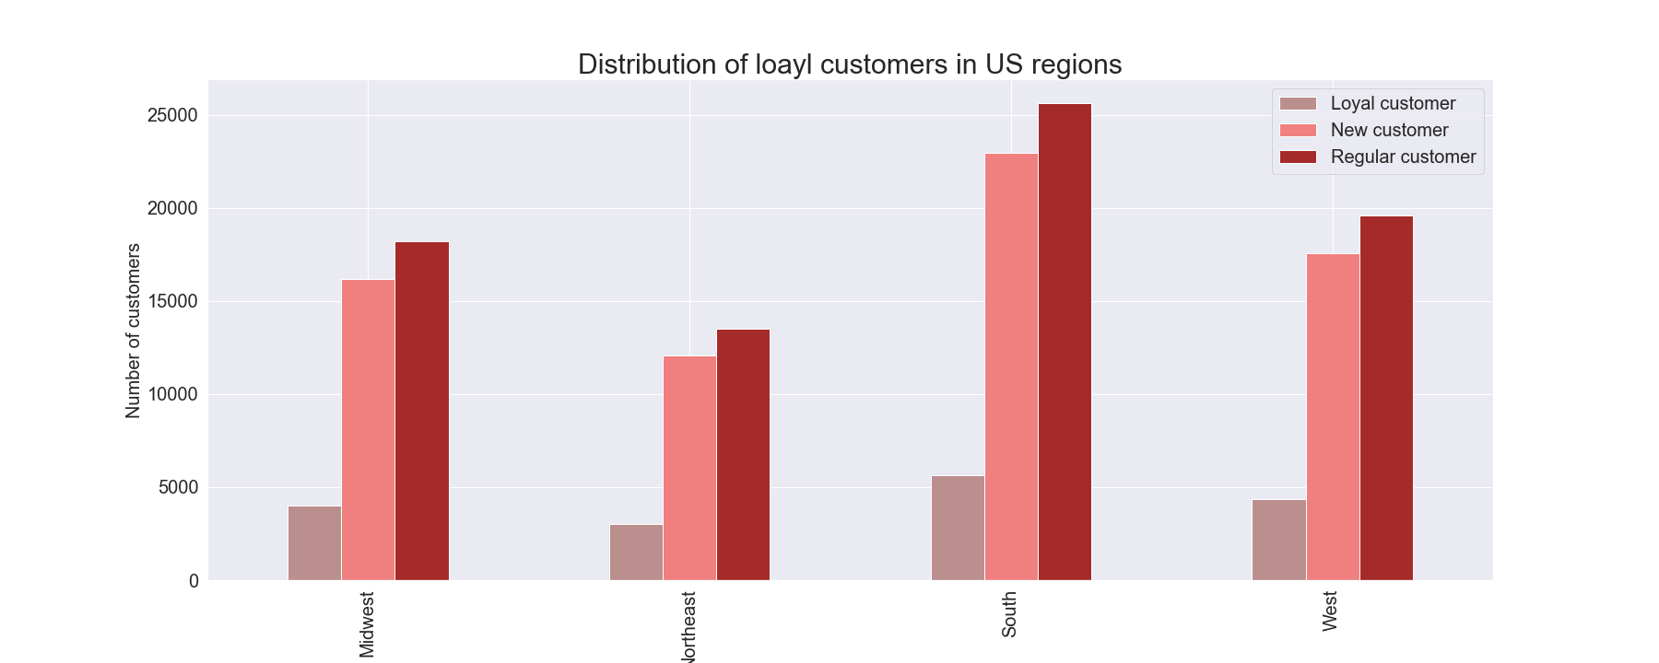
 | 5c. | Are there differences in ordering habits based on a customer’s region?

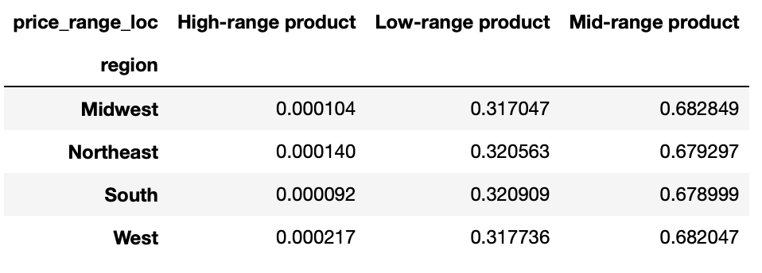
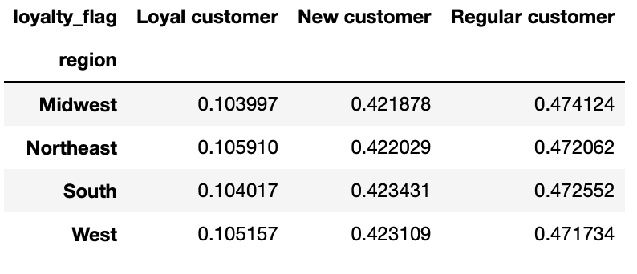

 |  |  | Every region has most mid range products, followed by low range products . There are very few high range products in each region |  |  |  |  |  |  |  |  | Distribution between customer groups in almost same in every region (the ratio)

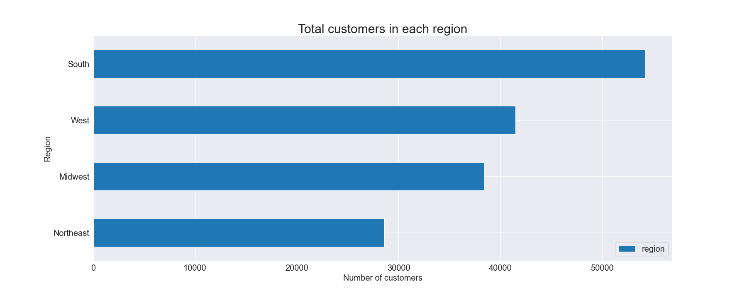

 |  |  | All the above corresponds with the total number of customers across regions. South has the most, and therefore has also the "most" of everything else

 |  |  | Conclusion: Adapt the adds to regions, see where potential is to close the gap between proportion of the region population and between purchases/customers in those regions

 |  | 5d. | Is there a connection between age and family status in terms of ordering habits?

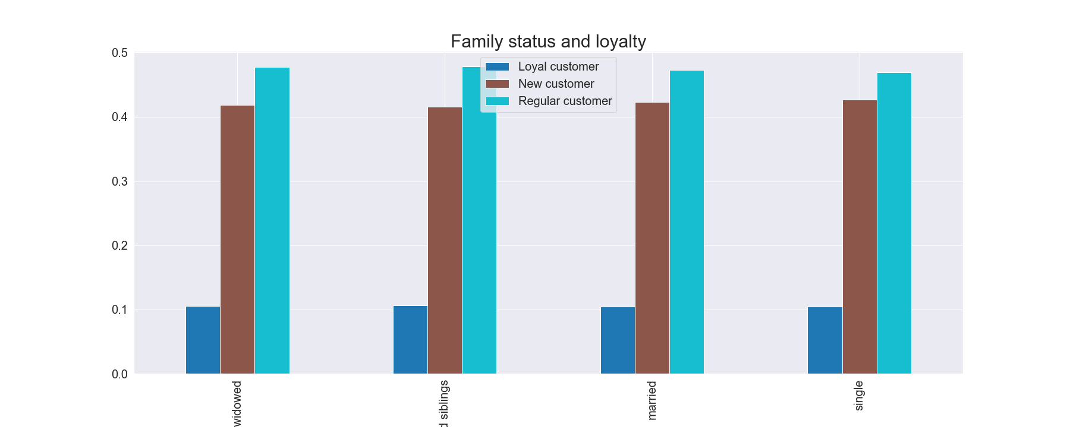
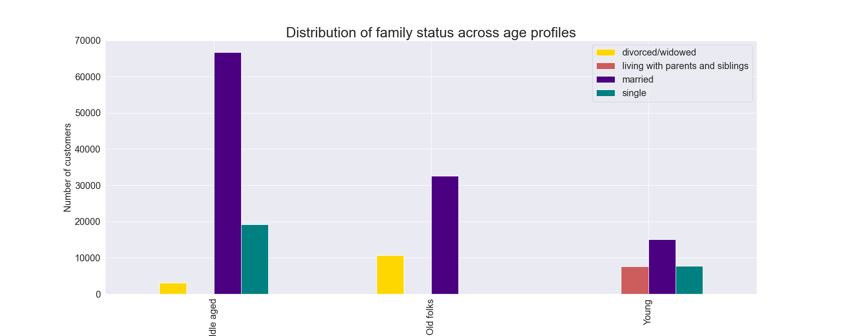

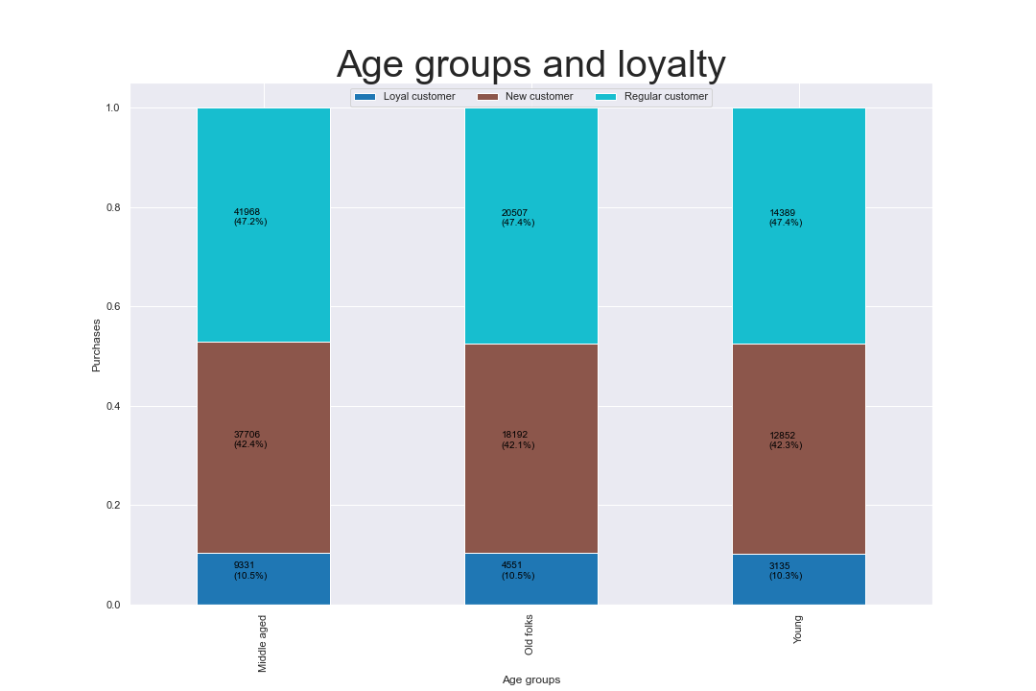

 |  |  | Loyalty is very similar across Family status

 |  |  | Conclusion : there seems to be no correlation between loyalty and age. That way Instacart does not have to differentiate between targeting different groups

 |  |  |  |  |  |  |  |  |  |  | Loyalty is very similar across age groups

 | 5e. | What different classifications does the demographic information suggest? Age? Income? Certain types of goods? Family status?

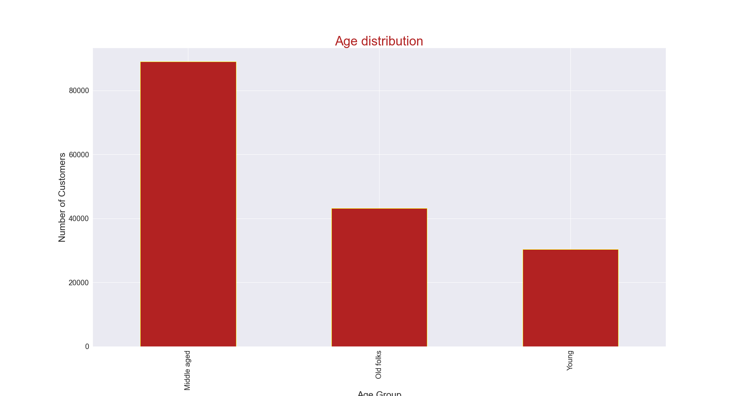
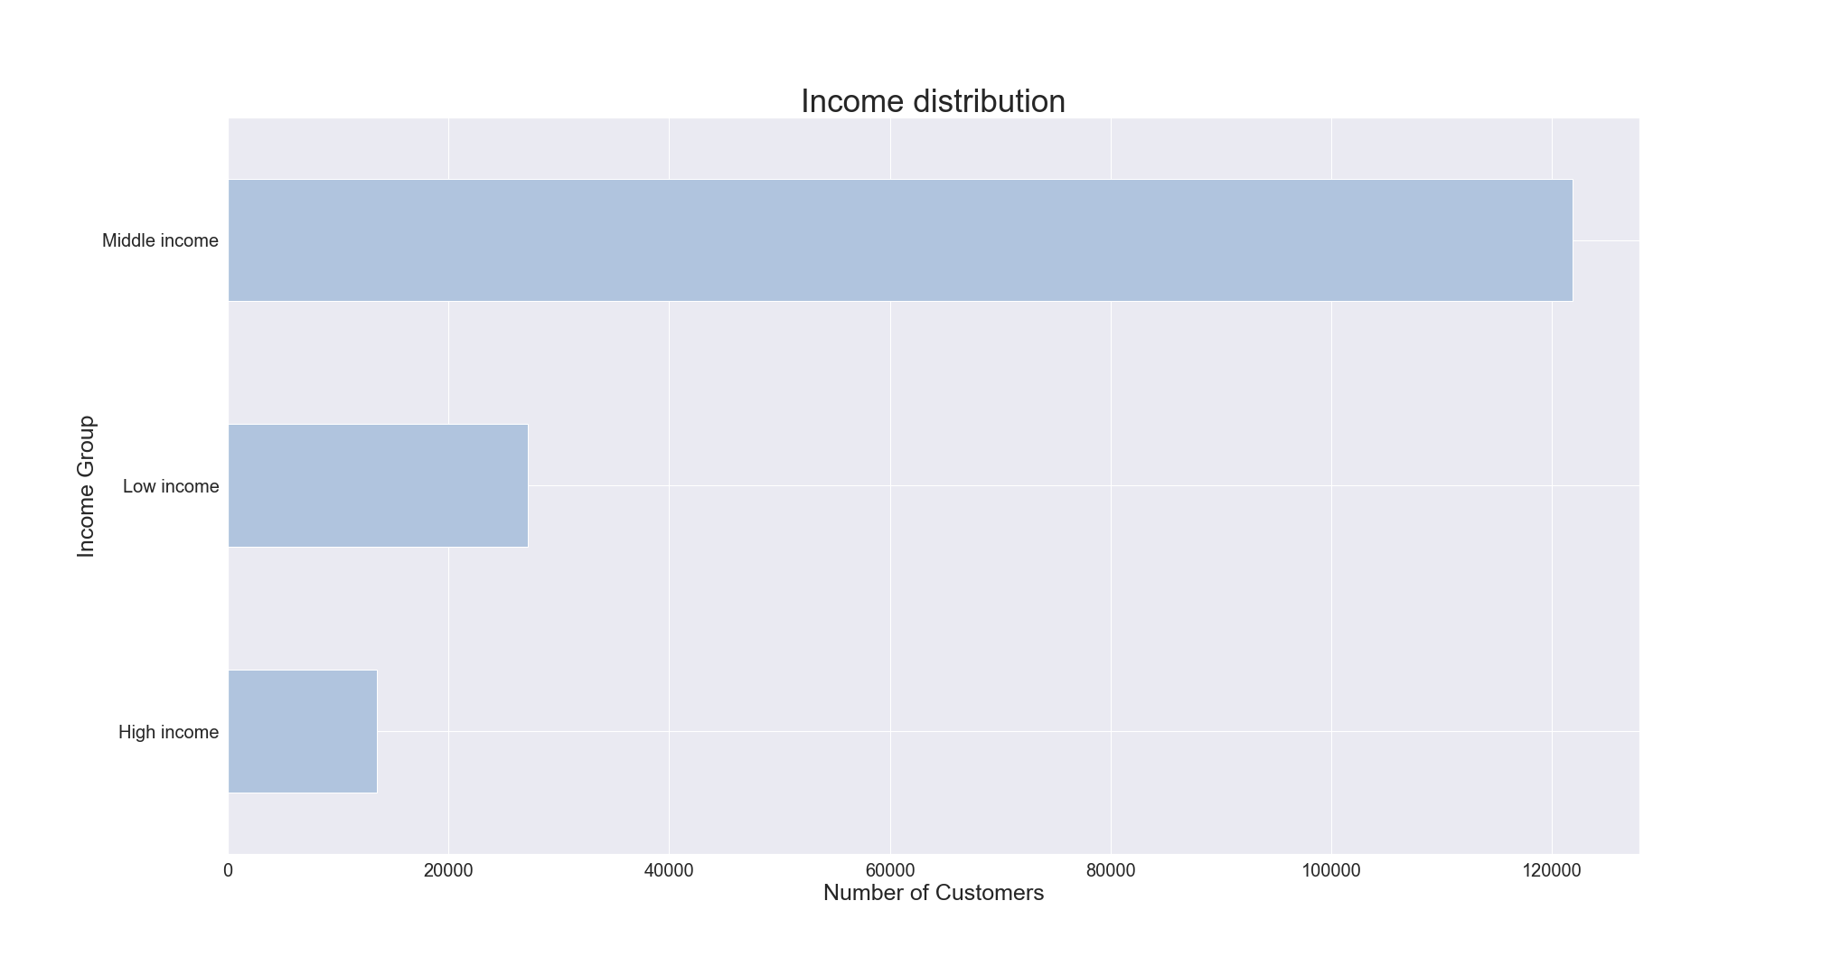
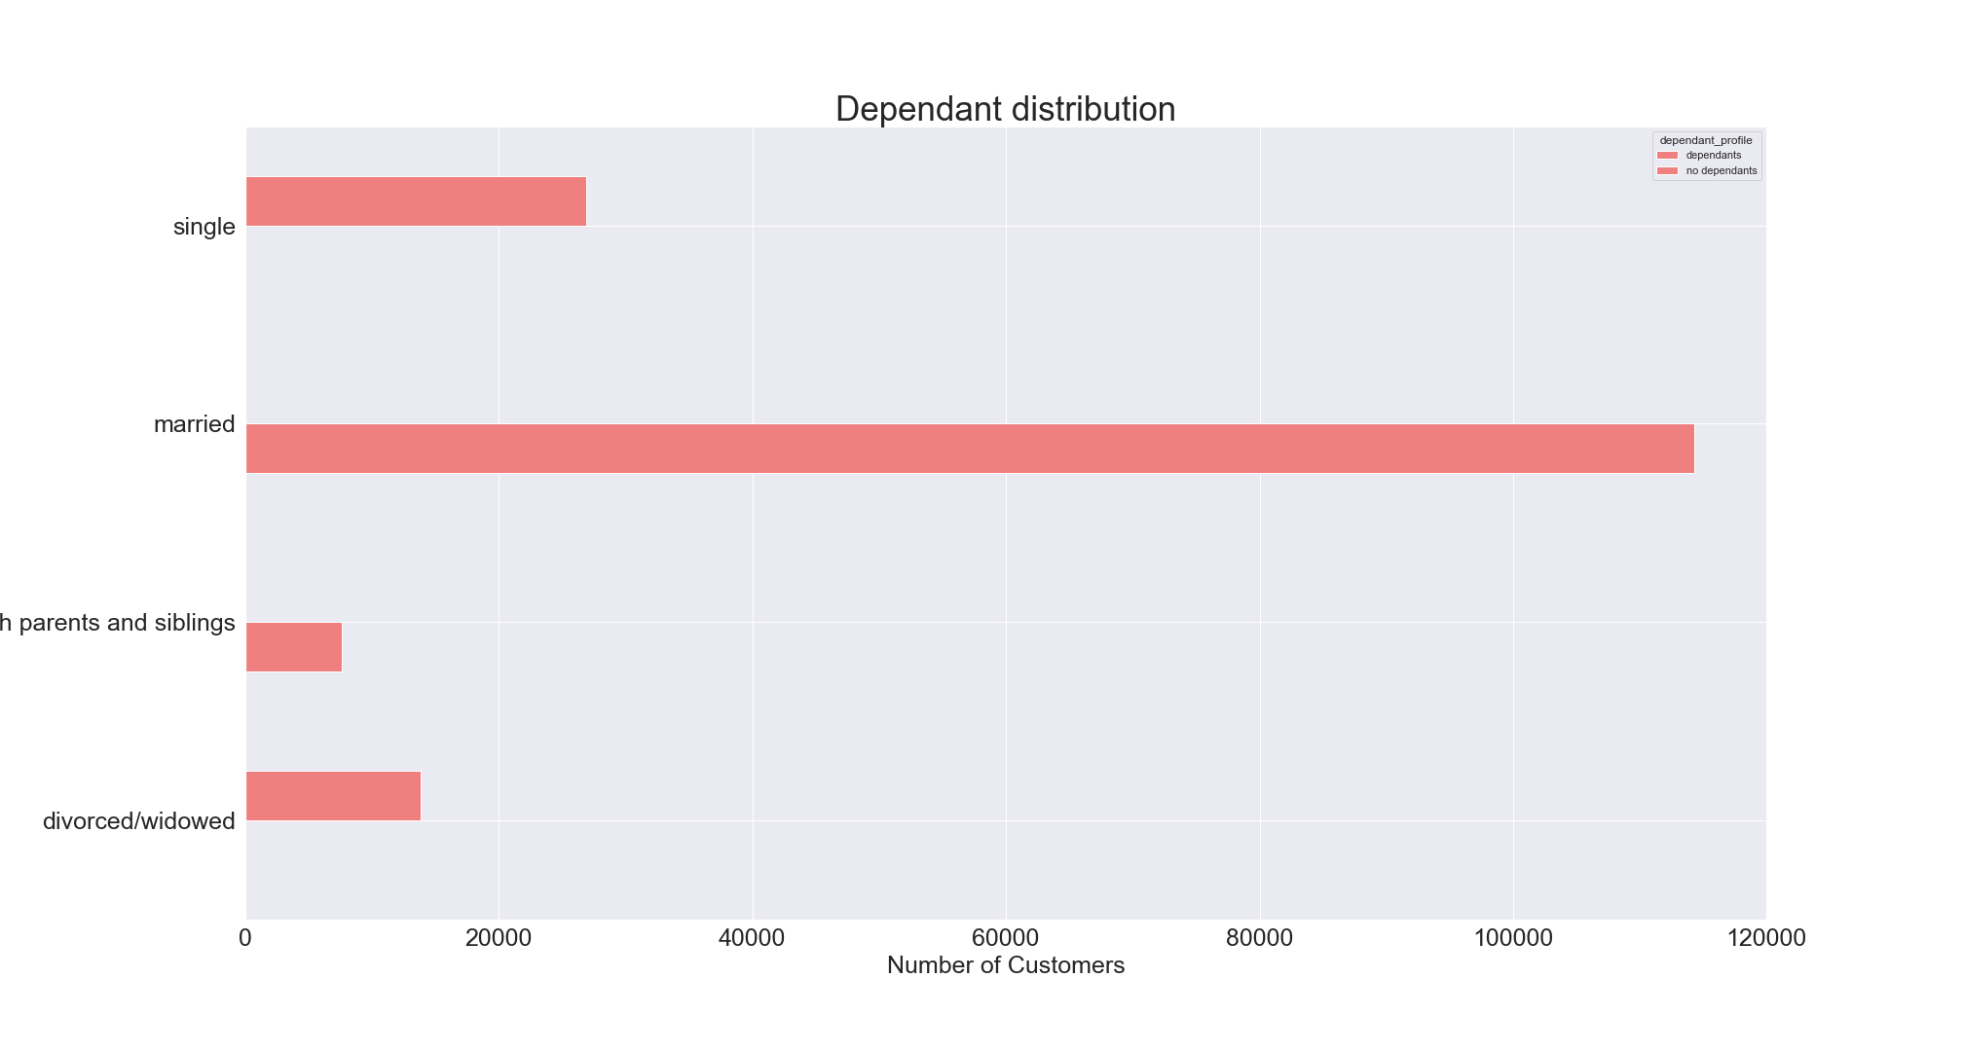

 |  | Most customers are Middle aged |  |  |  |  | Most customers have middle income |  |  |  |  | Most customers are married
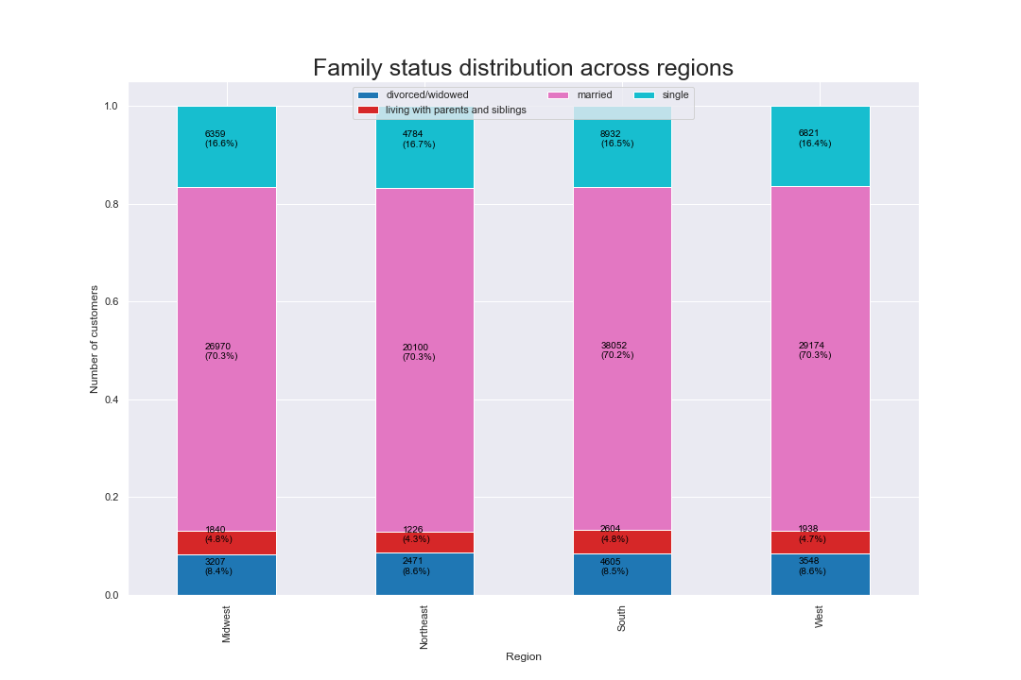
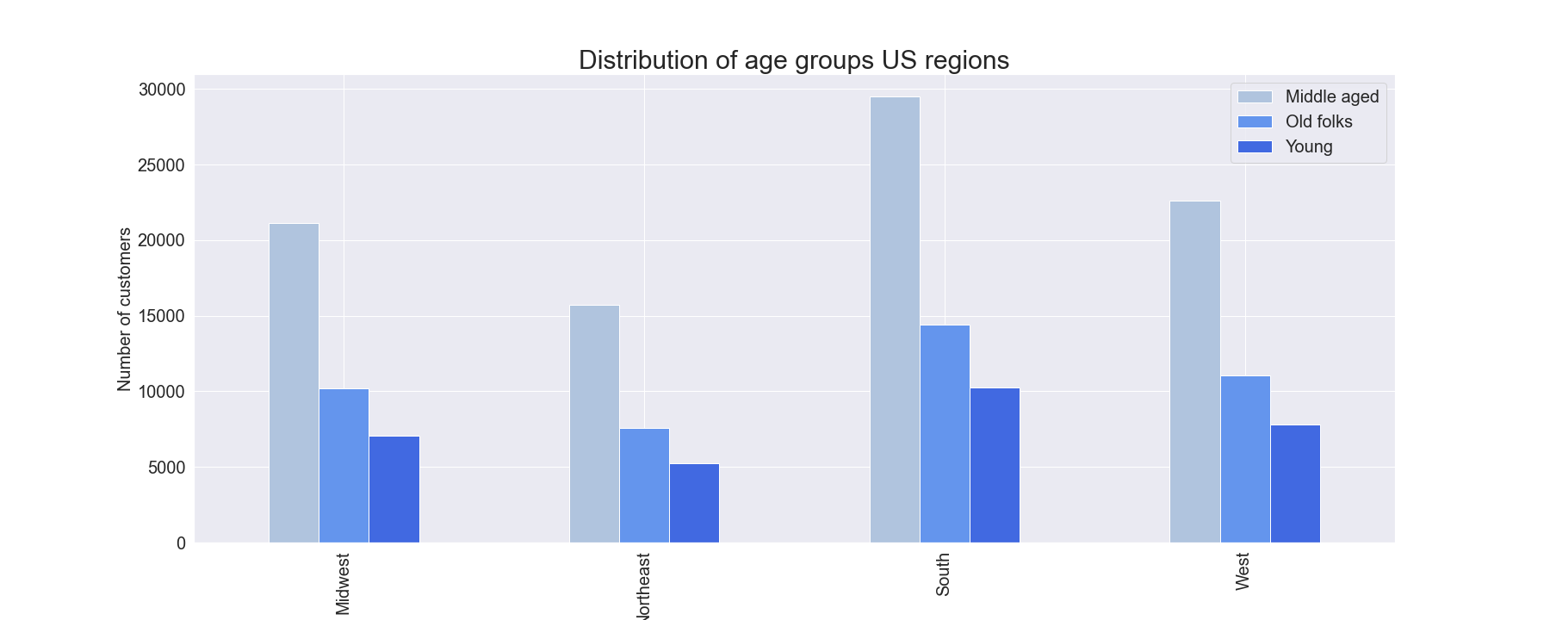

 |  | The proportoin of age distribution across regions are similar, derived from total number of population |  |  |  |  |  | Likewise for family status and region, where we can see that ratios are almost the same

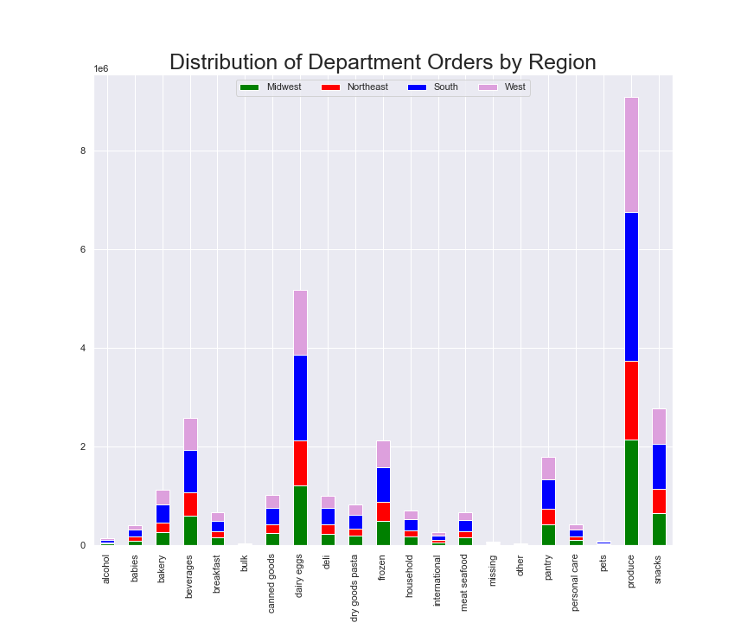
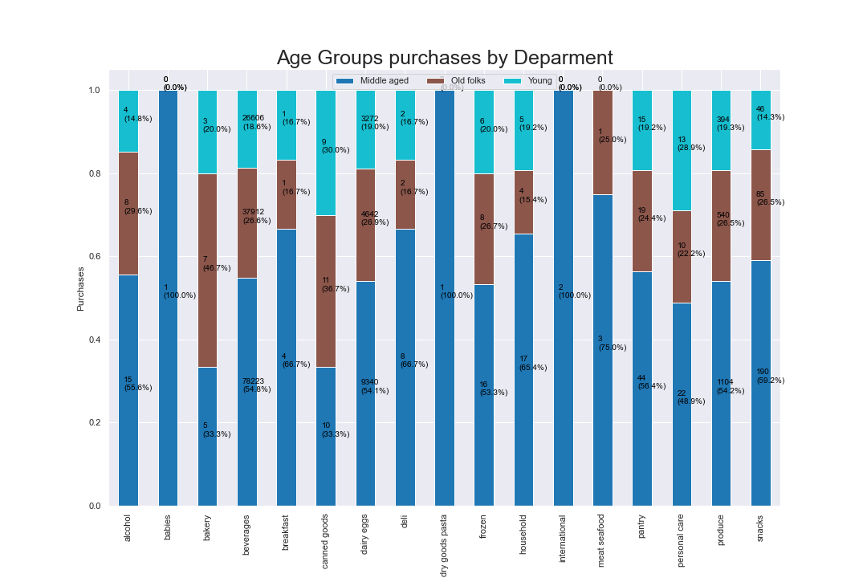

 |  | Another graph of Department purchases across regions. We can see the same information as we saw from total numbers. |  |  |  |  |  |  |  | The orders per department differ according to different age groups. That is logical as in different age people ought to buy different things. There are some interesting obesrvatoins, such as that International and Dry goods pasta is almost only purchased by Middle aged customers
 |  |  |  |  |  |  |  |  |  | Old people like mostly Canned goods and Bakery.
 |  |  |  |  |  |  |  |  |  | Young People are focused on Personal care

 |  |  |  |  |  |  |  |  |  | Conclusion : Overall age, family status and orders ratios are same or very similar across regions. Therefore, marketing efforts can be derived from total numbers and aimed same way to each regions
 |  |  |  |  |  |  |  |  |  | The one difference worth focusing is the difference in age groups and ordering per deparment. Therefore each department should target the relevant age group in their marketing efforts

 | 5f. | What differences can you find in ordering habits of different customer profiles? Consider the price of orders, the frequency of orders, the products customers are ordering, and anything else you can think of.

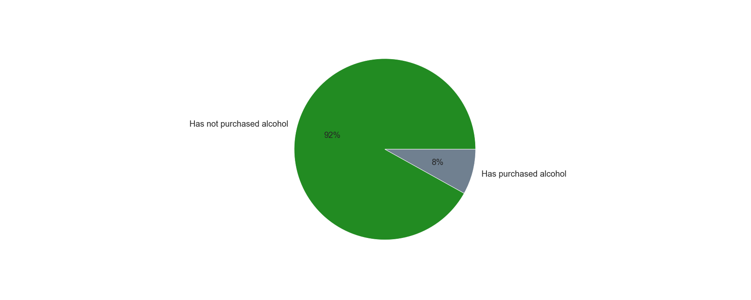
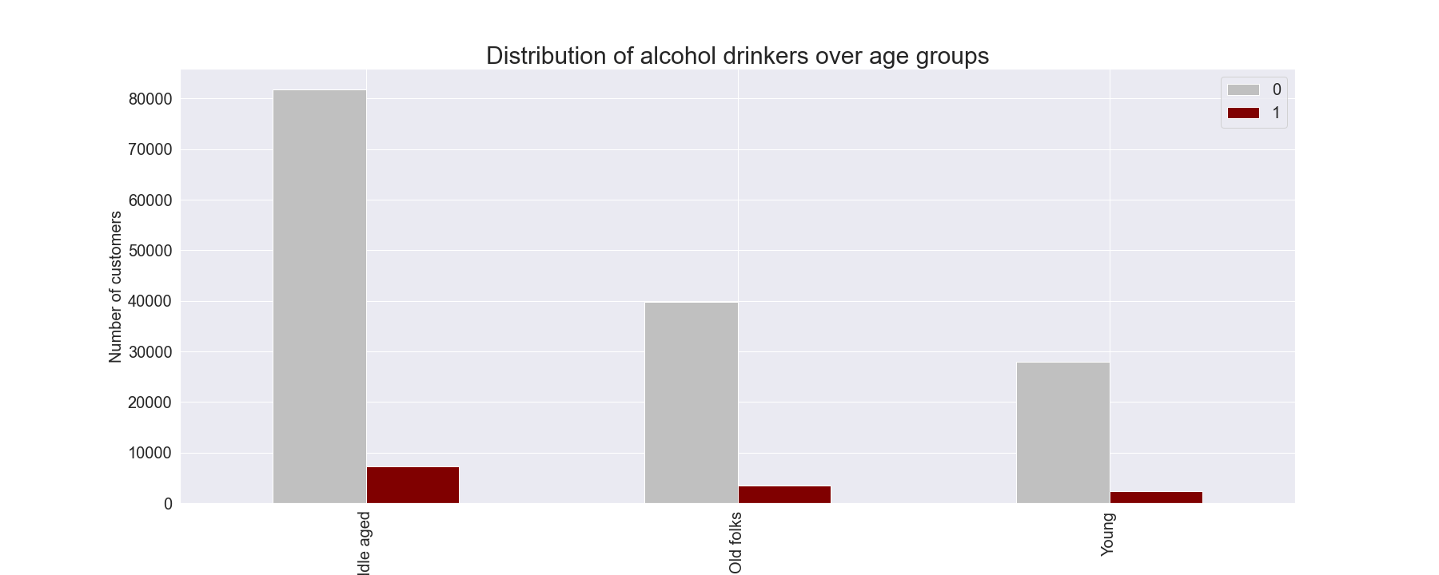

 |  |  |  |  |  | There are mostly non alcohol drinkers

 |  |  |  |  |  |  |  |  |  |  |  |  | Even across age groups. But we can see that the middle aged drink the most alcohol, followed by Old folks. Young drink the least (which is strange to some extent)
 |  |  |  |  |  |  |  |  |  |  |  |  | But it is again in correlation with the total number of these age groups in total customer count

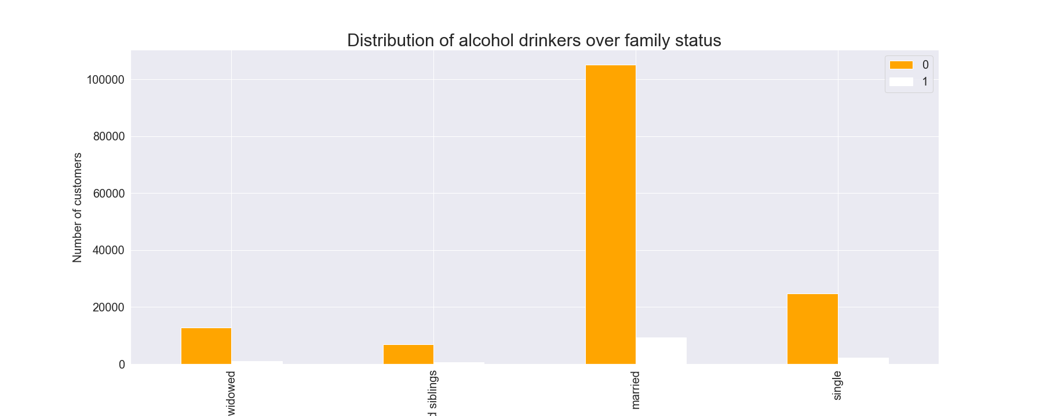
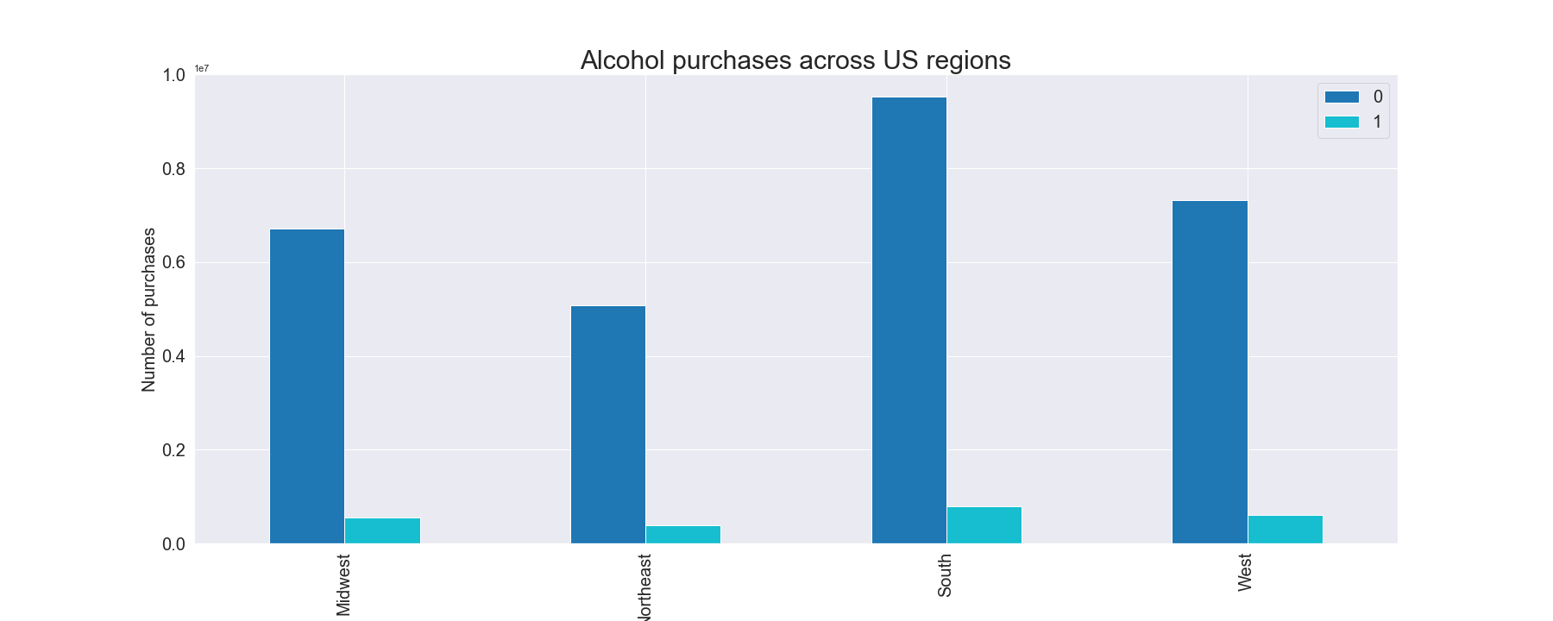

 |  |  |  | This correlates again completely to overall family status distribution

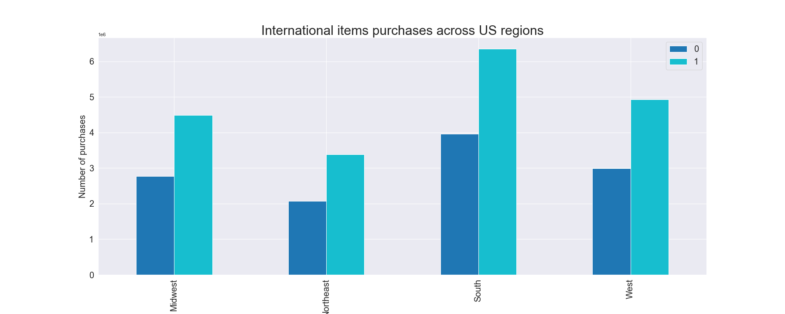

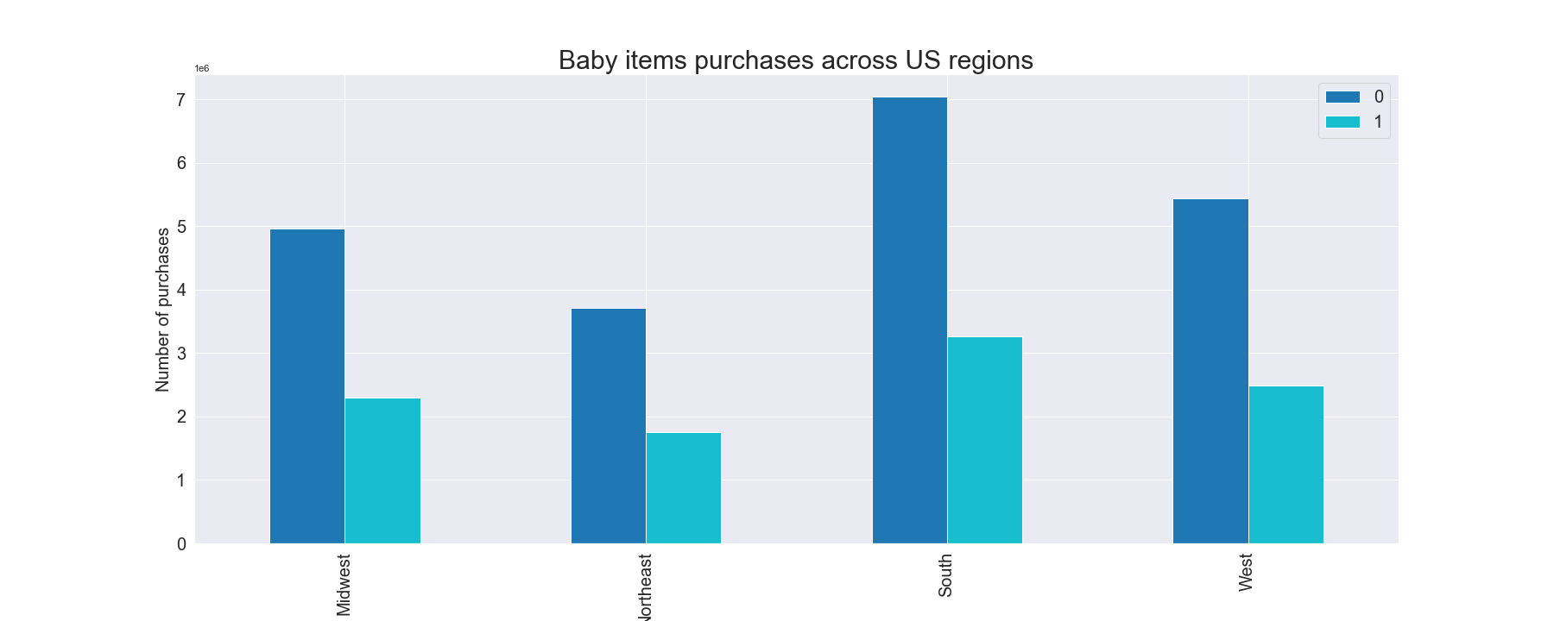

 |  |  |  |  | Conclusion : In this case, we can focus on the pie chart to derive the right marketing efforts. Everything else across regions, ages, fmaily status is correlated to the total number of customers i.e. if there are most of married people, they also drink the most alcohol. If South has the most customers, the alcohol consuption there is the highest etc.
 |  |  |  |  | The only exception is departments and age group purchases

7. Recommendations
 |  | Title page

Recommendations

In this tab you should include any recommendations you would made to Instcart in terms of their marketing strategy based on the questions posed in the brief. Every key question has been covered in the Tasks of the Exercises - here you need to add an item - a visualisation or table/crosstable that is showing the answer in the data, acompanied by a comment from you. Please, list the questions below and add the answer underneath.

Question | Answer
Key Question 1
Key Question 2
Key Question 3
Key Question 4
Key Question 5
Key Question 6
Key Question 7

