1-faktoriell
fertilizer | drymatter |  | mean | sd
ctrl | 11.3 | ctrl | 11.1 | 1.1379806677
ctrl | 12.5 | low | 15.22 | 0.92032602919
ctrl | 11.8 | high | 20.56 | 1.9781304305
ctrl | 10.1
ctrl | 9.8
low | 15.2
low | 14
low | 16.3
low | 15.9
low | 14.7
high | 20.1
high | 22
high | 23.1
high | 19.4
high | 18.2

2-faktoriell
fertilizer | dose | drymatter |  | mean |  | sd
ctrl | 0.2 | 11.3 |  | 0.2 | 0.5 | 0.2 | 0.5
ctrl | 0.2 | 12.5 | ctrl | 11.1 | 15.06 | 1.1379806677 | 2.0827865949
ctrl | 0.2 | 11.8 | low | 15.22 | 18.3 | 0.92032602919 | 3.5874782229
ctrl | 0.2 | 10.1 | high | 20.56 | 28 | 1.9781304305 | 2.9765752132
ctrl | 0.2 | 9.8
low | 0.2 | 15.2
low | 0.2 | 14
low | 0.2 | 16.3
low | 0.2 | 15.9
low | 0.2 | 14.7
high | 0.2 | 20.1
high | 0.2 | 22
high | 0.2 | 23.1
high | 0.2 | 19.4
high | 0.2 | 18.2
ctrl | 0.5 | 14.2
ctrl | 0.5 | 15.6
ctrl | 0.5 | 12.4
ctrl | 0.5 | 18.1
ctrl | 0.5 | 15
low | 0.5 | 12.4
low | 0.5 | 18.6
low | 0.5 | 18.4
low | 0.5 | 20.2
low | 0.5 | 21.9
high | 0.5 | 25.3
high | 0.5 | 28.2
high | 0.5 | 29.1
high | 0.5 | 32.3
high | 0.5 | 25.1

Lineare Regression
jump_length | weight
1.2 | 0.8
1.8 | 1
1.3 | 1.2 |  | jump_length | weight
1.7 | 1.9 | jump_length | 1
2.6 | 2 | weight | 0.7852494507 | 1
1.8 | 2.7
2.7 | 2.8
0.5 | 1
0.75 | 0.25
2.5 | 3.5
2.2 | 4
2.6 | 4.5

1fac ANOVA
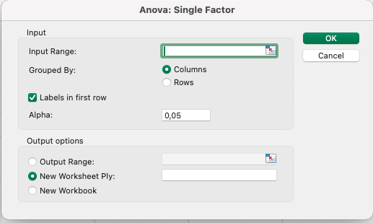
animal | jump_length | dog | cat | fox
dog | 5.7 | 5.7 | 3.2 | 7.7
dog | 8.9 | 8.9 | 2.2 | 8.1
dog | 11.8 | 11.8 | 5.4 | 9.1
dog | 5.6 | 5.6 | 4.1 | 9.7
dog | 9.1 | 9.1 | 4.3 | 10.6
dog | 8.2 | 8.2 | 7.9 | 8.6
dog | 7.6 | 7.6 | 6.1 | 10.3
cat | 3.2
cat | 2.2
cat | 5.4
cat | 4.1
cat | 4.3
cat | 7.9
cat | 6.1
fox | 7.7
fox | 8.1
fox | 9.1
fox | 9.7
fox | 10.6
fox | 8.6
fox | 10.3

2fac ANOVA
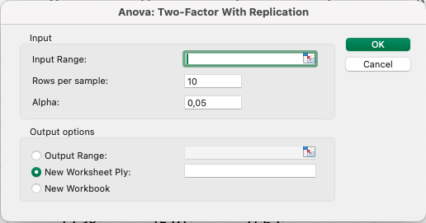
animal | site | jump_length | site | cat | dog | fox
cat | city | 12.04 | city | 12.04 | 19.35 | 19.5
cat | city | 11.98 | city | 11.98 | 17.1 | 18.49
cat | city | 16.1 | city | 16.1 | 19.85 | 19.78
cat | city | 13.42 | city | 13.42 | 15.33 | 19.45
cat | city | 12.37 | city | 12.37 | 15.15 | 21.56
cat | city | 16.36 | city | 16.36 | 19.57 | 21.37
cat | city | 14.91 | city | 14.91 | 15.44 | 18.64
cat | city | 11.17 | city | 11.17 | 16.09 | 20.08
cat | city | 12.38 | city | 12.38 | 15.91 | 21.62
cat | city | 15.06 | city | 15.06 | 13.01 | 20.68
cat | village | 17.59 | village | 17.59 | 16.6 | 15.32
cat | village | 11.24 | village | 11.24 | 15.28 | 17.59
cat | village | 12.44 | village | 12.44 | 16.91 | 15.7
cat | village | 13.63 | village | 13.63 | 15.08 | 18.58
cat | village | 14.92 | village | 14.92 | 18.56 | 16.85
cat | village | 17.43 | village | 17.43 | 16.34 | 18.25
cat | village | 18.3 | village | 18.3 | 17.61 | 18.75
cat | village | 16.35 | village | 16.35 | 14.8 | 16.96
cat | village | 16.34 | village | 16.34 | 17.52 | 13.38
cat | village | 14.23 | village | 14.23 | 16.93 | 18.38
dog | city | 19.35
dog | city | 17.1
dog | city | 19.85
dog | city | 15.33
dog | city | 15.15
dog | city | 19.57
dog | city | 15.44
dog | city | 16.09
dog | city | 15.91
dog | city | 13.01
dog | village | 16.6
dog | village | 15.28
dog | village | 16.91
dog | village | 15.08
dog | village | 18.56
dog | village | 16.34
dog | village | 17.61
dog | village | 14.8
dog | village | 17.52
dog | village | 16.93
fox | city | 19.5
fox | city | 18.49
fox | city | 19.78
fox | city | 19.45
fox | city | 21.56
fox | city | 21.37
fox | city | 18.64
fox | city | 20.08
fox | city | 21.62
fox | city | 20.68
fox | village | 15.32
fox | village | 17.59
fox | village | 15.7
fox | village | 18.58
fox | village | 16.85
fox | village | 18.25
fox | village | 18.75
fox | village | 16.96
fox | village | 13.38
fox | village | 18.38

