Bosch 82mm Throttle Body
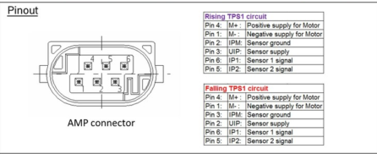
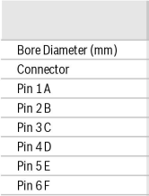
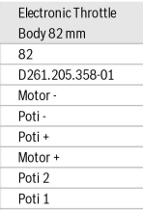
Pin | Function
1 | Motor Negative (Motor -)
2 | Throttle Position Sensor Ground (TPS GND)
3 | Throttle Position Sensor 5V Supply (TPS +5V)
4 | Motor Positive (Motor +)
5 | Throttle Position Sensor Output 2 (TPS 2 OUT)
6 | Throttle Position Sensor Output 1 (TPS 1 OUT)

