NAME
Suzhou Compass Machinery & Electric Co., Ltd
RM203,2F,No.214 Kuachun Road, Suzhou industrial park, Jiangsu, 215121 China
Tel: +86 187 6196 5038 Office Tel: +86 0512 6763 4077 Fax: +86 0512 6763 4077
Quotation
Company: |  |  | Quotation No.:
Address: |  |  | Date :
Contact: |  |  | INCO term: | EXW
Whats App:
 |  |  |  |  |  |  |  |  |  | ¥
Item | Product Image | Product Name & Specs | MOQ (pcs) | Unit Price (RMB) | Total Amount (RMB) | 进价 | 税 | 利润率 | 汇率 | 报价
1 |  |  |  |  | ¥0.00 |  | 1.00 | 1.00 |  | ¥0.00

Optional functions and extra cost
 |  |  |  |  | ¥0.00 |  | 1.00 | 1.00 |  | ¥0.00
Total Amount(RMB) |  |  |  | ¥0.00 | ¥0.00
Selling points： |  | Certificates: | Packing information:

 |  | MOQ:

 |  | Production lead time:

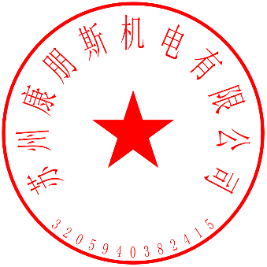
Remarks:
1. Sample order payment term: 100% upon order confirmation
2. Bulk order payment term: 30% upon order confirmation,70% before shipping

Suzhou Compass Machinery & Electric Co., Ltd

