YELP_DEMO
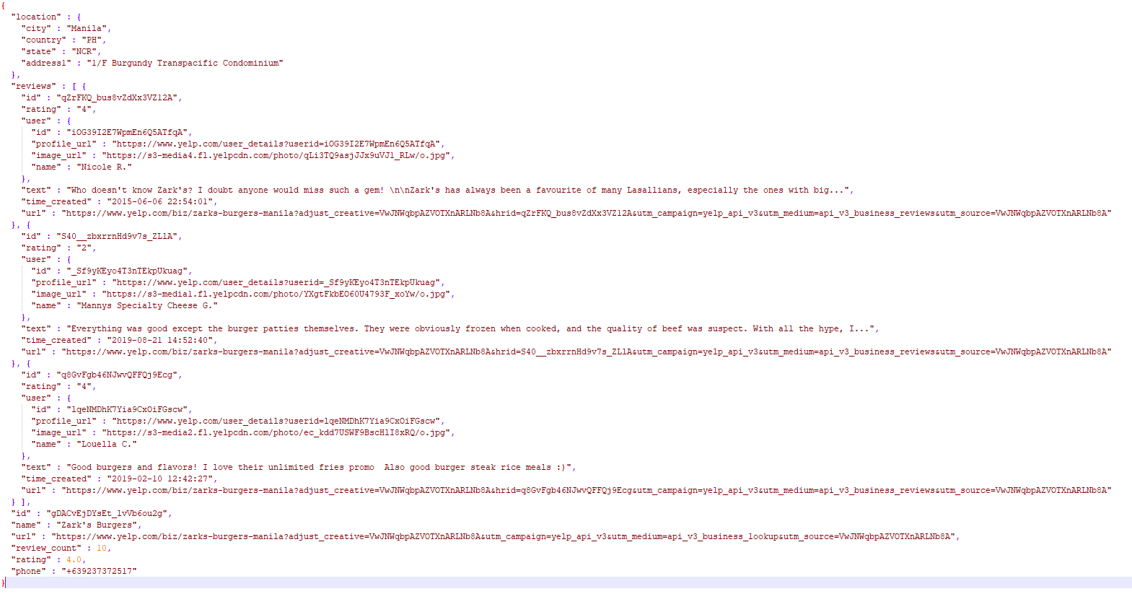
APIs

/business/search

 | Sample Request
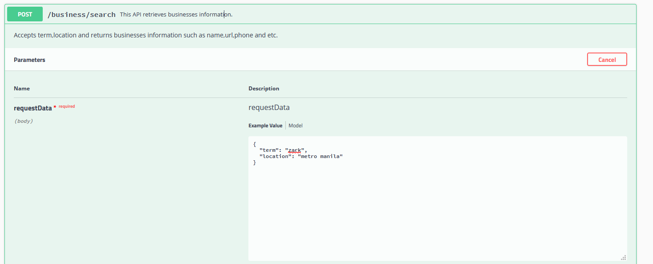

 | Response
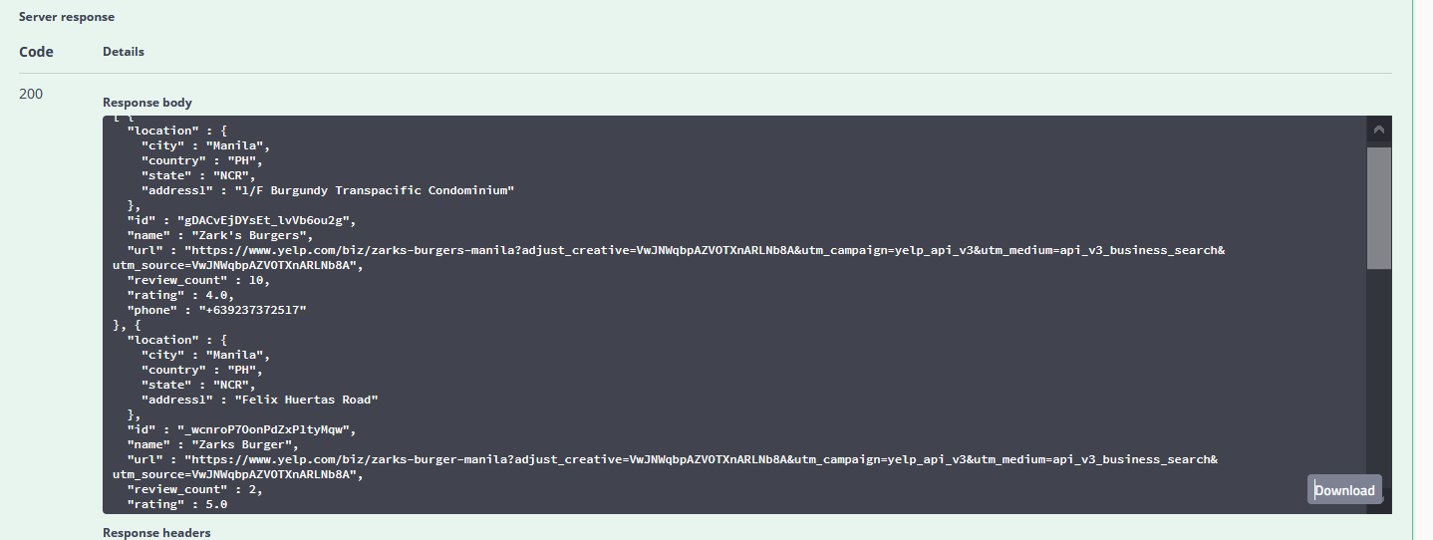

/business/reviews/{id}

 | I used the ID of one the local businesses that was retrieved above
 | Sample ID: | gDACvEjDYsEt_lvVb6ou2g

 | Request

 | Response

